MARCH
NO | PICTURE | ITEM REFERENCE | EAN 13 | FOB PRICE (USD) | AVAILABLE QTY (CARTONS) | ITEM DESCRIPTION | INNER PACKING | ARTICLE |  |  |  |  | INNER |  |  |  |  |  |  |  | MASTER | CARTON DIMENSION (CM) |  |  |  |  | PIECE QTY PER MASTER CTN | N.W. (KG) PER CTN | G.W. (KG) PER CTN | CBM PER CTN | QTY PER-CONTAINER
 |  |  |  |  |  |  |  | N.W. | N.W. | VOL. | DIA. | Height | QTY | G.W. | N.W. | N.W. | DIMENSION (CM) |  |  |  | N.W. |  |  |  |  |  |  |  |  |  | 20' | 40' | 40'HC
 |  |  |  |  |  |  |  | Glass | Plastik
 |  |  |  |  |  |  |  | (gr) | (gr) | (ml) | (mm) | (mm) |  |  |  | inner | P | L | T | CBM | Master

1 | 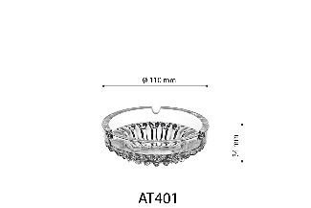 | AT401 | 8 993373 250146 | 0.165 | 1,315 | 10.9 cm ashtray | 6 pcs in brown box | 190 |  |  | 109 |  | 6 | 1.21 | 1.14 | 0.07 | 15.7 | 11.7 | 11.7 | 0.002149173 | 0.45 | 48.8 | x | 24.5 | x | 25.0 | 72 | 13.7 | 14.9 | 0.030 | 927
2 | 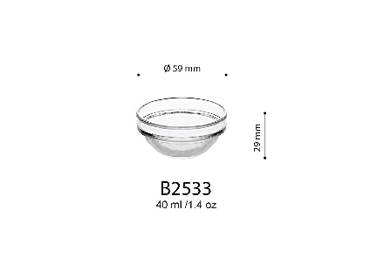 | B2533 | 8 993373 255707 | 0.105 | 1,267 | 5.9 cm (40 ml) bowl | 12 pcs in brown box | 45 |  | 40 | 59 |  | 12 | 0.59 | 0.54 | 0.05 | 13.5 | 9.3 | 6.8 | 0.00085374 | 0.18 | 41.0 | x | 19.2 | x | 15.5 | 144 | 6.5 | 7.3 | 0.012 | 2,520
3 | 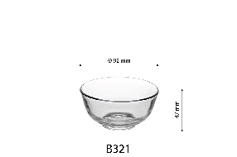 | B321 | 8 993373 250191 | 0.115 | 300 | 9.2 cm (165 ml) bowl | 6 pcs in brown box | 110 |  | 165 | 92 |  | 6 | 0.71 | 0.66 | 0.05 | 9.4 | 9.4 | 12.5 | 0.0011045 | 0.40 | 39.5 | x | 29.5 | x | 27.5 | 144 | 15.8 | 17.5 | 0.032 | 904
4 | 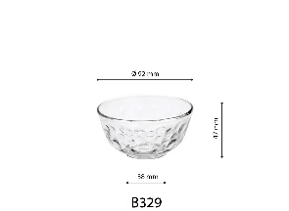 | B329 | 8 993373 382335 | 0.115 | 300 | 9.2 cm (165 ml) bowl | 6 pcs in brown box | 110 |  | 165 | 92 |  | 6 | 0.71 | 0.66 | 0.05 | 9.4 | 9.4 | 12.5 | 0.0011045 | 0.40 | 39.5 | x | 29.5 | x | 27.5 | 144 | 15.8 | 17.5 | 0.032 | 904
5 | 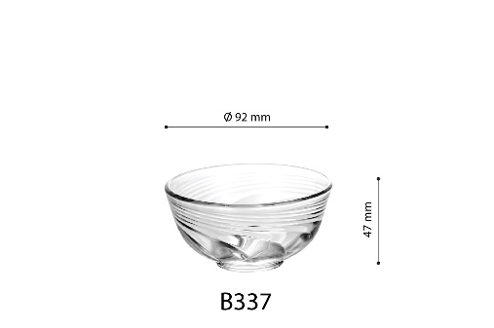 | B337 | 8 993373 381093 | 0.115 | 450 | 9.2 cm (165 ml) bowl | 6 pcs in brown box | 110 |  | 165 | 92 |  | 6 | 0.71 | 0.66 | 0.05 | 9.4 | 9.4 | 12.5 | 0.0011045 | 0.40 | 39.5 | x | 29.5 | x | 27.5 | 144 | 15.8 | 17.5 | 0.032 | 904

