MARCH
NO | PICTURE | ITEM REFERENCE | EAN 13 | FOB PRICE (USD) | AVAILABLE QTY (CARTONS) | ITEM DESCRIPTION | INNER PACKING | ARTICLE N.W. Glass (gr) | ARTICLE N.W. Plastik (gr) | ARTICLE VOL. (ml) | ARTICLE DIA. (mm) | ARTICLE Height (mm) | INNER QTY | INNER G.W. | INNER N.W. | INNER N.W. inner | INNER DIMENSION (CM) P | INNER DIMENSION (CM) L | INNER DIMENSION (CM) T | INNER DIMENSION (CM) CBM | MASTER N.W. Master | CARTON DIMENSION (CM) | CARTON DIMENSION (CM) | CARTON DIMENSION (CM) | PIECE QTY PER MASTER CTN | N.W. (KG) PER CTN | G.W. (KG) PER CTN | CBM PER CTN | QTY PER-CONTAINER 20' | QTY PER-CONTAINER 40' | QTY PER-CONTAINER 40'HC | Image Filename
1 |  | AT401 | 8 993373 250146 | 0.165 | 1,315 | 10.9 cm ashtray | 6 pcs in brown box | 190 |  |  | 109 |  | 6 | Error | 1.14 | 0.07 | 15.7 | 11.7 | 11.7 | 0.002149173 | 0.45 | 48.8 | 24.5 | 25.0 | 72 | 13.7 | Error | 0.030 | 927 |  |  | 20a82131813e456387a21f0705abe993.png
2 | 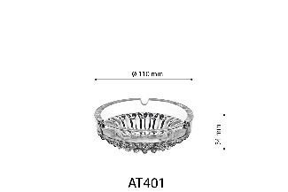 | B2533 | 8 993373 255707 | 0.105 | 1,267 | 5.9 cm (40 ml) bowl | 12 pcs in brown box | 45 |  | 40 | 59 |  | 12 | Error | 0.54 | 0.05 | 13.5 | 9.3 | 6.8 | 0.00085374 | 0.18 | 41.0 | 19.2 | 15.5 | 144 | 6.5 | Error | 0.012 | 2,520 |  |  | b2c1610c3de941818d7ae68f87be071c.png
3 | 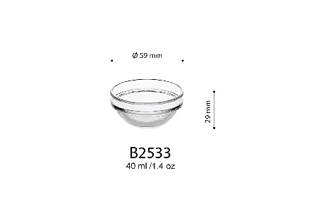 | B321 | 8 993373 250191 | 0.115 | 300 | 9.2 cm (165 ml) bowl | 6 pcs in brown box | 110 |  | 165 | 92 |  | 6 | Error | 0.66 | 0.05 | 9.4 | 9.4 | 12.5 | 0.0011045 | 0.40 | 39.5 | 29.5 | 27.5 | 144 | 15.8 | Error | 0.032 | 904 |  |  | b851e82d72d64625bfbba2f127648758.png
4 | 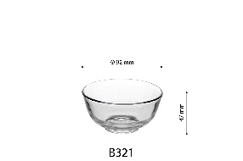 | B329 | 8 993373 382335 | 0.115 | 300 | 9.2 cm (165 ml) bowl | 6 pcs in brown box | 110 |  | 165 | 92 |  | 6 | Error | 0.66 | 0.05 | 9.4 | 9.4 | 12.5 | 0.0011045 | 0.40 | 39.5 | 29.5 | 27.5 | 144 | 15.8 | Error | 0.032 | 904 |  |  | 9689392956174136969baeee3a244f7c.png
5 | 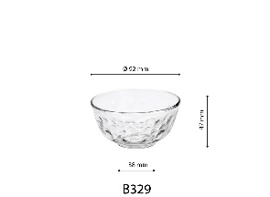 | B337 | 8 993373 381093 | 0.115 | 450 | 9.2 cm (165 ml) bowl | 6 pcs in brown box | 110 |  | 165 | 92 |  | 6 | Error | 0.66 | 0.05 | 9.4 | 9.4 | 12.5 | 0.0011045 | 0.40 | 39.5 | 29.5 | 27.5 | 144 | 15.8 | Error | 0.032 | 904 |  |  | 73d89475c21341a2ad2e7fbf47a41141.png
 | 