IEEE_24Bus_RTS (modified)
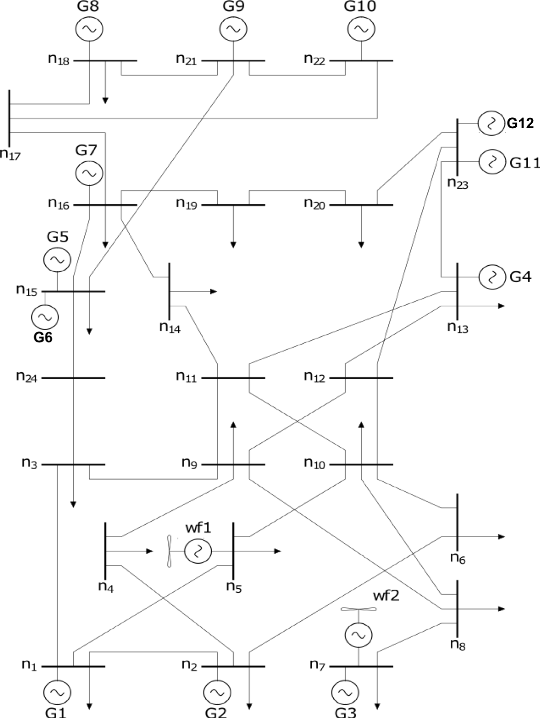

12Node_NG_Network (modified)
