Readme
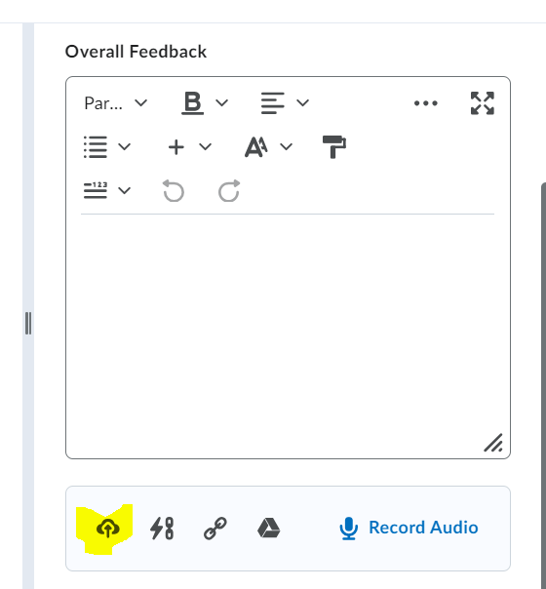
Grades and Feedback:
The work must be graded and the feedback/grades must be posted within a week after the deadline.
- Use the feedback template to complete a feedback for each student, save it as a PDF using name convention Homework ## Feedback Student Name.
- Post a grade and attach the PDF feedback for each student.
- Notify the students for grade review and dispute after grading a group of students:
 | Your homework/exam xx has been graded if you submitted it properly on time. If you disagree on the grade, you must contact me within xx hours(for example 48 hours).
 | The grade will be final afterward. If you have any questions about the feedback, please contact me at any time.
- Please keep all the grading documents for the entire semester.
- Please send the feedback(PDFs) to me.

When saving the feedback sheet as a PDF, please choose Fit to paper width, Landscape Orientation and Fit All Columns on One page so that the pages will not be cut off.
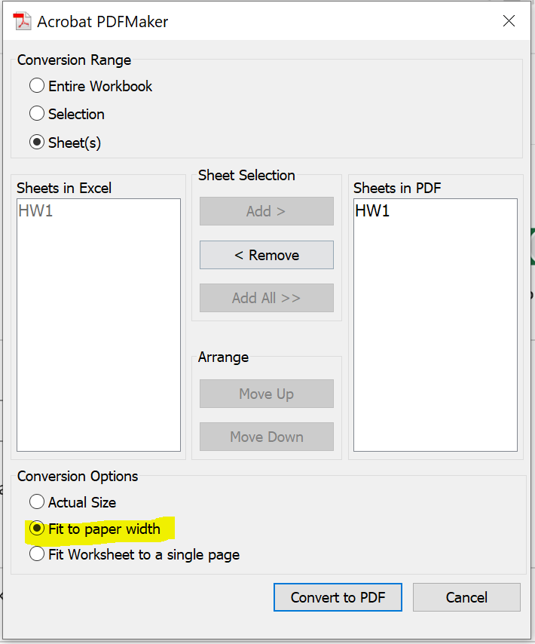
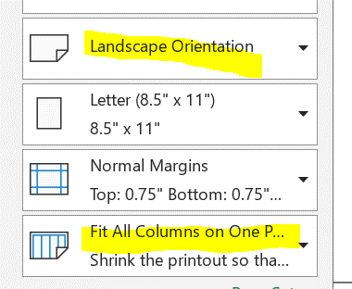

Don't enter comments in the builtin editor in Brightspace, upload a PDF feedback using the upload feature.

