Sheet1
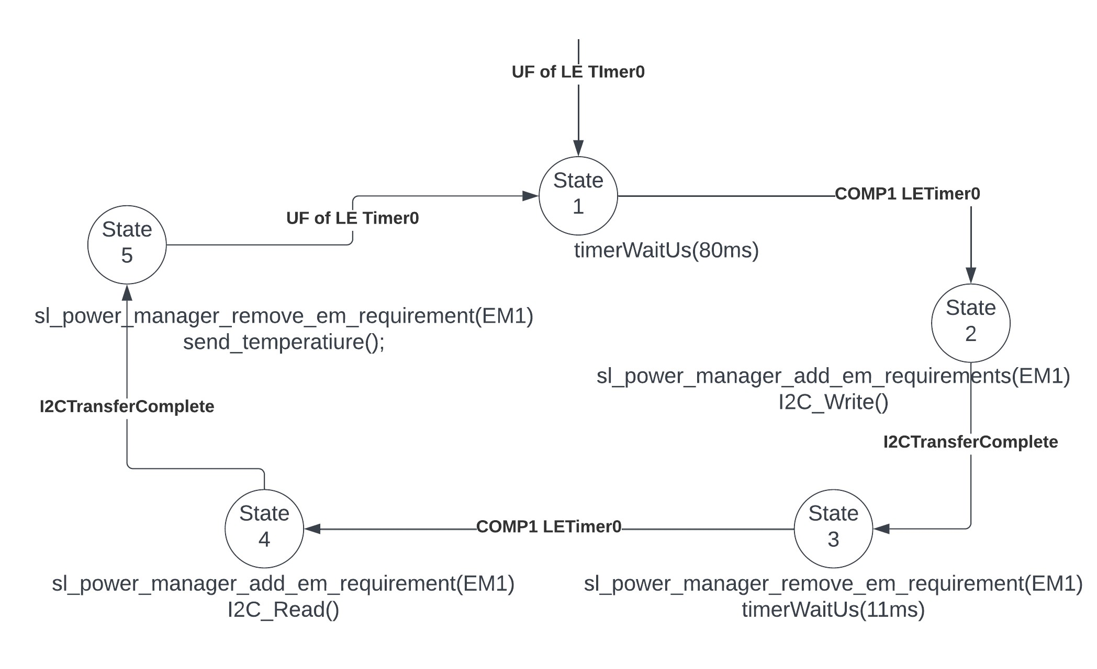
 | Client Command Table for A7

 | Use this table to help you design your program. Add rows as needed. | Use this column to describe when and what your LCD display changes to for rows like DISPLAY_ROW_CONNECTION | Use this column to denote if BT stack events cause your state machine to advance, you can put an X in the cell to note this. Drawing a bubble diagram of your state machine might also be a good idea 👍. | Commands that may be useful: sl_bt_gatt_discover_primary_services_by_uuid() sl_bt_gatt_discover_characteristics_by_uuid()
 | Event | LCD Display State | Advances State Machine | Commands called in response to event | Values to save | Notes
Events Common to Slaves/Servers
 | sl_bt_evt_system_boot_id | display_init(); |  | This event is generated on stack boot up
 |  |  |  | sl_bt_system_get_identity_address() | bd_addr
 |  | DISPLAY_ROW_NAME-Server |  | sl_bt_advertiser_create_set()
 |  |  |  | sl_bt_advertiser_set_timing()
 |  | DISPLAY_ROW_CONNECTION- Advertising |  | sl_bt_sm_configure()
 |  | DISPLAY_ROW_BTADDR- bd_addr |  | sl_bt_sm_delete_bondings()
 |  | DISPLAY_ROW_ASSIGNMENT-A8 |  | sl_bt_advertiser_start()

 | sl_bt_evt_connection_opened_id | DISPLAY_ROW_CONNECTION-Connected |  | sl_bt_advertiser_stop() | save connection handle.
 |  |  |  | sl_bt_connection_set_parameters()

 | sl_bt_evt_connection_closed_id | clear- passkey, action, tempvalue, btaddr | x | sl_bt_sm_delete_bondings() | led0, 1 off
 |  | DISPLAY_ROW_CONNECTION-Advertising |  | sl_bt_advertiser_start()

 | sl_bt_evt_system_soft_timer_id |  |  | displayUpdate();
 |  |  |  | if possible- sl_bt_gatt_server_send_indication() |  | if there are queued indications and no indication in flight, dequeue indication at tail, send indication, set indication_in_flight.

 | sl_bt_evt_system_external_signal_id | DISPLAY_ROW_9, Button pressed/released |  | sl_bt_sm_passkey_confirm(); |  | two external events- button pressed and button released. If not bonded, accept passkey. If bonded, send button state and print on screen. Button released: if bonded, send button state.

 | sl_bt_evt_sm_confirm_bonding_id |  |  | sl_bt_bonding_confirm();
 | sl_bt_evt_sm_confirm_passkey_id | DISPLAY_ROW_PASSKEY- passkey ROW_ACTION- Confirm with.. |  |  | save passkey | display the passkey and ask if it matches with the passkey on the remote device (y/n) call sm_passkey_confirm(connection, 0/1) in PB0 event responder

 | sl_bt_evt_gatt_server_characteristic_status_id |  |  |  |  | gattdb_temp_measurement: if indication is disabled, led0 is off else.. Gattdb_button_state: same-led1.
client | sl_bt_evt_sm_bonded_id | DISPLAY_ROW_CONNECTION- Bonded clear row_passkey, row_action
 | sl_bt_evt_sm_bonding_failed_id |  |  | sl_bt_connection_close();

