Variable_Education
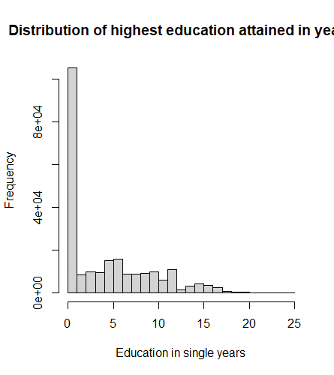
The variable HV108 in the Demographic and Health Surveys (DHS) represents the total number of years of education a person has completed. This number is computed using two other variables: HV106 (educational level) and HV107 (grade at that level).

Here's a breakdown of what each value of HV106 translates to in HV108:

HV106 = 0: This means no education. It is represented as 20 in HV108.
HV106 = 1: This means primary education. The grade completed at this level (HV107) is used directly as the value for HV108. So if a person has completed 5 grades of primary education, HV108 would be 5.
HV106 = 2: This means secondary education. The grade completed at this level (HV107) is added to the number of years it takes to complete primary education (x) to give the value for HV108. So if a person has completed 3 grades of secondary education and primary education takes 6 years in that country, HV108 would be 3+6 = 9.
HV106 = 3: This means higher education. The grade completed at this level (HV107) is added to the number of years it takes to complete both primary and secondary education (y) to give the value for HV108. So if a person has completed 2 grades of higher education, primary education takes 6 years, and secondary education takes 6 years in that country, HV108 would be 2+6+6 = 14.
HV106 = 9: This is a missing value, represented as 99 in HV108.

The values for 'x' (years to complete primary education) and 'y' (years to complete primary and secondary education) are specific to each country. They reflect the standard duration of primary and secondary education in that country.

So, in a nutshell, HV108 provides a single number representing how many years of education a person has completed, based on their highest level of education and the grade they completed at that level.

Phases
 | Avg | mid
Phase 8 (2018-2023) |  |  |  |  | phase_number year observations
Phase 7 (2013-2018) | 2017 | 2015 | 3 | 3 | <dbl> <dbl> <int>
Phase 6 (2008-2013) | 2012 | 2010 | 2 | 2 | 1 1 1974 1999
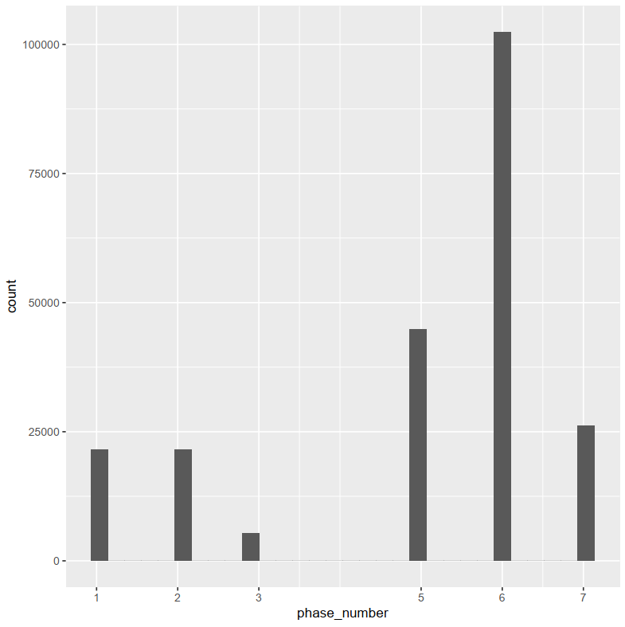
Phase 5 (2003-2008) | 2007 | 2005 | 1 |  | 2 1 1975 1829
Phase 4 (1997-2003) |  | 2000 |  |  | 3 1 1976 3645
Phase 3 (1992-1997) | 1993 | 1994 |  |  | 4 1 1977 1577
Phase 2 (1988-1993) | 1991 | 1991 |  |  | 5 1 1978 3674
Phase 1 (1984-1989) | 1980 |  |  |  | 6 1 1979 1338
 |  |  |  |  | 7 1 1980 1154
 |  |  |  |  | 8 1 1981 331
 |  |  |  |  | 9 1 1982 706
 |  |  |  |  | 10 1 1986 1981
 |  |  |  |  | 11 1 1987 1991
 |  |  |  |  | 12 1 1988 1866
 |  |  |  |  | 13 1 1989 1163
 |  |  |  |  | 14 2 1990 2038
 |  |  |  |  | 15 2 1991 5037
 |  |  |  |  | 16 2 1992 7466
 |  |  |  |  | 17 2 1993 7769
 |  |  |  |  | 18 2 1994 8
 |  |  |  |  | 19 3 1993 357
 |  |  |  |  | 20 3 1994 5017
 |  |  |  |  | 21 3 1995 44
 |  |  |  |  | 22 5 2005 581
 |  |  |  |  | 23 5 2006 13425
 |  |  |  |  | 24 5 2007 11926
 |  |  |  |  | 25 5 2008 11084
 |  |  |  |  | 26 5 2009 2065
 |  |  |  |  | 27 5 2010 7562
 |  |  |  |  | 28 6 2010 5792
 |  |  |  |  | 29 6 2011 3136 | 0.00
 |  |  |  |  | 30 6 2012 8124
 |  |  |  |  | 31 6 2013 9368
 |  |  |  |  | 32 6 2014 6761
 |  |  |  |  | 33 6 2015 38152
 |  |  |  |  | 34 6 2016 35091
 |  |  |  |  | 35 7 2015 2478
 |  |  |  |  | 36 7 2016 2853
 |  |  |  |  | 37 7 2017 14173
 |  |  |  |  | 38 7 2018 8000
 |  |  |  |  | 39 7 2019 37

Distribution of Variables_Main
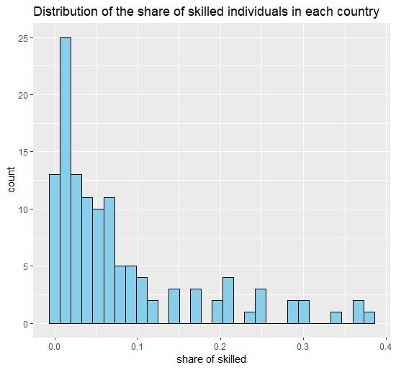
Distribution of outcome variables
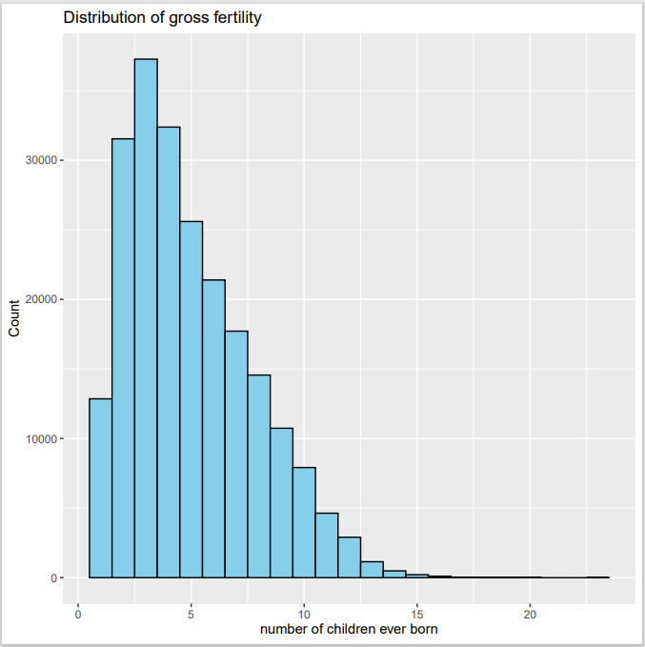

Min. 1st Qu. Median Mean 3rd Qu. Max.
1.000 3.000 4.000 4.982 7.000 23.000

Distribution of Treatment Variables
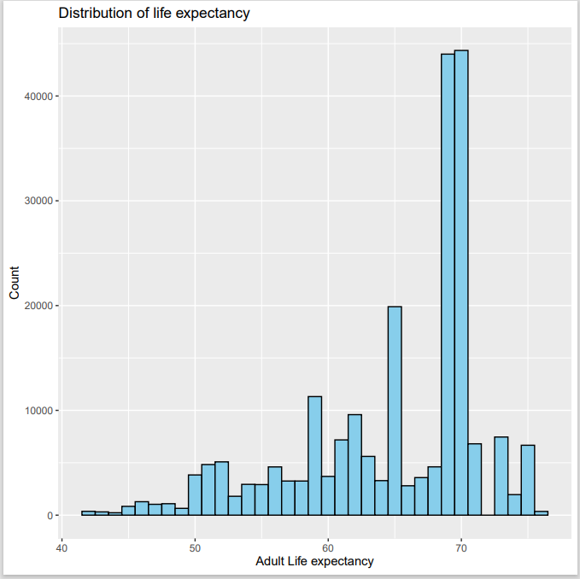
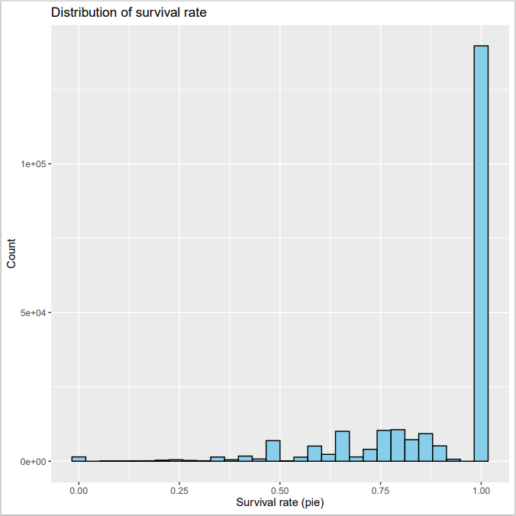
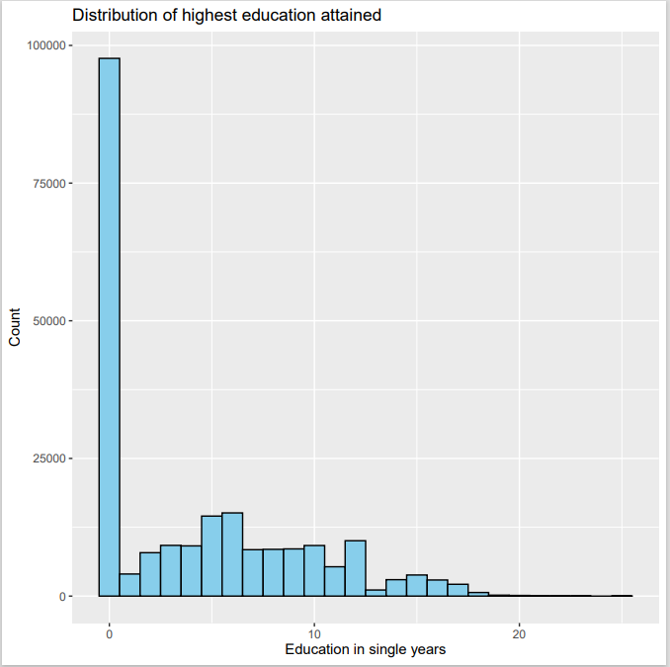

Min. 1st Qu. Median Mean 3rd Qu. Max. |  |  |  | Min. 1st Qu. Median Mean 3rd Qu. Max. |  | Min. 1st Qu. Median Mean 3rd Qu. Max.
0.000 0.000 3.000 4.231 8.000 25.000 |  |  |  | 42.22 60.90 68.82 64.89 69.64 75.50 |  | 0.0000 0.8000 1.0000 0.8868 1.0000 1.0000

Distribution of Control Variables

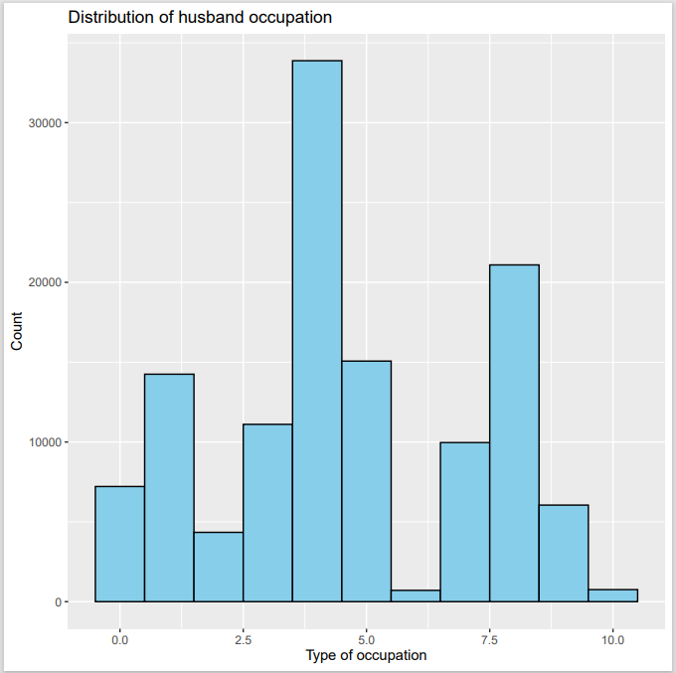
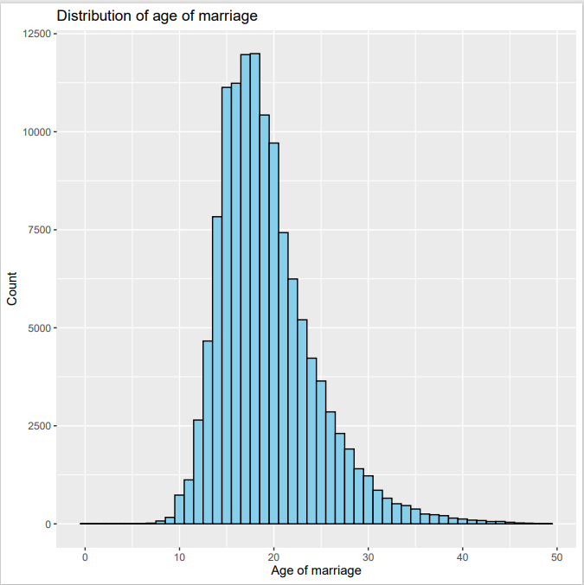
 |  |  |  |  | summary(df$urban) | dummy
 |  |  |  |  | Min. 1st Qu. Median Mean 3rd Qu. Max.
 |  |  |  |  | 0.0000 0.0000 0.0000 0.4207 1.0000 1.0000

 |  |  |  |  | summary(df$work) | dummy
 |  |  |  |  | Min. 1st Qu. Median Mean 3rd Qu. Max.
 |  |  |  |  | 0.0000 0.0000 1.0000 0.5609 1.0000 1.0000

 |  |  | Min. 1st Qu. Median Mean 3rd Qu. Max.
 |  |  | 0.00 16.00 18.00 19.31 22.00 49.00

Distribution of countries
Country code | Country Name | Observations
BD | Bangladesh | 2,130
BF | Burkina Faso | 1,672
BJ | Benin | 266
BO | Bolivia | 2,822
BU | Burundi | 2,109
CI | Cote d'Ivoire | 376
CM | Cameroon | 2,817
CO | Colombia | 6,678
CR | Costa Rica | 371
DR | Dominican Republic | 4,650
EC | Ecuador | 444
EG | Egypt | 7,731
FJ | Fiji | 396
GH | Ghana | 2,396
HT | Haiti | 1,790
IA | India | 87,616
ID | Indonesia | 22,999
JO | Jordan | 5,506
KE | Kenya | 4,443
KR | S Korea | 664
LB | Liberia | 1,794
LK | Sri Lanka | 925
LS | Lesotho | 279
MD | Madagascar | 1,632
ML | Mali | 2,613
MW | Malawi | 3,451
MX | Mexico | 584
MY | Malaysia | 612
NG | Nigeria | 11,092
NI | Niger | 1,021
NM | Namibia | 1,741
NP | Nepal | 445
PA | Panama | 342
PE | Peru | 7,485
PH | Philippines | 7,853
PK | Pakistan | 5,401
RW | Rwanda | 2,368
SD | Sudan | 243
SN | Senegal | 2,834
SY | Syria | 502
TN | Tunisia | 492
TZ | Tanzania | 2,491
UG | Uganda | 2,564
YE | Yemen | 220
ZM | Zambia | 2,762
ZW | Zimbabwe | 1,879

Relationship
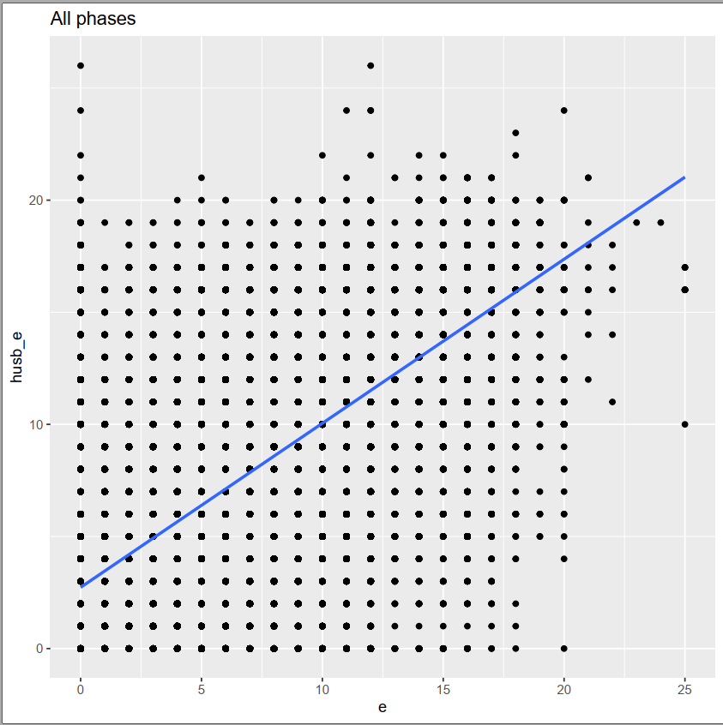
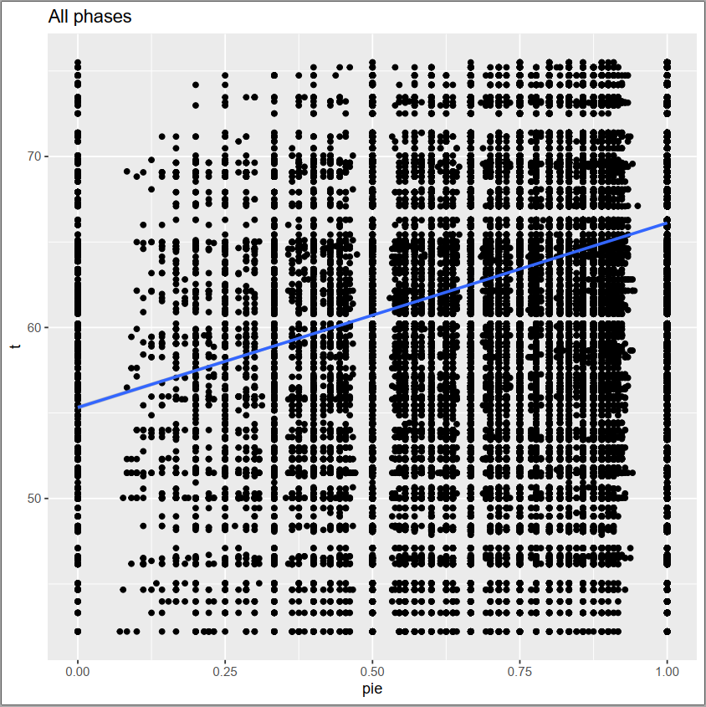
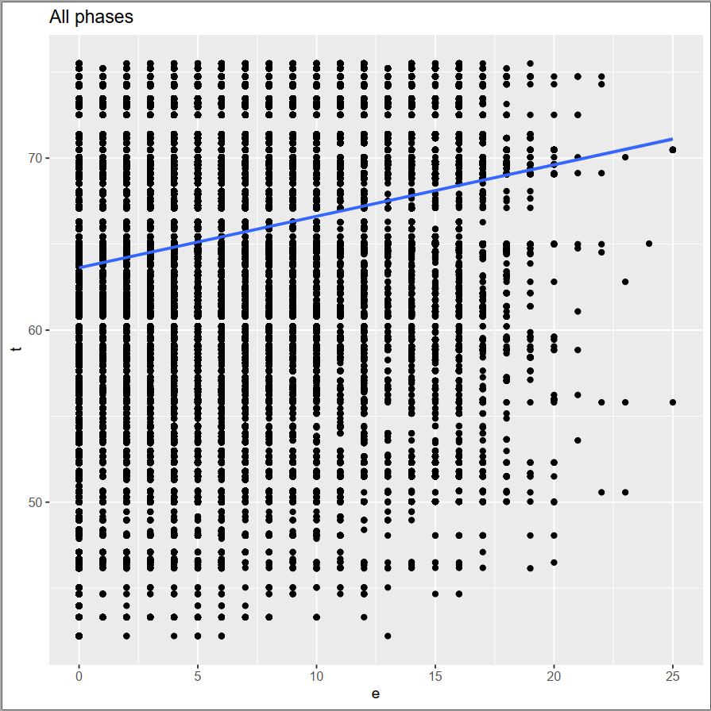
Main equation variables - all as expected
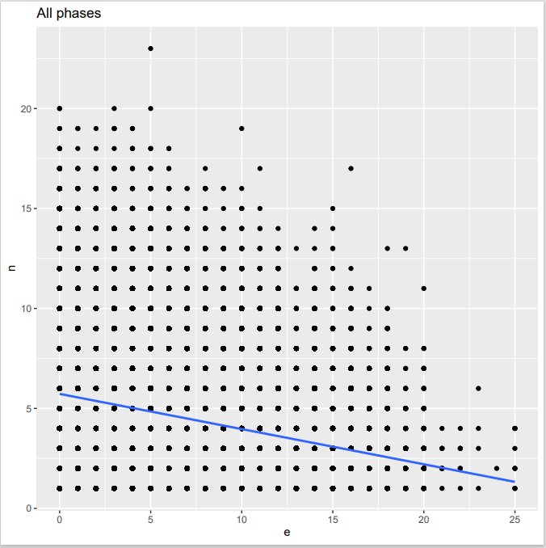
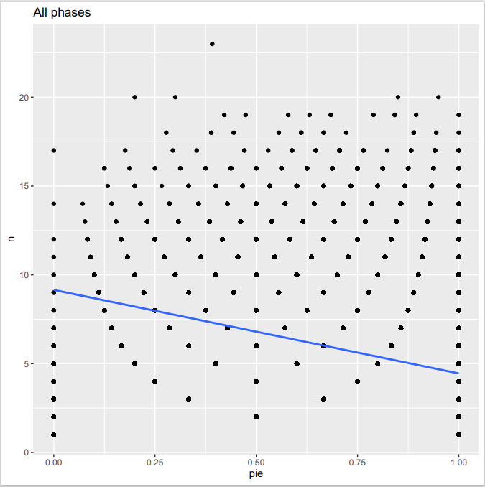
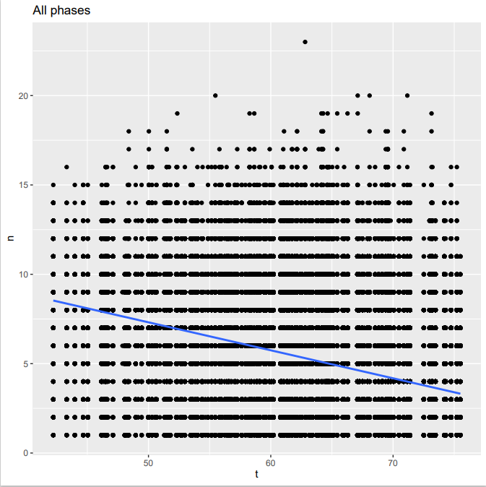
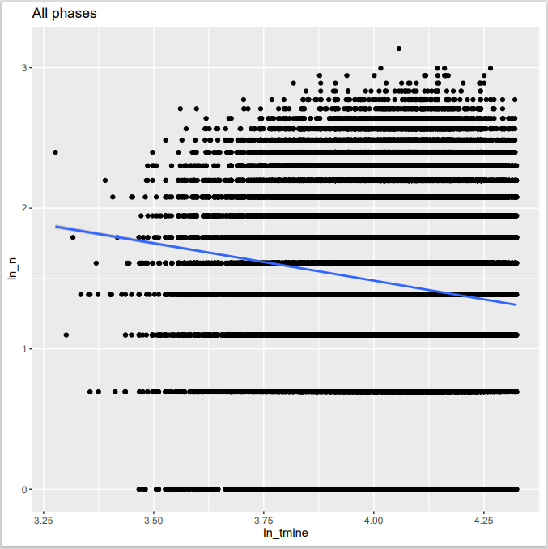

Relationship of Control Variables

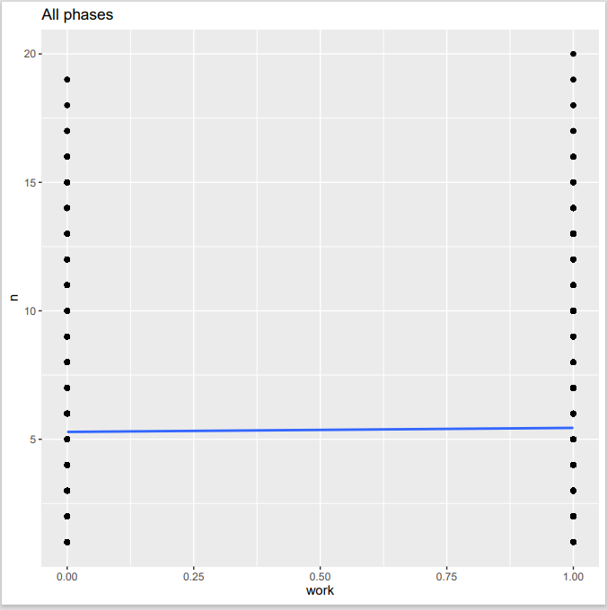
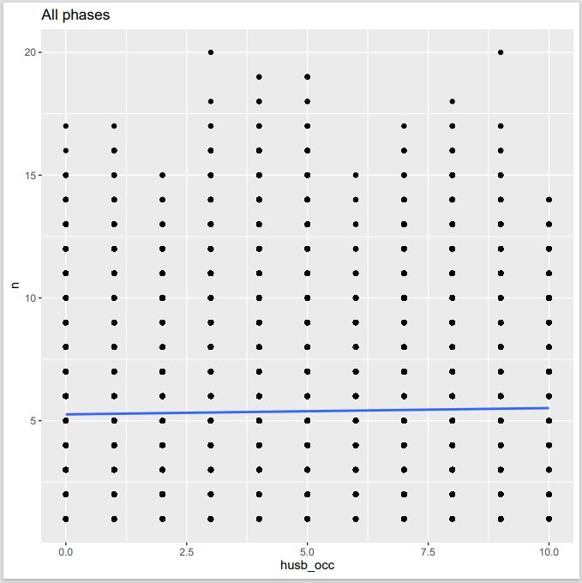
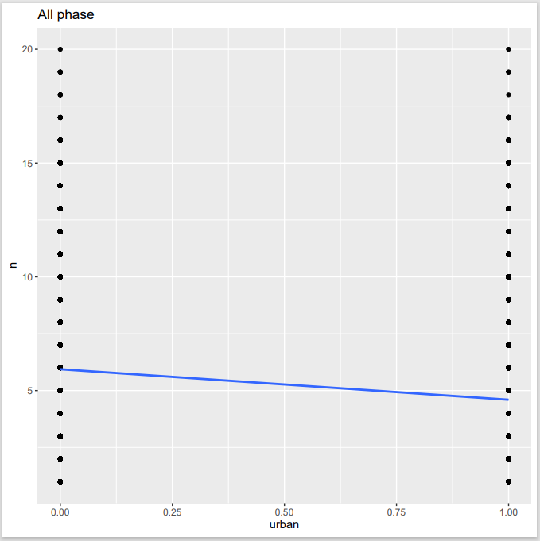
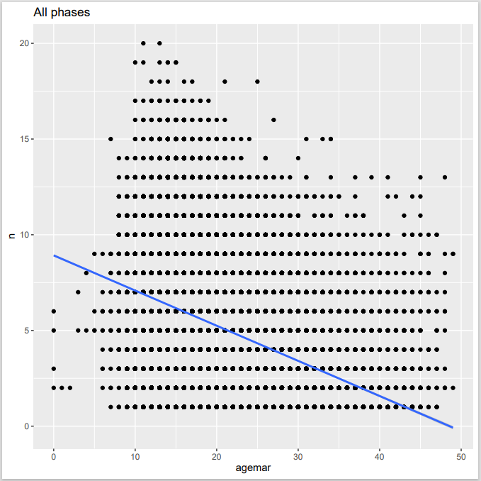

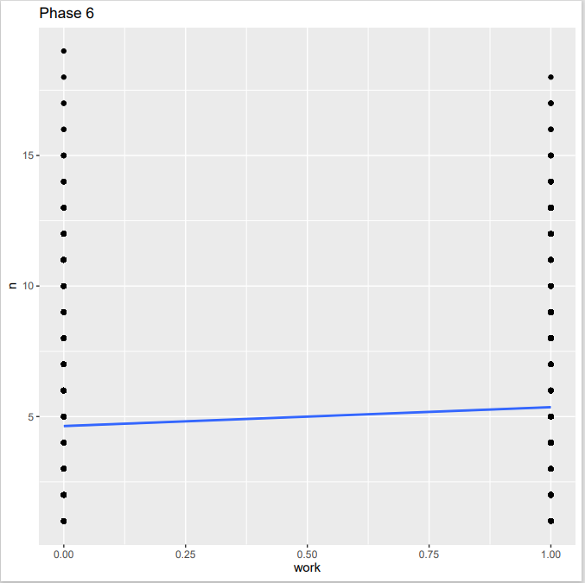
 |  | husb_occ | average n
 |  | <dbl+lbl> | <dbl>
 | 1 | 0 [did not work] | 5.59
 | 2 | 1 [professional/technical/managerial] | 4.34
 | 3 | 2 [clerical] | 4.32
 | 4 | 3 [sales] | 5
 | 5 | 4 [agricultural - self employed] | 6.33
 | 6 | 5 [agricultural - employee] | 5.4
 | 7 | 6 [household and domestic] | 5.64
 | 8 | 7 [services] | 4.69
 | 9 | 8 [skilled manual] | 4.95
 | 10 | 9 [unskilled manual] | 5.91
 | 11 | 10 | 7.59

Relationship of Control Variables with explanatory variable
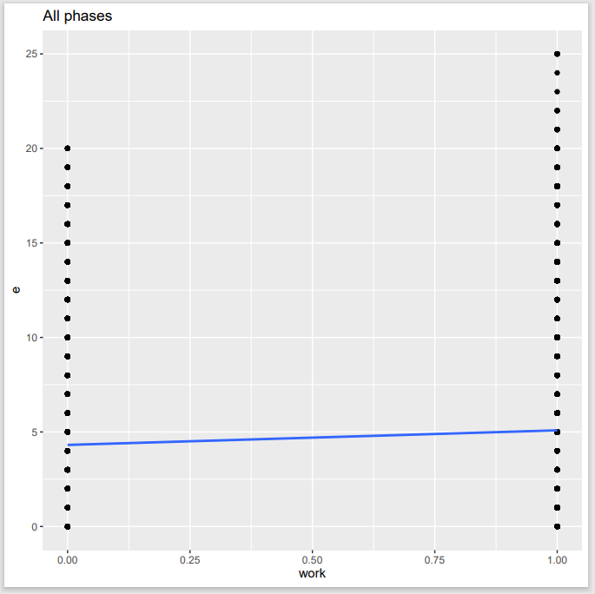
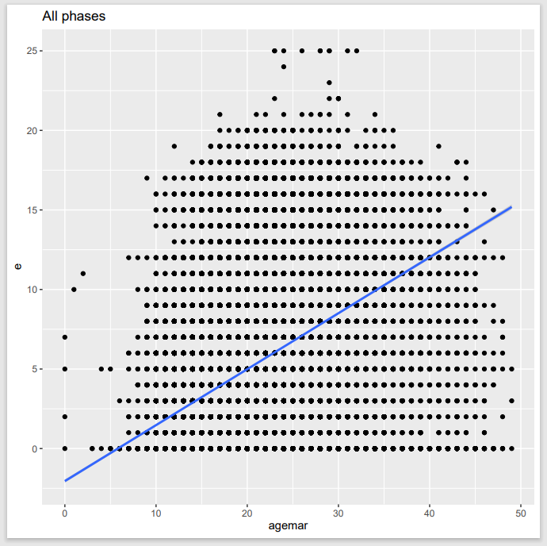
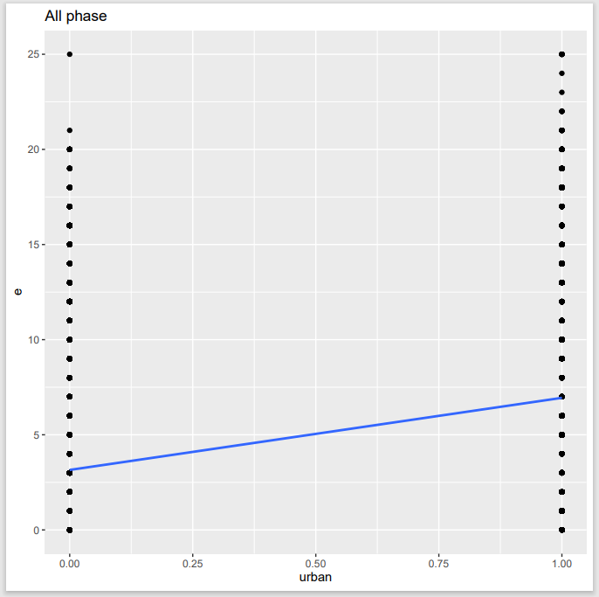

Relationship between variables

