Plan - Sales
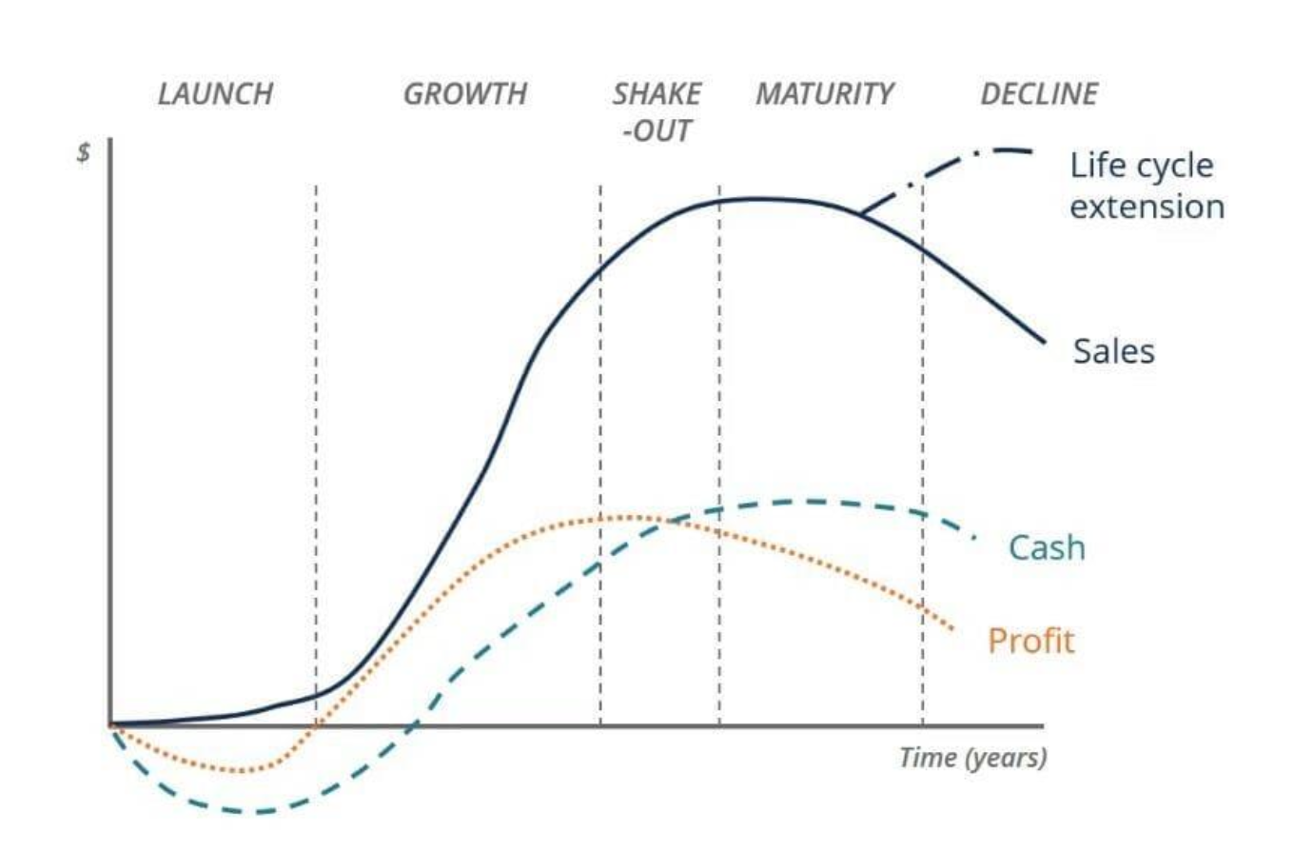
PROJECTED Tesla Revenue (in millions of USD) - NEUTRAL Scenario
REVENUES (in millions of US$) |  |  |  |  |  |  |  |  |  |  | Projected Revenue (in millions of US$) - NEUTRAL
 | 2015 | 2016 | 2017 | 2018 | 2019 | 2020 | 2021 | 2022 | 2023 | 2024 | 2025E | 2026E | 2027E | 2028E | 2029E
Tesla Inc. | 4,046 | 7,000 | 11,759 | 21,461 | 24,578 | 31,536 | 53,823 | 81,462 | 96,773 | 97,690 | 98,616 | 96,150 | 100,958 | 109,034 | 115,577
Ford Motor Company | 149,558 | 151,800 | 156,776 | 160,338 | 155,900 | 127,144 | 136,341 | 158,057 | 176,191 | 184,992
Volkswagen Group | 228,160 | 231,080 | 258,000 | 278,340 | 275,740 | 245,610 | 296,010 | 294,200 | 348,810 | 351,310 |  |  |  |  |  | NEUTRAL (Growth remains constant)
General Motors | 152,360 | 166,380 | 145,590 | 147,050 | 137,240 | 122,490 | 127,004 | 156,735 | 171,842 | 187,442 |  |  |  |  |  |  | 2015 | 2016 | 2017 | 2018 | 2019 | 2020 | 2021 | 2022 | 2023 | 2024 | 2025E | 2026E | 2027E | 2028E | 2029E
 |  |  |  |  |  |  |  |  |  |  |  |  |  |  |  | Revenue(in mil USD) | 4,046 | 7,000 | 11,759 | 21,461 | 24,578 | 31,536 | 53,823 | 81,462 | 96,773 | 97,690 | 98,616 | 96,150 | 100,958 | 109,034 | 115,577
 |  |  |  |  |  |  |  |  |  |  |  |  |  |  |  | Sales Growth |  | 73.01% | 67.98% | 82.51% | 14.52% | 28.31% | 70.67% | 51.35% | 18.80% | 0.95% | -2.50% | 5.00% | 8.00% | 6.00% | 6.00%
SALES GROWTH |  |  |  |  |  |  |  |  |  |  | Projected Sales Growth - NEUTRAL
 |  | 2016 | 2017 | 2018 | 2019 | 2020 | 2021 | 2022 | 2023 | 2024 | 2025E | 2026E | 2027E | 2028E | 2029E | PESSIMISTIC (Growth reduces 4% each year)
Tesla Inc. |  | 73.01% | 67.98% | 82.51% | 14.52% | 28.31% | 70.67% | 51.35% | 18.80% | 0.95% | -2.50% | 5.00% | 8.00% | 6.00% | 6.00% |  | 2015 | 2016 | 2017 | 2018 | 2019 | 2020 | 2021 | 2022 | 2023 | 2024 | 2025E | 2026E | 2027E | 2028E | 2029E
Ford Motor Company |  | 1.50% | 3.28% | 2.27% | -2.77% | -18.45% | 7.23% | 15.93% | 11.47% | 5.00% |  |  |  |  |  | Revenue(in mil USD) | 4,046 | 7,000 | 11,759 | 21,461 | 24,578 | 31,536 | 53,823 | 81,462 | 96,773 | 97,690 | 90,363 | 90,363 | 94,881 | 97,253 | 99,685
Volkswagen Group |  | 1.28% | 11.65% | 7.88% | -0.93% | -10.93% | 20.52% | -0.61% | 18.56% | 0.72% |  |  |  |  |  | Sales Growth |  | 73.01% | 67.98% | 82.51% | 14.52% | 28.31% | 70.67% | 51.35% | 18.80% | 0.95% | -7.50% | 0.00% | 5.00% | 2.50% | 2.50%
General Motors |  | 9.20% | -12.50% | 1.00% | -6.67% | -10.75% | 3.69% | 23.41% | 9.64% | 9.08%
 |  |  |  |  |  |  |  |  |  |  |  |  |  |  |  | OPTIMISTIC (Growth increases 0.5% each year)
 |  |  |  |  |  |  |  |  |  |  |  |  |  |  |  |  | 2015 | 2016 | 2017 | 2018 | 2019 | 2020 | 2021 | 2022 | 2023 | 2024 | 2025E | 2026E | 2027E | 2028E | 2029E
Sales Growth of Tesla and its Competiitors
REAL SALES GROWTH - TESLA (According to Fisher's equation) |  |  |  |  |  |  |  |  |  |  |  |  |  |  |  |  | 4,046 | 7,000 | 11,759 | 21,461 | 24,578 | 31,536 | 53,823 | 81,462 | 96,773 | 97,690 | 107,459 | 134,324 | 161,189 | 185,367 | 208,538
 |  | 2016 | 2017 | 2018 | 2019 | 2020 | 2021 | 2022 | 2023 | 2024 |  |  |  |  |  | Sales Growth |  | 73.01% | 67.98% | 82.51% | 14.52% | 28.31% | 70.67% | 51.35% | 18.80% | 0.95% | 10.00% | 25.00% | 20.00% | 15.00% | 12.50%
Rate of Inflation - USA |  | 1.30% | 2.10% | 2.40% | 1.80% | 1.20% | 4.70% | 8.00% | 4.10% | 3.20%
Real Sales Growth (Tesla) |  | 71.71% | 65.88% | 80.11% | 12.72% | 27.11% | 65.97% | 43.35% | 14.70% | -2.25%

EBIT (in millions of US$) |  |  |  |  |  |  |  |  |  |  |  |  |  |  |  | LIFECYCLE OF TESLA
 |  | 2016 | 2017 | 2018 | 2019 | 2020 | 2021 | 2022 | 2023 | 2024 |  |  |  |  |  | (in mil USD) | 2015 | 2016 | 2017 | 2018 | 2019 | 2020 | 2021 | 2022 | 2023 | 2024 | 2025E | 2026E | 2027E | 2028E | 2029E
Tesla Inc. |  | -667 | -1,632 | -388 | -69 | 1,994 | 6,523 | 13,656 | 8,891 | 7,076 |  |  |  |  |  | Revenue | 4,046 | 7,000 | 11,759 | 21,461 | 24,578 | 31,536 | 53,823 | 81,462 | 96,773 | 97,690 | 98,616 | 96,150 | 100,958 | 109,034 | 115,577
Ford Motor Company |  | 5,786 | 4,881 | 3,203 | 574 | -4,408 | 4,523 | 6,276 | 5,458 | 5,219 |  |  |  |  |  | EBIT |  | -667 | -1,632 | -388 | -69 | 1,994 | 5,558 | 8,413 | 9,994 | 10,089 | 10,184 | 9,930 | 10,426 | 11,260 | 11,936
Volkswagen Group |  | 7,860 | 15,620 | 16,440 | 19,000 | 11,050 | 22,800 | 23,310 | 24,430 | 20,630 |  |  |  |  |  | EAT |  | -673 | -1,962 | -976 | -862 | 862 | 5,644 | 12,587 | 14,974 | 7,153 | 10,151 | 9,897 | 10,392 | 11,223 | 11,897
General Motors |  | 9,690 | 8,600 | 4,440 | 5,480 | 8,560 | 11,430 | 12,000 | 9,620 | 12,720

TESLA - LIFECYCLE
 | Revenue | EBIT | EAT
2015 | 4,046
2016 | 7,000 | -667 | -673
2017 | 11,759 | -1,632 | -1,962
2018 | 21,461 | -388 | -976
2019 | 24,578 | -69 | -862
2020 | 31,536 | 1,994 | 862
2021 | 53,823 | 5,558 | 5,644
2022 | 81,462 | 8,413 | 12,587
2023 | 96,773 | 9,994 | 14,974
2024 | 97,690 | 10,089 | 7,153
2025E | 98,616 | 10,184 | 10,151
2026E | 96,150 | 9,930 | 9,897
2027E | 100,958 | 10,426 | 10,392
2028E | 109,034 | 11,260 | 11,223
2029E | 115,577 | 11,936 | 11,897
PROJECTED Tesla Revenue (in millions of USD) - PESSIMISTIC Scenario
OPERATING PROFIT MARGIN
 |  | 2016 | 2017 | 2018 | 2019 | 2020 | 2021 | 2022 | 2023 | 2024
Tesla Inc. |  | -9.53% | -13.88% | -1.81% | -0.28% | 6.32% | 12.12% | 16.76% | 9.19% | 7.24%
Ford Motor Company |  | 3.81% | 3.11% | 2.00% | 0.37% | -3.47% | 3.32% | 3.97% | 3.10% | 2.82%
Volkswagen Group |  | 3.40% | 6.05% | 5.91% | 6.89% | 4.50% | 7.70% | 7.92% | 7.00% | 5.87%
General Motors |  | 5.82% | 5.91% | 3.02% | 3.99% | 6.99% | 9.00% | 7.66% | 5.60% | 6.79%

EAT (in millions of US$)
 |  | 2016 | 2017 | 2018 | 2019 | 2020 | 2021 | 2022 | 2023 | 2024
Tesla Inc. |  | -673 | -1,962 | -976 | -862 | 862 | 5,644 | 12,587 | 14,974 | 7,153
Revenue Growth of Tesla and its Competitors
Ford Motor Company |  | 4,589 | 7,731 | 3,677 | 47 | -1,279 | 17,937 | -1,981 | 4,347 | 5,879
Volkswagen Group |  | 5,603 | 12,804 | 13,968 | 14,948 | 9,520 | 17,561 | 15,664 | 17,331 | 11,601
General Motors |  | 9,427 | 339 | 7,911 | 6,732 | 6,427 | 10,019 | 9,934 | 10,127 | 6,008

NET PROFIT MARGIN
 |  | 2016 | 2017 | 2018 | 2019 | 2020 | 2021 | 2022 | 2023 | 2024
Tesla Inc. |  | -9.61% | -16.69% | -4.55% | -3.51% | 2.73% | 10.49% | 15.45% | 15.47% | 7.32%
Ford Motor Company |  | 3.02% | 4.93% | 2.29% | 0.03% | -1.01% | 13.16% | -1.25% | 2.47% | 3.18%
Volkswagen Group |  | 2.42% | 4.96% | 5.02% | 5.42% | 3.88% | 5.93% | 5.32% | 4.97% | 3.30%
General Motors |  | 5.67% | 0.23% | 5.38% | 4.91% | 5.25% | 7.89% | 6.34% | 5.89% | 3.21%

PROJECTED Tesla Revenue (in millions of USD) - OPTIMISTIC Scenario

CS Vertical BS
Tesla Financing Structure (% of Total Assets, 2020-2024)
 | 2020 | 2021 | 2022 | 2023 | 2024 | Mean (2020-2024) |  | 2020 | 2021 | 2022 | 2023 | 2024
ASSETS |  |  |  |  |  |  | Total Assets | 100.00% | 100.00% | 100.00% | 100.00% | 100.00% | This graph shows Tesla's projected financing structure from 2020 to 2024, with all components measured as a percentage of Total Assets (the blue 100% line). The key dynamic is the opposing trends of equity and liabilities. Total Equity (red line) exhibits a clear upward trajectory, increasing its share of the asset base from roughly 45% in 2020 to approximately 60% by 2024. In contrast, Total Liabilities (green line) consistently decrease, falling from about 55% to 40% over the same timeframe.
Current Assets: |  |  |  |  |  |  | Total Equity | 45.41% | 50.83% | 55.74% | 59.66% | 60.36%
Cash and Cash Equivalents | 37.17% | 28.29% | 19.74% | 15.38% | 13.22% | 22.76% | Total Liabilities | 54.59% | 49.17% | 44.26% | 40.34% | 39.64%
Marketable Securities (Short Term) | 0.00% | 0.21% | 7.20% | 11.91% | 16.73% | 7.21%
Cash, Cash Equivalents and Investments | 37.17% | 28.50% | 26.94% | 27.29% | 29.95% | 29.97%
Accounts Receivable, Net | 3.62% | 3.08% | 3.59% | 3.29% | 3.62% | 3.44% |  | 2020 | 2021 | 2022 | 2023 | 2024
Inventory | 7.86% | 9.27% | 15.59% | 12.78% | 9.84% | 11.07% | Cash, Cash Equivalents and Investments | 37.17% | 28.50% | 26.94% | 27.29% | 29.95%
Prepaid Expenses and Other Current Assets | 2.58% | 2.77% | 3.57% | 3.18% | 4.39% | 3.30% |  |  |  |  |  |  | These trends indicate a significant projected deleveraging for Tesla during this period. The crossover point between 2020 and 2021 marks the shift from liabilities being the larger component to equity becoming dominant. Overall, the graph illustrates a move towards a less debt-reliant financing structure, implying a strengthening balance sheet financed increasingly by equity.
Total Current Assets | 51.23% | 43.62% | 49.69% | 46.54% | 47.81% | 47.78%
Non-Current Assets: |  |  |  |  |  |  |  | 2020 | 2021 | 2022 | 2023 | 2024
Property, Plant and Equipment, Net | 44.83% | 50.18% | 44.49% | 42.32% | 42.19% | 44.80% | Inventory | 7.86% | 9.27% | 15.59% | 12.78% | 9.84%
Goodwill | 0.40% | 0.32% | 0.24% | 0.24% | 0.20% | 0.28% | Property, Plant and Equipment, Net | 44.83% | 50.18% | 44.49% | 42.32% | 42.19%
Intangible Assets, Net | 0.60% | 2.44% | 0.48% | 0.34% | 1.00% | 0.97%
Goodwill and Intangible Assets, Net | 1.00% | 2.76% | 0.72% | 0.58% | 1.20% | 1.25%
Long-Term Investments | 0.00% | 0.00% | 0.00% | 0.00% | 0.00% | 0.00%
Deferred Tax Assets (Non-Current) | 0.00% | 0.00% | 0.40% | 6.32% | 5.34% | 2.41%
Other Non-Current Assets | 2.95% | 3.43% | 4.69% | 4.25% | 3.45% | 3.76%
Total Non-Current Assets | 48.77% | 56.38% | 50.31% | 53.46% | 52.20% | 52.22%
Total Assets | 100.00% | 100.00% | 100.00% | 100.00% | 100.00% | 100.00%

Cash, Cash Equivalents and Investments % over the years (2020-2024)
LIABILITIES AND EQUITY
Current Liabilities: |  |  |  |  |  |  |  |  |  |  |  |  | Generally, the trend shows a sharp decrease in the percentage from 2020 to 2022, after which it levels off and shows a slight increase towards 2024.
Accounts Payable | 11.60% | 16.14% | 18.53% | 13.54% | 10.22% | 14.00%
Accrued Liabilities and Other Current Liabilities | 5.35% | 6.81% | 6.59% | 5.94% | 7.31% | 6.40%
Deferred Revenue (Current) | 4.24% | 3.82% | 3.41% | 3.51% | 3.41% | 3.68%
Short-Term Debt | 4.64% | 3.15% | 2.41% | 2.86% | 2.67% | 3.15%
Income Taxes Payable | 1.49% | 1.81% | 1.50% | 1.13% | 0.00% | 1.19%
Total Current Liabilities | 27.32% | 31.72% | 32.44% | 26.96% | 23.61% | 28.41%
Non-Current Liabilities:
Long-Term Debt | 20.83% | 11.13% | 4.57% | 6.12% | 8.49% | 10.23%
Finance Lease Liabilities (Total) | 5.77% | 5.68% | 4.50% | 4.61% | 4.71% | 5.05%
Deferred Revenue (Non-Current) | 2.46% | 3.30% | 3.41% | 3.05% | 2.72% | 2.99%
Deferred Tax Liabilities (Non-Current) | 0.29% | 0.04% | 0.10% | 0.00% | 0.00% | 0.09%
Other Non-Current Liabilities | 3.69% | 3.02% | 3.75% | 4.20% | 4.83% | 3.90%
Total Non-Current Liabilities | 27.27% | 17.45% | 11.82% | 13.38% | 16.03% | 17.19%
Total Liabilities | 54.59% | 49.17% | 44.26% | 40.34% | 39.64% | 45.60%
Stockholders' Equity:
Common Stock
Inventory % and PP&E % of Total Assets (2020-2024)
Retained Earnings (Accumulated Deficit) | -10.35% | 0.53% | 15.65% | 26.15% | 28.84% | 12.16%
Accumulated Other Comprehensive Income (Loss) | 0.70% | 0.09% | -0.44% | -0.13% | -0.55% | -0.07%
Other Stockholders Equity | 52.27% | 47.97% | 39.08% | 32.73% | 31.43% | 40.70% |  |  |  |  |  |  | The graph indicates that Property, Plant & Equipment (PP&E) as a percentage of total assets peaks early in the period (2021) before gradually declining. This suggests a phase of heavy capital investment relative to overall asset growth potentially concluding around 2021. Following this, the Inventory percentage peaks later, in 2022, before decreasing. This pattern could imply that after major investments in production capacity (PP&E), Tesla's production ramp-up led to a temporary peak in relative inventory levels, perhaps due to optimizing supply chains or aligning output with demand, before achieving greater efficiency or balance in the subsequent years, causing both percentages to decline relative to total assets.
Total Stockholders' Equity | 42.62% | 48.59% | 54.29% | 58.75% | 59.73% | 52.80%
Noncontrolling Interests | 2.79% | 2.24% | 1.45% | 0.91% | 0.63% | 1.60%
Total Equity (incl. Noncontrolling) | 45.41% | 50.83% | 55.74% | 59.66% | 60.36% | 54.40%
Total Liabilities and Equity | 100.00% | 100.00% | 100.00% | 100.00% | 100.00% | 100.00%

Op_NWC | 30.04% | 16.86% | 21.17% | 23.56% | 26.87% | 23.70%
WCInv
OP_IC | 75.47% | 69.48% | 66.15% | 66.22% | 70.07% | 69.48%
Total Debt | 31.23% | 19.96% | 11.48% | 13.59% | 15.87% | 18.43%

CS Vertical IS
 | 2020 | 2021 | 2022 | 2023 | 2024 | Mean (2020-2024) |  | 2020 | 2021 | 2022 | 2023 | 2024
REVENUES |  |  |  |  |  |  | Gross Profit | 21.02% | 25.28% | 25.60% | 18.25% | 17.86%
Total Revenues | 100.00% | 100.00% | 100.00% | 100.00% | 100.00% | 100.00% | Net Income | 2.29% | 10.26% | 15.45% | 15.50% | 7.30%

COST OF REVENUES
Total Cost of Revenues | 78.98% | 74.72% | 74.40% | 81.75% | 82.14% | 78.40%
Gross Profit | 21.02% | 25.28% | 25.60% | 18.25% | 17.86% | 21.60%
Tesla: Profitability Trends (% of Revenue, 2020-2024)
Gross Margin

OPERATING EXPENSES
Research and Development | 4.73% | 4.82% | 3.77% | 4.10% | 4.65% | 4.41%
Selling, General and Administrative | 9.97% | 8.39% | 4.84% | 4.96% | 5.27% | 6.69%
Other Operating Expenses | 0.00% | -0.05% | 0.22% | 0.00% | 0.70% | 0.17%
Total Operating Expenses | 14.70% | 13.21% | 8.83% | 9.06% | 10.62% | 11.29%

OPERATING INCOME (LOSS)
Income from Operations (EBIT) | 6.32% | 12.12% | 16.76% | 9.19% | 7.24% | 10.33%
Operating Margin

NON-OPERATING INCOME (EXPENSE)
Interest Income | 0.10% | 0.10% | 0.36% | 1.10% | 1.61% | 0.65%
Interest Expense | 2.37% | 0.69% | 0.23% | 0.16% | 0.36% | 0.76%
Other Income (Expense), Net | -2.66% | -0.33% | 0.08% | 1.12% | 1.96% | 0.03%
Total Other Income Expenses Net

INCOME (LOSS) BEFORE TAXES
Income Before Income Taxes (EBT) | 3.66% | 11.78% | 16.84% | 10.31% | 9.20% | 10.36%
Pretax Margin
Provision for Income Taxes | 0.93% | 1.30% | 1.39% | -5.17% | 1.88% | 0.07%
 |  |  |  |  |  |  | This graph shows a striking projected "rise and fall" pattern for Tesla's profitability between 2020 and 2024. Both Gross and Net profit margins climb significantly to impressive peaks around 2022-2023, with the Net Margin notably exceeding 15%. However, this strong performance is projected to be followed by an equally sharp decline into 2024, suggesting the model anticipates considerable pressure on margins from factors like competition or costs after reaching those peaks.
NET INCOME (LOSS)
Net Income | 2.29% | 10.26% | 15.45% | 15.50% | 7.30% | 10.16%
Net Profit Margin

EARNINGS PER SHARE (EPS)
Weighted Avg Shares Outstanding (Basic) | 8.88% | 5.50% | 3.84% | 3.28% | 3.29% | 4.96%
Weighted Avg Shares Outstanding (Diluted) | 10.30% | 6.29% | 4.27% | 3.60% | 3.60% | 5.61%
EPS Basic
EPS Diluted

NOPAT | 5.30% | 10.15% | 14.04% | 7.69% | 6.07% | 8.65%

EAT | 10.29%

CS Horizontal IS
Tesla: Revenue vs. Operating Income (EBIT) Growth (2020=100)
 | 2020 | 2021 | 2022 | 2023 | 2024
REVENUES
Total Revenues | 100.00% | 170.67% | 258.31% | 306.87% | 309.77%
 |  |  |  |  |  |  | 2020 | 2021 | 2022 | 2023 | 2024
COST OF REVENUES |  |  |  |  |  | Total Revenues | 100.00% | 170.67% | 258.31% | 306.87% | 309.77%
Total Cost of Revenues | 100.00% | 161.48% | 243.35% | 317.65% | 322.17% | Income from Operations (EBIT) | 100.00% | 327.13% | 684.85% | 445.89% | 354.86%
Gross Profit | 100.00% | 205.22% | 314.52% | 266.37% | 263.20%
Gross Margin | 100.00% | 120.24% | 121.76% | 86.80% | 84.96%
 |  |  |  |  |  | This graph powerfully illustrates the projected dynamics between Tesla's revenue growth and operating income (EBIT) growth from 2020 to 2024, benchmarked against 2020. It vividly captures a period of intense operating leverage, where EBIT (red line) grows explosively to nearly seven times its 2020 level by 2022, dramatically outpacing revenue growth (blue line). However, the subsequent sharp decline in EBIT growth from 2022 to 2024, while still remaining above revenue growth, clearly signals a projected period of significant operating margin compression following the peak performance in 2022.
OPERATING EXPENSES
Research and Development | 100.00% | 173.91% | 206.24% | 266.20% | 304.49%
Selling, General and Administrative | 100.00% | 143.62% | 125.47% | 152.62% | 163.75%
Other Operating Expenses | 0.00% | N/A | N/A | N/A | N/A
Total Operating Expenses | 100.00% | 153.36% | 155.24% | 189.15% | 223.77%

OPERATING INCOME (LOSS)
Income from Operations (EBIT) | 100.00% | 327.13% | 684.85% | 445.89% | 354.86%
Operating Margin | 100.00% | 191.67% | 265.12% | 145.30% | 114.56%

Tesla: Revenue vs. Key Expense Growth (2020=100)
NON-OPERATING INCOME (EXPENSE)
Interest Income | 100.00% | 186.67% | 990.00% | 3553.33% | 5230.00% |  | 2020 | 2021 | 2022 | 2023 | 2024
Interest Expense | 100.00% | 49.60% | 25.53% | 20.86% | 46.79% | Total Revenues | 100.00% | 170.67% | 258.31% | 306.87% | 309.77%
Other Income (Expense), Net | 100.00% | 21.43% | -7.50% | -128.81% | -227.86% | Research and Development | 100.00% | 173.91% | 206.24% | 266.20% | 304.49%
Total Other Income Expenses Net |  |  |  |  |  | Selling, General and Administrative | 100.00% | 143.62% | 125.47% | 152.62% | 163.75%

INCOME (LOSS) BEFORE TAXES
Income Before Income Taxes (EBT) | 100.00% | 549.65% | 1188.82% | 864.21% | 779.03%
Pretax Margin | 100.00% | 322.05% | 460.22% | 281.63% | 251.48%
Provision for Income Taxes | 100.00% | 239.38% | 387.67% | -1712.67% | 629.11%
 |  |  |  |  |  | This graph shows Tesla's projected growth in revenue and key expenses from 2020 to 2024, indexed to 100 in 2020. Both Total Revenues and Research & Development expenses demonstrate very strong growth, projected to more than triple their 2020 levels by 2024. Notably, Selling, General, and Administrative expenses show much slower growth, only reaching about 165% of their 2020 level. This divergence highlights significant operating leverage, as revenues are projected to increase at a much faster rate than the SG&A costs required to support that growth.
NET INCOME (LOSS)
Net Income | 100.00% | 766.16% | 1745.21% | 2080.31% | 988.90%
Net Profit Margin

EARNINGS PER SHARE (EPS)
Weighted Avg Shares Outstanding (Basic)
Weighted Avg Shares Outstanding (Diluted)
EPS Basic
EPS Diluted

EBIT_adjusted | 100.00% | #REF! | #REF! | #REF! | #REF!
Effective Tax Rate (ETR)

CS Horizontal BS
Tesla: Growth of Assets, Liabilities & Total Equity (2020=100)
 | 2020 | 2021 | 2022 | 2023 | 2024
ASSETS
Current Assets:
Cash and Cash Equivalents | 100.00% | 90.67% | 83.85% | 84.60% | 83.26% |  | 2020 | 2021 | 2022 | 2023 | 2024
Marketable Securities (Short Term) | 0.00% | N/A | N/A | N/A | N/A | Total Assets | 100.00% | 119.14% | 157.89% | 204.45% | 234.08%
Cash, Cash Equivalents and Investments | 100.00% | 91.35% | 114.45% | 150.09% | 188.62% | Total Equity (incl. Noncontrolling) | 100.00% | 133.38% | 193.83% | 268.63% | 311.16%
Accounts Receivable, Net | 100.00% | 101.43% | 156.52% | 186.00% | 234.25% | Total Liabilities | 100.00% | 107.30% | 128.00% | 151.07% | 169.97%
Inventory | 100.00% | 140.38% | 313.07% | 332.26% | 293.03%
Prepaid Expenses and Other Current Assets | 100.00% | 128.01% | 218.50% | 251.71% | 398.37%
Total Current Assets | 100.00% | 101.43% | 153.15% | 185.71% | 218.44%
Non-Current Assets: |  |  |  |  |  | This graph clearly illustrates that Total Equity (red line) is projected to grow at the fastest rate between 2020 and 2024, significantly outpacing the growth of Total Assets (blue line) and especially Total Liabilities (green line). By 2024, equity is projected to be over 3 times its 2020 level, while liabilities grow much more slowly to about 1.7 times their 2020 level. This pattern strongly reinforces the deleveraging trend seen earlier, indicating that Tesla's projected asset growth during this period is funded more substantially by equity accumulation (likely driven by retained earnings, considering the profitability shown previously) than by taking on new debt.
Property, Plant and Equipment, Net | 100.00% | 133.36% | 156.71% | 193.01% | 220.32%
Goodwill | 100.00% | 96.62% | 93.72% | 122.22% | 117.87%
Intangible Assets, Net | 100.00% | 484.66% | 127.48% | 115.65% | 391.69%
Goodwill and Intangible Assets, Net | 100.00% | 330.19% | 114.04% | 118.27% | 282.69%
Long-Term Investments | 0.00% | N/A | N/A | N/A | N/A
Deferred Tax Assets (Non-Current) | 0.00% | N/A | N/A | N/A | N/A
Other Non-Current Assets | 100.00% | 138.93% | 251.63% | 294.99% | 274.41%
Total Non-Current Assets | 100.00% | 137.72% | 162.86% | 224.12% | 250.52%
Total Assets | 100.00% | 119.14% | 157.89% | 204.45% | 234.08%

LIABILITIES AND EQUITY
Current Liabilities:
Accounts Payable | 100.00% | 165.68% | 252.11% | 238.49% | 206.15%
Accrued Liabilities and Other Current Liabilities | 100.00% | 151.47% | 194.20% | 226.65% | 319.59%
Deferred Revenue (Current) | 100.00% | 107.33% | 127.15% | 169.23% | 188.28%
Short-Term Debt | 100.00% | 80.93% | 82.18% | 125.93% | 134.95%
Income Taxes Payable | 100.00% | 144.40% | 158.94% | 154.95% | 0.00%
Total Current Liabilities | 100.00% | 138.30% | 187.46% | 201.77% | 202.28%
Non-Current Liabilities:
Long-Term Debt | 100.00% | 63.68% | 34.63% | 60.10% | 95.39%
Finance Lease Liabilities (Total) | 100.00% | 117.39% | 123.11% | 163.43% | 190.99%
Deferred Revenue (Non-Current) | 100.00% | 159.81% | 218.38% | 253.19% | 258.33%
Deferred Tax Liabilities (Non-Current) | 100.00% | 15.89% | 54.30% | 0.00% | 0.00%
Other Non-Current Liabilities | 100.00% | 97.40% | 160.21% | 232.83% | 306.08%
Total Non-Current Liabilities | 100.00% | 76.25% | 68.43% | 100.28% | 137.61%
Total Liabilities | 100.00% | 107.30% | 128.00% | 151.07% | 169.97%
Stockholders' Equity:
Common Stock | 100.00% | 100.00% | 300.00% | 300.00% | 300.00%
Retained Earnings (Accumulated Deficit) | 100.00% | -6.09% | -238.66% | -516.43% | -652.14%
Accumulated Other Comprehensive Income (Loss) | 100.00% | 14.88% | -99.45% | -39.39% | -184.57%
Other Stockholders Equity | 100.00% | 109.34% | 118.04% | 128.00% | 140.76%
Total Stockholders' Equity | 100.00% | 135.83% | 201.14% | 281.82% | 328.07%
Noncontrolling Interests | 100.00% | 95.87% | 82.12% | 67.06% | 52.75%
Total Equity (incl. Noncontrolling) | 100.00% | 133.38% | 193.83% | 268.63% | 311.16%
Total Liabilities and Equity | 100.00% | 119.14% | 157.89% | 204.45% | 234.08%

Revenue Share
 | 2022 | 2023 |  |  |  | 2024 |  |  |  | 2025 |  | 2022 | 2023 |  |  |  | 2024 |  |  |  | 2025
 | Q4 | Q1 | Q2 | Q3 | Q4 | Q1 | Q2 | Q3 | Q4 | Q1 |  | Q4 - 2023 | Q1 - 2023 | Q2 - 2023 | Q3 - 2022 | Q4 - 2024 | Q1 - 2024 | Q2 - 2024 | Q3 - 2024 | Q4 - 2024 | Q1 - 2025
Total automotive revenues (Car Sales + Sales of regulatory credits) | 21,307 | 21,307 | 21,268 | 19,625 | 21,563 | 17,378 | 19,878 | 20,016 | 19,798 | 13,967 | Total automotive revenues - share | 91.33% | 85.48% | 85.32% | 84.05% | 85.68% | 81.58% | 77.95% | 79.49% | 77.01% | 72.24%
Energy generation and storage revenue | 1,310 | 1,529 | 1,509 | 1,559 | 1,438 | 1,635 | 3,014 | 2,376 | 3,061 | 2,730 | Energy generation and storage revenue & Servicing - revenue share | 8.67% | 14.52% | 14.68% | 15.95% | 14.32% | 18.42% | 22.05% | 20.51% | 22.99% | 27.76%
Services and other revenue | 1,701 | 1,837 | 2,150 | 2,166 | 2,166 | 2,288 | 2,608 | 2,790 | 2,848 | 2,638
Revenue Share between Automotive and Energy+Servicing division
Total revenue | 23,329 | 24,927 | 24,927 | 23,350 | 25,167 | 21,301 | 25,500 | 25,182 | 25,707 | 19,335

 |  |  |  |  |  |  |  |  |  |  |  | 2022 |  |  |  |  | 2025
 |  |  |  |  |  |  |  |  |  |  |  | Q1 |  |  |  |  | Q1
 |  |  |  |  |  |  |  |  |  |  | Total automotive revenues (Car Sales + Sales of regulatory credits) | 21,307 |  |  |  | Total automotive revenues (Car Sales + Sales of regulatory credits) | 13,967
 |  |  |  |  |  |  |  |  |  |  | Energy and Servicing revenue | 3,366 |  |  |  | Energy and Servicing revenue | 5,368

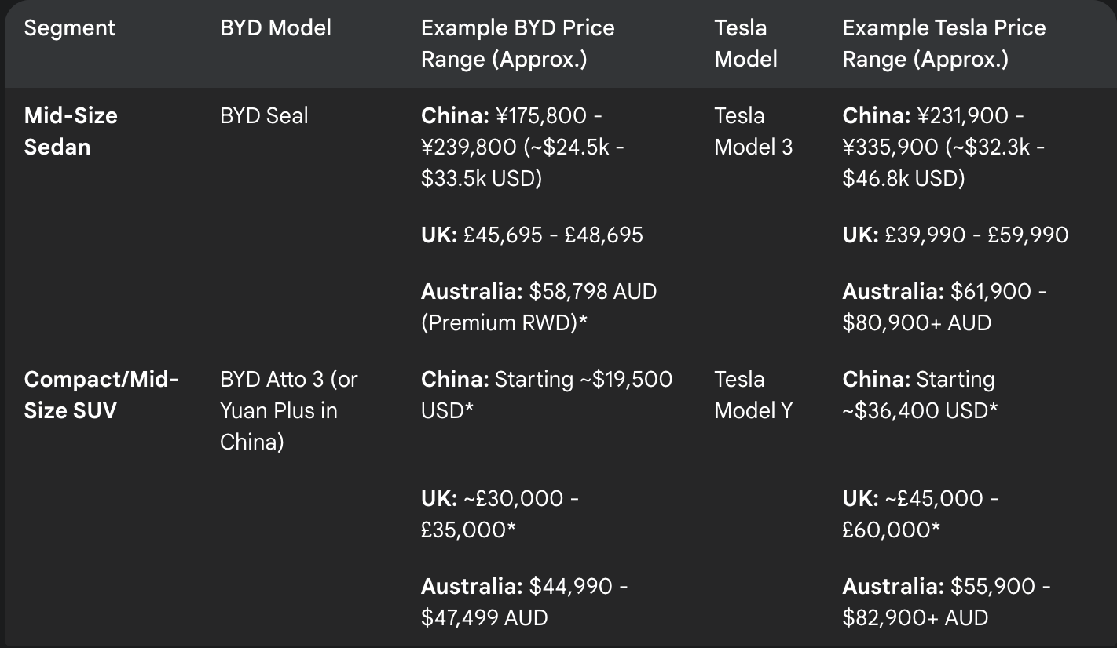

 |  |  |  |  |  |  |  |  |  |  | The line graph and pie charts illustrate a notable projected shift in Tesla's revenue composition. The line graph, covering late 2023 to early 2025, clearly depicts a decreasing share for the Automotive division (blue line) against a significantly increasing share for the Energy Generation & Storage & Servicing division (red line). Comparing the pie chart from Q1 2022 to the projected Q1 2025 pie chart further emphasizes this trend, showing a visibly larger slice representing the Energy & Servicing division's contribution in the later quarter. Both the line graph and the pie chart comparison point towards the growing relative importance of the energy and servicing business within Tesla's overall revenue stream according to these forecasts.

Q1 - 2025

