Sheet_1_Full_Data_data
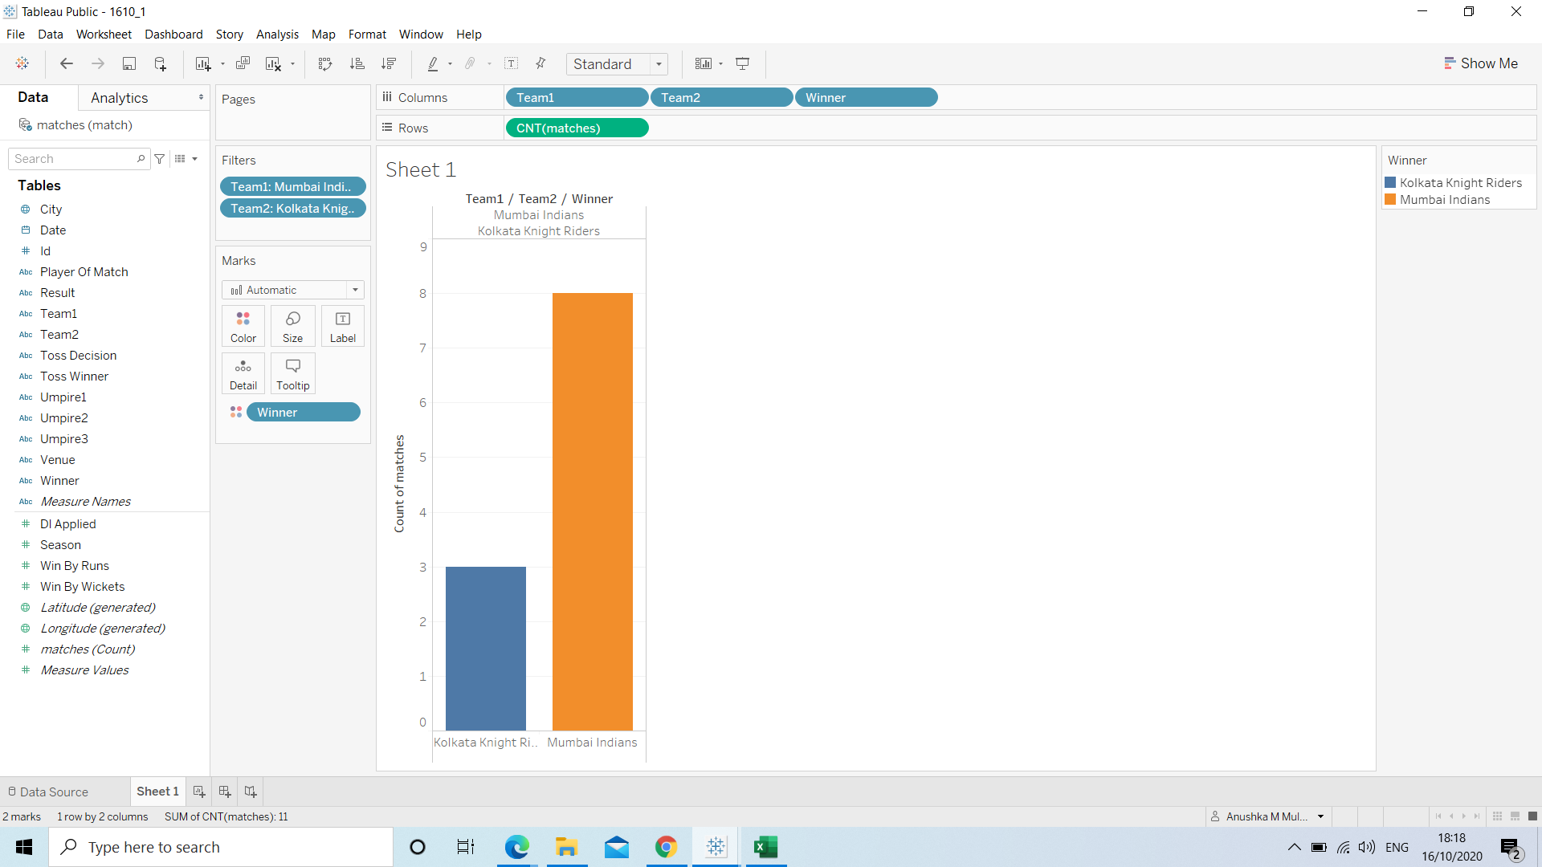
Team1 | Team2 | Winner |  |  | Winner |  | No of times
Mumbai Indians | Kolkata Knight Riders | Mumbai Indians |  |  | Mumbai Indians |  | 8
Mumbai Indians | Kolkata Knight Riders | Mumbai Indians |  |  | Kolkata Knight Riders |  | 3
Mumbai Indians | Kolkata Knight Riders | Mumbai Indians
Mumbai Indians | Kolkata Knight Riders | Kolkata Knight Riders
Mumbai Indians | Kolkata Knight Riders | Mumbai Indians
Mumbai Indians | Kolkata Knight Riders | Mumbai Indians
Mumbai Indians | Kolkata Knight Riders | Kolkata Knight Riders
Mumbai Indians | Kolkata Knight Riders | Kolkata Knight Riders
Mumbai Indians | Kolkata Knight Riders | Mumbai Indians
Mumbai Indians | Kolkata Knight Riders | Mumbai Indians
Mumbai Indians | Kolkata Knight Riders | Mumbai Indians

 |  |  |  | Here, Analysis does not contain rohit sharma score against KKR |  |  |  |  | so cant calculate how many 4s will rohit hit

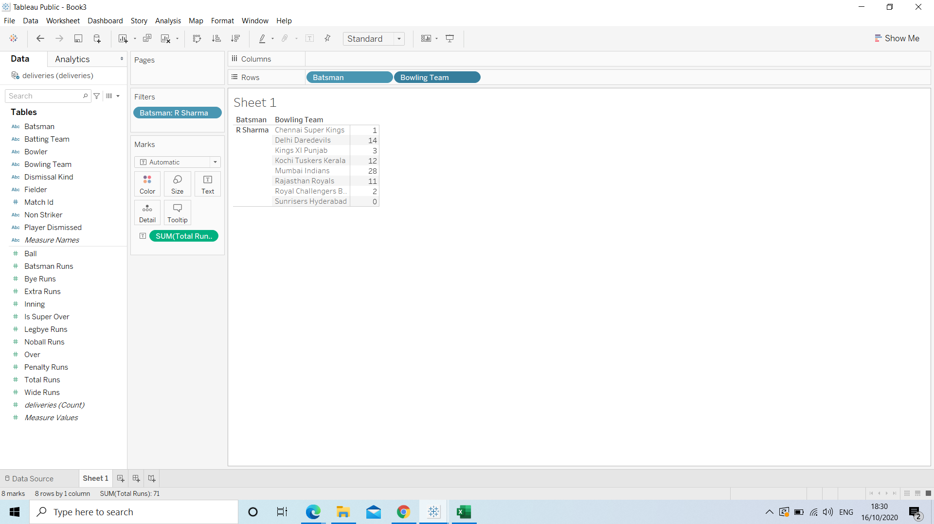

 | Batting Team | Bowling Team | Match Id | Total Runs |  |  |  | Batting Team | Bowling Team | Match Id | Total Runs
 | Kolkata Knight Riders | Mumbai Indians | 11347 | 143 |  |  |  | Mumbai Indians | Kolkata Knight Riders | 11347 | 137
 | Kolkata Knight Riders | Mumbai Indians | 11338 | 241 |  |  |  | Mumbai Indians | Kolkata Knight Riders | 11338 | 204
 | Kolkata Knight Riders | Mumbai Indians | 7934 | 109 |  |  |  | Mumbai Indians | Kolkata Knight Riders | 7934 | 217
 | Kolkata Knight Riders | Mumbai Indians | 7930 | 177 |  |  |  | Mumbai Indians | Kolkata Knight Riders | 7930 | 187
 | Kolkata Knight Riders | Mumbai Indians | 600 | 174 |  |  |  | Mumbai Indians | Kolkata Knight Riders | 600 | 178
 | Kolkata Knight Riders | Mumbai Indians | 581 | 187 |  |  |  | Mumbai Indians | Kolkata Knight Riders | 581 | 188
 | Kolkata Knight Riders | Mumbai Indians | 567 | 166 |  |  |  | Mumbai Indians | Kolkata Knight Riders | 567 | 171
 | Kolkata Knight Riders | Mumbai Indians | 518 | 170 |  |  |  | Mumbai Indians | Kolkata Knight Riders | 518 | 168
 | Kolkata Knight Riders | Mumbai Indians | 497 | 142 |  |  |  | Mumbai Indians | Kolkata Knight Riders | 497 | 141
 | Kolkata Knight Riders | Mumbai Indians | 458 | 163 |  |  |  | Mumbai Indians | Kolkata Knight Riders | 458 | 122
 | Kolkata Knight Riders | Mumbai Indians | 434 | 105 |  |  |  | Mumbai Indians | Kolkata Knight Riders | 434 | 170
 | Kolkata Knight Riders | Mumbai Indians | 413 | 159 |  |  |  | Mumbai Indians | Kolkata Knight Riders | 413 | 162
 | Kolkata Knight Riders | Mumbai Indians | 370 | 140 |  |  |  | Mumbai Indians | Kolkata Knight Riders | 370 | 108
 | Kolkata Knight Riders | Mumbai Indians | 363 | 155 |  |  |  | Mumbai Indians | Kolkata Knight Riders | 363 | 182
 | Kolkata Knight Riders | Mumbai Indians | 305 | 147 |  |  |  | Mumbai Indians | Kolkata Knight Riders | 305 | 148
 | Kolkata Knight Riders | Mumbai Indians | 303 | 175 |  |  |  | Mumbai Indians | Kolkata Knight Riders | 303 | 178
 | Kolkata Knight Riders | Mumbai Indians | 230 | 135 |  |  |  | Mumbai Indians | Kolkata Knight Riders | 230 | 133
 | Kolkata Knight Riders | Mumbai Indians | 191 | 155 |  |  |  | Mumbai Indians | Kolkata Knight Riders | 191 | 156
 | Kolkata Knight Riders | Mumbai Indians | 138 | 139 |  |  |  | Mumbai Indians | Kolkata Knight Riders | 138 | 148
 | Kolkata Knight Riders | Mumbai Indians | 132 | 95 |  |  |  | Mumbai Indians | Kolkata Knight Riders | 132 | 187
 | Kolkata Knight Riders | Mumbai Indians | 99 | 67 |  |  |  | Mumbai Indians | Kolkata Knight Riders | 99 | 68
 | Kolkata Knight Riders | Mumbai Indians | 75 | 137 |  |  |  | Mumbai Indians | Kolkata Knight Riders | 75 | 138
 | Kolkata Knight Riders | Mumbai Indians | 58 | 107 |  |  |  | Mumbai Indians | Kolkata Knight Riders | 58 | 111
 | Kolkata Knight Riders | Mumbai Indians | 53 | 164 |  |  |  | Mumbai Indians | Kolkata Knight Riders | 53 | 173
 | Kolkata Knight Riders | Mumbai Indians | 7 | 178 |  |  |  | Mumbai Indians | Kolkata Knight Riders | 7 | 180

 |  |  | KKR |  |  | MI |  | Total runs by both the teams
 |  |  | Total Runs |  |  | Total Runs
 |  |  | 143 |  |  | 137 |  |  | 280
 |  |  | 241 |  |  | 204 |  |  | 445
 |  |  | 109 |  |  | 217 |  |  | 326
 |  |  | 177 |  |  | 187 |  |  | 364
 |  |  | 174 |  |  | 178 |  |  | 352
 |  |  | 187 |  |  | 188 |  |  | 375
 |  |  | 166 |  |  | 171 |  |  | 337
 |  |  | 170 |  |  | 168 |  |  | 338 |  |  | Average of total runs is 307.4
 |  |  | 142 |  |  | 141 |  |  | 283
 |  |  | 163 |  |  | 122 |  |  | 285
 |  |  | 105 |  |  | 170 |  |  | 275 |  |  | 307.4
 |  |  | 159 |  |  | 162 |  |  | 321
 |  |  | 140 |  |  | 108 |  |  | 248
 |  |  | 155 |  |  | 182 |  |  | 337
 |  |  | 147 |  |  | 148 |  |  | 295
 |  |  | 175 |  |  | 178 |  |  | 353
 |  |  | 135 |  |  | 133 |  |  | 268
 |  |  | 155 |  |  | 156 |  |  | 311
 |  |  | 139 |  |  | 148 |  |  | 287
 |  |  | 95 |  |  | 187 |  |  | 282
 |  |  | 67 |  |  | 68 |  |  | 135
 |  |  | 137 |  |  | 138 |  |  | 275
 |  |  | 107 |  |  | 111 |  |  | 218
 |  |  | 164 |  |  | 173 |  |  | 337
 |  |  | 178 |  |  | 180 |  |  | 358

