Sheet1
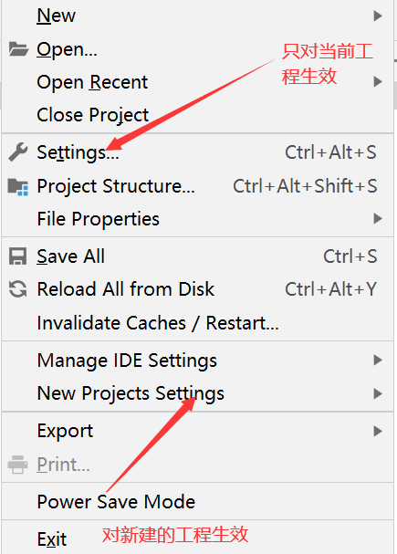

<profile>
<id>jdk1.8</id>
<activation>
<activeByDefault>true</activeByDefault>
<jdk>1.8</jdk>
</activation>
<properties>
<maven.compiler.source>1.8</maven.compiler.source>
<maven.compiler.target>1.8</maven.compiler.target>
<maven.compiler.compilerVersion>1.8</maven.compiler.compilerVersion>
</properties>
</profile>

