F02.CFG-Paths
do not print this form |  | VVSS, Info Romana, 2018-2019

F02. cautarea cartilor scrise de un anumit autor(sau parti din numele autorului), sa fie afisate toate datele despre carte

F02. Covered source code |  |  | F02. Control Flow Graph (CFG) | F02. Cyclomatic Complexity (CC)
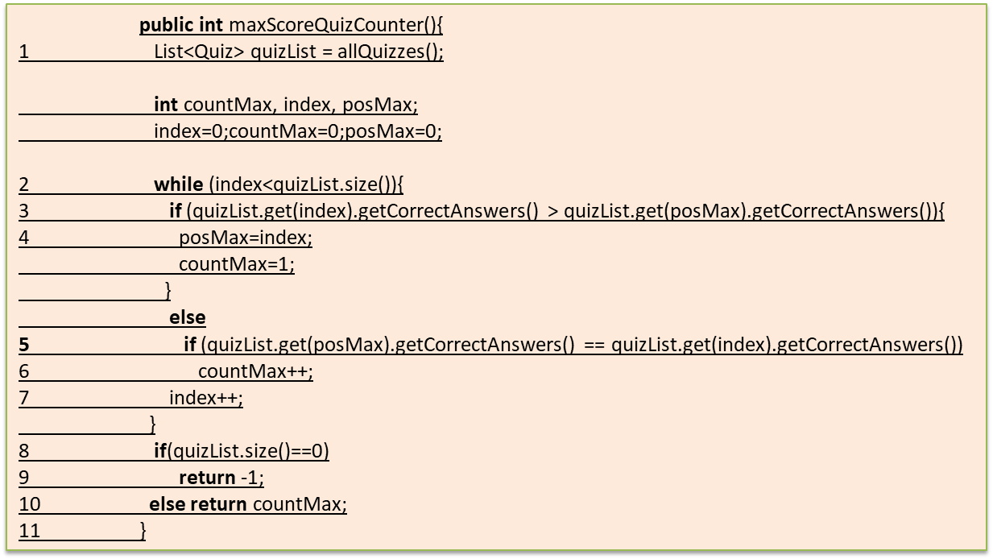
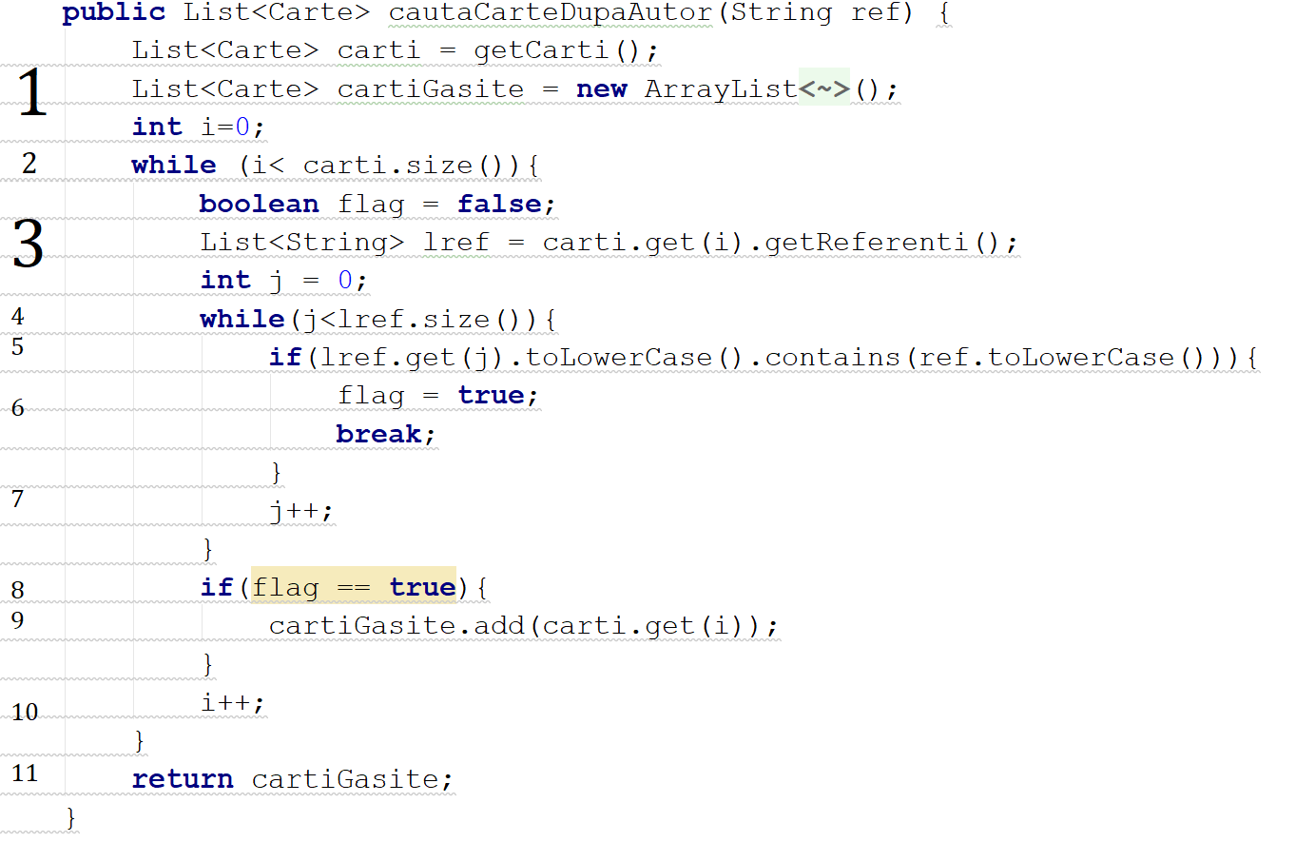
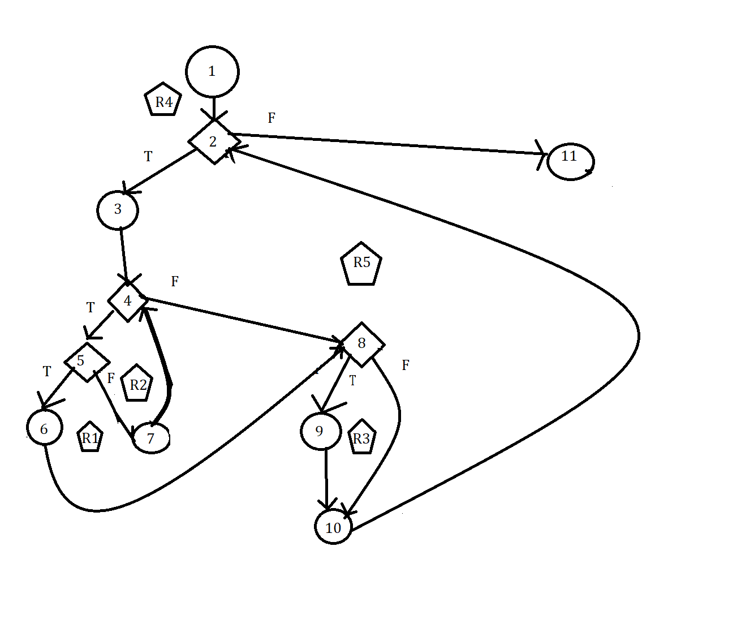
Line No. | Source code |  | please insert the CFG for this requirement | CC1 = No. of regions = |  | 5
Req02_L01 | … |  | It may be a screen capture, image, etc. | CC2 = Edges - Nodes + 2 = |  | 14-11+2=5
Req02_L02 | … |  | <Req02 CFG > | CC3 = No. of Conditions + 1 = |  | 4+1=5
Req02_L03 | …
... | …
.. | … |  |  | F02. Individual Paths
... | …
 |  |  |  | Path No. | Path
 |  |  |  | F02_P01 | 1 - 2(F) -11
 |  |  |  | F02_P02 | 1 - 2(T) - 3-4(T)-5(T)-6-8(T)-9-10-2(F)-11
 |  |  |  | F02_P03 | 1-2(T)-3-4(T)-5(F)-7-4(T)-5(T)-6-8(T)-9-10-2(F)-11
 |  |  |  | F02_P04 | 1-2(T)-3-4(F)-8(F)-10-2(F)-11
 |  |  |  | F02_P05 | 1-2(T)-3-4(T)-5(F)-7-4(F)-8(F)-10-2(F)-11

 |  |  |  | P02 inclus in P03

