vcu1525-128k-100mhz
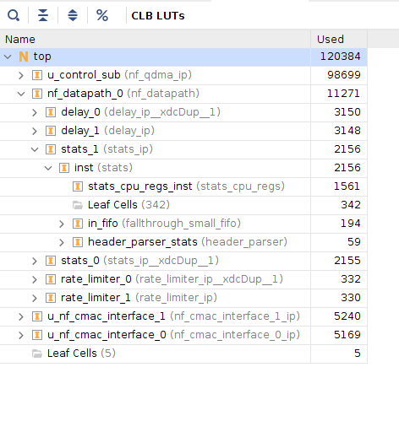
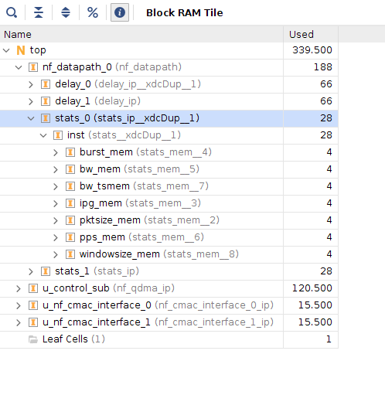
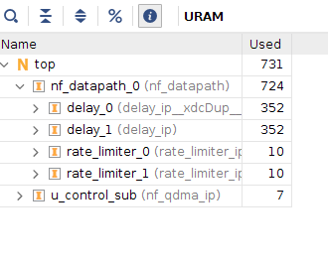
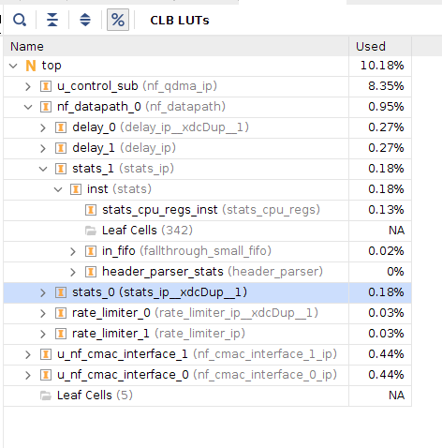
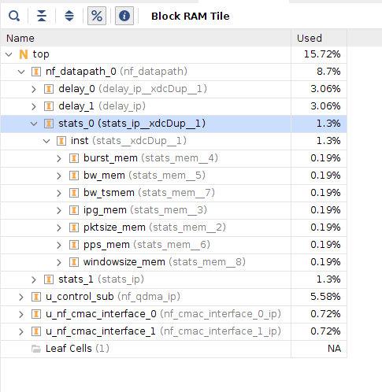
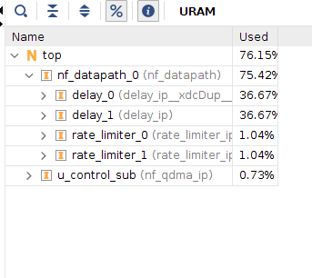
vcu1525 128K FIFO size with 100MHz |  | LUT | LUT (perc.) | BlockRAM (Mbit) | BlockRAM (perc.) | UtraRAM (Mbit) | UltraRAM (perc.)
 | Bump-in-the-wire Design | 120,384 | 10.18 | 11.935546875 | 15.72 | 205.59375 | 76.15
 | Delay module | 3150 | 0.27 | 2.3203125 | 3.06 | 99 | 36.67
 | rate module | 332 | 0.03 | 0 | 0 | 2.8125 | 1.04 | = 2^17 * 64 * 1/128/14705882
 | stat | 2156 | 0.18 | 0.984375 | 1.3 | 0 | 0 | 4.456448107 | ms
 | stat-mini block | 76.57142 | 0.006476 | 0.140625 | 0.18518 | 0 | 0

vcu1525-64k-200Mhz
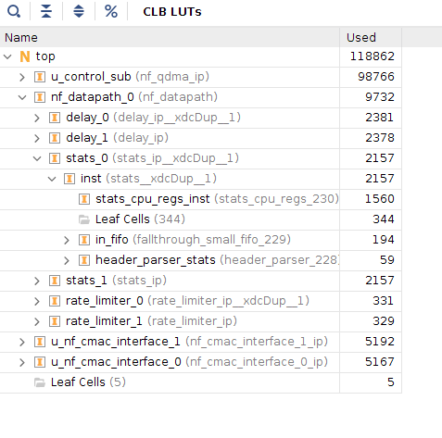
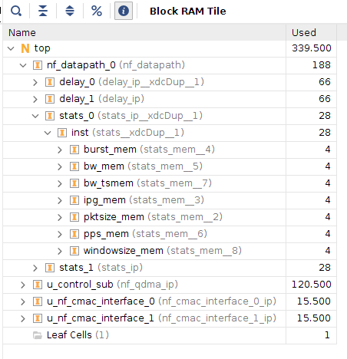
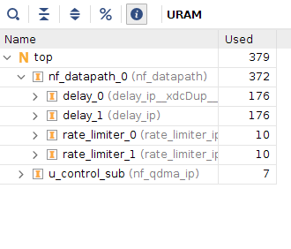
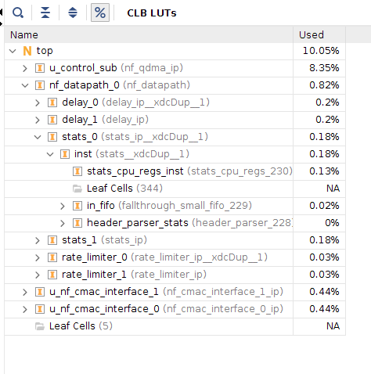
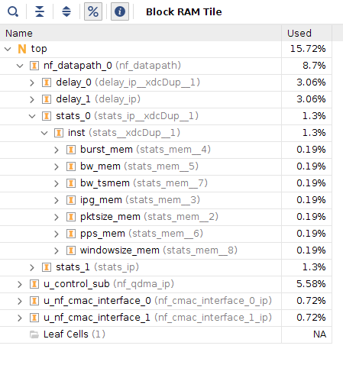
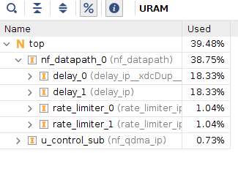
vcu1525 64K FIFO size with 200MHz |  | LUT | LUT (perc.) | BlockRAM (Mbit) | BlockRAM (perc.) | UtraRAM (Mbit) | UltraRAM (perc.)
 | Bump-in-the-wire Design | 118,862 | 10.05 | 11.935546875 | 15.72 | 106.59375 | 39.48
 | Delay module | 2381 | 0.2 | 2.3203125 | 3.06 | 49.5 | 18.33
 | rate module | 331 | 0.03 | 0 | 0 | 2.8125 | 1.04 | = 2^16 * 64 * 1/128/147058823
 | stat | 2157 | 0.18 | 0.984375 | 1.3 | 0 | 0 | 222.8224008
 | stat-mini block | 76.857 | 0.0065009 | 0.140625 | 0.18518 | 0 | 0

au280-128k-100mhz
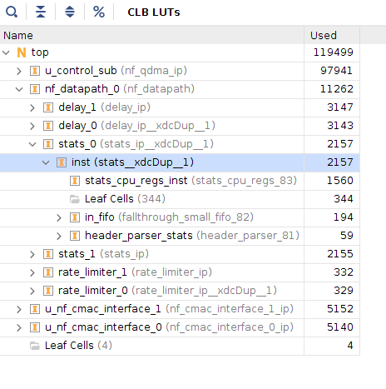
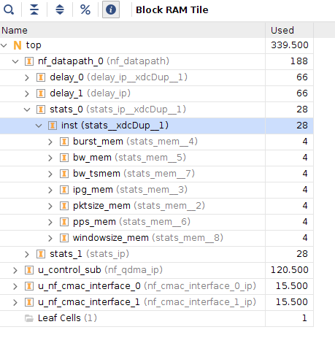
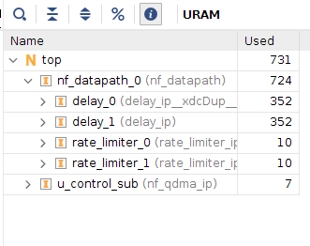
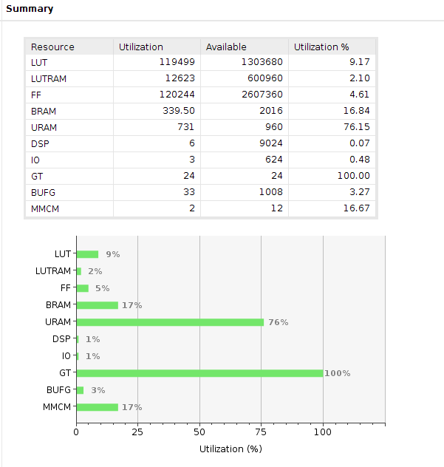
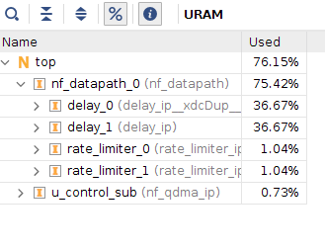
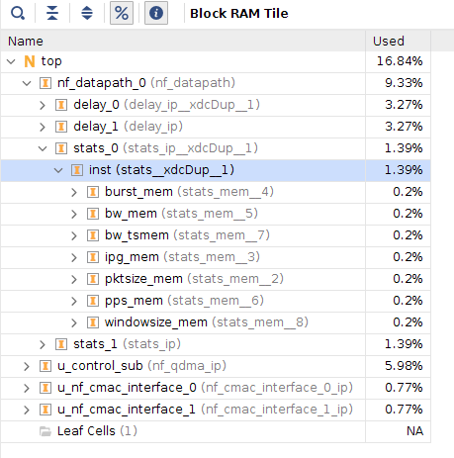
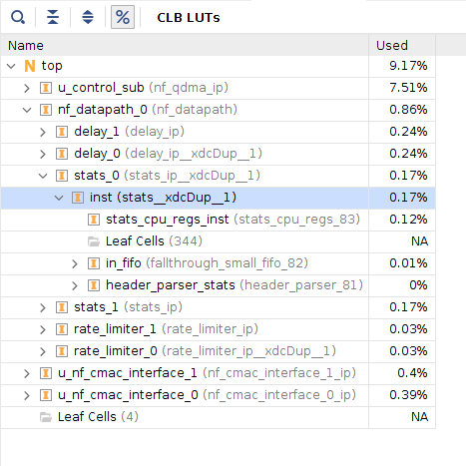
au280 128K FIFO size with 100MHz |  | LUT | LUT (perc.) | BlockRAM (Mbit) | BlockRAM (perc.) | UtraRAM (Mbit) | UltraRAM (perc.)
 | Bump-in-the-wire Design | 119,499 | 9.17 | 11.935546875 | 16.84 | 205.59375 | 76.15
 | Delay module | 3147 | 0.24 | 2.3203125 | 3.27 | 99 | 36.67
 | rate module | 332 | 0.03 | 0 | 0 | 2.8125 | 1.04
 | stat | 2157 | 0.17 | 0.984375 | 1.39 | 0 | 0
 | stat-mini block | 76.8571 | 0.00589 | 0.140625 | 0.2 | 0 | 0

au280-64k-200mhz
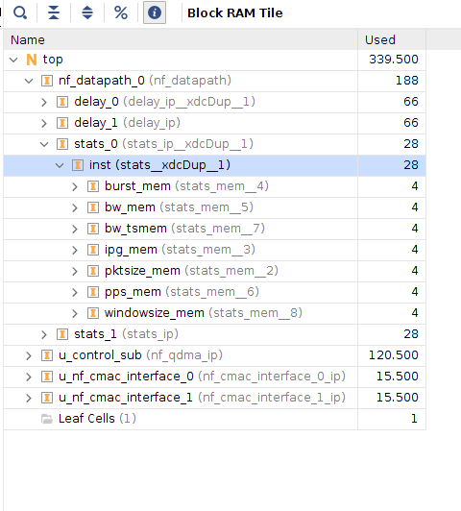
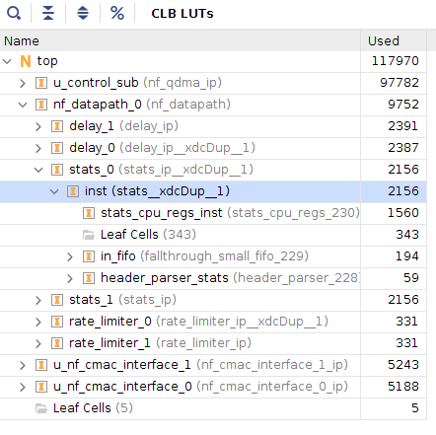
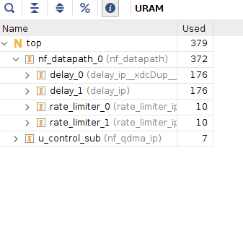
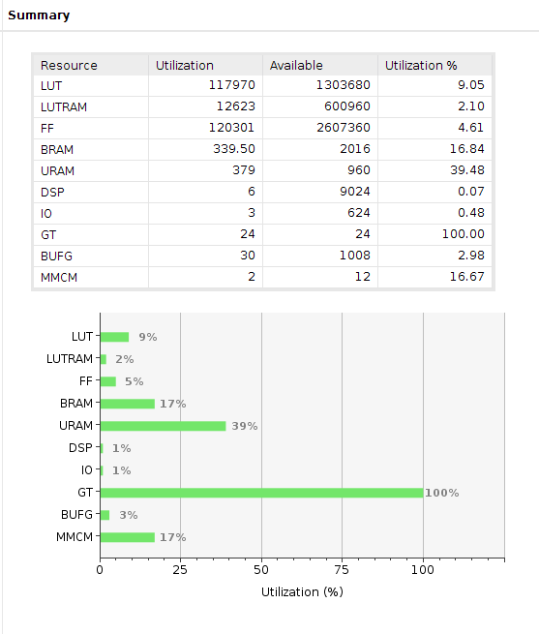
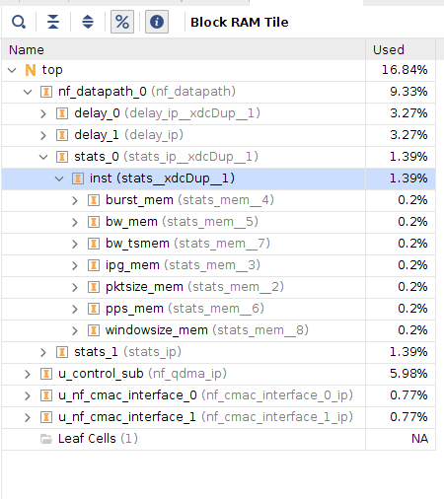
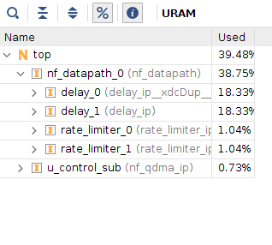
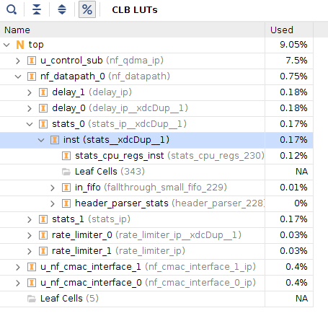
au280 64K FIFO size with 200MHz |  | LUT | LUT (perc.) | BlockRAM (Mbit) | BlockRAM (perc.) | UtraRAM (Mbit) | UltraRAM (perc.)
 | Bump-in-the-wire Design | 117,970.00 | 9.05 | 11.935546875 | 16.84 | 106.59375 | 39.48
 | Delay module | 2391 | 0.18 | 2.3203125 | 3.27 | 49.5 | 18.33
 | rate module | 331 | 0.03 | 0 | 0 | 2.8125 | 1.04
 | stat | 2156 | 0.17 | 0.984375 | 1.39 | 0 | 0
 | stat-mini block | 76.71428 | 0.0058844 | 0.140625 | 0.19841 | 0 | 0

