Sheet1
 | NRG for 100G

 | Platform | LUT | LUT(%) | BlockRAM | BlockRAM(bit) | BlockRAM(%) | UltraRAM | UltraRAM(bit) | UltraRAM(%)
 | Bump-in-the-wire | 132256 | 11.19 | 656 | 23.0625 Mb | 30.37 | 728 | 204.75 Mb | 75.83
 | Latency Module | 3168 | 0.27 | 66 | 2.320 Mb | 3.06 | 352 | 99.00 Mb | 36.67
 | Rate Module | 342/341 | 0.03 | 0 | 0 | 0 | 10 | 2.8125Mb | 1.04
 | Statistics Module | 2239/2238 | 0.19 | 35 | 1.230 Mb | 1.62 | 0 | 0 | 0
 | Statistics Mini-Block | 71.142 | <0.001 |  | 180Kb | 0.23148 | 0 | 0 | 0

 | Note 1) Statisctics Mini-Block is calcurated by (Statistics Module - register module - ethernet parser module)
 | Note 2) Support Maximum Buffering for VCU1525
 | = (Buffer Size 128k * 64B datapath) * (1/128/100G rate on 65B packet rate)
 | = 2^17*64 * 1/128/147,058,823
 | = 445.644us

NRG for SUME
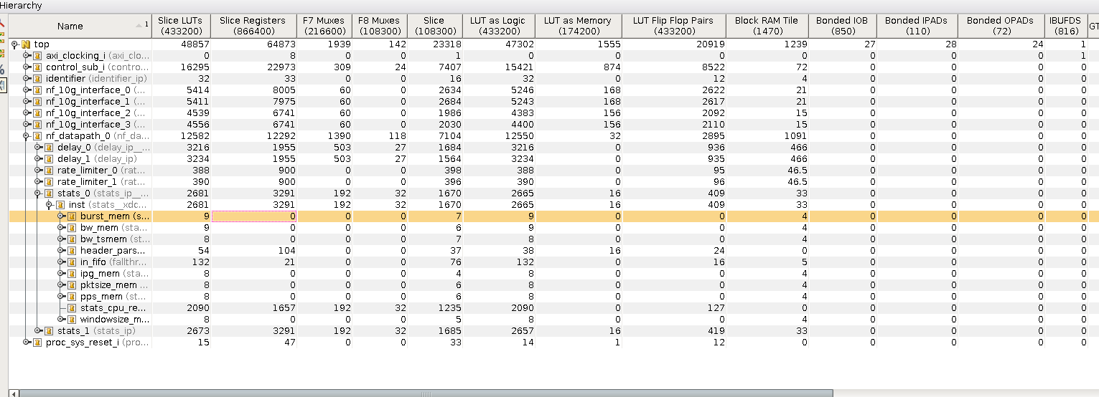

 | NRG for SUME
 | Platform | LUT | LUT(%) | BlockRAM | BlockRAM(bit) | BlockRAM(%)
 | Bump-in-the-wire | 48857 | 11.28 | 1239 | 43.558Mb | 84.29%
 | Latency Module | 3216/3234 | 0.74/0.75 | 466 | 16.382Mb | 31.70%
 | Rate Module | 388/390 | 0.09 | 46.5 | 1.634Mb | 3.16%
 | Statistics Module | 2681/2673 | 0.62 | 33 | 1.160Mb | 2.24%
 | Statistics Mini-Block | 76.714 | 0.177 | 4.714 | 0.165Mb | 0.32

