Important notice
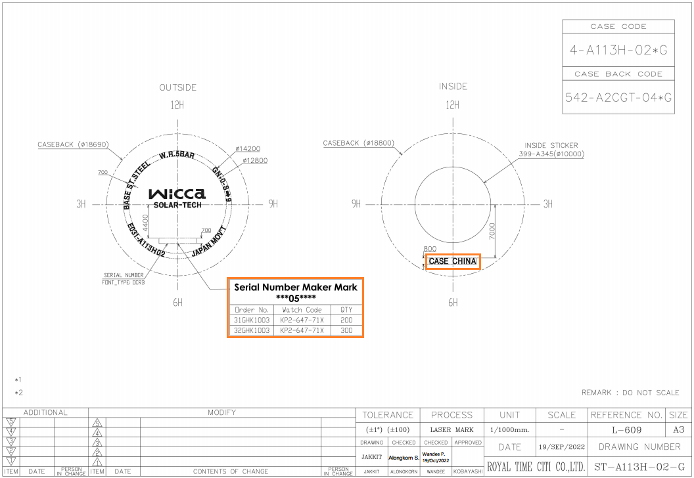
Important notice |  | Claim measure |  |  | Document No.
 |  | 4M Change |  |  | TE2022-003 |  |  |  | (4-A113H-02)
 |  | Others |  | ●
Issue department |  |  | Date |  | Approve | Check | PIC
TEC |  |  | 20-Oct-22 |  |  | Thitipong | Jakkit

Atten to | CA/WA/QA/PC

Topic | Revise Caseback inside stamping "CASE CHINA"

Detail
1. ANA model CB5877-67LN (4-A18SR-03)
- Caseback inside stamping from " CASE THAILAND" to "CASE CHINA"
- Serial number maker mark ***05****, NVW case number.
- Out side stamping "JAPAN MOVT CASED IN THAILAND" is no change.
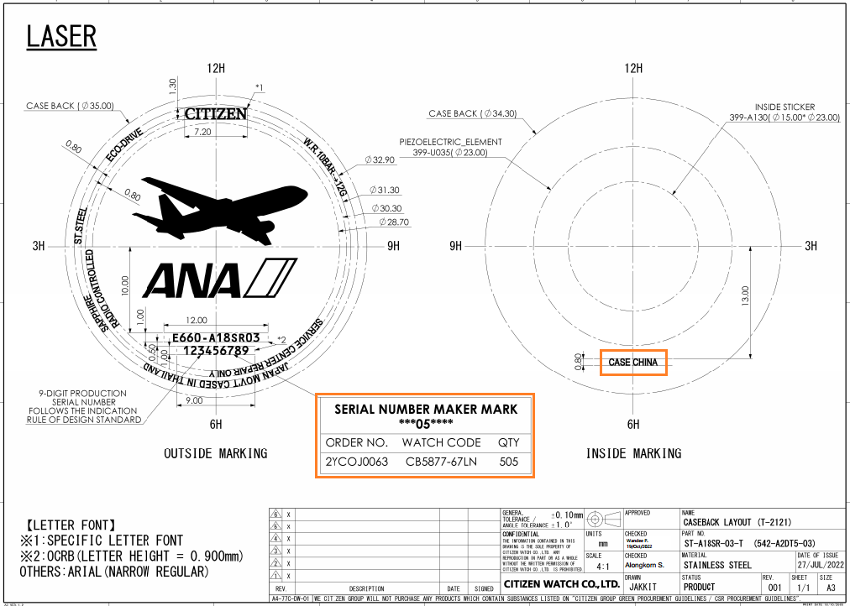

 |  |  |  |  |  |  |  |  |  |  |  |  | Technical | PIC
 |  |  |  |  |  |  |  | Temporary measure
 |  |  |  |  |  |  |  |  | None

 |  |  |  |  |  |  |  | Permanent measure |  |  |  |  | Technical | PIC
 |  |  |  |  |  |  |  | TE/TM | Revise stamp back drawing finished 24-Oct-2022 |  |  |  | Wandee | Jakkit
 |  |  |  |  |  |  |  | TE/TM | Update stamp back drawing to system plan 25-Oct-2022 |  |  |  | Wandee | Jakkit
 |  |  |  |  |  |  |  | Additional check process |  |  |  |  | CA/QA/WA | PIC
 |  |  |  |  |  |  |  | CA | Please confirm the case back lay out with TE. Master data
 |  |  |  |  |  |  |  | QA | Please confirm the case back lay out with TE. Master data
 |  |  |  |  |  |  |  | WA | Please confirm the case back lay out with TE. Master data

 |  |  |  |  |  |  |  | Additional reliability test item
 |  |  |  |  |  |  |  |  | None
2. Wicca for CTW model KP2-621-93X / KP2-647-71X / KP2-621-95X
- Caseback inside stamping from " CASE THAILAND" to "CASE CHINA" |  |  |  |  |  |  |  | Change period / when start : 202212 (Detail attach sheet)
- Serial number maker mark ***05****, NVW case number. |  |  |  |  |  |  |  | Target lot No.
 | (4-A113H-01) |  |  |  |  |  |  |  | PO number |  | Case no. | Order quan
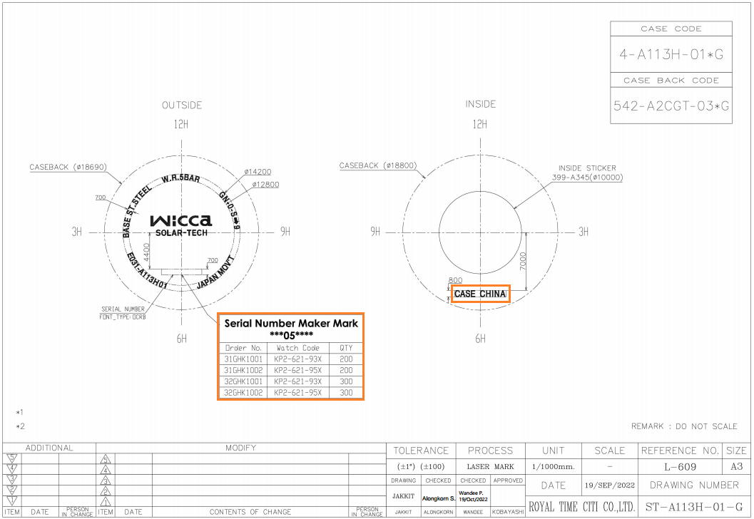
 |  |  |  |  |  |  |  |  | 2YCOJ0063 |  | 4-A18SR-03T | 505
 |  |  |  |  |  |  |  |  | 31GHK1001 |  | 4-A113H-01G | 200
 |  |  |  |  |  |  |  |  | 32GHK1001 |  | 4-A113H-01G | 300
 |  |  |  |  |  |  |  |  | 32GHK1002 |  | 4-A113H-01G | 300
 |  |  |  |  |  |  |  |  | 31GHK1002 |  | 4-A113H-01G | 200
 |  |  |  |  |  |  |  |  | 31GHK1003 |  | 4-A113H-02G | 200
 |  |  |  |  |  |  |  |  | 32GHK1003 |  | 4-A113H-02G | 300

 |  |  |  |  |  |  |  | Stock | Have | No stock
 |  |  |  |  |  |  |  | How to do the stock include OVS |  |  |  | >> No stock
 |  |  |  |  |  |  |  | How to do the AS order |  |  |  | >> No stock
 |  |  |  |  |  |  |  | Report and check related in charge department
 |  |  |  |  |  |  |  | Date
 |  |  |  |  |  |  |  | Name

Detail
