Sheet3
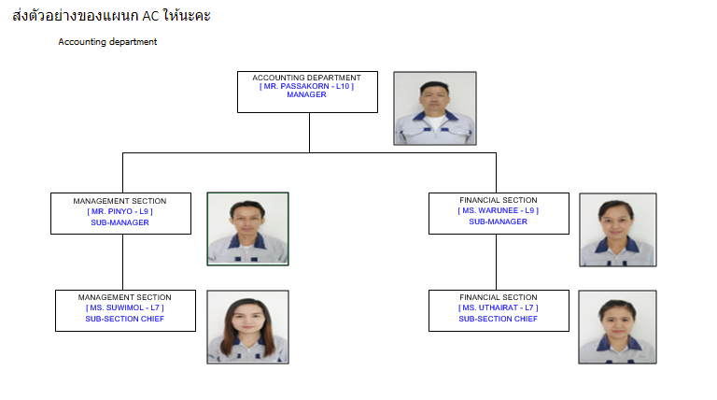
IT DEPARTMENT
[MR.SARUNYUT -L10]
MANAGER

ERP SECTION
[MR.AMNUAY -L8]
SECTION CHIEF
DEVELOPMENT SECTION
[MR.AMNUAY -L8]
SECTION CHIEF
Network Section
[.............................]
SECTION CHIEF

ERP SECTION
[MS.ARISARA -L7]
OFFICER

IT_ORGANIZATION-2022
 | Last Update | 2022-03-01 10:11:36

086-4130964
064-329-6246
ERP
MR.AMNUAY
CHIEF
MS.ARISARA
CONSULT

RTC
DEVELOPMENT
MR.AMNUAY
CHIEF
086-4130964
MS.YUTIDA
091-2583850

CHIEF
MR.CHAWALIT
084-357-9378
ONE THAILAND
089-1548560
NETWORK
MR.SARUNYUT
DEPT.MANAGER

MR.SARUNYUT
CHIEF
086-4130964
ERP

CWMT
DEVELOPMENT
MR.SARUNYUT
CHIEF
086-4130964

MR.SARUNYUT
CHIEF
086-4130964
MS.HATTAYA
099-2591861
ACTING SUB LT.SUPHANUT
083-0355124
NETWORK

 |  | ผู้อนุมัติ

 |  | นายศรัญยุทธ ถานกางสุ่ย

IT_ORGANIZATION-2021 (2)
 | Last Update | 2022-03-01 10:11:36

086-4130964
064-329-6246
ERP
MR.AMNUAY
CHIEF
MS.ARISARA
CONSULT

RTC
DEVELOPMENT
MR.AMNUAY
CHIEF
086-4130964
MR.PREECHA
086-1271922
MS.YUTIDA
091-2583850

MR.WINAI
CHIEF
089-1669696
MR.CHAWALIT
084-357-9378
ONE THAILAND
089-1548560
NETWORK
MR.SARUNYUT
DEPT.MANAGER

MR.SARUNYUT
CHIEF
086-4130964
ERP

CWMT
DEVELOPMENT
MR.SARUNYUT
CHIEF
086-4130964

MR.SARUNYUT
CHIEF
086-4130964
MS.HATTAYA
099-2591861
ACTING SUB LT.SUPHANUT
083-0355124
NETWORK

 |  | ผู้อนุมัติ

 |  | นายศรัญยุทธ ถานกางสุ่ย

IT_ORGANIZATION-2021
 |  | Last Update | 2022-03-01 10:11:36
MR.SARUNYUT
DEPT.MANAGER

 | 089-1548560

ERP
DEVELOPMENT
NETWORK

MR.AMNUAY
CHIEF
MR.AMNUAY
CHIEF
MR.WINAI
CHIEF
 |  |  |  | Tel.363
086-4130964 | 086-4130964 |  |  | 089-1669696
MS.ARISARA
CONSULT
MR.PREECHA
MR.CHAWALIT
Tel.223 |  |  |  | Tel.363
 | 086-1271922
MS.YUTIDA

 | 091-2583850

 |  | ผู้อนุมัติ

 |  | นายศรัญยุทธ ถานกางสุ่ย

IT_ORGANIZATION-2020
DEVELOPMENT
ERP
MR.SARUNYUT
DEPT.MANAGER
MR.AMNUAY
CHIEF
MS.ARISARA
CONSULT
MR.AMNUAY
CHIEF
MR.PREECHA
NETWORK
MR.WINAI
CHIEF
MR.CHAWALIT

 | 089-1548560

 |  | Tel.363
086-4130964 | 086-4130964 | 089-1669696

Tel.223 |  | Tel.363
 | 086-1271922

IT_ORGANIZATION-2019
MR.SARUNYUT
DEPT.MANAGER

ERP
DEVELOPMENT
NETWORK

MR.AMNUAY
SEC.CHIEF
MR.AMNUAY
SEC.CHIEF
MR.WINAI
SEC.CHIEF

MS.ARISARA
SAP CONSULT
MR.PREECHA
DEVELOPER
MR.CHAWALIT
IT SUPPORT

MS.NATTAWAN
DEVELOPER

MR.WUTTHICHAIN
DEVELOPER

IT_ORGANIZATION-2017
DEVELOPMENT
ERP
MR.SARUNYUT
SUB.DEPT.MANAGER
MR.AMNUAY
SEC.CHIEF
MS.ARISARA
CONSULT
MR.AMNUAY
CHIEF
MR.PREECHA
NETWORK
MR.WINAI
CHIEF
MR.CHAWALIT
MS.NATTAWAN

Sheet1
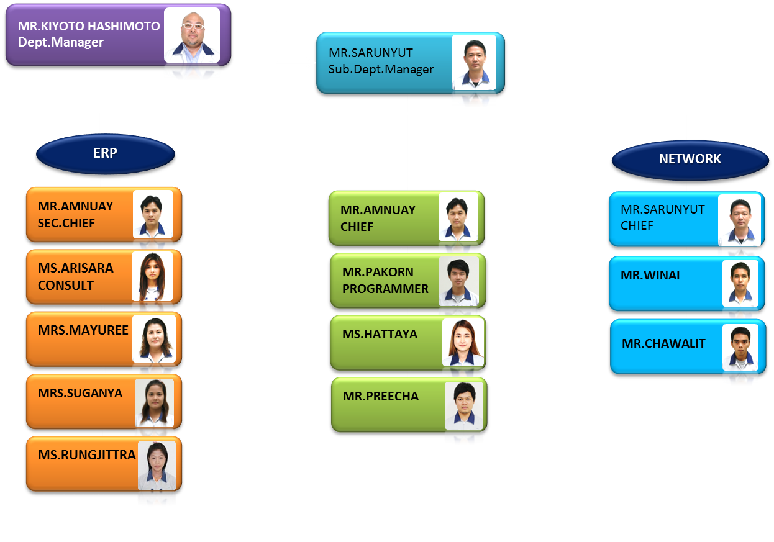
IT ORGANIZATION

IT_ORGANIZATION-2014
DEVELOPMENT
ERP
MR.SARUNYUT
Sub.Dept.Manager
MR.KIYOTO HASHIMOTO
Dept.Manager
MR.AMNUAY
SEC.CHIEF
MS.ARISARA
CONSULT
MRS.MAYUREE
MRS.SUGANYA
MS.RUNGJITTRA
MR.AMNUAY
SEC.CHIEF
MR.PAKORN
PROGRAMMER
MR.PREECHA
PROGRAMMER
NETWORK
MR.SARUNYUT
CHIEF
MR.WINAI
MR.CHAWALIT
PROGRAMMER
MS.HATTAYA
CONSULT
MS.NATAWAN
PROGRAMMER
MR.KAWIN
PROGRAMMER
MR.VIROJ

2015Jan
MR.KIYOTO HASHIMOTO
Dept.Manager

MR.SARUNYUT
Sub.Dept.Manager

ERP
NETWORK

MR.AMNUAY
SEC.CHIEF
MR.WINAI

SYSTEM SUPPORT
MR.VIROJ
DEVELOPMENT

MS.ARISARA
CONSULT
MR.PAKORN
PROGRAMMER

MS.HATTAYA
CONSULT
MR.PREECHA
PROGRAMMER

MRS.MAYUREE
MS.NATAWAN
PROGRAMMER

MRS.SUGANYA
MR.KAWIN
PROGRAMMER

MS.RUNGJITTRA
MR.CHAWALIT
PROGRAMMER

IT_ORGANIZATION-2016
DEVELOPMENT
ERP
MR.SARUNYUT
Sub.Dept.Manager
MR.YANAGI
Advisor
MR.AMNUAY
SEC.CHIEF
MS.ARISARA
OFFICER
MRS.SUGANYA
JUNIOR OFFICER
MS.RUNGJITTRA
JUNIOR OFFICER
MR.AMNUAY
SEC.CHIEF
MR.PAKORN
OFFICER
MR.PREECHA
OFFICER
NETWORK
MR.SARUNYUT
SEC.CHIEF
MR.WINAI
SUB
MR.CHAWALIT
OFFICER
MS.NATAWAN
OFFICER
MR.KAWIN
OFFICER
MR.VIROJ
OFFICER

Sheet4
F_ID_NO | F_NAME | F_LNAME | F_NAME_TH | F_LNAME_TH | F_SECT | F_POST | F_LV
1337 | MR.SARUNYUT | THANKANGSUI | ศรัญยุทธ | ถานกางสุ่ย | MANAGER | SUB MANAGER | 09
2136 | MR.WINAI | WIWASUK | วินัย | วิวาสุข | NETWORK | SUB SECTION CHIEF | 06
2453 | MRS.SUGANYA | WISADTHANAKONKI | สุกัญญา | วิเศษธนากรไกร | ERP | JUNIOR OFFICER | 02
2552 | MR.AMNUAY | BUTKAEW | อำนวย | บุตรแก้ว | DEVELOPMENT | SECTION CHIEF | 07
2574 | MR.PAKORN | WANDEERUENGPAISAN | ภากร | วันดีเรืองไพศาล | DEVELOPMENT | OFFICER | 05
2601 | MR.CHAWALIT | SUKSOMPOL | ชวลิต | สุขสมพล | NETWORK | OFFICER | 05
2626 | MS.ARISARA | PUANGPO | อริสรา | พ่วงโพธิ์ | ERP | OFFICER | 06
3208 | MS.RUNGJITTRA | TRISUTJARIT | รุ้งจิตตรา | ไตรสุจริต | ERP | JUNIOR OFFICER | 02
3623 | MR.PREECHA | JUNTARAJAMORN | ปรีชา | จันทรจามร | DEVELOPMENT | OFFICER | 04
3857 | MS.NATAWAN | THINSON | ณัฐวรรณ | ถิ่นสอน | DEVELOPMENT | OFFICER | 03
3863 | MR.KAWIN | SAJJANADAMRONG | กวิน | สัจจนดำรงค์ | DEVELOPMENT | OFFICER | 03
3865 | MR.VIROJ | KAEWPAN | วิโรจน์ | แก้วปาน | NETWORK | OFFICER | 05

MR.PREECHA

DEVELOPMENT
MR.AMNUAY
SEC.CHIEF
MS.NATAWAN

MR.WUTTICHAI

