Sheet1
เพิ่มชื่อเรื่อง : Document flow →

 | Subject : | Quality assurance method
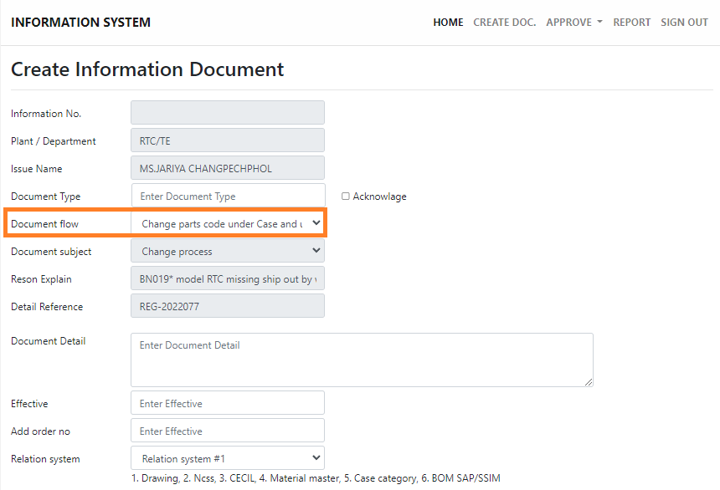

เพิ่มรายชื่อ →
 | Name list
 |  | TE
 |  | CA
 |  | QA
 |  | WA
 |  | AC
 |  | PC

 | Section | E-Mail | Name | ID
 | TE
 |  | pakamasko@citizen.co.jp | Ms.Pakamas | 2575
 |  | thitipong@citizen.co.jp | Mr.Thitipong | 2336

 | CA | treeratd@citizen.co.jp | Mr.Treerat | 5118
 |  | samroengs@citizen.co.jp | Mr.samroeng | 4200
 |  | chaiwatv@citizen.co.jp | Mr.Chaiwat | 3049
 |  | channaronga@citizen.co.jp | Mr.Channarong | 5129
 |  | haruthais@citizen.co.jp | Ms. Haruthai | 3410
 |  | kesorn@citizen.co.jp | Ms. Kesorn | 1798
 |  | paiboons@citizen.co.jp | Mr.Paiboon | 5120
 |  | panus@citizen.co.jp | Mr.Panus | 0626
 |  | prapait@citizen.co.jp | Ms.Prapai | 0224
 |  | sakawdueans@citizen.co.jp | Ms. Sakawduean | 4664
 |  | sittikonm@citizen.co.jp | Mr.Sitthikorn | 3457
 |  | thavornt@citizen.co.jp | Mr.Tavorn | 2274
 |  | waruthj@citizen.co.jp | Mr.Waruth | 3793

 | QA
 |  | trairatl@citizen.co.jp | Mr.Trairat | 2962
 |  | kanchana@citizen.co.jp | Ms.Kanchana | 0373
 |  | kosony@citizen.co.jp | Mr.Koson | 3534
 |  | narissarak@citizen.co.jp | Ms.Narissara | 5125

 | WA
 |  | anchalee@citizen.co.jp | Ms.Anchalee | 1202
 |  | laddan@citizen.co.jp | Ms.Ladda | 0365
 |  | suchatp@citizen.co.jp | Mr.Suchat | 5177
 |  | suttasineet@citizen.co.jp | Ms.Suttasinee | 4224

 | AC | pinyos@citizen.co.jp | Mr.Pinyo | 2645
 |  | suwimolk@citizen.co.jp | Ms.Suwimol | 3064

 | PC
 |  | aomjait@citizen.co.jp | Ms. Aomjai | 3022
 |  | chadathornc@citizen.co.jp | Ms. Chadathorn | 4889
 |  | faridaj@citizen.co.jp | Ms. Farida | 3960
 |  | kanjanan@citizen.co.jp | Ms. Kanjana | 4472
 |  | palika@citizen.co.jp | Ms. Palika | 0695
 |  | pornphann@citizen.co.jp | Ms. Pornphan | 3045
 |  | rapin@citizen.co.jp | Mrs. Rapin | 1158
 |  | rungjittrat@citizen.co.jp | Ms. Rungjittra | 3208
 |  | sirinyap@citizen.co.jp | Ms. Sirinya | 4984
 |  | supanidap@citizen.co.jp | Ms. Supanida | 3095
 |  | yintharatb@citizen.co.jp | Ms. Yintharat | 4283

