Sheet1
Information
Technical management Section
Issue by : | Ms. Wiparat
Check by : | Mrs. Wandee
Date : | 26-Oct-22

Detail | Revise drawing stamp back inside stamping "CASE CHINA"
 | - ST-A18SR-03-T
 | - ST-A113H-01-G
 | - ST-A113H-02-G

 | Effect Production :-

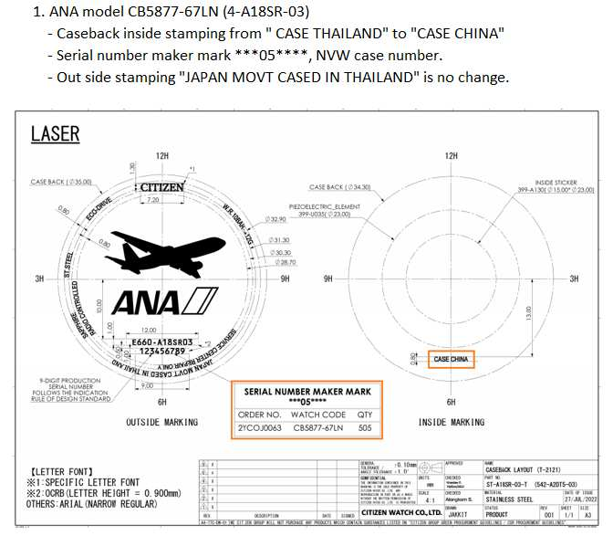
ST-A18SR-03-T

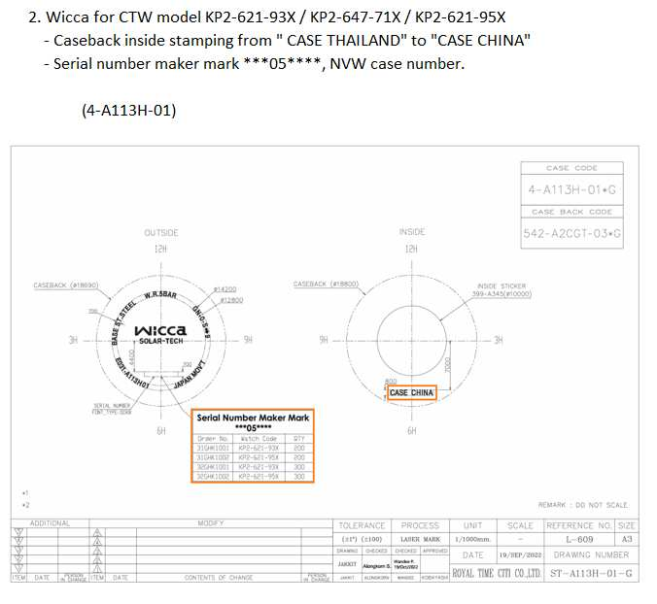
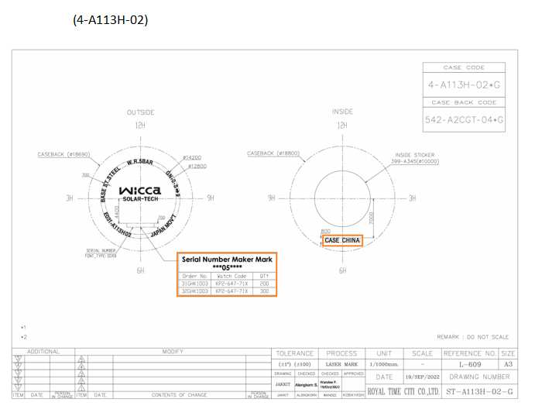
ST-A113H-01-G
ST-A113H-02-G

Data
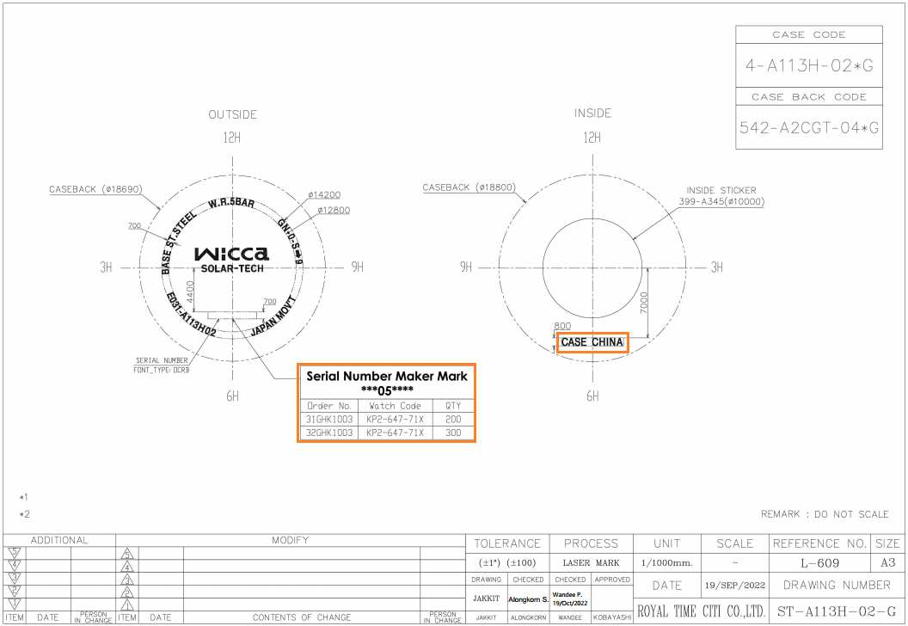
Revise Caseback inside stamping "CASE CHINA"

 |  | ST-A18SR-03-T
 |  | ST-A113H-01-G
 |  | ST-A113H-02-G

Detail
1. ANA model CB5877-67LN (4-A18SR-03)
- Caseback inside stamping from " CASE THAILAND" to "CASE CHINA"
- Serial number maker mark ***05****, NVW case number.
- Out side stamping "JAPAN MOVT CASED IN THAILAND" is no change.

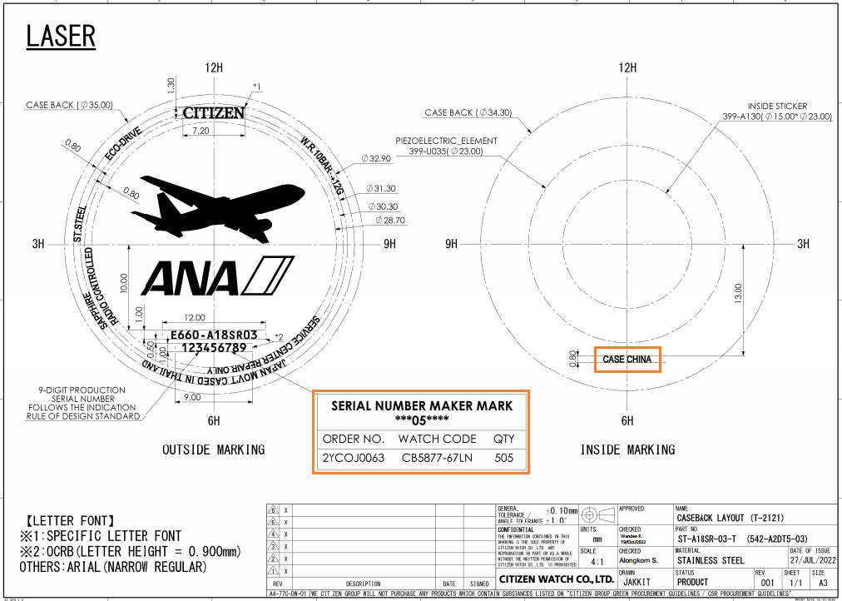

2. Wicca for CTW model KP2-621-93X / KP2-647-71X / KP2-621-95X
- Caseback inside stamping from " CASE THAILAND" to "CASE CHINA"
- Serial number maker mark ***05****, NVW case number.

 | (4-A113H-01)

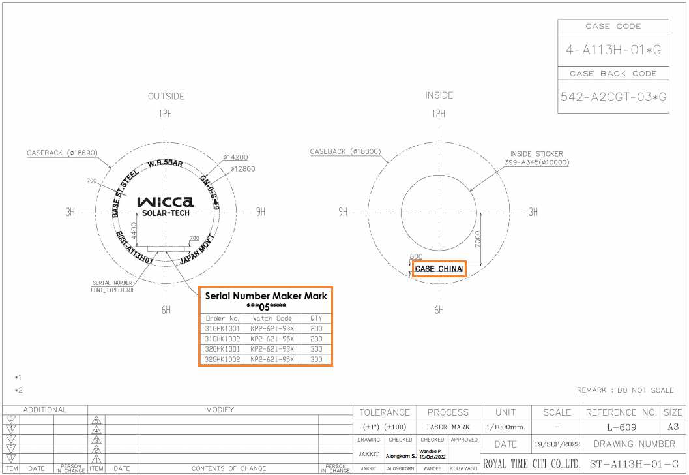

 | (4-A113H-02)

Detail
