page1
REQUIREMENT AND INFORMATION DOCUMENT

 |  | Objective : | - The preliminary data. BOM master operator to change and save The changes causes |  |  |  |  |  |  |  |  | No. : |  | DE-REQ-200XX
 |  |  | - This document will be issued by concerned section. |  |  |  |  |  |  |  |  | Issue Date : |  | 10-Nov-21
SUBJECT : |  |  | Adjust packing style model BM655* |  |  |  |  | INFORMATION BY : |  |  |  | APPROVED :
เพิ่มเอกสารหรือระบบข้อมูลอะไรที่เปลี่ยนแปลง
 |  |  |  |  |  |  |  | Suchera M. |  |  |  | Thitipong W.
DOCUMENT or |  |  |  | Drawing |  | BOM Master | PO |  |  | Method (WI)
DATA OF CHANGE |  |  |  | PDM |  | SAP | Production Plan |  |  | Other
PARTS CODE : |  |  |  |  |  |  |  | WATCH CODE :
 | Change from HM-B03 to SP-PU22L |  |  |  |  |  |  |  | BM6550-58EZ |  | BM6552-52ES |  | BM6555-54EW
 |  |  |  |  |  |  |  |  | BM6552-52EZ |  | BM6555-54ES |  | BM6550-58EW
 |  |  |  |  |  |  |  |  | BM6555-54EZ |  | BM6552-52E |  | BM6552-52EW
 |  |  |  |  |  |  |  |  | BM6550-58ES |  | BM6550-58E |  | BM6555-54E
CLASSIFICATION FOR CHANGING : |  |  |  |  |  |  |  | START REQUIRE PRODUCTION MONTH : 202111P
 | Change Order |  |  |  | Save Cost |  | Change Process |  |  |  | Standardization |  |  |  | Common
 | Mistake Order |  |  |  | Change Specification |  | Reduct for Stock |  |  |  | Qualitty Upgrade |  |  |  | Mistake Write
 | For Defective |  |  |  | For Improved |  | Marcket Request |  |  |  | Other
เพิ่มรายการ
กำหนดจะต้อง อธิบายโดยย่อ สื่อให้เข้าใจถึงสาเหตุ
สำเนาไปที่ TE information
DESCRIPTION
 | <Reason Explain>
 | Improve the packing the better.

 | We would like to adjust packing style of model BM655* as detail below.
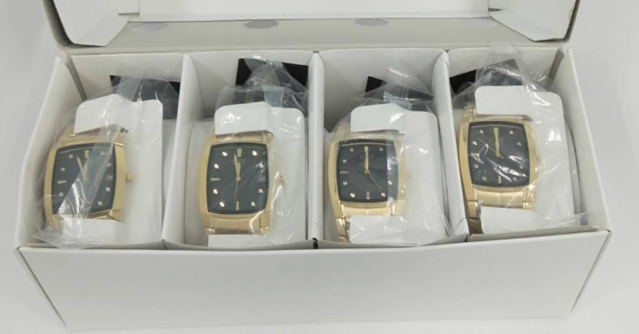
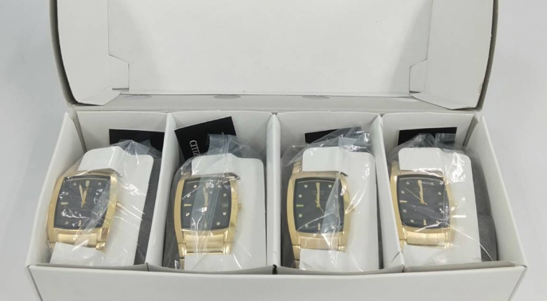

Before
HM-B03: used 1 pcs./model
After
SP-PU22L : used 1 pcs./model

Effect order

 | TECH new model will add sponge for mass production see detail below.
 |  | 1.Sponge SP-PU22L : 1 pcs./model Q'ty (1545) pcs. + spare 0 % = 1545 pcs.

 | Remark : | - Please report the cause and the result was later changed. For complete details
 |  | - Change maker of parts must have price before and after change
 |  |  |  |  |  |  |  |  |  |  |  |  |  |  |  | FR-TE-00-016-Rev.00

