Sheet1
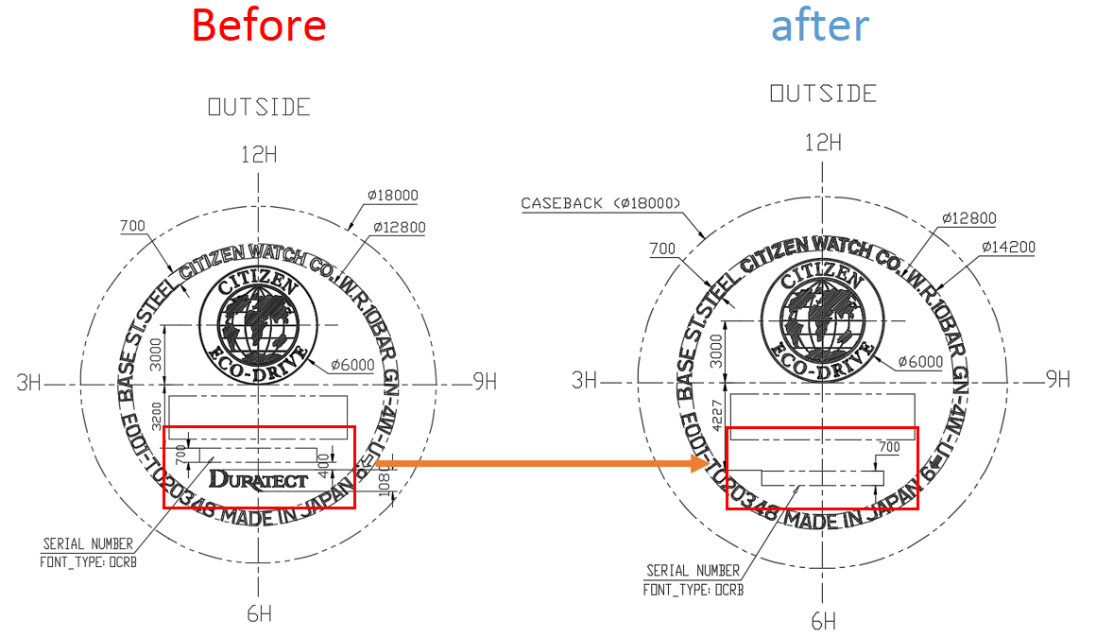
Information
Technical management Section
Issue by : | Ms. Wiparat
Check by : | Mrs. Wandee
Date : | 11-Jan-22

Detail | Revise stamp back no.
 | - ST-T020348-H

Data
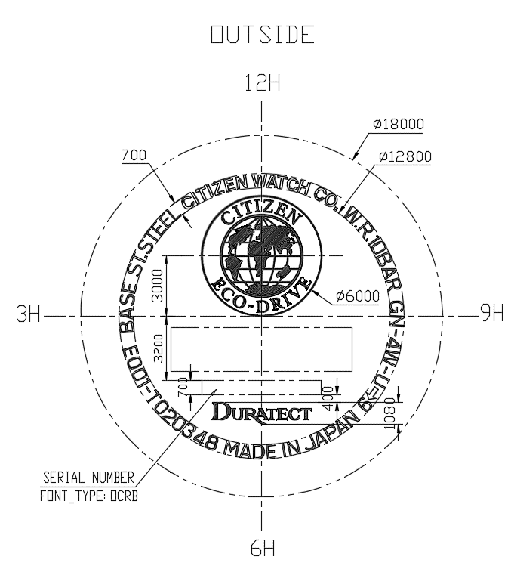
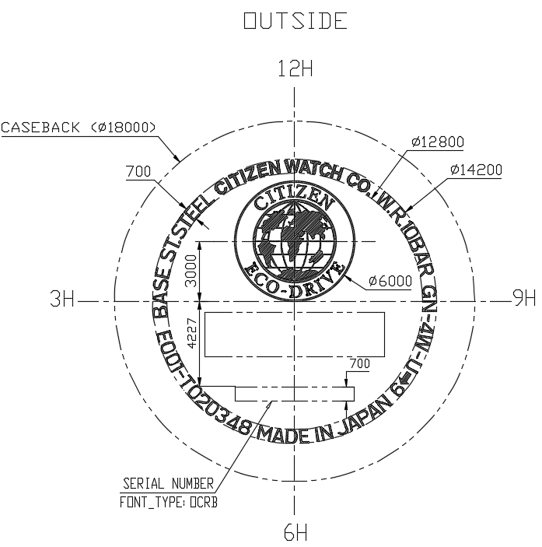
Revise drawing stamp back. 4-T020348FH

 | Before | after

Drawing
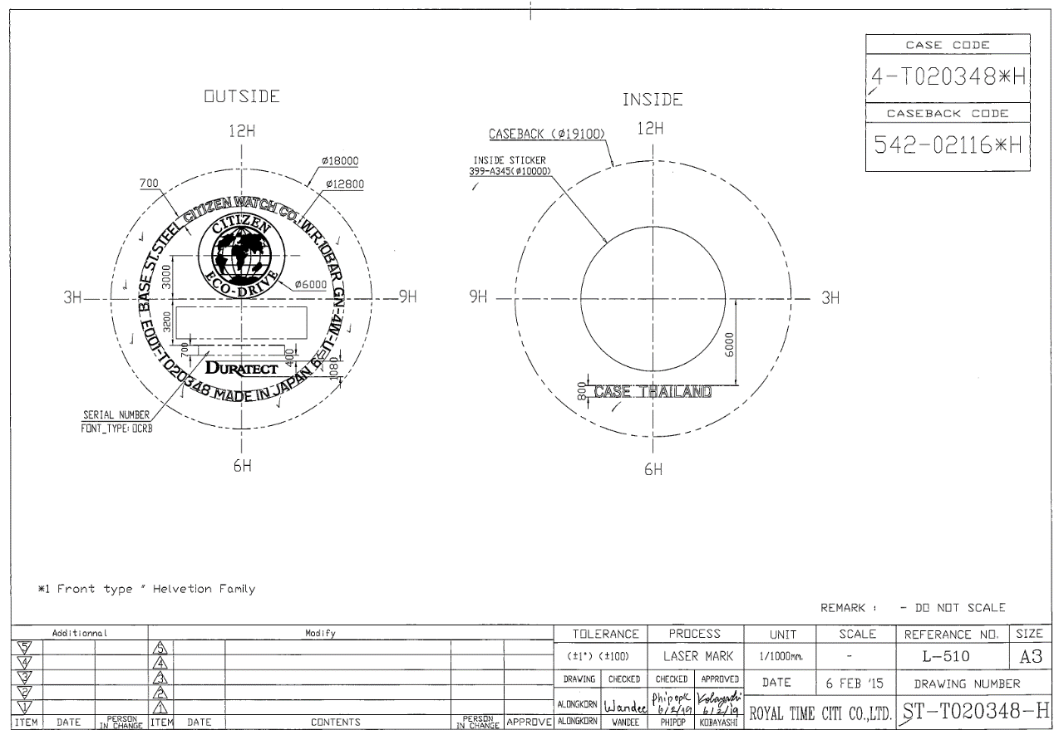

Before

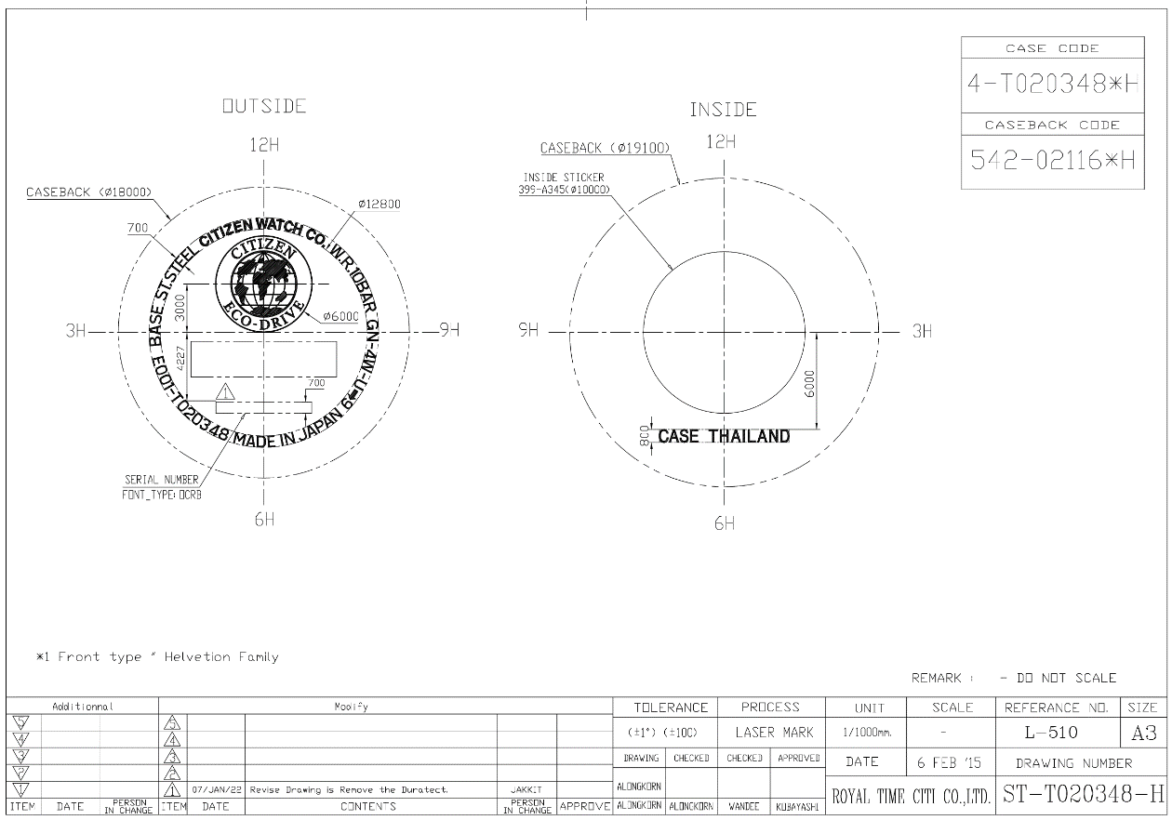

after

