Detail
Information
Technical management Section
Issue by : | Ms. Wiparat
Check by : | Mrs. Wandee
Date : | 30-Jun-21

Detail | Please update drawing of case
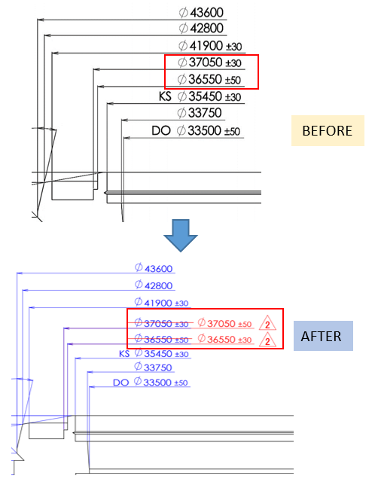

 | Effect Production :-

Sheet1
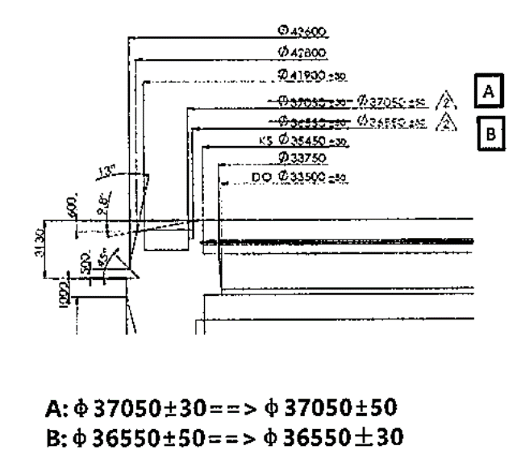
Topic: | Update drawing case code 83GB-Z002

Reason : | PDC request Update drawing

Effect : | We need to update drawing in RTC system.

Watch Code |  | Please change code of part as below :-

4-S109701
4-S109710
4-S109728
4-S111684
4-S111200
4-R012525
4-S122767
4-S122775
4-R012533

 |  | Please update drawing as below :-

 |  | 541-03419
 |  | 541-03420
 |  | 541-04287

Before & After
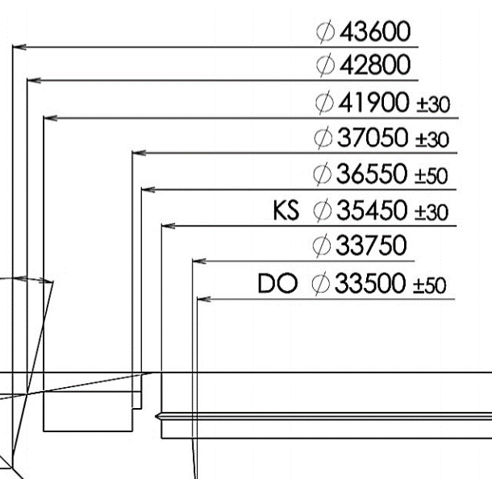
 | • Drawing
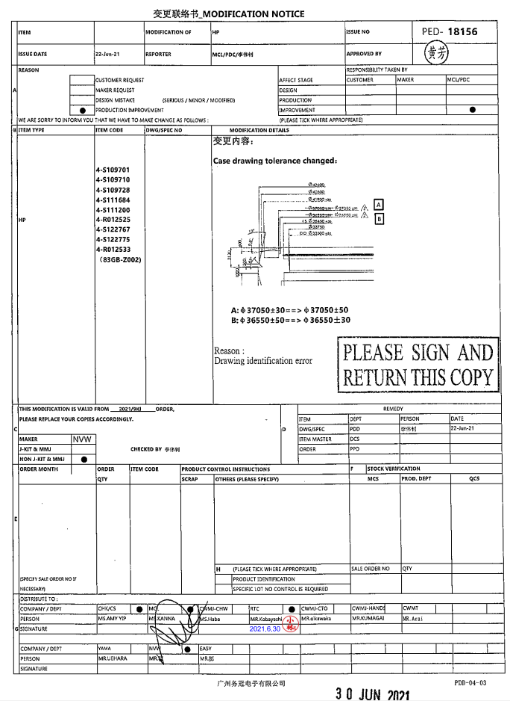

BEFORE

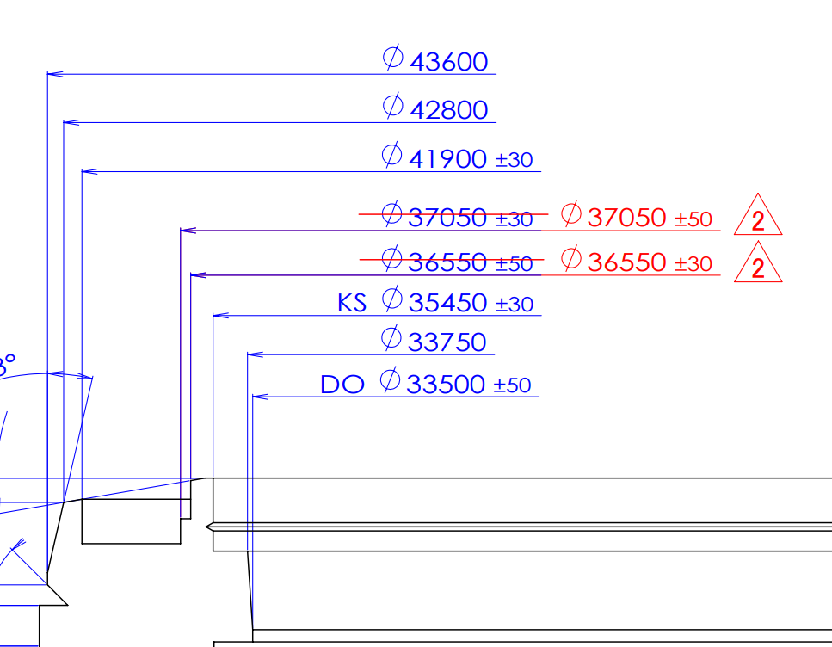

AFTER

Data & Reference
