page1 (Rev.1)
REQUIREMENT AND INFORMATION DOCUMENT

 |  | Objective : | - The preliminary data. BOM master operator to change and save The changes causes |  |  |  |  |  |  |  |  |  | No. :
 |  |  | - This document will be issued by concerned section. |  |  |  |  |  |  |  |  |  | Issue Date :
SUBJECT : |  |  | Add Routing Process -25( Polishing before TNS Cutting) |  |  |  |  | INFORMATION BY : |  |  |  |  | APPROVED :
เพิ่มเอกสารหรือระบบข้อมูลอะไรที่เปลี่ยนแปลง
 |  |  |  |  |  |  |  |  | Haruthai(4/June/2021) |  |  |  | Mr.Akiyama: Mr.Channarong: Mr.Panus: Mr.Thavorn:
DOCUMENT or |  |  |  | Drawing |  | BOM Master | PO |  |  | Method (WI)
DATA OF CHANGE |  |  |  | PDM |  | SAP | Production Plan |  |  | Other |  | Start Order 11KI2021
PARTS CODE : |  |  |  |  |  |  |  | WATCH CODE :
 | 541-00091-30,541-00203-30,541-00914-30,541-02563-30,541-00609-30
 | 541-03968-30,543-00993-30,543-00166-30,543-00126-30,543-00177-30,543-00178-30

CLASSIFICATION FOR CHANGING : |  |  |  |  |  |  |  | START REQUIRE PRODUCTION MONTH :
 | Change Order |  |  |  | Save Cost |  | Change Process |  |  |  | Standardization |  |  | Common
 | Mistake Order |  |  |  | Change Specification |  | Reduct for Stock |  |  |  | Qualitty Upgrade |  |  | Mistake Write
เพิ่มรายการ
กำหนดจะต้อง อธิบายโดยย่อ สื่อให้เข้าใจถึงสาเหตุ
สำเนาไปที่ TE information
 | For Defective |  |  |  | For Improved |  | Market Request |  |  |  | Other | Add Routing Process
DESCRIPTION
 | <Reason Explain>
 |  | Flow Polishing before TNS Cutting (Blank(-20))=>POS (polished groove)(-25)=>TNS (Rough to Final)(-30)=>POS (Finish POS)(-40)

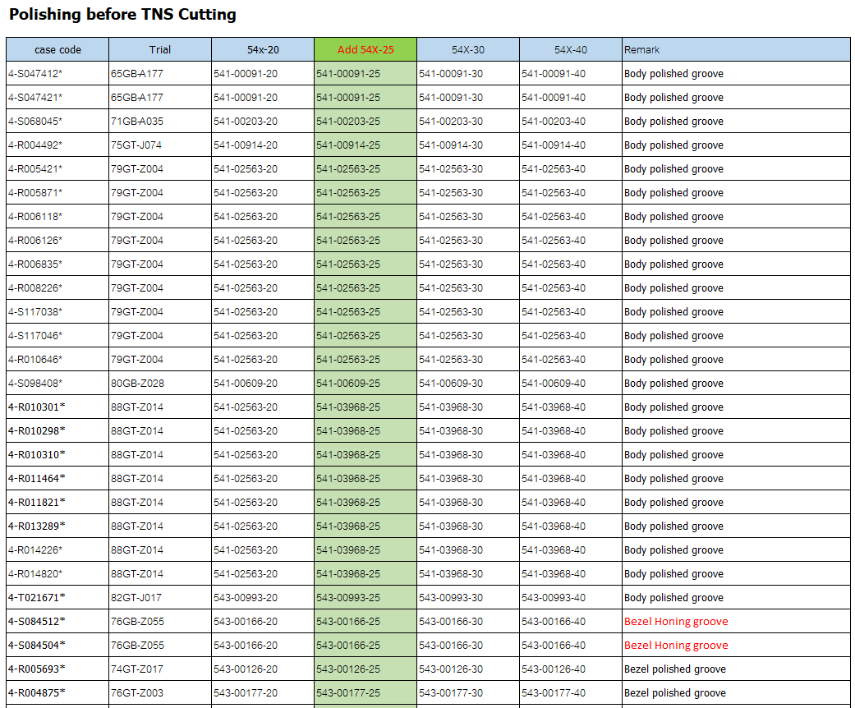

 | Remark : | - Please report the cause and the result was later changed. For complete details
 |  | - Change maker of parts must have price before and after change
 |  |  |  |  |  |  |  |  |  |  |  |  |  |  | FR-TE-00-016-Rev.00

page1
REQUIREMENT AND INFORMATION DOCUMENT

 |  | Objective : | - The preliminary data. BOM master operator to change and save The changes causes |  |  |  |  |  |  |  |  |  | No. :
 |  |  | - This document will be issued by concerned section. |  |  |  |  |  |  |  |  |  | Issue Date :
SUBJECT : |  |  | Add Routing Process -25( Polishing before TNS Cutting) |  |  |  |  | INFORMATION BY : |  |  |  |  | APPROVED :
เพิ่มเอกสารหรือระบบข้อมูลอะไรที่เปลี่ยนแปลง
 |  |  |  |  |  |  |  |  | Haruthai(4/June/2021) |  |  |  | Mr.Akiyama: Mr.Channarong: Mr.Panus: Mr.Thavorn:
DOCUMENT or |  |  |  | Drawing |  | BOM Master | PO |  |  | Method (WI)
DATA OF CHANGE |  |  |  | PDM |  | SAP | Production Plan |  |  | Other |  | Start Order 10KI2021
PARTS CODE : |  |  |  |  |  |  |  | WATCH CODE :
 | 541-00091-30,541-00203-30,541-00914-30,541-02563-30,541-00609-30
 | 541-03968-30,543-00993-30,543-00166-30,543-00126-30,543-00177-30,543-00178-30

CLASSIFICATION FOR CHANGING : |  |  |  |  |  |  |  | START REQUIRE PRODUCTION MONTH :
 | Change Order |  |  |  | Save Cost |  | Change Process |  |  |  | Standardization |  |  | Common
 | Mistake Order |  |  |  | Change Specification |  | Reduct for Stock |  |  |  | Qualitty Upgrade |  |  | Mistake Write
เพิ่มรายการ
กำหนดจะต้อง อธิบายโดยย่อ สื่อให้เข้าใจถึงสาเหตุ
สำเนาไปที่ TE information
 | For Defective |  |  |  | For Improved |  | Market Request |  |  |  | Other | Add Routing Process
DESCRIPTION
 | <Reason Explain>
 |  | Flow Polishing before TNS Cutting (Blank(-20))=>POS (polished groove)(-25)=>TNS (Rough to Final)(-30)=>POS (Finish POS)(-40)

 | Remark : | - Please report the cause and the result was later changed. For complete details
 |  | - Change maker of parts must have price before and after change
 |  |  |  |  |  |  |  |  |  |  |  |  |  |  | FR-TE-00-016-Rev.00

