Sheet1
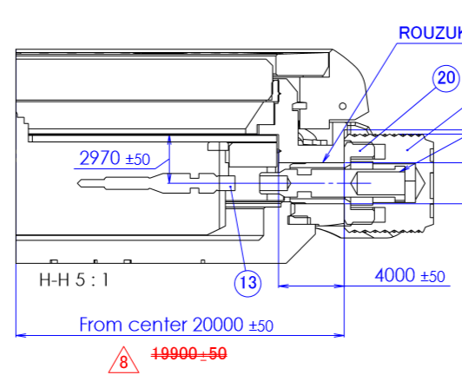
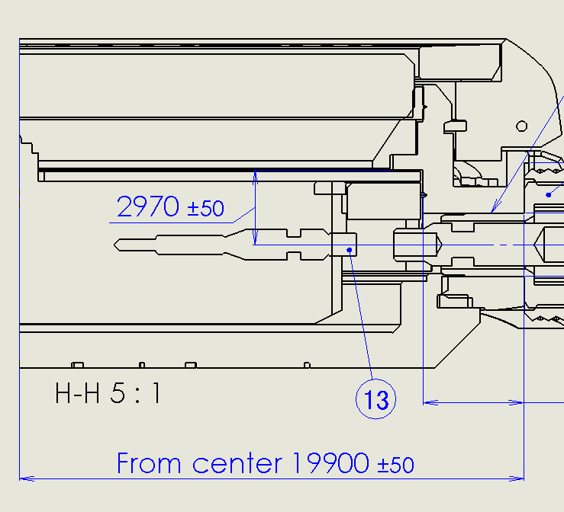
Topic: | Change crown seat position

Reason : | To add gap between pipe crown and caseback and improve.

Effect : | Not effect

Detail : | Change dimension crown seating from 19.9 to 20.0 mm.
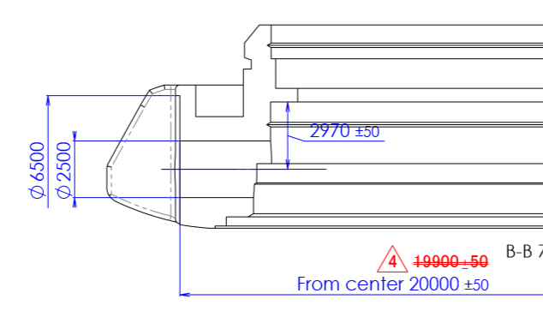
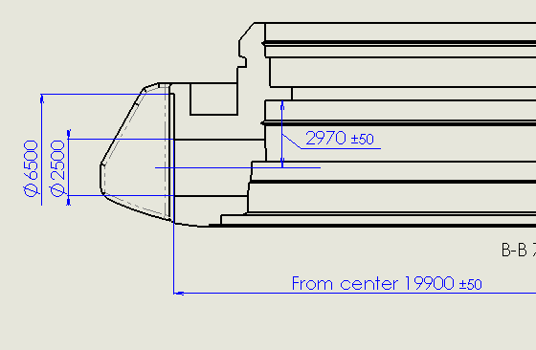
 | Watch code | case assy code | Case body code
 | NY0110-13EB | 4-R013246F | 541-04397
 | NY0110-13EV
 | NY0111-11EB | 4-R013254F | 541-04397
 | NY0111-11EV
 | NY0118-11AB | 4-R013262F | 541-04397
 | NY0118-11AV
 | NY0119-19XB | 4-R013271F | 541-04397
 | NY0119-19XV
 | NY0130-83EB | 4-R014340F | 541-04397
 | NY0130-83EV
 | NY0130-83ET
 | NY0130-83ED
 | NY0131-81XB | 4-R014358F | 541-04397
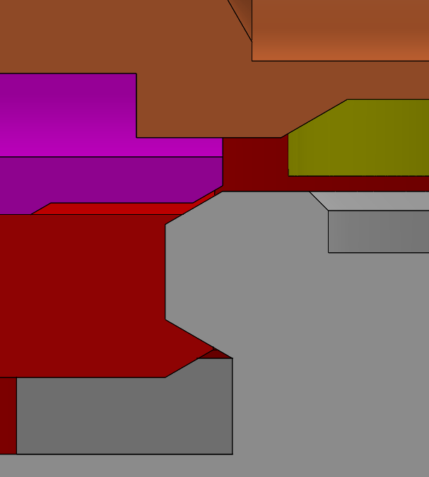
add gab
 | NY0131-81XV
 | NY0131-81XT
 | NY0131-81XD
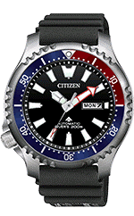
 | NY0135-80EB | 4-R014366F | 541-04666
 | NY0135-80EV
 | NY0135-80ED
 | NY0138-14XB | 4-R014374F | 541-04666
 | NY0138-14XV
 | NY0138-14XT
 | NY0139-11EB | 4-R014382F | 541-04666
 | NY0139-11ET
 | NY0139-11EV

 | NY0150-51AS | 4-R014340F | 541-04397
 | NY0150-51AW
 | NY0150-51AZ
 | NY0151-59XS | 4-R014358F | 541-04397
 | NY0151-59XW
 | NY0151-59XZ
 | NY0154-51LS | 4-A10D4-04 | 541-04397
 | NY0154-51LW
 | NY0154-51LZ
 | NY0155-07XS | 4-R014366F | 541-04666
 | NY0155-07XW
 | NY0155-07XZ
 | NY0155-58XS | 4-R014366F | 541-04666
 | NY0155-58XW
 | NY0155-58XZ
 | NY0156-04ES | 4-A10D4-02 | 541-04397
 | NY0156-04EW
 | NY0156-04EZ
 | NY0158-09LS | 4-A10D4-01 | 541-04666
 | NY0158-09LW
 | NY0158-09LZ
 | NY0159-57ES | 4-A10D4-03 | 541-04397
 | NY0159-57EW
 | NY0159-57EZ

 | Please change code of part as below :-

 | Change drawing case assy and case body

Before
After

Before
After

