Sheet2
Re: Found 2 SKU on BOM haven't DX-E3 (Paper card)

แปลข้อความเป็น: ไทย | ไม่ต้องแปลจาก: อังกฤษ
Jeab Wandee Pimpaporn
พฤ 28/10/2021 18:24






ถึง:
Wi Wiparat Sukeemit
สำเนาถึง:
X Thitipong Wongsin;
Panittha Kwangkeaw;
Kratae Suchera Maneejan;
Duen Pitchaya Boonkla;
Koi Waraporn Yoochamnean;
Looknam Pakamat Khamsee;
Bow Pakamas Kongchana;
Fern Suchanya Thippongjittra;
Ning Asama Khongwong;
Fah Atipohn Kampu Na Ayutthaya;
Jariya Changpechphol
Dear : N. Wi

Please issue information+Add order➡️

KP5-662-11

KP5-662-11N

KP5-662-51

KP5-662-51N

Thank you, best regards.
​Wandee/TM Section.
Technical Dept. (RTC)​

From: Fah Atipohn Kampu Na Ayutthaya <atipohnk@citizen.co.jp>
Sent: Thursday, October 28, 2021 4:29 PM
To: Jeab Wandee Pimpaporn <wandeep@citizen.co.jp>; Wi Wiparat Sukeemit <wiparats@citizen.co.jp>; Jariya Changpechphol <jariyac@citizen.co.jp>
Cc: X Thitipong Wongsin <thitipong@citizen.co.jp>; Panittha Kwangkeaw <panitthakw@citizen.co.jp>; Kratae Suchera Maneejan <sucheram@citizen.co.jp>; Duen Pitchaya Boonkla <pitchayab@citizen.co.jp>; Koi Waraporn Yoochamnean <waraporny@citizen.co.jp>; Looknam Pakamat Khamsee <pakamatk@citizen.co.jp>; Bow Pakamas Kongchana <pakamasko@citizen.co.jp>; Fern Suchanya Thippongjittra <suchanyat@citizen.co.jp>; Ning Asama Khongwong <asamak@citizen.co.jp>
Subject: Found 2 SKU on BOM haven't DX-E3 (Paper card)

Dear K'Wandee.

Good afternoon.
I found 2 SKU on BOM haven't DX-E3 (Paper card) as detail below.

1. KP5-662-11
2. KP5-662-51

Could you please add DX-E3 and update data BOM again.
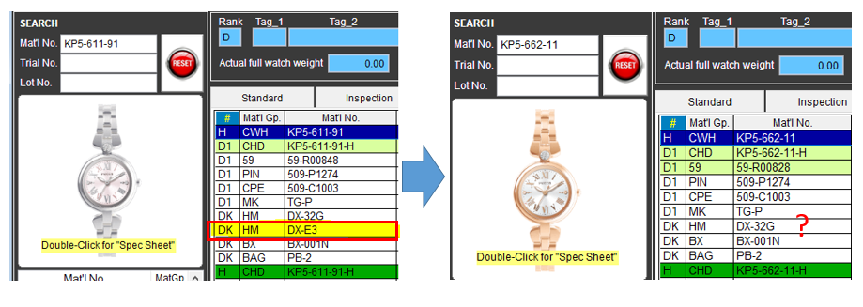

Thank you very much for your support.

Thank you & Best Regards
😊 Ms.Atipohn Kamphu na ayuthaya (Fah)
⌚ New Model, Technical Department
🏦 Royal Time Citi Co.,Ltd. (CITIZEN THAILAND)
📞 Tel: 66 35745-071-4 Ext.395
************************************

