Sheet1
Topic: | Change luminous capsule code

Reason : | Due to maker discontinued production part 399-A246.

Effect : | Not

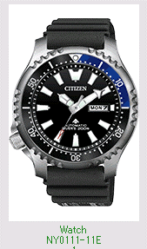
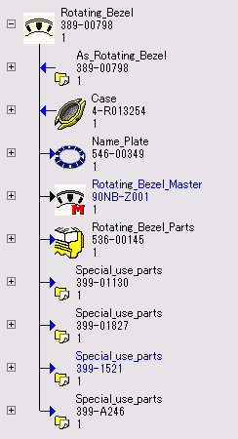
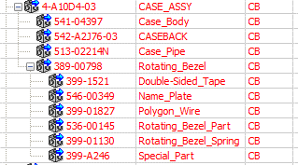
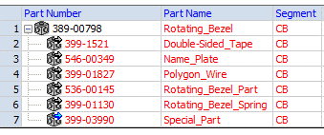

Please change code of part as below :-

 |  | NY0111-11E | 4-R013254 | Before | After
 |  |  | 389-00798 | 399-A246 | 399-03990

Please update drawing as below :-

 |  | 90NB-Z001 | 389-00798

