page1 (Rev.1)
REQUIREMENT AND INFORMATION DOCUMENT

 |  | Objective : | - The preliminary data. BOM master operator to change and save The changes causes |  |  |  |  |  |  |  |  |  | No. :
 |  |  | - This document will be issued by concerned section. |  |  |  |  |  |  |  |  |  | Issue Date :
SUBJECT : |  |  | Add Routing Process -35( Polishing Honing before send to CLL) |  |  |  |  | INFORMATION BY : |  |  |  |  | APPROVED :
 |  |  |  |  |  |  |  |  | Haruthai(4/June/2021) |  |  |  | Mr.Akiyama: Mr.Channarong: Mr.Panus: Mr.Thavorn:
เพิ่มเอกสารหรือระบบข้อมูลอะไรที่เปลี่ยนแปลง
DOCUMENT or |  |  |  | Drawing |  | BOM Master | PO |  |  | Method (WI)
DATA OF CHANGE |  |  |  | PDM |  | SAP | Production Plan |  |  | Other |  | Start Order 11KI2021
PARTS CODE : |  |  |  |  |  |  |  | WATCH CODE :
 | 536-00003-40,536-00122-40,536-00145-40,541-00059-40,541-00098-40
 | 541-00651-40,541-01653-40,541-02337-40,541-03353-40,543-02010-40,543-02115-40
 | ,541-00567-40

CLASSIFICATION FOR CHANGING : |  |  |  |  |  |  |  | START REQUIRE PRODUCTION MONTH :
 | Change Order |  |  |  | Save Cost |  | Change Process |  |  |  | Standardization |  |  | Common
 | Mistake Order |  |  |  | Change Specification |  | Reduct for Stock |  |  |  | Qualitty Upgrade |  |  | Mistake Write
 | For Defective |  |  |  | For Improved |  | Market Request |  |  |  | Other | Add Routing Process -35
เพิ่มรายการ
กำหนดจะต้อง อธิบายโดยย่อ สื่อให้เข้าใจถึงสาเหตุ
สำเนาไปที่ TE information
DESCRIPTION
 | <Reason Explain>
 | Flow Polishing Honing before send to CLL (Blank-20=>TNS (Finish TNS Process)(-30)=>POS(Process Honing)(-35)=>CLL (Finish POS)(-40)

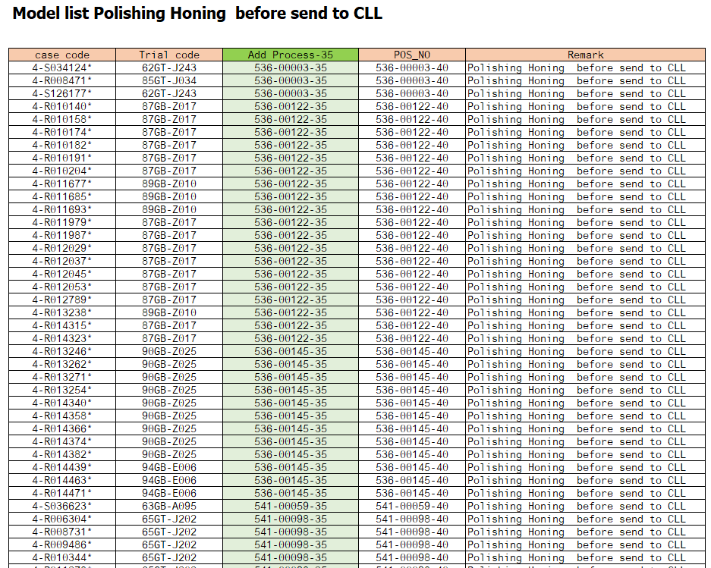

 | Remark : | - Please report the cause and the result was later changed. For complete details
 |  | - Change maker of parts must have price before and after change
 |  |  |  |  |  |  |  |  |  |  |  |  |  |  | FR-TE-00-016-Rev.00

page1
REQUIREMENT AND INFORMATION DOCUMENT

 |  | Objective : | - The preliminary data. BOM master operator to change and save The changes causes |  |  |  |  |  |  |  |  |  | No. :
 |  |  | - This document will be issued by concerned section. |  |  |  |  |  |  |  |  |  | Issue Date :
SUBJECT : |  |  | Add Routing Process -35( Polishing Honing before send to CLL) |  |  |  |  | INFORMATION BY : |  |  |  |  | APPROVED :
 |  |  |  |  |  |  |  |  | Haruthai(4/June/2021) |  |  |  | Mr.Akiyama: Mr.Channarong: Mr.Panus: Mr.Thavorn:
เพิ่มเอกสารหรือระบบข้อมูลอะไรที่เปลี่ยนแปลง
DOCUMENT or |  |  |  | Drawing |  | BOM Master | PO |  |  | Method (WI)
DATA OF CHANGE |  |  |  | PDM |  | SAP | Production Plan |  |  | Other |  | Start Order 10KI2021
PARTS CODE : |  |  |  |  |  |  |  | WATCH CODE :
 | 536-00003-40,536-00122-40,536-00145-40,541-00059-40,541-00098-40
 | 541-00651-40,541-01653-40,541-02337-40,541-03353-40,543-02010-40,543-02115-40
 | ,541-00567-40

CLASSIFICATION FOR CHANGING : |  |  |  |  |  |  |  | START REQUIRE PRODUCTION MONTH :
 | Change Order |  |  |  | Save Cost |  | Change Process |  |  |  | Standardization |  |  | Common
 | Mistake Order |  |  |  | Change Specification |  | Reduct for Stock |  |  |  | Qualitty Upgrade |  |  | Mistake Write
 | For Defective |  |  |  | For Improved |  | Market Request |  |  |  | Other | Add Routing Process -35
เพิ่มรายการ
กำหนดจะต้อง อธิบายโดยย่อ สื่อให้เข้าใจถึงสาเหตุ
สำเนาไปที่ TE information
DESCRIPTION
 | <Reason Explain>
 | Flow Polishing Honing before send to CLL (Blank-20=>TNS (Finish TNS Process)(-30)=>POS(Process Honing)(-35)=>CLL (Finish POS)(-40)

 | Remark : | - Please report the cause and the result was later changed. For complete details
 |  | - Change maker of parts must have price before and after change
 |  |  |  |  |  |  |  |  |  |  |  |  |  |  | FR-TE-00-016-Rev.00

