page1
REQUIREMENT AND INFORMATION DOCUMENT

 |  | Objective : | - The preliminary data. BOM master operator to change and save The changes causes |  |  |  |  |  |  |  |  |  | No. : |  | DE-REQ-210XX
 |  |  | - This document will be issued by concerned section. |  |  |  |  |  |  |  |  |  | Issue Date : |  | 23-Dec-21
SUBJECT : |  |  | Request Add DX-E5 |  |  |  |  | INFORMATION BY : |  |  |  |  | APPROVED :
 |  |  |  |  |  |  |  |  |  | Suchera M. |  |  |  | Thitipong W.
DOCUMENT or |  |  |  | Drawing |  | BOM Master | PO |  |  |  | Method (WI)
DATA OF CHANGE |  |  |  | PDM |  | SAP | Production Plan |  |  |  | Other
PARTS CODE : |  |  |  |  |  |  |  | WATCH CODE :
 | Add DX-E5 |  |  |  |  |  |  |  | BJ8050-08E |  |  | BJ8050-08EZ | BJ8057-17XX
 |  |  |  |  |  |  |  |  | BJ8050-08EX |  |  | BJ8057-17X
 |  |  |  |  |  |  |  |  | BJ8050-08ES |  |  | BJ8057-17XD

CLASSIFICATION FOR CHANGING : |  |  |  |  |  |  |  | START REQUIRE PRODUCTION MONTH : |  |  |  |  |  | 2022_02P
 | Change Order |  |  |  | Save Cost |  | Change Process |  |  |  |  | Standardization |  |  |  | Common
 | Mistake Order |  |  |  | Change Specification |  | Reduct for Stock |  |  |  |  | Qualitty Upgrade |  |  |  | Mistake Write
 | For Defective |  |  |  | For Improved |  | Market Request |  |  |  |  | Other
DESCRIPTION
 | <Reason Explain>
 | Prevents scratches and movement of the watch.

 | We would like to adjust packing style of model BJ805* as detail below.
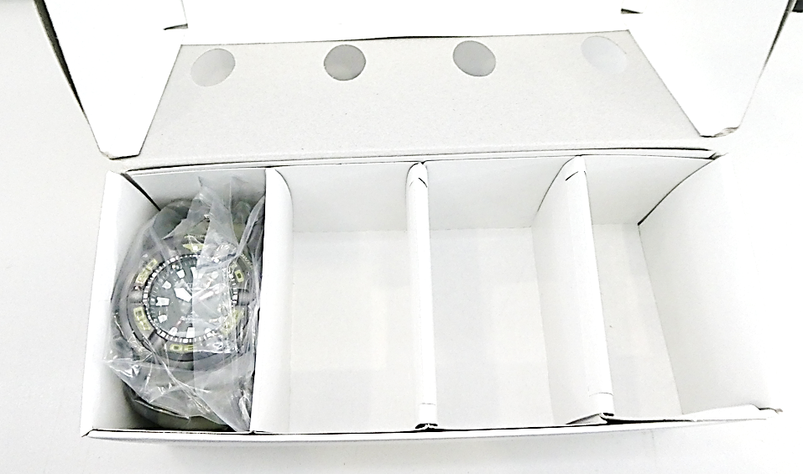
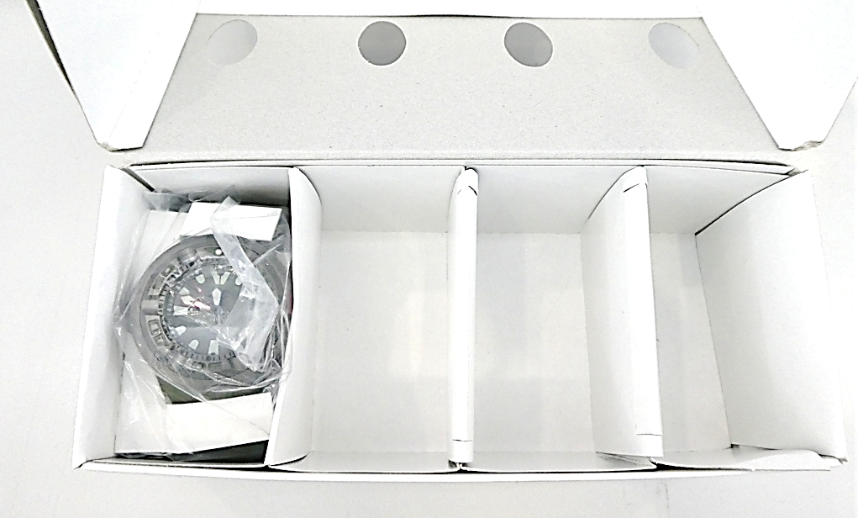

Before
After
DX-E5: used 1 pcs./model

 | Effect model

 | TECH new model will add Poly bag PB-8 for support mass production.
 | 1. Paper Card DX-E5 : 1 pcs./model Q'ty (2,775) pcs. + spare 0 % = 2,775 pcs.

 | Remark : | - Please report the cause and the result was later changed. For complete details
 |  | - Change maker of parts must have price before and after change
 |  |  |  |  |  |  |  |  |  |  |  |  |  |  |  |  | FR-TE-00-016-Rev.00

