Detail
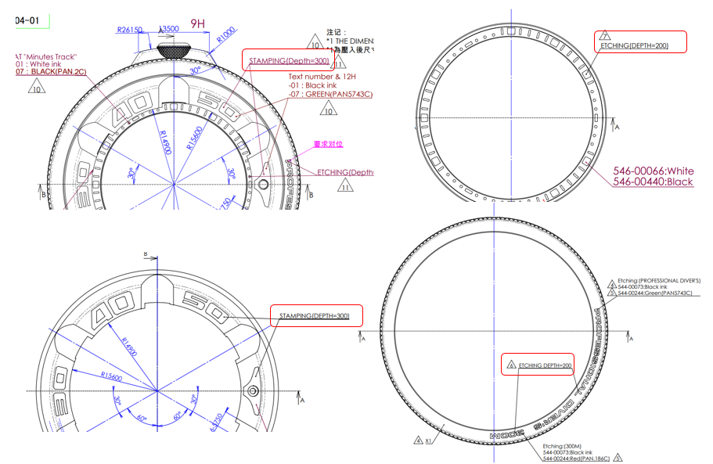
Information
Technical management Section
Issue by : | Ms. Wiparat
Check by : | Mrs. Wandee
Date : | 20-Jan-22

Detail | Please update drawing of case

Information
REQUIREMENT AND INFORMATION DOCUMENT

 |  | Objective : | - The preliminary data. BOM master operator to change and save The changes causes |  |  |  |  |  |  |  |  | No. : |  | DE-REQ-XXXXX
 |  |  | - This document will be issued by concerned section. |  |  |  |  |  |  |  |  | Issue Date : |  | 4-Jan-22
SUBJECT : |  |  | Updated drawing (detail etching depth) |  |  |  |  | INFORMATION BY : |  |  |  | APPROVED :
 |  |  |  |  |  |  |  | Panit.S
DOCUMENT or |  |  |  | Drawing |  | BOM Master | PO |  |  | Method (WI)
DATA OF CHANGE |  |  |  | PDM |  | SAP | Production Plan |  |  | Other
PARTS CODE : |  |  |  |  |  |  |  | WATCH CODE :
 | 4-R015184FT ,4-R015184FG 536-00024 ,536-00171 |  |  |  |  |  |  |  | BJ8057-17XD ,BJ8057-17X
 | 544-00073 ,544-00244 389-00148 ,389-00865 |  |  |  |  |  |  |  | BJ8057-17XV
 | 546-00066 ,546-00440 4-R015184F |  |  |  |  |  |  |  | BJ8057-17XX

CLASSIFICATION FOR CHANGING : |  |  |  |  |  |  |  | START REQUIRE PRODUCTION MONTH : |  |  |  |  | 202202P
 | Change Order |  |  |  | Save Cost |  | Change Process |  |  |  | Standardization |  |  |  | Common
 | Mistake Order |  |  |  | Change Specification |  | Reduct for Stock |  |  |  | Qualitty Upgrade |  |  |  | Mistake Write
 | For Defective |  |  |  | For Improved |  | Market Request |  |  |  | Other
DESCRIPTION

 | I recieved the information from PDC about add detail the drawing (etching depth) because found part that produces
 | ,some part deep some part not deep.
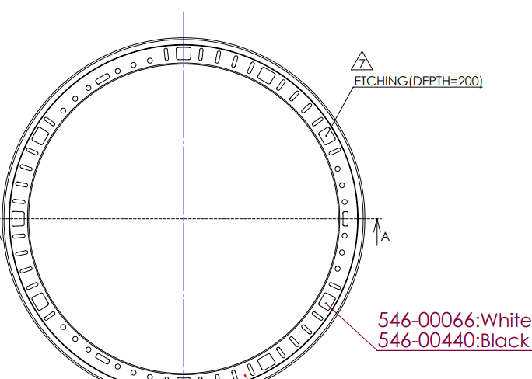
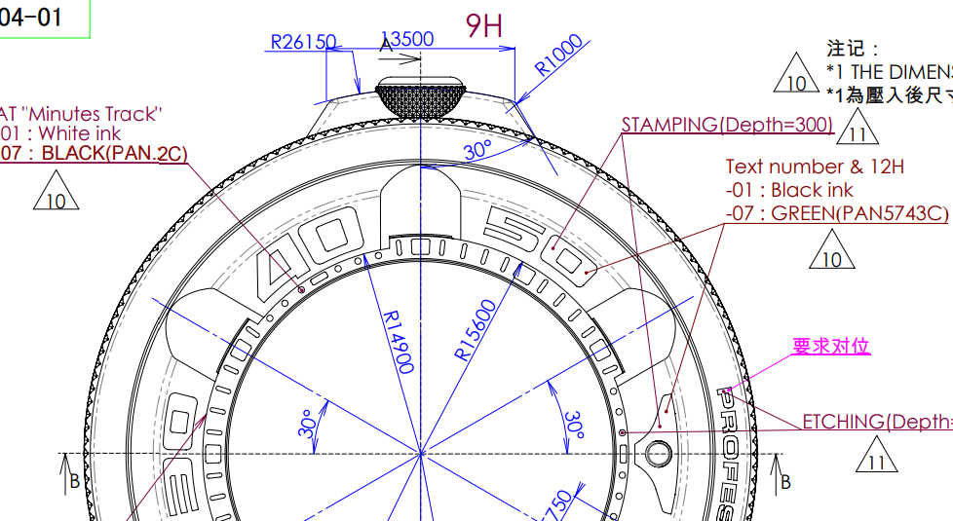

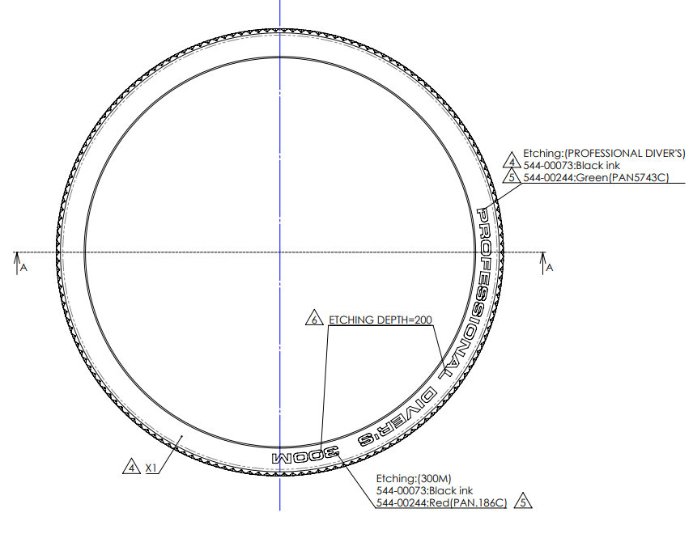

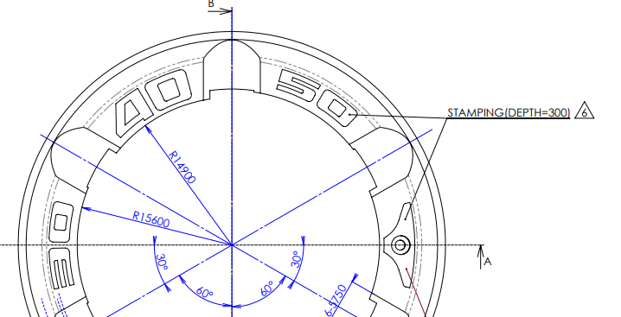

 | Remark : | - Please report the cause and the result was later changed. For complete details
 |  | - Change maker of parts must have price before and after change
 |  |  |  |  |  |  |  |  |  |  |  |  |  |  |  | FR-TE-00-016-Rev.00

