Information
REQUIREMENT AND INFORMATION DOCUMENT

 |  | Objective : | - The preliminary data. BOM master operator to change and save The changes causes |  |  |  |  |  |  |  |  | No. : |  | DE-REQ-XXXXX
 |  |  | - This document will be issued by concerned section. |  |  |  |  |  |  |  |  | Issue Date : |  | 16-Nov-21
SUBJECT : |  |  | Change QTY of 392-00002 |  |  |  |  | INFORMATION BY : |  |  |  | APPROVED :
 |  |  |  |  |  |  |  | Panit.S
DOCUMENT or |  |  |  | Drawing |  | BOM Master | PO |  |  | Method (WI)
DATA OF CHANGE |  |  |  | PDM/CECIL |  | SAP | Production Plan |  |  | Other
PARTS CODE : |  |  |  |  |  |  |  | WATCH CODE :
 | 392-00002 4-R015184FT |  |  |  |  |  |  |  | BJ8057-17X
 | 4-R015184F |  |  |  |  |  |  |  | BJ8057-17XD
 | 4-R015184FG |  |  |  |  |  |  |  | BJ8057-17XX

CLASSIFICATION FOR CHANGING : |  |  |  |  |  |  |  | START REQUIRE PRODUCTION MONTH : |  |  |  |  | 202202P
 | Change Order |  |  |  | Save Cost |  | Change Process |  |  |  | Standardization |  |  |  | Common
 | Mistake Order |  |  |  | Change Specification |  | Reduct for Stock |  |  |  | Qualitty Upgrade |  |  |  | Mistake Write
 | For Defective |  |  |  | For Improved |  | Market Request |  |  |  | Other
DESCRIPTION

 | I set QTY of 392-00002 is not complete on PDM ,CECIL and have been modified already.
QTY of 392-00002 from 1 pcs to 3 pcs.

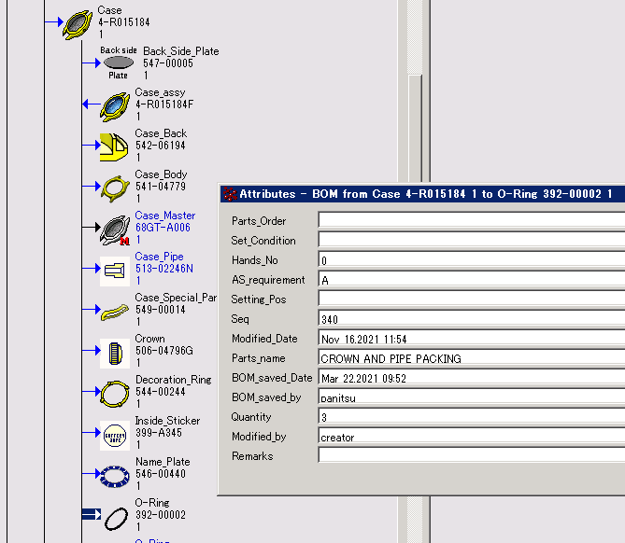

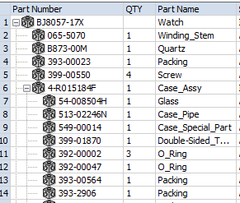

PDM
CECIL

 | Remark : | - Please report the cause and the result was later changed. For complete details
 |  | - Change maker of parts must have price before and after change
 |  |  |  |  |  |  |  |  |  |  |  |  |  |  |  | FR-TE-00-016-Rev.00

