Sheet1
Topic: | Change luminous capsule code

Reason : | Due to maker discontinued production part 399-A246.

Effect : | Not effect

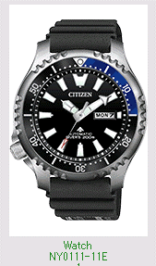
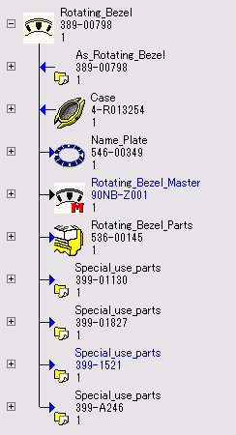
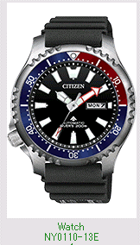
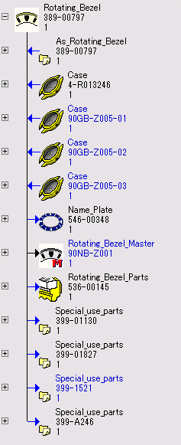

NY0111-11EB |  |  |  |  |  | NY0110-13EB
NY0111-11EV |  |  |  |  |  | NY0110-13EV

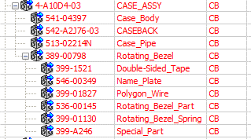
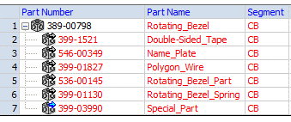
Cecil
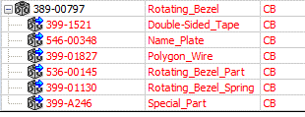
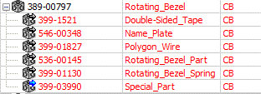
Cecil

Please change code of part as below :-

 |  | NY0111-11E | 4-R013254
 |  |  | 389-00798 | Before | After |  | ****Don't updated drawing
 |  |  |  | 399-A246 | 399-03990 |  | The drawing have already updated.
 |  | NY0110-13E | 4-R013246
 |  |  | 389-00797

