Detail
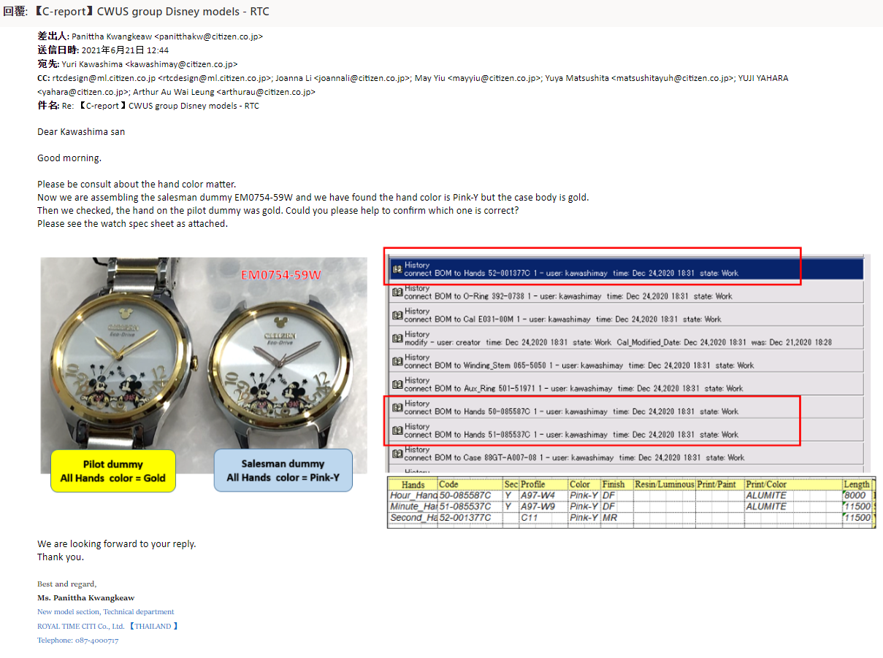
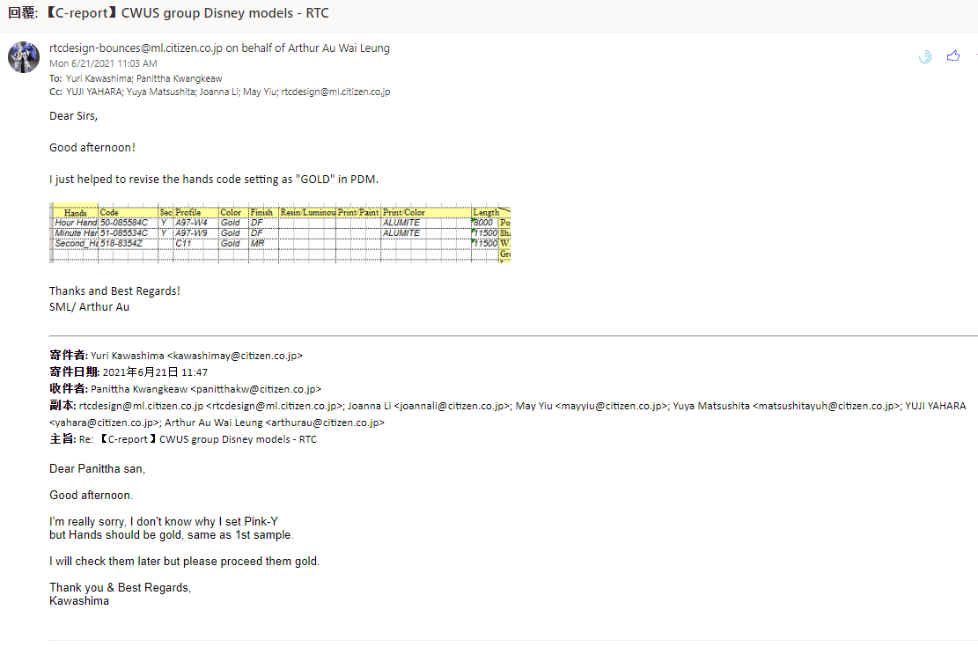
Salesman not same as PSRL.
Designer revise spec from Pink-Y to Gold.

