Sheet1
Information
Technical management Section
Issue by : | Ms. Wiparat
Check by : | Mrs. Wandee
Date : | 9-Jul-21

Detail | Change spare TNS
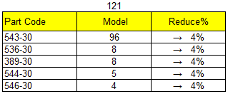

 | For Part no. | List

