page1
REQUIREMENT AND INFORMATION DOCUMENT

 |  | Objective : | - The preliminary data. BOM master operator to change and save The changes causes |  |  |  |  |  |  |  |  |  |  | No. : |  | DE-REQ-21054
 |  |  | - This document will be issued by concerned section. |  |  |  |  |  |  |  |  |  |  | Issue Date : |  | 3-Jan-22
SUBJECT : |  |  |  |  |  |  |  | INFORMATION BY : |  |  |  |  |  | APPROVED :
 |  |  | Revise BOM |  |  |  |  |  |  | Jariya c.
DOCUMENT or |  |  |  | Drawing |  | BOM Master | PO |  |  |  | Method (WI)
DATA OF CHANGE |  |  |  | PDM |  | SAP | Production Plan |  |  |  | Other
PARTS CODE : |  |  |  |  |  |  |  | WATCH CODE :
 | 392-0737 |  |  |  |  |  |  |  | FE6011-81AX
 | DX-E4 |  |  |  |  |  |  |  | CA4211-72LS ,CA4211-72LW ,CA4211-72LX ,CA4211-72LZ
 | BX-004N

CLASSIFICATION FOR CHANGING : |  |  |  |  |  |  |  | START REQUIRE PRODUCTION MONTH : |  |  |  |  |  |  | 202204P ,202205P
 | Change Order |  |  |  | Save Cost |  | Change Process |  |  |  |  | Standardization |  |  |  |  | Common
 | Mistake Order |  |  |  | Change Specification |  | Reduct for Stock |  |  |  |  | Qualitty Upgrade |  |  |  |  | Mistake Write
 | For Defective |  |  |  | For Improved |  | Market Request |  |  |  |  | Other | Revise BOM & add order
DESCRIPTION
 | <Reason Explain>
 |  |  | Revise BOM & add order

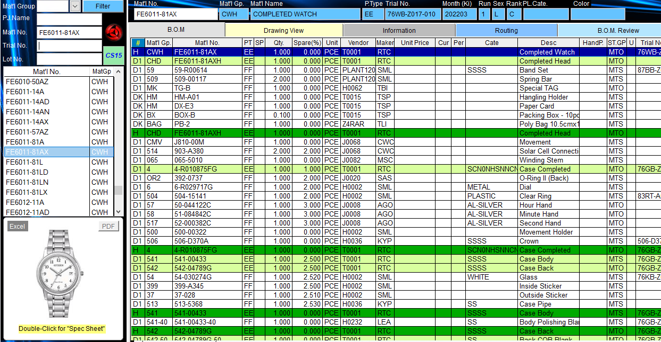

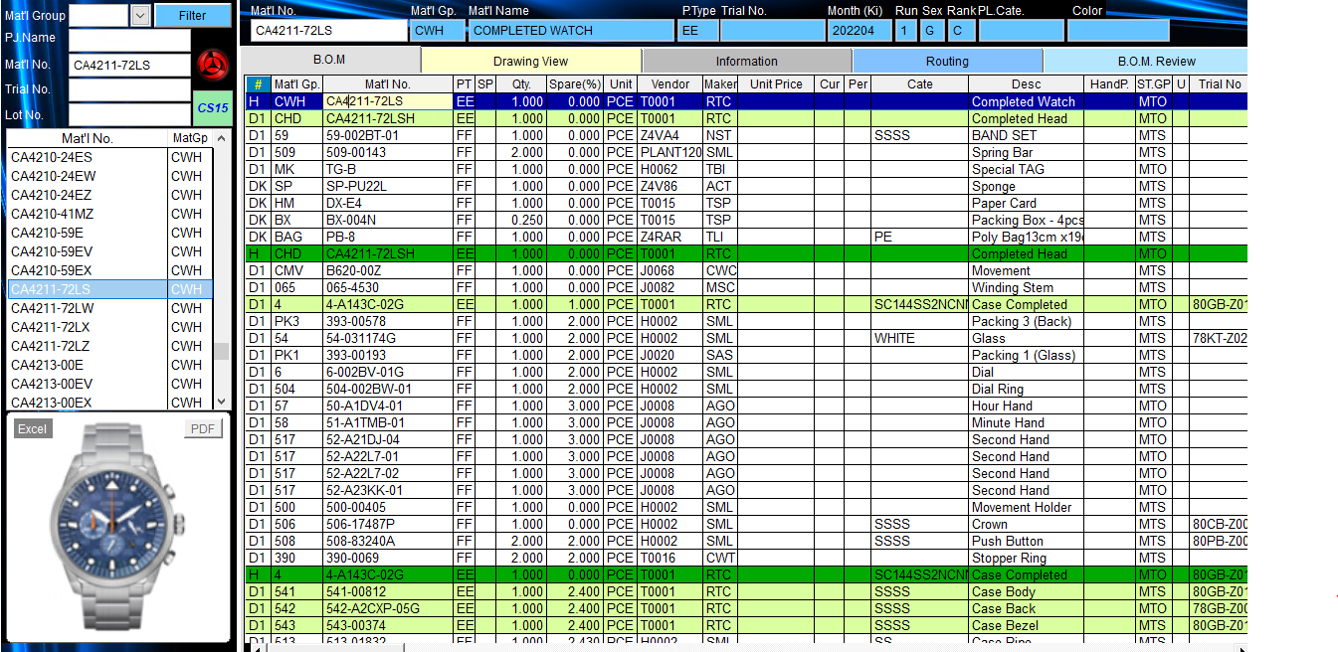

 |  | Effect

 | Remark : | - Please report the cause and the result was later changed. For complete details
 |  | - Change maker of parts must have price before and after change
 |  |  |  |  |  |  |  |  |  |  |  |  |  |  |  |  |  | FR-TE-00-016-Rev.00

