Email
From: 小野寺健 (Ken Onodera) <onoderak@citizen.co.jp>
Sent: Monday, October 18, 2021 3:14 PM
To: Jeab Wandee Pimpaporn <wandeep@citizen.co.jp>
Cc: RTC_TE <rtc_tec@ml.citizen.co.jp>; 大滝正豊 <ohtaki@citizen.co.jp>; 荻野新 <oginoa@citizen.co.jp>
Subject: Re: Please create the master data on SAP(5/OCT)

Dear Wandee san

Good afternoon.
There is a correction of information

This part(''SP-SAJ'') was really needed. Matrix is wrong.

Ogino san will revise the SAP BOM, so please take action.

1.order parts ''SP-SAJ''
2.revise S-sim and CECIL's BOM

I'm very sorry, could you please correct it?

Best regards
K.Onodera

====================================
シチズン時計株式会社
商品開発部 第一開発課
東京都西東京市田無町6-1-12
CITIZEN WATCH CO.,LTD.
Product Development Section No.1
6-1-12,Tanashi-cho,Nishi-Tokyo-shi
小野寺 健(Ken Onodera)
外線 042-468-4549
内線 799-22906
E-mail:onoderak@citizen.co.jp
====================================

差出人: 小野寺健 (Ken Onodera) <onoderak@citizen.co.jp>
送信日時: 2021年10月13日 19:49
宛先: Jeab Wandee Pimpaporn <wandeep@citizen.co.jp>
CC: RTC_TE <rtc_tec@ml.citizen.co.jp>; 大滝正豊 <ohtaki@citizen.co.jp>
件名: Re: Please create the master data on SAP(5/OCT)

Dear Wandee san

I confirmed Otaki san.

He copied MCL SAP, so this part is included.

If RTC decide you don't need it, delete it.

Best regards
K.Onodera

====================================
シチズン時計株式会社
商品開発部 第一開発課
東京都西東京市田無町6-1-12
CITIZEN WATCH CO.,LTD.
Product Development Section No.1
6-1-12,Tanashi-cho,Nishi-Tokyo-shi
小野寺 健(Ken Onodera)
外線 042-468-4549
内線 799-22906
E-mail:onoderak@citizen.co.jp
====================================

差出人: Jeab Wandee Pimpaporn <wandeep@citizen.co.jp>
送信日時: 2021年10月13日 19:04
宛先: 小野寺健 (Ken Onodera) <onoderak@citizen.co.jp>
CC: RTC_TE <rtc_tec@ml.citizen.co.jp>; 大滝正豊 <ohtaki@citizen.co.jp>
件名: Re: Please create the master data on SAP(5/OCT)

Dear : Onodera san

Yes, Matrix don't have "SP-SAJ" but SAP BOM upload by ohtaki san have "SP-SAJ".
But now SAP RTC plant has no data because it's updated by us follow data SSIM-BOM.

I checked data with Cecil, Matrix, SAP file found data difference please confirm SAP file again ?
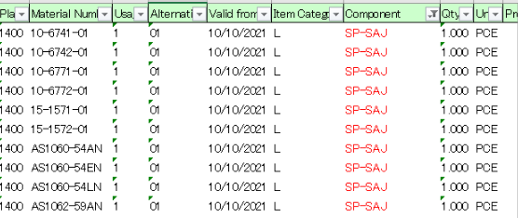

Thank you, best regards.
​Wandee/TM Section.
Technical Dept. (RTC)​

From: 小野寺健 (Ken Onodera) <onoderak@citizen.co.jp>
Sent: Wednesday, October 13, 2021 4:41 PM
To: Jeab Wandee Pimpaporn <wandeep@citizen.co.jp>
Cc: RTC_TE <rtc_tec@ml.citizen.co.jp>; 大滝正豊 <ohtaki@citizen.co.jp>
Subject: Re: Please create the master data on SAP(5/OCT)

Dear Wandee san

I checked PDM matrix.
There is no data in CECIL,becauseMatrix don't have "SP-SAJ"

SAP also has no data, does RTC arrange this parts??
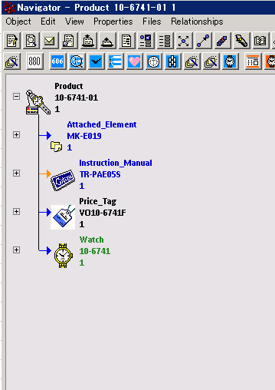

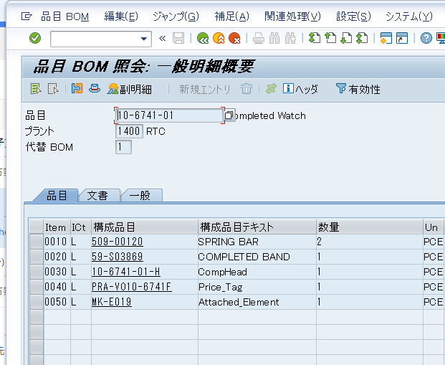

====================================
シチズン時計株式会社
商品開発部 第一開発課
東京都西東京市田無町6-1-12
CITIZEN WATCH CO.,LTD.
Product Development Section No.1
6-1-12,Tanashi-cho,Nishi-Tokyo-shi
小野寺 健(Ken Onodera)
外線 042-468-4549
内線 799-22906
E-mail:onoderak@citizen.co.jp
====================================

差出人: Jeab Wandee Pimpaporn <wandeep@citizen.co.jp>
送信日時: 2021年10月13日 18:04
宛先: 小野寺健 (Ken Onodera) <onoderak@citizen.co.jp>
CC: RTC_TE <rtc_tec@ml.citizen.co.jp>; 大滝正豊 <ohtaki@citizen.co.jp>
件名: Re: Please create the master data on SAP(5/OCT)

Dear : Onodera san

I don't have the picture in the matrix PDM it uses for some model ➡️

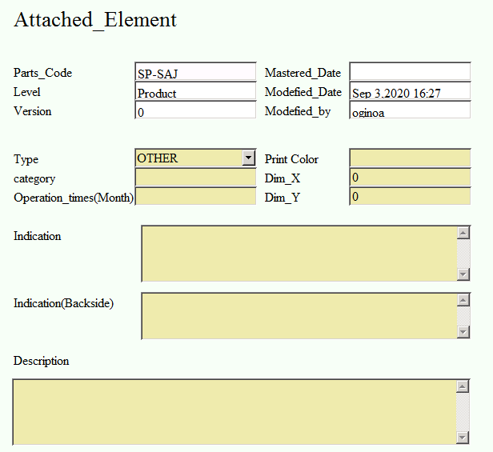

Thank you, best regards.
​Wandee/TM Section.
Technical Dept. (RTC)​

From: 小野寺健 (Ken Onodera) <onoderak@citizen.co.jp>
Sent: Wednesday, October 13, 2021 3:50 PM
To: Jeab Wandee Pimpaporn <wandeep@citizen.co.jp>
Cc: RTC_TE <rtc_tec@ml.citizen.co.jp>; 大滝正豊 <ohtaki@citizen.co.jp>
Subject: Re: Please create the master data on SAP(5/OCT)

Dear Wandee san

What is "SP-SAJ"??

I am sorry,I don't know it...

====================================
シチズン時計株式会社
商品開発部 第一開発課
東京都西東京市田無町6-1-12
CITIZEN WATCH CO.,LTD.
Product Development Section No.1
6-1-12,Tanashi-cho,Nishi-Tokyo-shi
小野寺 健(Ken Onodera)
外線 042-468-4549
内線 799-22906
E-mail:onoderak@citizen.co.jp
====================================

差出人: Jeab Wandee Pimpaporn <wandeep@citizen.co.jp>
送信日時: 2021年10月13日 15:21
宛先: 小野寺健 (Ken Onodera) <onoderak@citizen.co.jp>
CC: RTC_TE <rtc_tec@ml.citizen.co.jp>
件名: Re: Please create the master data on SAP(5/OCT)

Dear : Onodera san

Good afternoon!
Please confirm component "SP-SAJ" below models. In CECIL no setting yet, it necessary ?

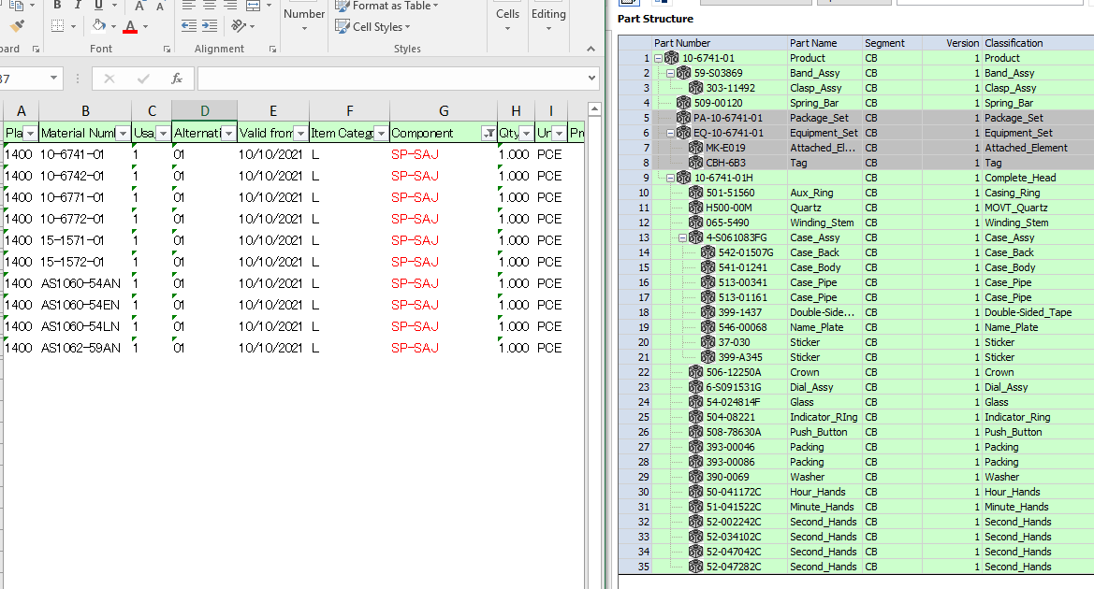

Thank you, best regards.
​Wandee/TM Section.
Technical Dept. (RTC)​

From: 小林道幸 <kobayashimic@citizen.co.jp>
Sent: Monday, October 11, 2021 7:41 AM
To: 大滝正豊 <ohtaki@citizen.co.jp>; 小野寺健 (Ken Onodera) <onoderak@citizen.co.jp>
Cc: 砂川直哉 <sunakawan@citizen.co.jp>; Bobby Sarunyut Thangkangsui <sarunyut@citizen.co.jp>; Arthur Au Wai Leung <arthurau@citizen.co.jp>; 石上克己 <ishigamik@citizen.co.jp>; Nam Supanida Prakansadab <supanidap@citizen.co.jp>; Rak Wilairak Pleomweerajit <wilairakp@citizen.co.jp>; SETSUO KACHI <kachis@citizen.co.jp>; Tak Suwimol Kamoolsug <suwimolk@citizen.co.jp>; RTC?Design <rtcdesign@ml.citizen.co.jp>; RTC_TE <rtc_tec@ml.citizen.co.jp>; Mong Rapin Choa-On <rapin@citizen.co.jp>; Wan Kamonwan Premkasemsri <kamonwanp@citizen.co.jp>; Yo Pinyo Suwanpanit <pinyos@citizen.co.jp>; 青葉香 <aobak@citizen.co.jp>; 荻野新 <oginoa@citizen.co.jp>; Lika PALIKA ARUYOS <palika@citizen.co.jp>; Da Farida Jarit <faridaj@citizen.co.jp>; 柏原昂大 <kashiwabarak@citizen.co.jp>; Aui Yintharat Boonniyom <yintharatb@citizen.co.jp>; Mild Haruthai Sanguanpak <haruthais@citizen.co.jp>; Fon Kamonluck Termsuk <kamonluckt@citizen.co.jp>; Moo Amnuay Butkaew <amnuayb@citizen.co.jp>; Nam Arisara Puangpo <arisarap@citizen.co.jp>; Jeab Wandee Pimpaporn <wandeep@citizen.co.jp>
Subject: Re: Please create the master data on SAP(5/OCT)

大滝様

ご対応頂きましてどうも有難う御座いました。
大変助かります。RTC小林

Dear Jeab san, X san,

Transfer models MCL BOM data are registered on SAP for RTC
by helping CWC IT dept.

Could you double check them.

Thanks and best regards,
M.kobayashi

________________________________________
差出人: 大滝正豊 <ohtaki@citizen.co.jp>
送信日時: 2021年10月11日 9:34
宛先: 小野寺健 (Ken Onodera); 小林道幸
CC: 砂川直哉; Bobby Sarunyut Thangkangsui; Arthur Au Wai Leung; 石上克己; Nam Supanida Prakansadab; Rak Wilairak Pleomweerajit; SETSUO KACHI; Tak Suwimol Kamoolsug; RTC?Design; RTC_TE; Mong Rapin Choa-On; Wan Kamonwan Premkasemsri; Yo Pinyo Suwanpanit; 青葉香; 荻野新; Lika PALIKA ARUYOS; Da Farida Jarit; 柏原昂大; Aui Yintharat Boonniyom; Mild Haruthai Sanguanpak; Fon Kamonluck Termsuk; Moo Amnuay Butkaew; Nam Arisara Puangpo; Jeab Wandee Pimpaporn
件名: Re: Please create the master data on SAP(5/OCT)

RTC 小林様

お世話になります。CWC 大滝です。

SAPへのマスタ登録が完了しています。
MCLのマスタをRTC用に登録しています。
これで受注としては登録可能になりますが

内容の確認と、ケース以下のマスタについては
RTCにて対応頂くよう、宜しくお願い致します。

________________________________
差出人: 小野寺健 (Ken Onodera) <onoderak@citizen.co.jp>
送信日時: 2021年10月8日 17:33
宛先: 小林道幸 <kobayashimic@citizen.co.jp>
CC: 砂川直哉 <sunakawan@citizen.co.jp>; Bobby Sarunyut Thangkangsui <sarunyut@citizen.co.jp>; Arthur Au Wai Leung <arthurau@citizen.co.jp>; 石上克己 <ishigamik@citizen.co.jp>; Nam Supanida Prakansadab <supanidap@citizen.co.jp>; Rak Wilairak Pleomweerajit <wilairakp@citizen.co.jp>; SETSUO KACHI <kachis@citizen.co.jp>; Tak Suwimol Kamoolsug <suwimolk@citizen.co.jp>; RTC?Design <rtcdesign@ml.citizen.co.jp>; RTC_TE <rtc_tec@ml.citizen.co.jp>; Mong Rapin Choa-On <rapin@citizen.co.jp>; Wan Kamonwan Premkasemsri <kamonwanp@citizen.co.jp>; Yo Pinyo Suwanpanit <pinyos@citizen.co.jp>; 青葉香 <aobak@citizen.co.jp>; 荻野新 <oginoa@citizen.co.jp>; 大滝正豊 <ohtaki@citizen.co.jp>; Lika PALIKA ARUYOS <palika@citizen.co.jp>; Da Farida Jarit <faridaj@citizen.co.jp>; 柏原昂大 <kashiwabarak@citizen.co.jp>; Aui Yintharat Boonniyom <yintharatb@citizen.co.jp>; Mild Haruthai Sanguanpak <haruthais@citizen.co.jp>; Fon Kamonluck Termsuk <kamonluckt@citizen.co.jp>; Moo Amnuay Butkaew <amnuayb@citizen.co.jp>; Nam Arisara Puangpo <arisarap@citizen.co.jp>; Jeab Wandee Pimpaporn <wandeep@citizen.co.jp>
件名: Re: Please create the master data on SAP(5/OCT)

RTC小林様
各位

別途お話しさせて頂きましたが
短手番かつ負荷大のため大滝さんにSAPへの登録をお願いする事としました。

ですので先程送付した61コードのCECIL M-BOM作成は不要です。
次週以降SAPの登録内容の確認とS-SIMへの登録を対応頂ければと思います。

今回は受注会議での結果により
多くの生産地振替があったとの事なので、普段はここまでの負荷はないと思います。

大滝様

お手数をおかけしますがご対応よろしくお願いします。

====================================
シチズン時計株式会社
商品開発部 第一開発課
東京都西東京市田無町6-1-12
CITIZEN WATCH CO.,LTD.
Product Development Section No.1
6-1-12,Tanashi-cho,Nishi-Tokyo-shi
小野寺 健(Ken Onodera)
外線 042-468-4549
内線 799-22906
E-mail:onoderak@citizen.co.jp
====================================

________________________________
差出人: 小林道幸 <kobayashimic@citizen.co.jp>
送信日時: 2021年10月8日 15:38
宛先: 小野寺健 (Ken Onodera) <onoderak@citizen.co.jp>
CC: 砂川直哉 <sunakawan@citizen.co.jp>; Bobby Sarunyut Thangkangsui <sarunyut@citizen.co.jp>; Arthur Au Wai Leung <arthurau@citizen.co.jp>; 石上克己 <ishigamik@citizen.co.jp>; Nam Supanida Prakansadab <supanidap@citizen.co.jp>; Rak Wilairak Pleomweerajit <wilairakp@citizen.co.jp>; SETSUO KACHI <kachis@citizen.co.jp>; Tak Suwimol Kamoolsug <suwimolk@citizen.co.jp>; RTC?Design <rtcdesign@ml.citizen.co.jp>; RTC_TE <rtc_tec@ml.citizen.co.jp>; Mong Rapin Choa-On <rapin@citizen.co.jp>; Wan Kamonwan Premkasemsri <kamonwanp@citizen.co.jp>; Yo Pinyo Suwanpanit <pinyos@citizen.co.jp>; 青葉香 <aobak@citizen.co.jp>; 荻野新 <oginoa@citizen.co.jp>; 大滝正豊 <ohtaki@citizen.co.jp>; Lika PALIKA ARUYOS <palika@citizen.co.jp>; Da Farida Jarit <faridaj@citizen.co.jp>; 柏原昂大 <kashiwabarak@citizen.co.jp>; Aui Yintharat Boonniyom <yintharatb@citizen.co.jp>; Mild Haruthai Sanguanpak <haruthais@citizen.co.jp>; Fon Kamonluck Termsuk <kamonluckt@citizen.co.jp>; Moo Amnuay Butkaew <amnuayb@citizen.co.jp>; Nam Arisara Puangpo <arisarap@citizen.co.jp>; Jeab Wandee Pimpaporn <wandeep@citizen.co.jp>
件名: Re: Please create the master data on SAP(5/OCT)

小野寺様

M-BOMを承認するまでにエラー処理で物凄い時間がかかるのですが
作業手番も2日だけで、他の設計作業などを止めて手分けしてやる
しかありません。残業ゼロ指示をされておりますが、残業も必要になる
かも知れません。
今後も物凄い負荷となりますが何とかならないでしょうか？RTC小林

________________________________________
差出人: rtc_tec-bounces@ml.citizen.co.jp <rtc_tec-bounces@ml.citizen.co.jp> が 小野寺健 (Ken Onodera) <onoderak@citizen.co.jp> の代理で送信
送信日時: 2021年10月8日 12:45
宛先: Jeab Wandee Pimpaporn; Moo Amnuay Butkaew; Nam Arisara Puangpo
CC: 砂川直哉; Bobby Sarunyut Thangkangsui; Arthur Au Wai Leung; 石上克己; Nam Supanida Prakansadab; Rak Wilairak Pleomweerajit; SETSUO KACHI; Tak Suwimol Kamoolsug; RTC?Design; RTC_TE; Mong Rapin Choa-On; Wan Kamonwan Premkasemsri; Yo Pinyo Suwanpanit; 青葉香; 荻野新; 大滝正豊; Lika PALIKA ARUYOS; Da Farida Jarit; 柏原昂大; Aui Yintharat Boonniyom; Mild Haruthai Sanguanpak; Fon Kamonluck Termsuk
件名: Re: Please create the master data on SAP(5/OCT)

Dear Wandee san,PC,IT Member
All Concern

There are 61 codes that are not in the RTC SAP due to the adjustment of the assembly factory.
RTC need to create these data within 10/11.

STEP
Create CECIL M-BOM(TH) -> s-sim -> RTC SAP

CECIL M-BOM(TH)
RTC about 30 code
CWC about 30 code

Is it possible to register by the delivery date?
If you can't, I request to Ohtaki san' s support by SAP.
Please consider and contact us

Best regards
K.Onodera

====================================
シチズン時計株式会社
商品開発部 第一開発課
東京都西東京市田無町6-1-12
CITIZEN WATCH CO.,LTD.
Product Development Section No.1
6-1-12,Tanashi-cho,Nishi-Tokyo-shi
小野寺 健(Ken Onodera)
外線 042-468-4549
内線 799-22906
E-mail:onoderak@citizen.co.jp
====================================

________________________________
差出人: Jeab Wandee Pimpaporn <wandeep@citizen.co.jp>
送信日時: 2021年10月6日 19:20
宛先: 小野寺健 (Ken Onodera) <onoderak@citizen.co.jp>; Moo Amnuay Butkaew <amnuayb@citizen.co.jp>; Nam Arisara Puangpo <arisarap@citizen.co.jp>
CC: RTC?Design <rtcdesign@ml.citizen.co.jp>; 荻野新 <oginoa@citizen.co.jp>; 大滝正豊 <ohtaki@citizen.co.jp>; SETSUO KACHI <kachis@citizen.co.jp>; 青葉香 <aobak@citizen.co.jp>; 柏原昂大 <kashiwabarak@citizen.co.jp>; 荻野新 <oginoa@citizen.co.jp>; 石上克己 <ishigamik@citizen.co.jp>; 砂川直哉 <sunakawan@citizen.co.jp>; Nam Arisara Puangpo <arisarap@citizen.co.jp>; Moo Amnuay Butkaew <amnuayb@citizen.co.jp>; Bobby Sarunyut Thangkangsui <sarunyut@citizen.co.jp>; Mong Rapin Choa-On <rapin@citizen.co.jp>; Aui Yintharat Boonniyom <yintharatb@citizen.co.jp>; Nam Supanida Prakansadab <supanidap@citizen.co.jp>; Lika PALIKA ARUYOS <palika@citizen.co.jp>; Wan Kamonwan Premkasemsri <kamonwanp@citizen.co.jp>; Rak Wilairak Pleomweerajit <wilairakp@citizen.co.jp>; Da Farida Jarit <faridaj@citizen.co.jp>; Mild Haruthai Sanguanpak <haruthais@citizen.co.jp>; Yo Pinyo Suwanpanit <pinyos@citizen.co.jp>; Tak Suwimol Kamoolsug <suwimolk@citizen.co.jp>; Fon Kamonluck Termsuk <kamonluckt@citizen.co.jp>; Jariya Changpechphol <jariyac@citizen.co.jp>; RTC_TE <rtc_tec@ml.citizen.co.jp>; Arthur Au Wai Leung <arthurau@citizen.co.jp>
件名: Re: Please create the master data on SAP(5/OCT)

Dear : All concerned,

Good evening!
Below models create BOM master in PJ : 20211006-01 ➡️

BM8180-03ES
CA0645-15HW

Thank you, best regards.
​Wandee/TM Section.
Technical Dept. (RTC)​

________________________________
From: 小野寺健 (Ken Onodera) <onoderak@citizen.co.jp>
Sent: Wednesday, October 6, 2021 4:46 PM
To: Jeab Wandee Pimpaporn <wandeep@citizen.co.jp>; Nid Khanitta Boonruengyossiri <khanittab@citizen.co.jp>; Min Pramin Sirioi <pramins@citizen.co.jp>; Moo Panit Sudthai <panitsu@citizen.co.jp>
Cc: RTC_TE <rtc_tec@ml.citizen.co.jp>; RTC?Design <rtcdesign@ml.citizen.co.jp>; Moo Amnuay Butkaew <amnuayb@citizen.co.jp>
Subject: Re: Please create the master data on SAP(5/OCT)

Dear Wandee san

Thank you for your information.
There is an additional request, sorry to trouble you,please create belows.

CA0645-15HW
BM8180-03ES

Best regards
K.Onodera

====================================
シチズン時計株式会社
商品開発部 第一開発課
東京都西東京市田無町6-1-12
CITIZEN WATCH CO.,LTD.
Product Development Section No.1
6-1-12,Tanashi-cho,Nishi-Tokyo-shi
小野寺 健(Ken Onodera)
外線 042-468-4549
内線 799-22906
E-mail:onoderak@citizen.co.jp
====================================

________________________________
差出人: Jeab Wandee Pimpaporn <wandeep@citizen.co.jp>
送信日時: 2021年10月5日 22:31
宛先: Nid Khanitta Boonruengyossiri <khanittab@citizen.co.jp>; Min Pramin Sirioi <pramins@citizen.co.jp>; Moo Panit Sudthai <panitsu@citizen.co.jp>
CC: 小野寺健 (Ken Onodera) <onoderak@citizen.co.jp>; RTC_TE <rtc_tec@ml.citizen.co.jp>; RTC?Design <rtcdesign@ml.citizen.co.jp>; Moo Amnuay Butkaew <amnuayb@citizen.co.jp>
件名: Re: Please create the master data on SAP(5/OCT)

Dear : Design team

I found below models not set up day dial (308-xxxxx) yet.
Please kindly cecil setting?

NY0140-80EI
NY0141-10LI
NY0145-86EI

Thank you, best regards.
​Wandee/TM Section.
Technical Dept. (RTC)​

________________________________
From: 小野寺健 (Ken Onodera) <onoderak@citizen.co.jp>
Sent: Tuesday, October 5, 2021 6:01 PM
To: Jeab Wandee Pimpaporn <wandeep@citizen.co.jp>; Moo Amnuay Butkaew <amnuayb@citizen.co.jp>
Cc: Kwang Paiboon Sukatiphum <paiboons@citizen.co.jp>; X Thitipong Wongsin <thitipong@citizen.co.jp>; 荻野新 <oginoa@citizen.co.jp>; 大滝正豊 <ohtaki@citizen.co.jp>; SETSUO KACHI <kachis@citizen.co.jp>; 青葉香 <aobak@citizen.co.jp>; 柏原昂大 <kashiwabarak@citizen.co.jp>
Subject: Re: Please create the master data on SAP(5/OCT)

Dear Wandee san, Amunuay san

I am sorry for many times.
Please create master data on SAP,because today the order comes in.

Important point
Need to change Case and Dial suffix code to the orinal rules(not new Cecil rule)

NY0040-17LI
NY0140-80EI
NY0141-10LI
NY0145-86EI
NY0040-50EI
EW1843-52YZ
EW2570-58NW
CA4490-85LS
CA4490-85LW
CA4491-82EW
CA4497-86XS
CA4497-86XW

If you have any question,let me know.

[cid:2e11a58f-b479-472b-bef5-de04b16f9889]

Best regards
K.Onodera

====================================
シチズン時計株式会社
商品開発部 第一開発課
東京都西東京市田無町6-1-12
CITIZEN WATCH CO.,LTD.
Product Development Section No.1
6-1-12,Tanashi-cho,Nishi-Tokyo-shi
小野寺 健(Ken Onodera)
外線 042-468-4549
内線 799-22906
E-mail:onoderak@citizen.co.jp
====================================

________________________________
差出人: 小野寺健 (Ken Onodera)
送信日時: 2021年10月5日 14:13
宛先: Jeab Wandee Pimpaporn <wandeep@citizen.co.jp>; Moo Amnuay Butkaew <amnuayb@citizen.co.jp>
CC: Kwang Paiboon Sukatiphum <paiboons@citizen.co.jp>; X Thitipong Wongsin <thitipong@citizen.co.jp>; 荻野新 <oginoa@citizen.co.jp>; 大滝正豊 <ohtaki@citizen.co.jp>
件名: Please create the master data on SAP(5/OCT)

Dear Wandee san, Amunuay san

Sawadee krup!

Please create master data on SAP,because today the order comes in.

Important point
Need to change Case and Dial suffix code to the orinal rules(not new Cecil rule)

RTC
CA4454-89LD

Best Regards
K.Onodera

CECIL M-BOM(TH)↓

[cid:5ff007b2-123b-4739-9753-987a09f4f89a]

====================================
シチズン時計株式会社
商品開発部 第一開発課
東京都西東京市田無町6-1-12
CITIZEN WATCH CO.,LTD.
Product Development Section No.1
6-1-12,Tanashi-cho,Nishi-Tokyo-shi
小野寺 健(Ken Onodera)
外線 042-468-4549
内線 799-22906
E-mail:onoderak@citizen.co.jp
====================================

