Data
Topic: | Change luminous capsule code

Reason : | Due to maker discontinued production part 399-A246.
 | To support new tooling model NY015*

Effect : | Not effect

Detail : | 389-00797 & 389-00798 change luminous from 399-A246 to 399-03990

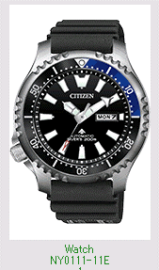
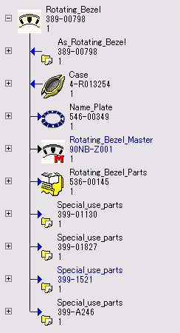
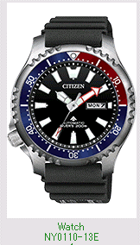
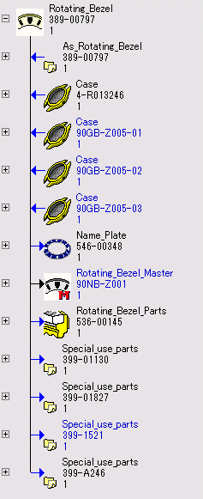

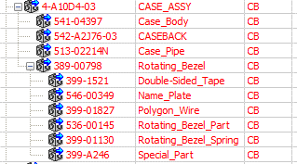
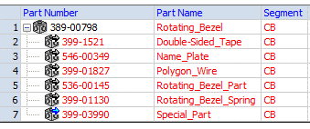
Cecil
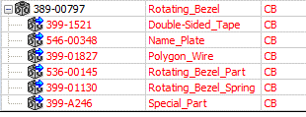
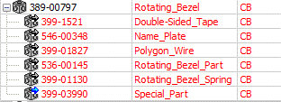
Cecil

Please change code of part as below :-

 | 389-00797 & 389-00798 change luminous from 399-A246 to 399-03990

 | Model | Product code | Case assy | R_Bezel | Before | After
 | NY0111-11E | NY0111-11EB | 4-R013254 | 389-00798 | 399-A246 | 399-03990
 |  | NY0111-11EV |  |  |  |  | ****Don't updated drawing
 |  |  |  |  |  |  | The drawing have already updated.

 | NY0110-13E | NY0110-13EB | 4-R013246 | 389-00797 | Before | After
 |  | NY0110-13EV |  |  | 399-A246 | 399-03990

E-mail
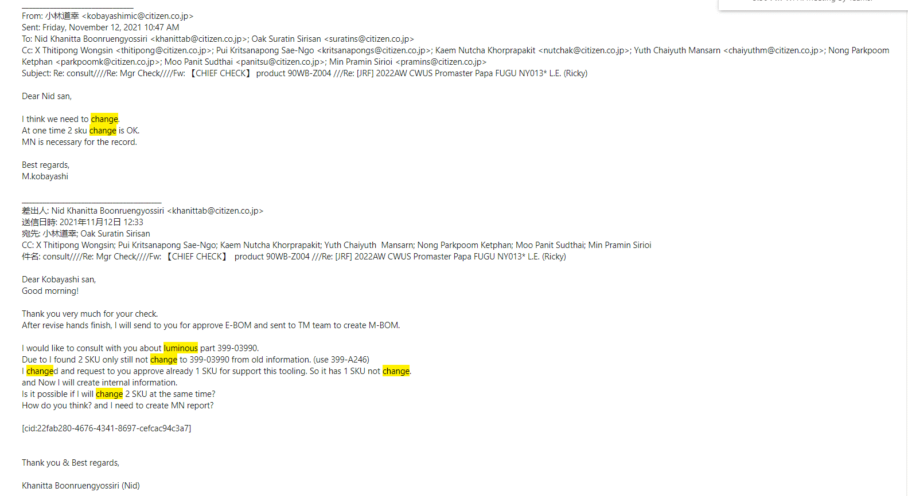
Consult after Mgr and my team check list drawing
I need to change. Because need to support new tooling model NY015*
NY0159-57E use existing R-Bezel. And not still change luminous.

