page1
REQUIREMENT AND INFORMATION DOCUMENT

 |  | Objective : | - The preliminary data. BOM master operator to change and save The changes causes |  |  |  |  |  |  |  |  |  | No. : |  | DE-REQ-210XX
 |  |  | - This document will be issued by concerned section. |  |  |  |  |  |  |  |  |  | Issue Date : |  | 6-Oct-21
SUBJECT : |  |  | Request change packing AN399* for metal band |  |  |  |  | INFORMATION BY : |  |  |  |  | APPROVED :
 |  |  |  |  |  |  |  |  |  | Suchera M. |  |  |  | Thitipong W.
DOCUMENT or |  |  |  | Drawing |  | BOM Master | PO |  |  |  | Method (WI)
DATA OF CHANGE |  |  |  | PDM |  | SAP | Production Plan |  |  |  | Other
PARTS CODE : |  |  |  |  |  |  |  | WATCH CODE :
 | Change BOX : BX-003N to BX-004N |  |  |  |  |  |  |  | AN3394-59LZ
 | Change Hangling Holder : HM-B02 to SP-PU22L |  |  |  |  |  |  |  | AN3390-50E
 |  |  |  |  |  |  |  |  | AN3394-59L

CLASSIFICATION FOR CHANGING : |  |  |  |  |  |  |  | START REQUIRE PRODUCTION MONTH : |  |  |  |  |  | 2022_02KI
 | Change Order |  |  |  | Save Cost |  | Change Process |  |  |  |  | Standardization |  |  |  | Common
 | Mistake Order |  |  |  | Change Specification |  | Reduct for Stock |  |  |  |  | Qualitty Upgrade |  |  |  | Mistake Write
 | For Defective |  |  |  | For Improved |  | Market Request |  |  |  |  | Other
DESCRIPTION
 | <Reason Explain>
 | Because of packing style for model AN339* for metal band due to The side of the casebody is very close to the watch compartment.
 | When all the holes are inserted, it will be tighter. Which may cause scratch to the case side.

 | We would like to adjust packing style of model AN339*for metal band as detail below.
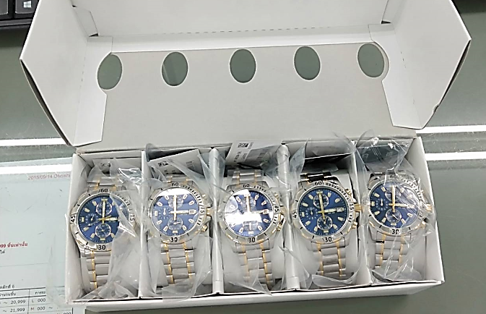
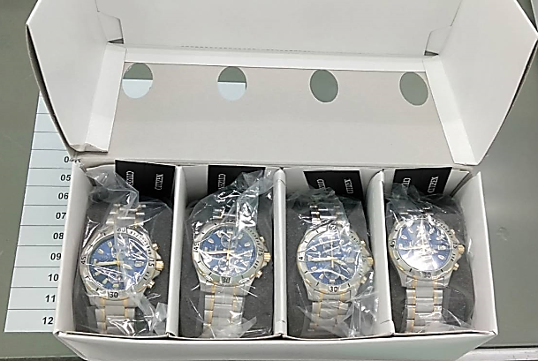

Before
BX-003N : used 0.2 pcs./model
HM-B02 : used 2 pcs./model
After
BX-004N : used 0.25 pcs./model SP-PU22L : used 1 pcs./model

 | Effect model
 | Not have effect order.
Request start 2022_02KI

 | Remark : | - Please report the cause and the result was later changed. For complete details
 |  | - Change maker of parts must have price before and after change
 |  |  |  |  |  |  |  |  |  |  |  |  |  |  |  |  | FR-TE-00-016-Rev.00

