Sheet1
Topic: | Change spring code

Reason : | 1.Following new Design-Standard
 | 2.Assemble easily & efficiency up
 | 3.Cost down

Effect : | 202204KI

Detail : | change spring bar code from 509-2070 → 509-00040

 |  | EO1180-82AS |  | EO1183-84XV | 4-R007378F | EO1184-57NZ | 4-R007386F
 |  | EO1180-82AV | 4-R007360F | EO1183-84XX |  | EO1184-81DS
 |  | EO1180-82AX |  |  |  | EO1184-81DV
 |  | EO1180-82LV |  |  |  | EO1184-81DX
 |  | EO1180-82LX

 |  | EO1182-52DZ | 4-R008668F | EO1181-55AZ | 4-R014692F

After
Before

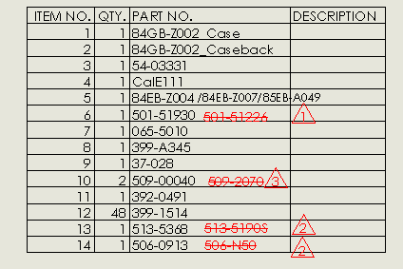

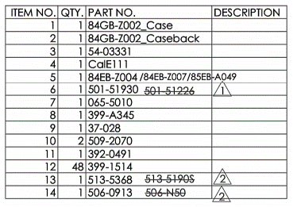

Please change code of part as below :-

