Detail
 |  | Original | Status | Change to
Watch code | Part name | part No. |  | New part no.
NY0040 | Case assy | 62GT-J243 | Change code | 95GS-E001
 | Nameplate | 87TB-Z002 | New mold | 95TB-Z001
 | R_bezel | 62GT-J243 | New mold | 95GB-Z001
 | Luminous Glass | 54-50990 | Cancel 54-50990 and change to luminous capsule | 399-03990
 | Glass | 54-L5584G | Change mold | 54-035784G
 | caseback | 62GT-J243 | add spec | 62GT-J243
NY008 | Case assy | 87GB-Z017 | Change code | 95GB-Z002
 | Nameplate | 87TB-Z002 | add spec to | 90TB-E001
 | R_bezel | 62GT-J243 | New mold | 95GB-Z001
 | Luminous Glass | 54-50990 | Cancel 54-50990 and change to luminous capsule | 399-03990
 | Glass | 54-L5584G | Change mold | 54-035784G
 | caseback | 87GB-Z017 | add spec | 87GB-Z017

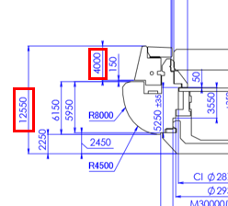
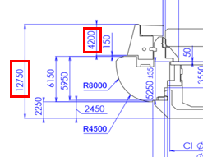
New mold R_bezel --> Thickness more than original 200
Redesign and change part to use luminous capsule
instead luminous glass

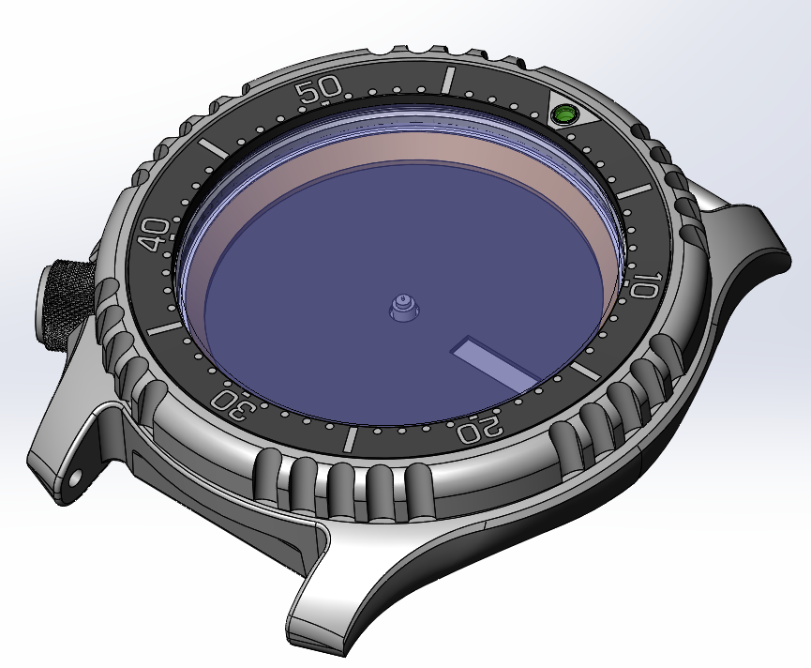
New R_bezel
95SB-Z001
NY004 use common
with NY008
Existing casebody
Add spec caseback
New case assy code
NY008 --> 95GB-Z002
NY004 --> 95GS-E001
Nameplate
NY008 --> add spec 90TB-E001
NY004 --> new mold 95TB-Z001
Cancel luminous glass 54-50990
Change to use luminous capsule 399-03990
New Glass code
54-L5584G --> 54-035784G

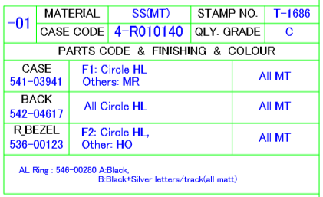
New code case assy
Existing
New caseback code
New bezel code
New AL ring code

Data change
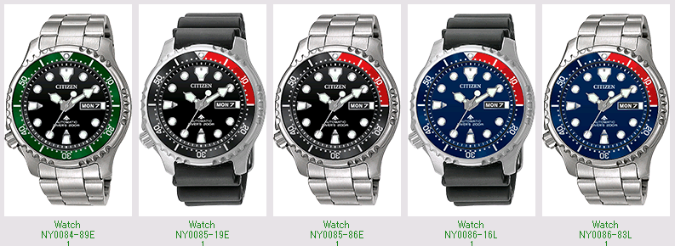
New construction
Change part as below, Other part not change.

Watch code | Case master |  | Case assy |  | Caseback |  | R_Bezel |  | Glass |  |  |  | Nameplate |  | AS part |  | Luminous Glass
 | Old | New | Old | New | Old | New | Old | New | Old | Maker | New | Maker | Old | New | Old | New | Old | Maker | New | Maker
NY0040-09E | 62GT-J243 | 95GS-E001 | 4-S126177 | 4-R015095 | 542-05866 | 542-06127 | 536-00003 | 536-00168 | 54-L5584G | SML | 54-035784G | FJC | 546-00005 | 546-00433 | 389-00290 | 389-00859 | 54-50990 | FJC | 399-03990 | NMT
NY0040-09W | 62GT-J243 | 95GS-E001 | 4-S126177 | 4-R015095 | 542-05866 | 542-06127 | 536-00003 | 536-00168 | 54-L5584G | SML | 54-035784G | FJC | 546-00005 | 546-00433 | 389-00290 | 389-00859 | 54-50990 | FJC | 399-03990 | NMT
NY0040-17L | 62GT-J243 | 95GS-E001 | 4-S126177 | 4-R015095 | 542-05866 | 542-06127 | 536-00003 | 536-00168 | 54-L5584G | SML | 54-035784G | FJC | 546-00005 | 546-00433 | 389-00290 | 389-00859 | 54-50990 | FJC | 399-03990 | NMT
NY0040-50E | 62GT-J243 | 95GS-E001 | 4-S126177 | 4-R015095 | 542-05866 | 542-06127 | 536-00003 | 536-00168 | 54-L5584G | SML | 54-035784G | FJC | 546-00005 | 546-00433 | 389-00290 | 389-00859 | 54-50990 | FJC | 399-03990 | NMT
NY0040-50W | 62GT-J243 | 95GS-E001 | 4-S126177 | 4-R015095 | 542-05866 | 542-06127 | 536-00003 | 536-00168 | 54-L5584G | SML | 54-035784G | FJC | 546-00005 | 546-00433 | 389-00290 | 389-00859 | 54-50990 | FJC | 399-03990 | NMT

Watch code | Case master |  | Case assy |  | Caseback |  | R_Bezel |  | Glass |  |  |  | Nameplate |  | AS part |  | Luminous Glass
 | Old | New | Old | New | Old | New | Old | New | Old | Maker | New | Maker | Old | New | Old | New | Old | Maker | New | Maker
NY0084-89E | 89GB-Z010 | 95GB-Z002 | 4-R013238 | 4-R014960 | 542-05407 | 542-06137 | 536-00123 | 536-00165 | 54-L5584G | SML | 54-035784G | FJC | 546-00347 | 546-00428 | 389-00796 | 389-00851 | 54-50990 | FJC | 399-03990 | NMT
NY0085-19E | 89GB-Z010 | 95GB-Z002 | 4-R011677 | 4-R014927 | 542-04940 | 542-06134 | 536-00123 | 536-00165 | 54-L5584G | SML | 54-035784G | FJC | 546-00310 | 546-00430 | 389-00761 | 389-00847 | 54-50990 | FJC | 399-03990 | NMT
NY0085-86E | 89GB-Z010 | 95GB-Z002 | 4-R011677 | 4-R014927 | 542-04940 | 542-06134 | 536-00123 | 536-00165 | 54-L5584G | SML | 54-035784G | FJC | 546-00310 | 546-00430 | 389-00761 | 389-00847 | 54-50990 | FJC | 399-03990 | NMT
NY0086-16L | 89GB-Z010 | 95GB-Z002 | 4-R011685 | 4-R014935 | 542-04941 | 542-06135 | 536-00123 | 536-00165 | 54-L5584G | SML | 54-035784G | FJC | 546-00281 | 546-00425 | 389-00747 | 389-00845 | 54-50990 | FJC | 399-03990 | NMT
NY0086-83L | 89GB-Z010 | 95GB-Z002 | 4-R011685 | 4-R014935 | 542-04941 | 542-06135 | 536-00123 | 536-00165 | 54-L5584G | SML | 54-035784G | FJC | 546-00281 | 546-00425 | 389-00747 | 389-00845 | 54-50990 | FJC | 399-03990 | NMT

Before & After
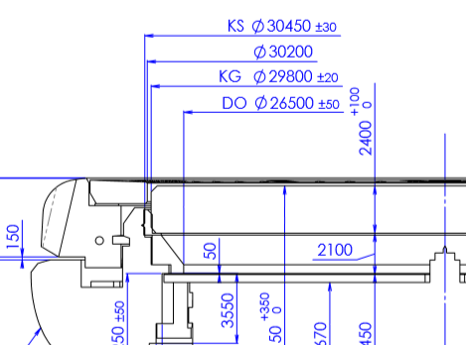
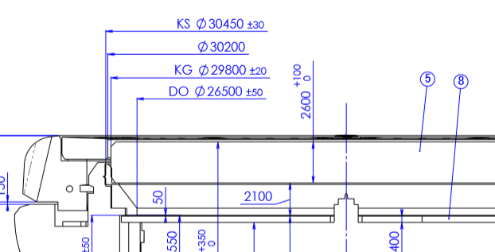
Before
After

Original 89GB-Z010 | New Version | 95GB-Z002
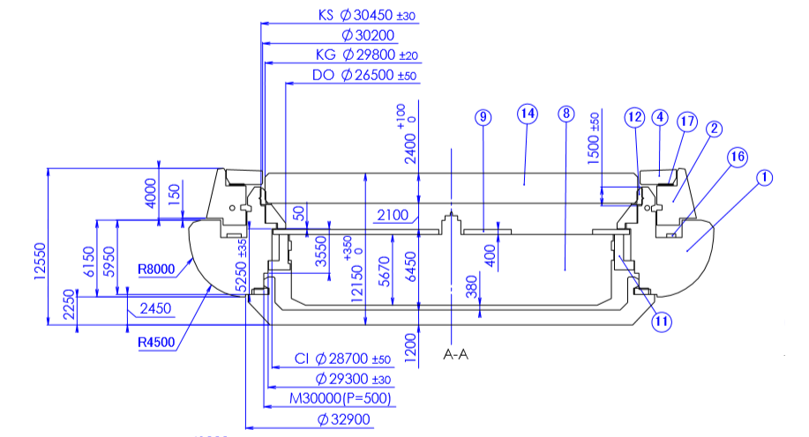
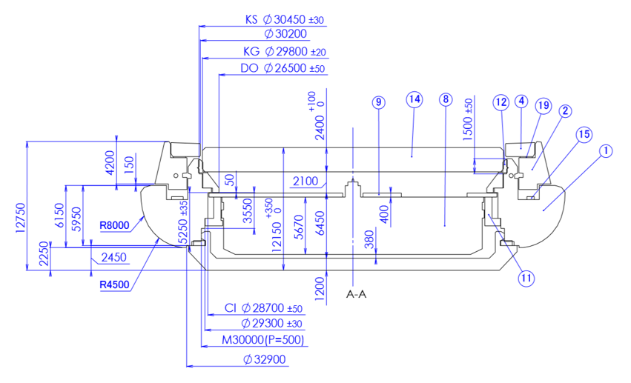

New mold R_bezel --> Thickness more than original 200

New code case assy (95GB-Z002)
Existing
New caseback code
New bezel code
New AL ring code

New code case assy ,new code R_bezel and New code AL ring in drawing

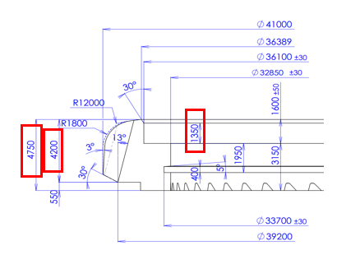
New code
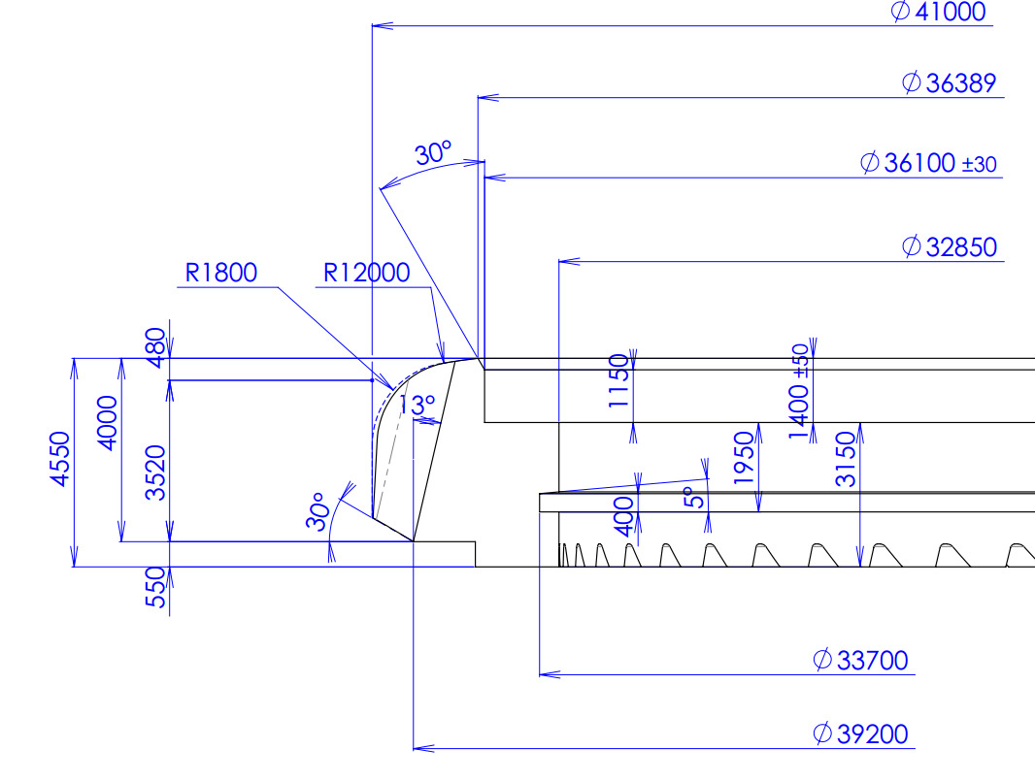
536-00123

New mold R_bezel
Thickness more than original 200

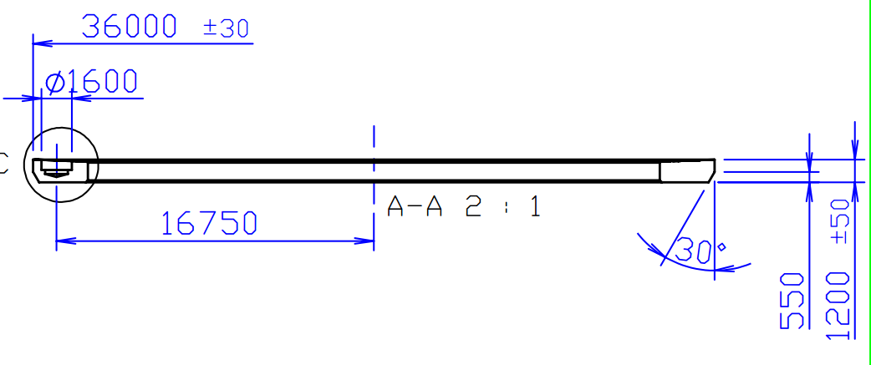
87TB-Z002
90TB-E001

Nameplate of NY004 & NY008 changed the thickness and dimension hole

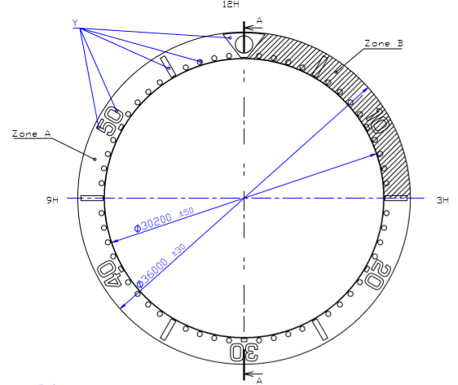
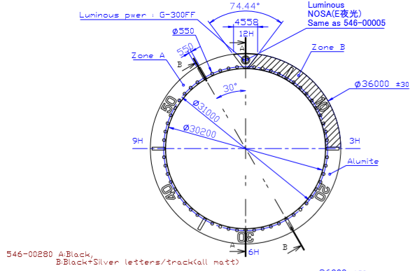

For NY008 --> Move spec from 87TB-Z002 to add spec 90TB-E001

For model NY004
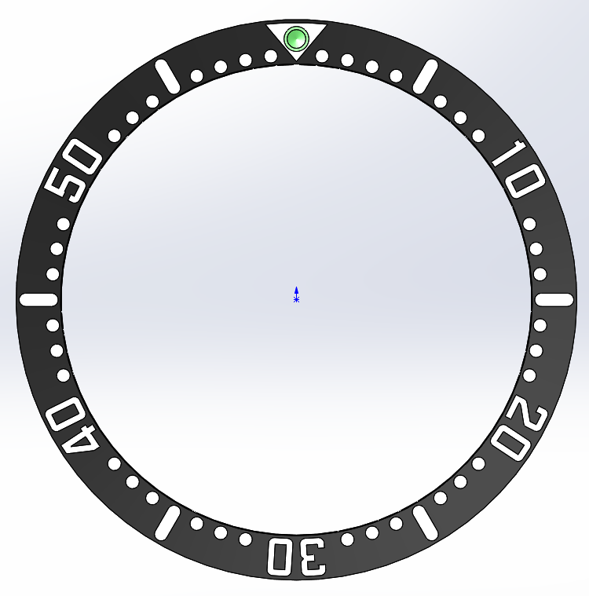
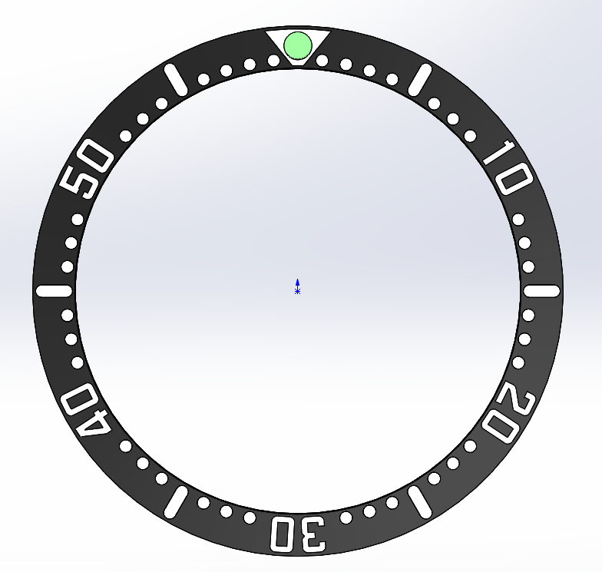




For NY004 --> New mold name plate

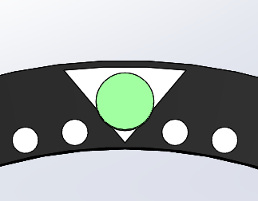

If change to luminous capsule, The area not OK.
Therefore we changed shape to use luminous capsule.
All artwork not change from original but change only 12H triangle shape

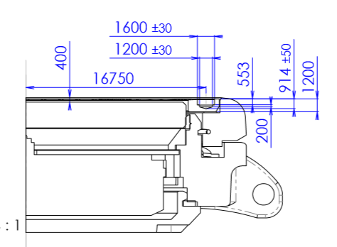
Original

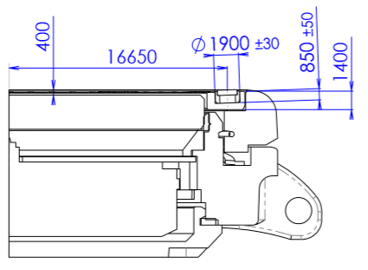

Change glass from 54-L5584G to 54-035784G
to keep gap between glass and nameplate

PDM
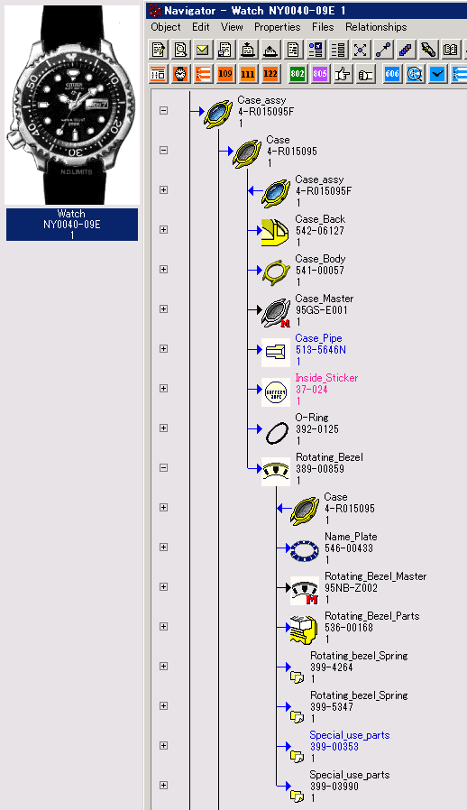
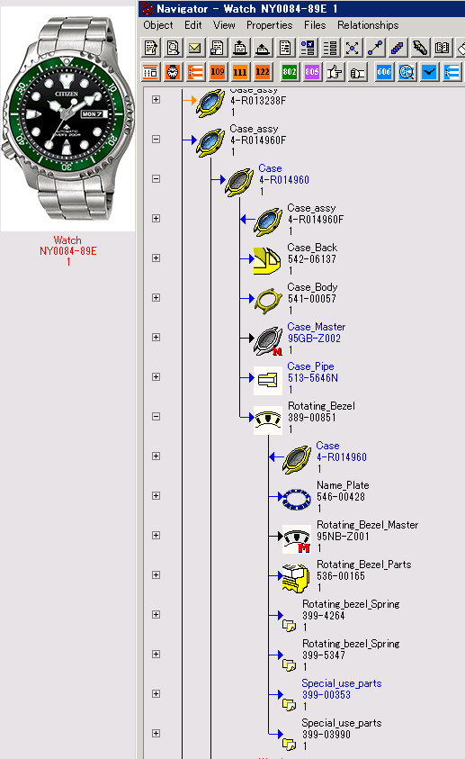

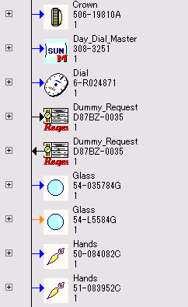

Drawing
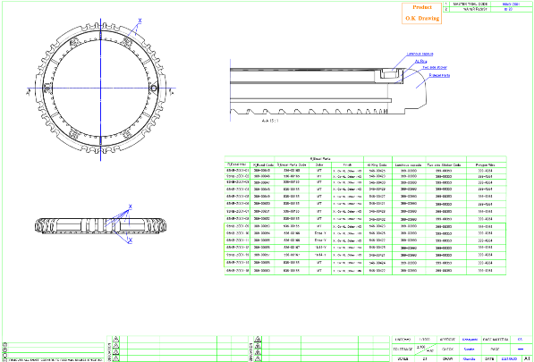
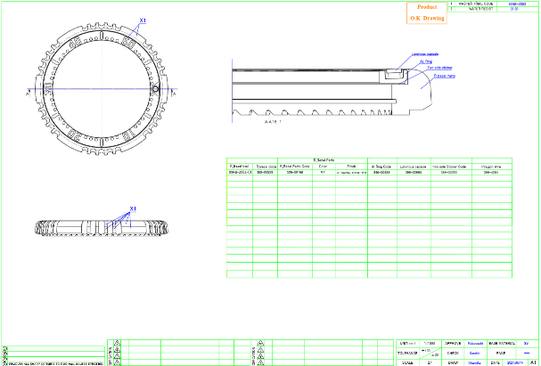
NY008 | NY004
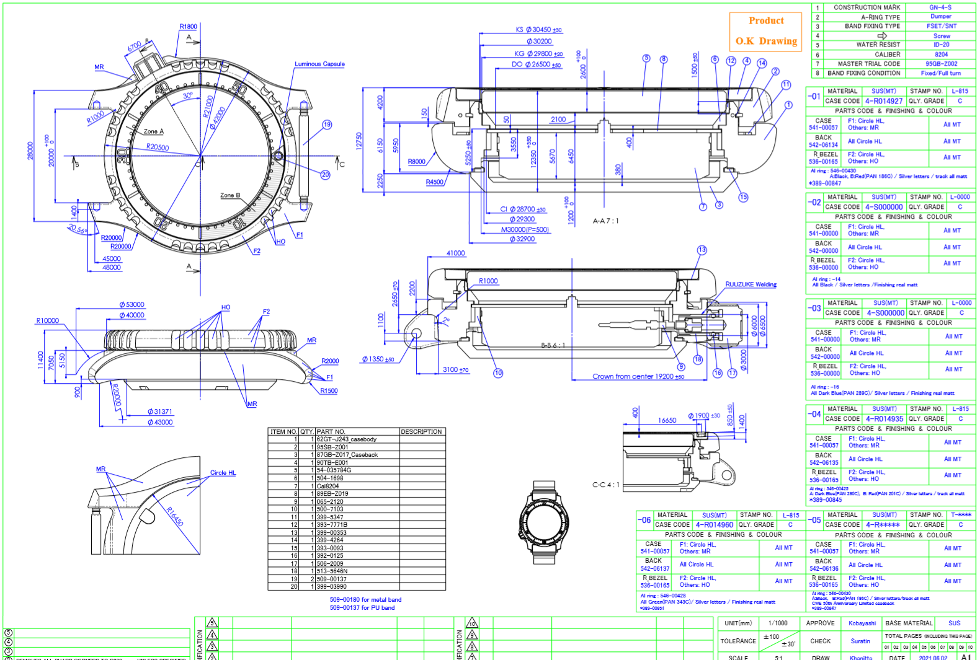
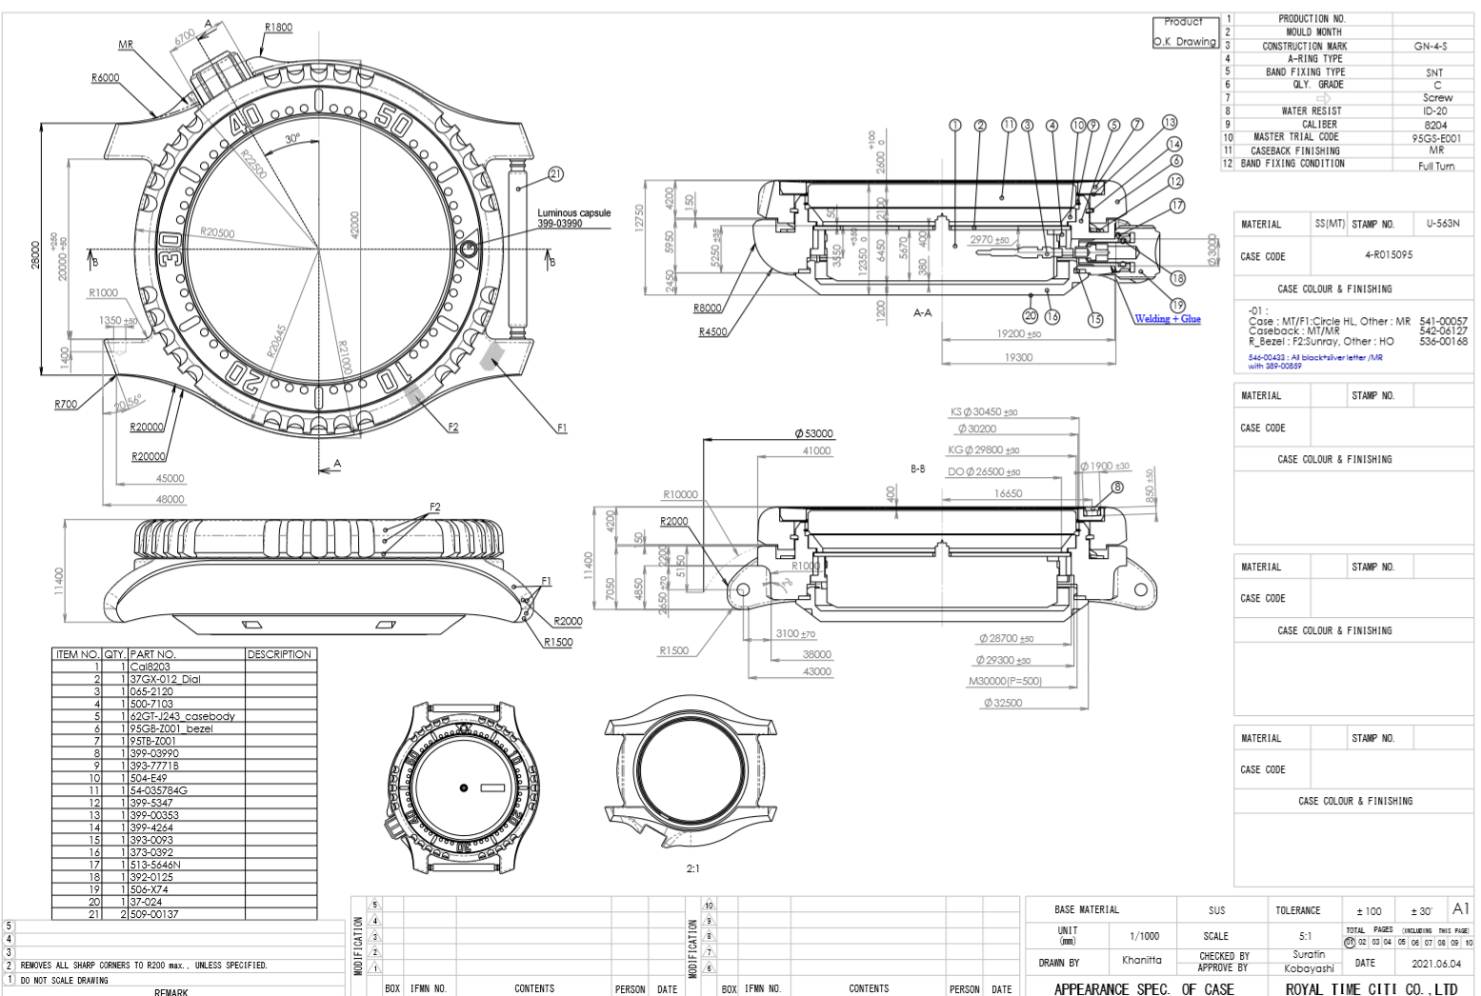

add spec caseback 62GT-J243
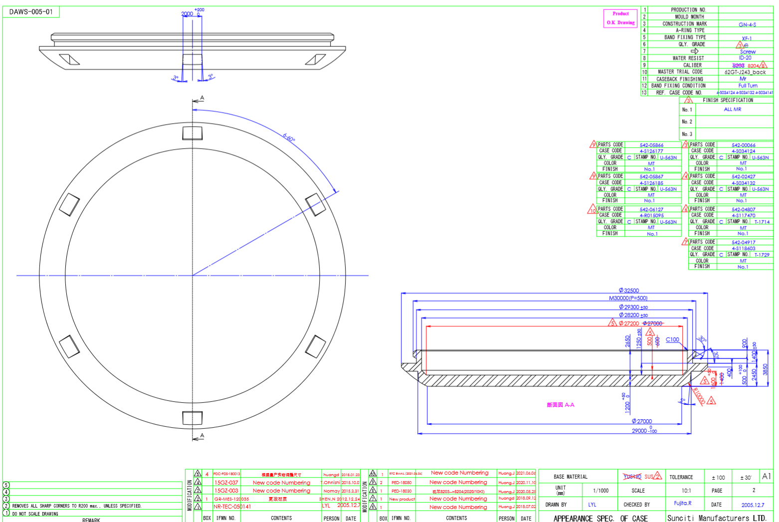

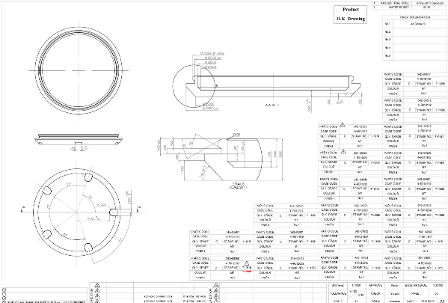

add spec caseback 87GB-Z017
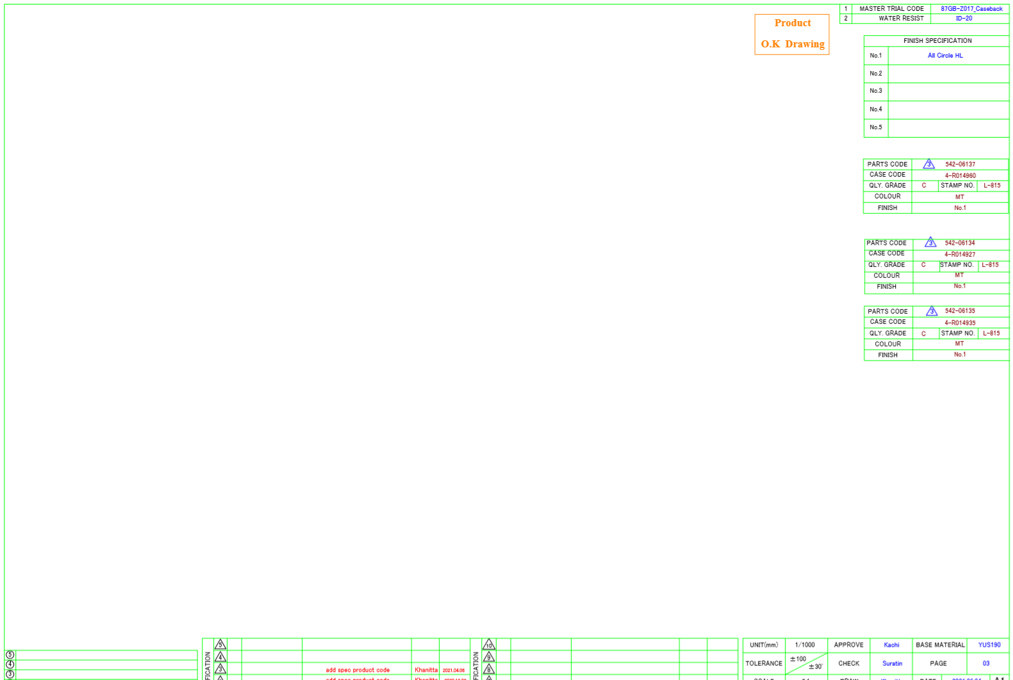

NY004 use R_bezel common with NY008
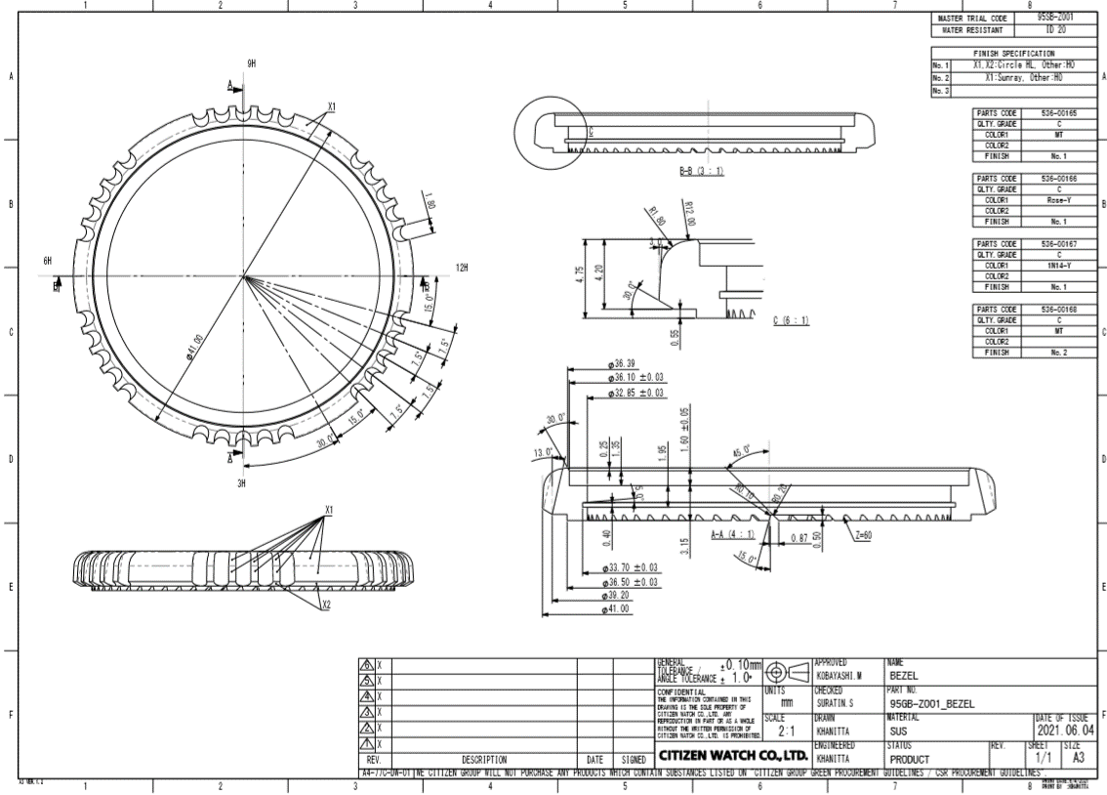

New mold
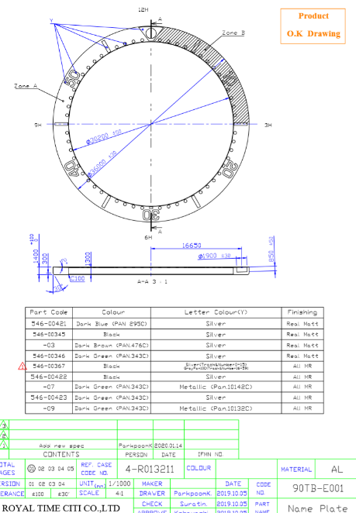
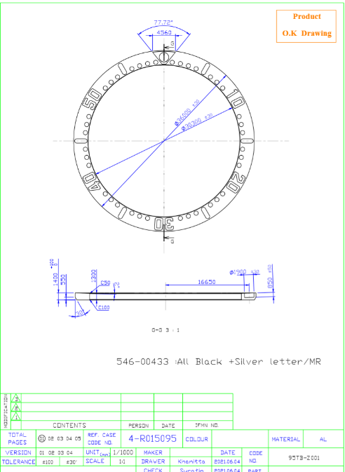
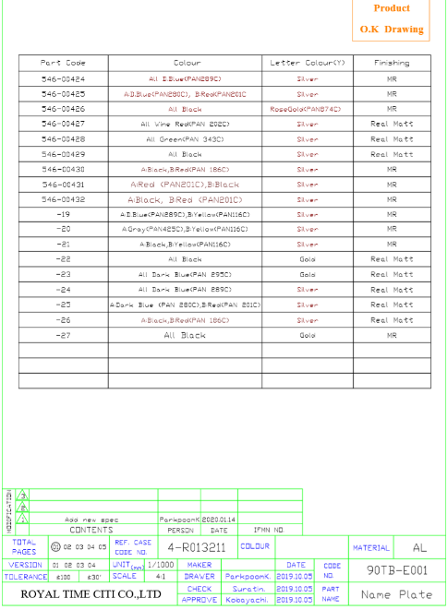
Move spec from 87TB-Z002 to add spec 90TB-E001

