仕様変更連絡書
 |  |  |  | 外装変更提案・連絡書
 |  |  |  |  |  |  |  |  |  |  |  | 発行No.
宛先 | PDC 李佳銘様 |  |  |  |  |  |  | 殿 |  |  |  | RTC-021
 |  |  |  |  |  |  |  |  |  |  | 発行 | 15/6/2021

連絡概要 |  |  |  |  |  |  |  |  | 発行元 |  |  |  |  | 承認 | 担当
Change new A-ring |  |  |  |  |  |  |  |  | RTC
商品コード |  |  |  |  |  |  |  |  | 製品コード |  |  |  | 機種一石数
 |  |  |  |  | 501-52004 |  |  |  | Please see effect model as below |  |  |  | E031
商品名 |  |  |  | 旧番・試番 |  | コード |  |  | 月次 | 数量 | 実施 |  | 実施希望
 |  |  |  |  |  |  |  |  |  |  |  |  | From 2021/09KI
変更内容
 | ◆ Detail for chang of 79WT-Z004 model
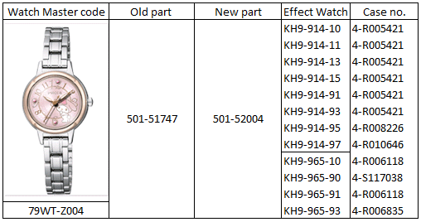
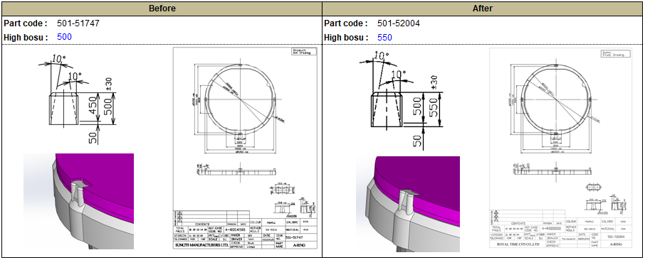

Old A-ring easy to take off with reflection film model. Then it must increase high of bosu to fix it.
 | ◆ Change new A-Ring from 501-51747 → 501-52004
 | ◆ RTC start production change from 2021/09ki.
Dial gap problem.

変更理由分類 |  |  |  |  |  |  | 理由詳細
計画変更 |  |  | コスト対策 |  | 加工対策 |  | Refer defective dial gap of dial moluld 79ET-Z005
仕様変更 |  |  | 在庫対策 |  | 工程変更 |  | It has dial gap problem very long time. Dimension on Dial and film
標準化 |  |  | 市場要求 |  | 不良対策 |  | are OK but it still found dial gap problem.
共通化 |  |  | 手配ミス |  | 事故対策 | ○ | Then we will change new A-ring to slove this problem.
品質向上 |  | ○ | 誤記訂正 |  | 納期対策 |  | By chage Bosu high from 500 to 550 um.

回答・手配 |  |  |  | 担当部署 |  |  |  |  | 処理月日 |  |  | 発行No.
 |  |  |  |  |  |  |  |  | 年 月 日
 |  |  |  |  |  |  |  |  |  | 採用 |  | 不採用 |  | 承認 | 担当

 |  |  |  |  |  |  |  |  |  | 実施

配布先

① 発行元控

Defective report
DEFECTIVE ANALYSIS REPORT
NEW MODEL SECTION

PROBLEM : |  |  | KH9-9* Dial gap change bosu high from 500 to 550 mm. |  |  |  |  |  |  |  |  |  | Rec. date : |  | 16-Jun-21
Test Date |  | 16-Jun-21 |  | MV holder | 501-51747, 501-52004 |  | Dial | 6-R018367, 6-R018383, 6-R018375, 6-R019223
Watch Code |  | KH9-9* |  | Master code | 501-K0113 |  | Trial Code | 79ET-Z005-01, 03, 04, 05
Trial Code |  | 79WT-Z004* |  | Maker | SML |  | Maker | CWT

 | [1] BACKGROUND
 | - Refer defective dial gap of dial moluld 79ET-Z005

 | [2] CONCLUSION
 | 1. Design create new MV holder code 501-52004 by revise bosu high from 500 mm. to 550 mm.
 | 2. TE request WCF assembly and measurement(function) test are OK.
 | 3. TE request change MV holder from 501-51747 to 501-52004

 | [3] 3D. Simmulation
 | 3D simmulation check
 | Condition

 | Before |  |  |  |  |  | After
 | Part code : | 501-51747 |  |  |  |  | Part code : | 501-52004
 | High bosu : | 500 |  |  |  |  | High bosu : | 550
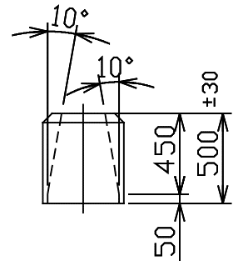
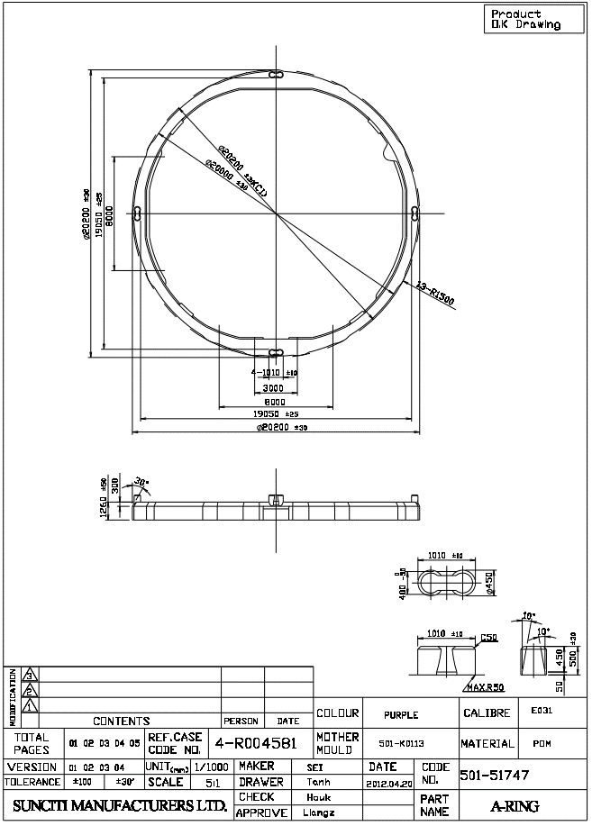
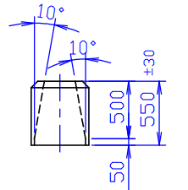
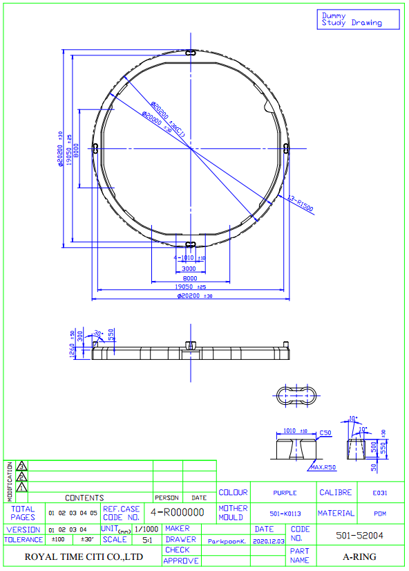

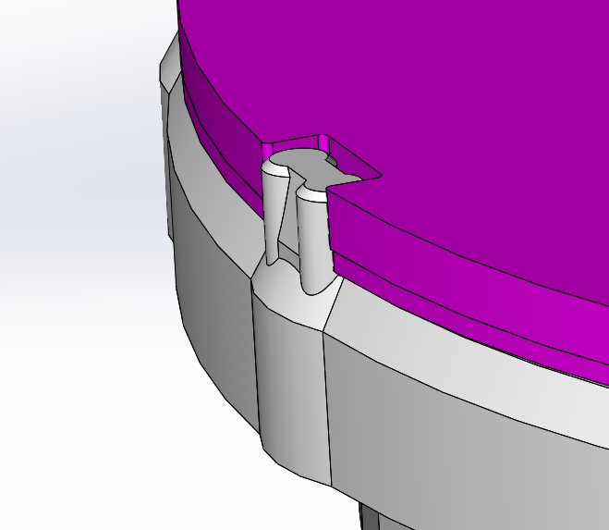
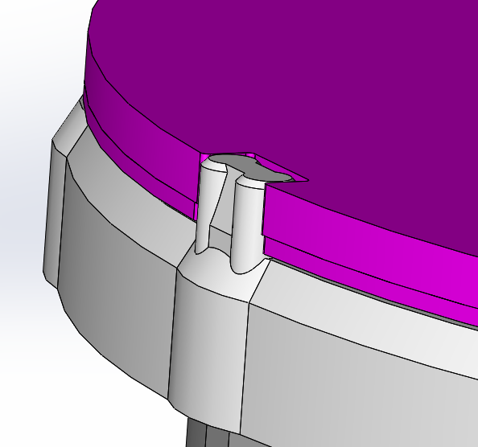

 | [4] DIMENSION CHECK
 | Recheck dimension
 | Movement holder |  |  |  |  |  |  |  |  | Dial
 | Part code | 501-51747 | 501-52004 |  |  |  |  |  |  | Part code | 6-R018383
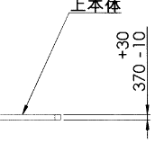
A
 | Trial code | 501-K0113 |  |  |  |  |  |  |  | Trial code | 79ET-Z005-03
501-51747
501-52004
 | Sample no. | 501-51747 | Result | 501-52004 | Result |  |  |  |  | Sample no. | A [mm] | Result
 |  | 500±30 |  | 550±30 |  |  |  |  |  |  | [370 (-10/+30)]
 | 1 | 480 | OK | 570 | OK |  |  |  |  | 1 | 360 | OK
 | 2 | 500 | OK | 550 | OK |  |  |  |  | 2 | 370 | OK
 | 3 | 500 | OK | 550 | OK |  |  |  |  | 3 | 370 | OK
 | 4 | 490 | OK | 570 | OK |  |  |  |  | 4 | 360 | OK
 | 5 | 500 | OK | 560 | OK |  |  |  |  | 5 | 370 | OK

 | Case back
 | Part code | 542-00661F
 | Trial code | 75GT-Z039
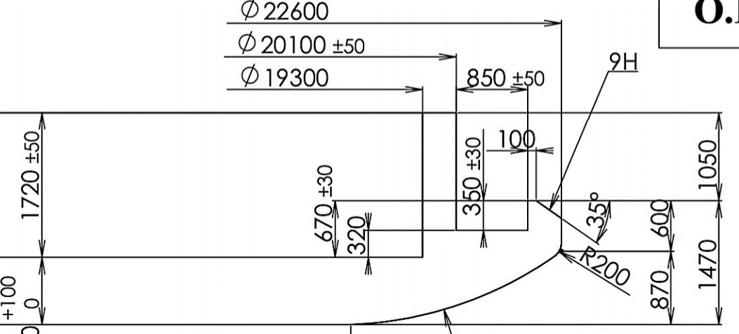
A
B
 | Sample | A 1720±50 [mm] |  |  |  | B 670±30 [mm] |  |  |  | Result
 |  | 12H | 3H | 6H | 9H | 12H | 3H | 6H | 9H
 | 1 | 1729 | 1726 | 1713 | 1734 | 666 | 665 | 648 | 663 | OK
 | 2 | 1708 | 1704 | 1694 | 1690 | 654 | 663 | 650 | 647 | OK
 | 3 | 1714 | 1717 | 1716 | 1712 | 650 | 654 | 650 | 651 | OK
 | 4 | 1746 | 1733 | 1738 | 1737 | 675 | 678 | 675 | 684 | OK
 | 5 | 1699 | 1695 | 1710 | 1702 | 645 | 647 | 659 | 651 | OK

Before : 501-51747
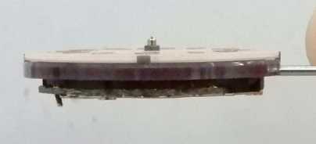
Original : 501-52004
 | [5] ASSEMBLY TEST
 | Movement holder 550 mm.
 | Condition | 1. Casing process check
 |  | 2. Final process check

 | Checking process |  |  |  |  | 501-51747 |  |  |  |  | 501-52004
 |  |  |  |  |  |  |  | Sample no. |  |  |  |  | Sample no.
 | 1. Casing process |  |  |  |  | 1 | 2 | 3 | 4 | 5 | 1 | 2 | 3 | 4 | 5
 | 1.1 | MV holder fix |  |  |  | OK | OK | OK | OK | OK | OK | OK | OK | OK | OK
 | 1.2 | Dial fix |  |  |  | NG | NG | NG | NG | NG | OK | OK | OK | OK | OK
 | 1.3 | Hand fix (Hour hand, Minute hand, Second hand) |  |  |  | NG | NG | NG | NG | NG | OK | OK | OK | OK | OK
 | 1.4 | Check hand |  |  |  | NG | NG | NG | NG | NG | OK | OK | OK | OK | OK
 | 1.5 | Clean |  |  |  | Dificult | Dificult | Dificult | Dificult | Dificult | OK | OK | OK | OK | OK
 | 1.6 | Close case back |  |  |  | OK | OK | OK | OK | OK | OK | OK | OK | OK | OK
 | 1.7 | QC inspection |  |  |  | OK | OK | OK | OK | OK | OK | OK | OK | OK | OK
 | 2. Final process check
 | 1.1 | Function check |  |  |  | OK | OK | OK | OK | OK | OK | OK | OK | OK | OK
 | 1.2 | Time set check |  |  |  | OK | OK | OK | OK | OK | OK | OK | OK | OK | OK
 | 1.3 | Chamber check |  |  |  | OK | OK | OK | OK | OK | OK | OK | OK | OK | OK
 | 1.4 | Stop check |  |  |  | OK | OK | OK | OK | OK | OK | OK | OK | OK | OK
 | 1.5 | Waterproof check |  |  |  | OK | OK | OK | OK | OK | OK | OK | OK | OK | OK

 | [6] EFFECT PRODUCTION |  |  | >>> Start 202109P

 |  |  |  |  |  |  |  |  |  | Report by : |  | Verify By : |  | Approve by :
 |  |  |  |  |  |  |  |  |  | Suchanya T. |  | Thitipong W. |  | Kobayashi

 |  |  |  |  |  |  |  |  |  | 11-Jun-21 |  | 11-Jun-21 |  | 11-Jun-21

Drawing
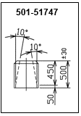
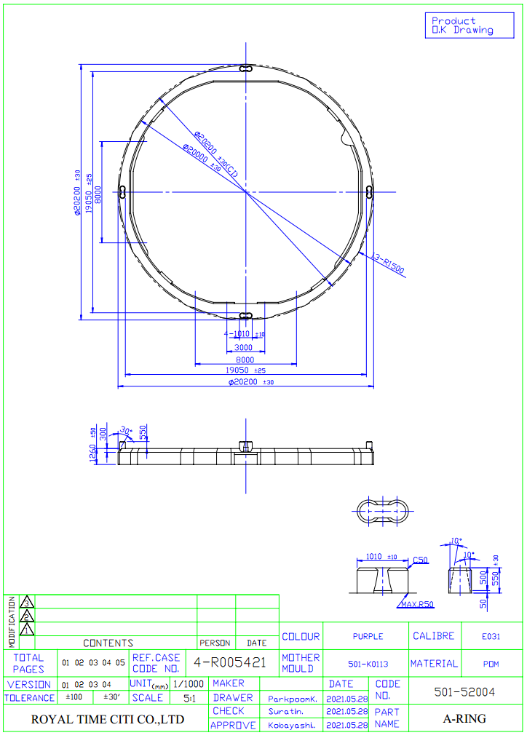

Old shape

