page1
REQUIREMENT AND INFORMATION DOCUMENT

 |  | Objective : | - The preliminary data. BOM master operator to change and save The changes causes |  |  |  |  |  |  |  |  |  | No. : | DE-REQ-200XX
 |  |  | - This document will be issued by concerned section. |  |  |  |  |  |  |  |  |  | Issue Date : | 3-Sep-21
SUBJECT : |  |  | Adjust packing style model FE609* |  |  |  |  | INFORMATION BY : |  |  |  |  | APPROVED :
เพิ่มเอกสารหรือระบบข้อมูลอะไรที่เปลี่ยนแปลง
 |  |  |  |  |  |  |  | Suchera M. |  |  |  |  | Thitipong W.
DOCUMENT or |  |  |  | Drawing |  | BOM Master | PO |  |  | Method (WI)
DATA OF CHANGE |  |  |  | PDM |  | SAP | Production Plan |  |  | Other
PARTS CODE : |  |  |  |  |  |  |  | WATCH CODE :
 | Change From HM-B01 to HM-B04 |  |  |  |  |  |  |  | FE6098-08WW
 | Change From DX-E3 to DX-E4 |  |  |  |  |  |  |  | FE6098-08WZ
 | Change From PB-S01 to PB-S02
 | Change From BX-007S to BX-008S
 | Add Twist tie
CLASSIFICATION FOR CHANGING : |  |  |  |  |  |  |  | START REQUIRE PRODUCTION MONTH : 202110P
 | Change Order |  |  |  | Save Cost |  | Change Process |  |  |  | Standardization |  |  |  | Common
 | Mistake Order |  |  |  | Change Specification |  | Reduct for Stock |  |  |  | Qualitty Upgrade |  |  |  | Mistake Write
 | For Defective |  |  |  | For Improved |  | Marcket Request |  |  |  | Other | Setting packing mistake
เพิ่มรายการ
กำหนดจะต้อง อธิบายโดยย่อ สื่อให้เข้าใจถึงสาเหตุ
สำเนาไปที่ TE information
DESCRIPTION
 | <Reason Explain>
 | Because can't packing.

 | We would like to adjust packing style of model FE609*for strap as detail below.
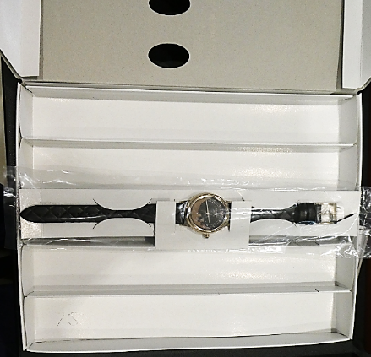
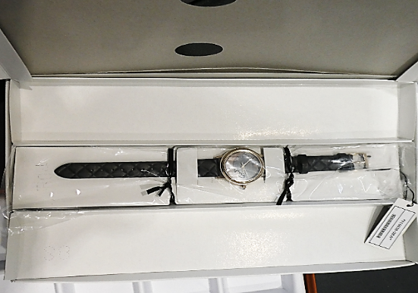

Before
HM-B01 : used 1 pcs./model
PB-S01 : used 1 pcs./model
DX-E3 : used 1 pcs./model
BX-007S : used 0.2 pcs./model
After
HM-B04 : used 1 pcs./model
PB-S02 : used 1 pcs./model
DX-E4 : used 1 pcs./model
BX-008S : used 0.33 pcs./model Twist tie : used 2 pcs./model

Effect order

 | TECH new model will add box andHangling Holder for mass production see detail below.
 |  | 1. Hangling holder HM-B04 : 1 pcs./model Q'ty (1,115) pcs. + spare 0 % = 1,115 pcs.
 |  | 2. Poly bag PB-S02 : 1 pcs./model Q'ty (1,115) pcs. + spare 0 % = 1,115 pcs.
 |  | 3. Paper card DX-E4 : 1 pcs./model Q'ty (1,115) pcs. + spare 0 % = 1,115 pcs.
 |  | 4. Box BX-008S : 0.33 pcs./model Q'ty (1,115) pcs. + spare 0 % = 373 pcs.
 |  | 5. Twist tie Twist tie : 2 pcs./model Q'ty (1,115) pcs. + spare 0 % = 2,230 pcs.

 | Remark : | - Please report the cause and the result was later changed. For complete details
 |  | - Change maker of parts must have price before and after change
 |  |  |  |  |  |  |  |  |  |  |  |  |  |  |  | FR-TE-00-016-Rev.00

