Information from email
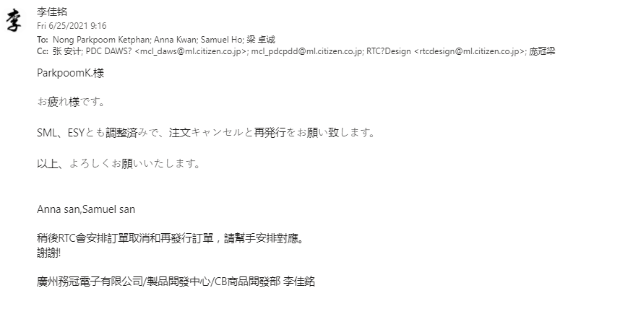
1. 21/06/21 Information from PDC to cancel Matrix code (501-52004) and advised to use CECIL code (500-000R9-01)

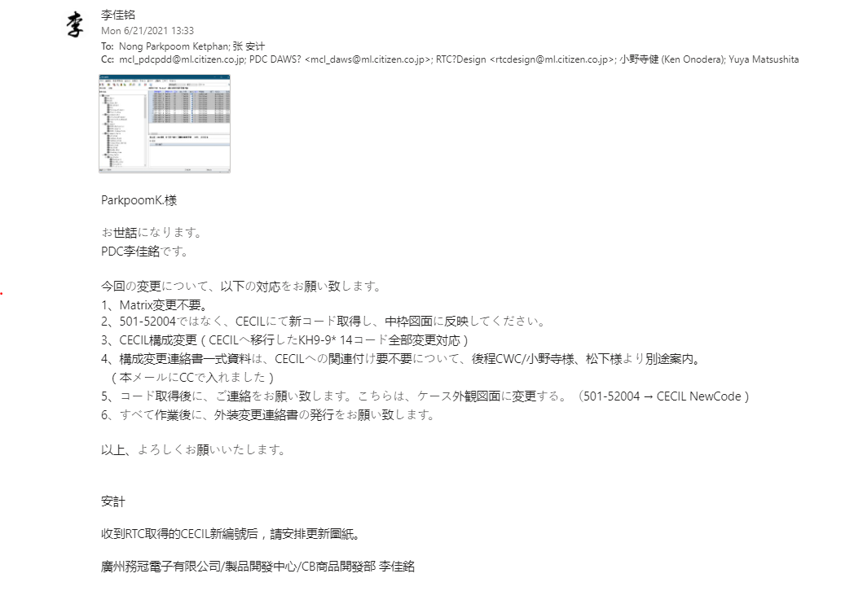

1. 23/06/21 Information to PDC, to ask for order with Matrix code(501-52004)

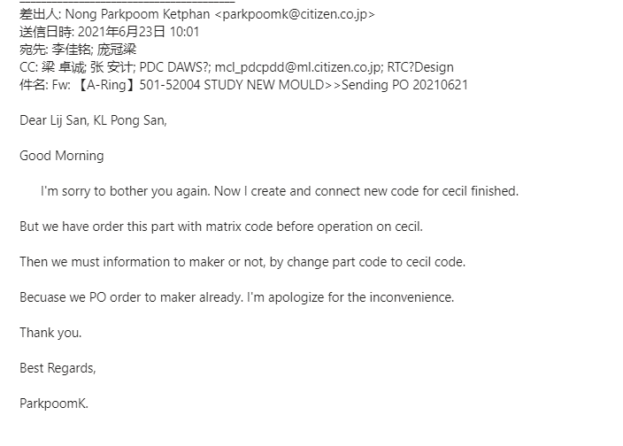

3. 25/06/21 PDC information to let us cancel order and revised part code

Drawing
