page1
REQUIREMENT AND INFORMATION DOCUMENT

 |  | Objective : | - The preliminary data. BOM master operator to change and save The changes causes |  |  |  |  |  |  |  |  |  |  |  |  |  | No. : |  | DE-REQ-210XX
 |  |  | - This document will be issued by concerned section. |  |  |  |  |  |  |  |  |  |  |  |  |  | Issue Date : |  | 23-Sep-21
SUBJECT : |  |  | Change maker of Strap band 59-S54127 to BKC |  |  |  |  |  |  |  | INFORMATION BY : |  |  |  |  |  | APPROVED :
 |  |  |  |  |  |  |  |  |  |  |  |  | Suchera M. |  |  |  |  | Thitipong W.
DOCUMENT or |  |  |  | Drawing |  |  | BOM Master |  |  | PO |  |  |  | Method (WI)
DATA OF CHANGE |  |  |  | PDM |  |  | SAP |  |  | Production Plan |  |  |  | Other
PARTS CODE : |  |  |  |  |  |  |  |  |  |  | WATCH CODE :
 | 59-S54127 change maker SML to BKC |  |  |  |  |  |  |  |  |  |  | CB0150-11A
 |  |  |  |  |  |  |  |  |  |  |  | CB0150-11AV

CLASSIFICATION FOR CHANGING : |  |  |  |  |  |  |  |  |  |  | START REQUIRE PRODUCTION MONTH : |  |  |  |  |  |  | 2022_02KI
 | Change Order |  |  |  |  | Save Cost |  |  |  | Change Process |  |  |  |  | Standardization |  |  |  |  | Common
 | Mistake Order |  |  |  |  | Change Specification |  |  |  | Reduct for Stock |  |  |  |  | Qualitty Upgrade |  |  |  |  | Mistake Write
 | For Defective |  |  |  |  | For Improved |  |  |  | Market Request |  |  |  |  | Other
DESCRIPTION
 | <Reason Explain>
 | We've found the leather band 59-S54127 , was made at BKC and was cheaper than SML.

 | We would like to change maker of 59-S54127 from SML to BKC

 |  | Band NO. |  |  | Old maker |  |  | Price |  | Change |  |  | New maker |  |  | Price
 |  | 59-S54127 |  |  | SML |  |  | 73.86 | HKD | ------> |  |  | BKC |  |  | 282 |  | THB

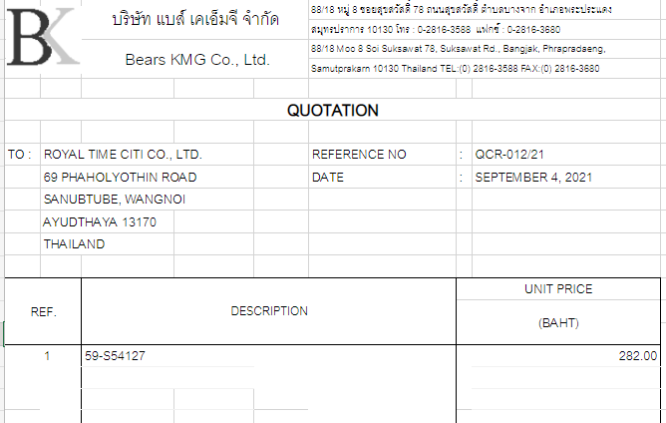

 | Not effect order
Request start 2022_02Ki

 | Remark : | - Please report the cause and the result was later changed. For complete details
 |  | - Change maker of parts must have price before and after change
 |  |  |  |  |  |  |  |  |  |  |  |  |  |  |  |  |  |  |  |  | FR-TE-00-016-Rev.00

