Sheet2
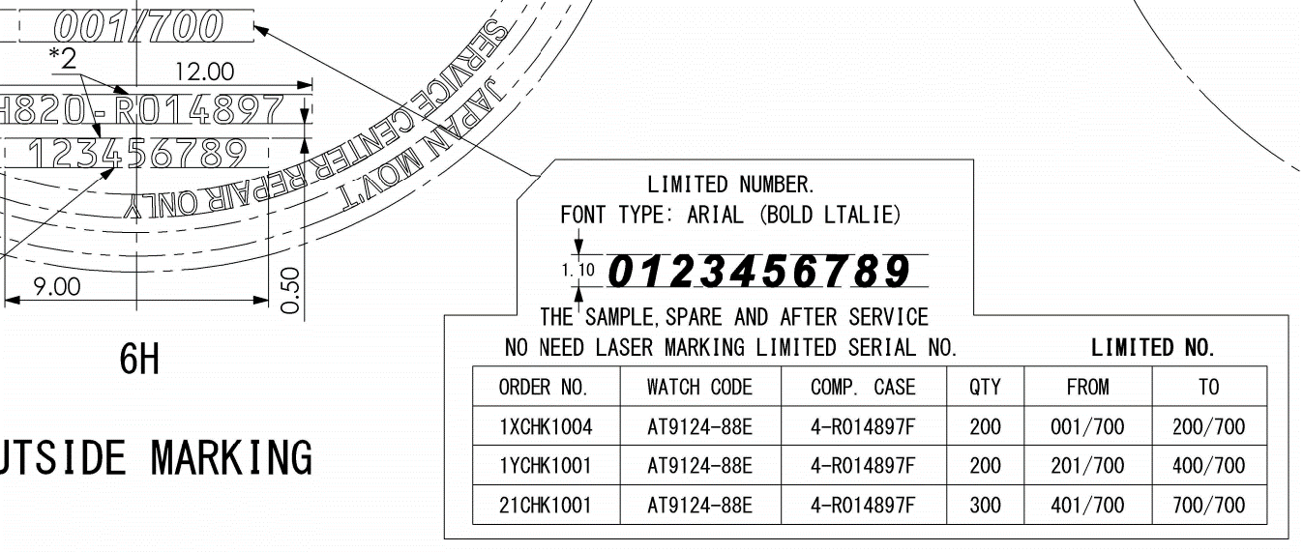
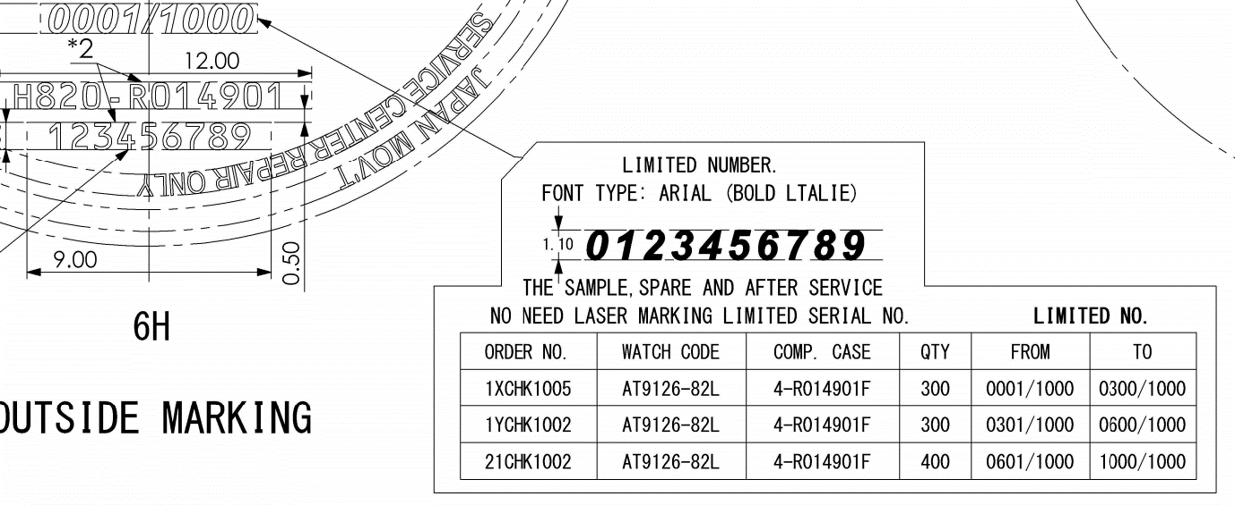
Update remark (4) "Limited Number" in SAP system.

 | Order No | Watch Code | Case No | Remark (4)
 | 1XCHK1004 | AT9124-88E | 4-R014897F | From - 001/700 - To 200/700 | CHD,CWH,4-*,*-50
 | 1YCHK1001 | AT9124-88E | 4-R014897F | From - 201/700 - To 400/700 | CHD,CWH,4-*,*-50
 | 21CHK1001 | AT9124-88E | 4-R014897F | From - 401/700 - To 700/700 | CHD,CWH,4-*,*-50

 | 1XCHK1005 | AT9126-82L | 4-R014901F | From - 0001/1000 - To 0300/1000 | CHD,CWH,4-*,*-50
 | 1YCHK1002 | AT9126-82L | 4-R014901F | From - 0301/1000 - To 0600/1000 | CHD,CWH,4-*,*-50
 | 21CHK1002 | AT9126-82L | 4-R014901F | From - 0601/1000 - To 1000/1000 | CHD,CWH,4-*,*-50

Update Data T:\Limited_control

Update drawing stamp back to RTC system finished.

