Sheet2
จาก: Jeab Wandee Pimpaporn <wandeep@citizen.co.jp>
ส่ง: 25 พฤศจิกายน 2564 17:51
ถึง: Wi Wiparat Sukeemit <wiparats@citizen.co.jp>
สำเนาถึง: Jariya Changpechphol <jariyac@citizen.co.jp>; X Thitipong Wongsin <thitipong@citizen.co.jp>; Bow Pakamas Kongchana <pakamasko@citizen.co.jp>
ชื่อเรื่อง: AW1585-55LS_Revise BOM

Dear : N. Wi

Please issue information+Add order add parts Packing back and Packing style ➡️
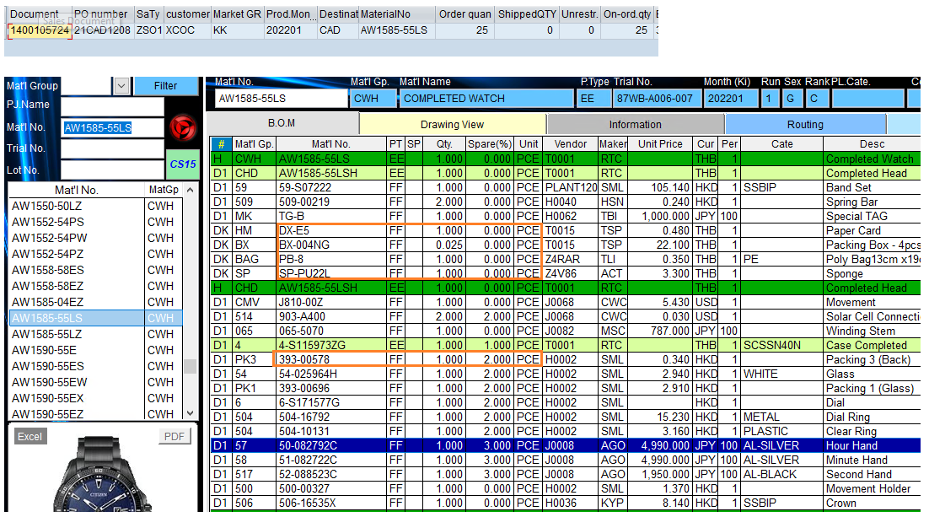

Thank you.
​Wandee/TM Section.
Technical Dept. (RTC)

