SummaryReport
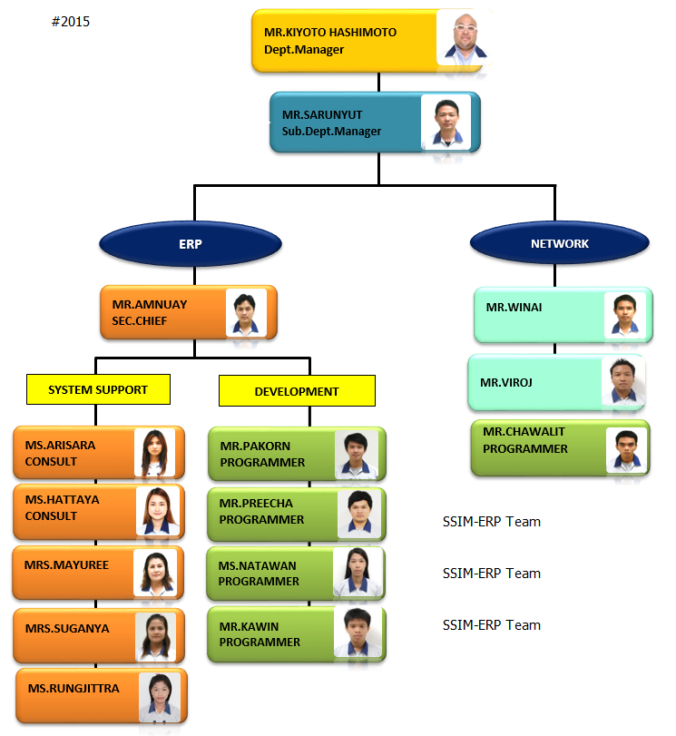
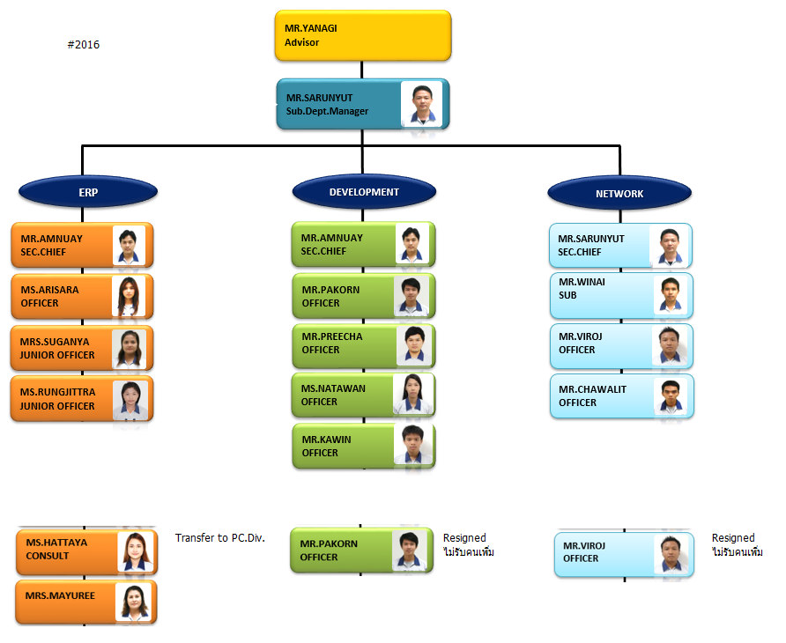
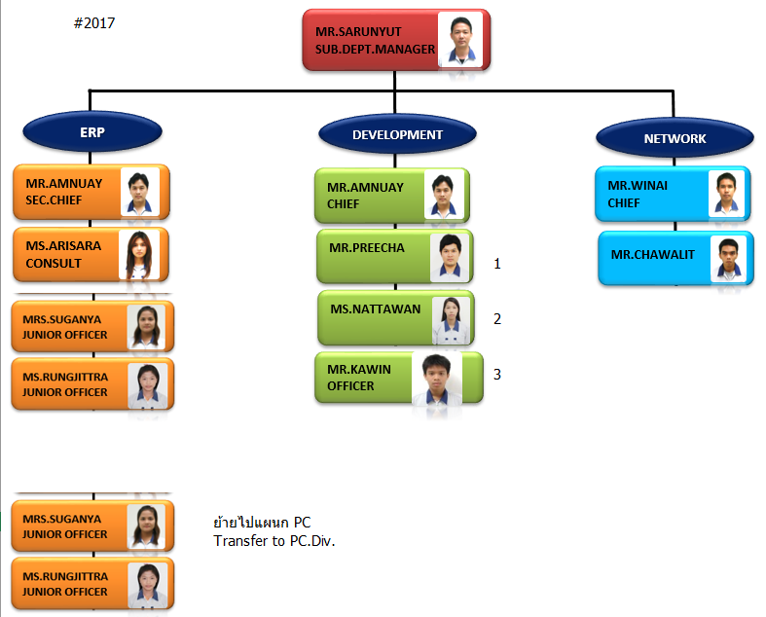
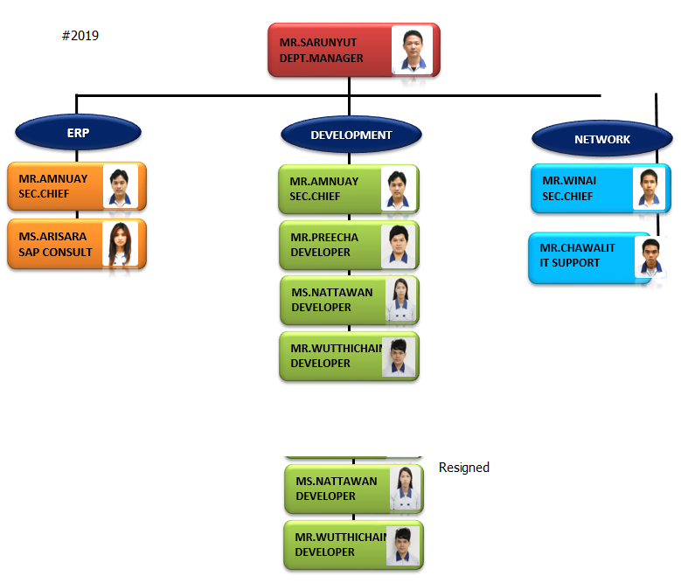
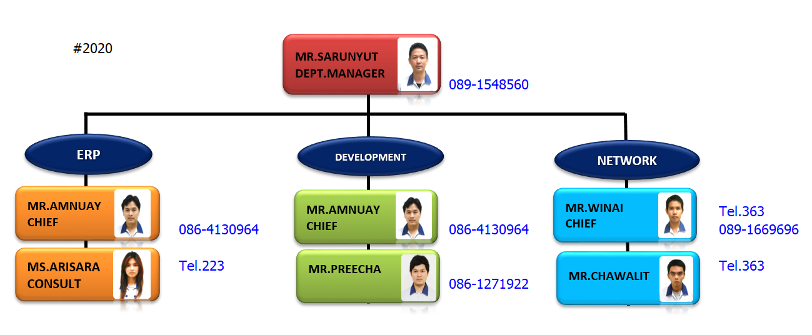
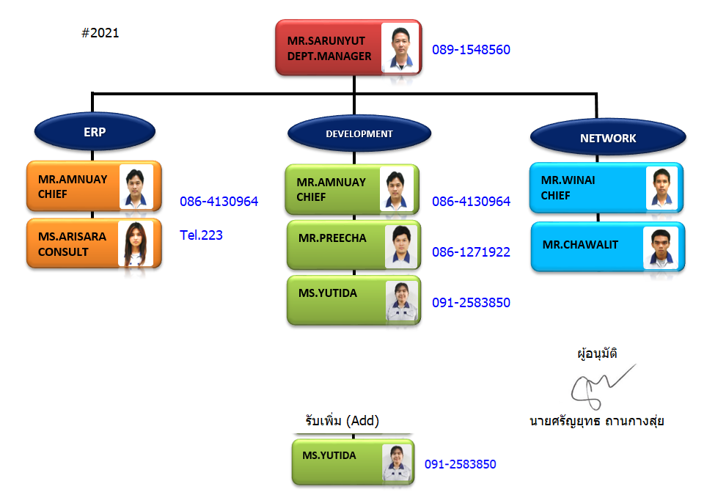
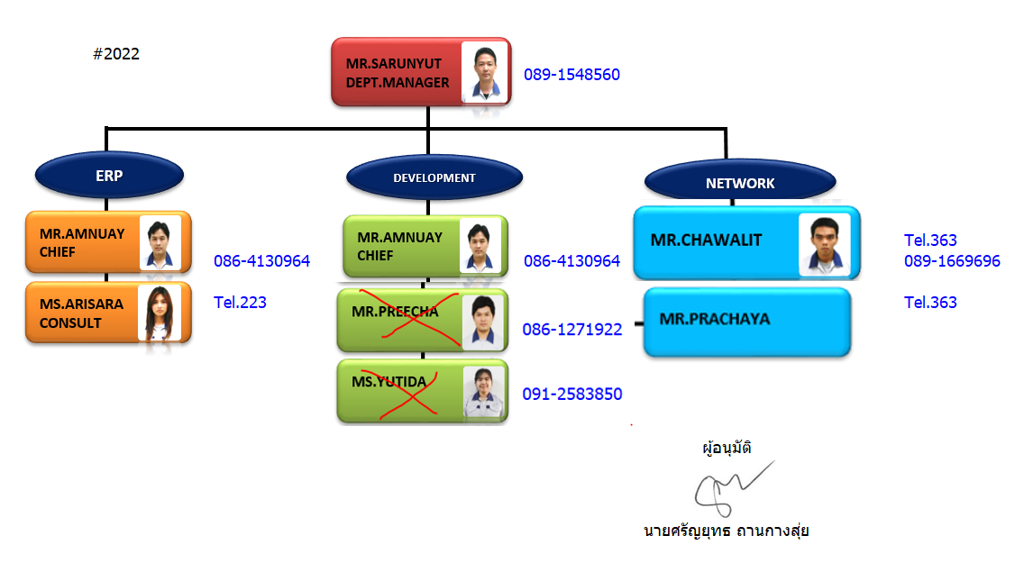
Section / Period | 2015 |  |  | 2016 |  |  | 2017 |  |  | 2018 |  |  | 2019 |  |  | 2020 |  |  | 2021 |  |  | 2022
 | Man Power | Resign | Replace | Man Power | Resign | Replace | Man Power | Resign | Replace | Man Power | Resign | Replace | Man Power | Resign | Replace | Man Power | Resign | Replace | Man Power | Resign | Add | Man Power | Resign | Replace
ERP | 6 | 2 | - | 4 | - | - | 4 | 2 | - | 2 | - | - | 2 | - | - | 2 | - | - | 2 | - | - | 2 | - | -
DEVELOPMENT | 4 | - | - | 4 | 1 | - | 3 | - | - | 3 | - | - | 3 | 2 | - | 1 | - | - | 1 | - | 1 | 2 | 2 | 2 | Waiting New member
NETWORK | 3 | - | - | 3 | 1 | - | 2 | - | - | 2 | - | - | 2 | - | - | 2 | - | - | 2 | - | - | 2 | 1 | 1

Total | 13 | 2 | - | 11 | 2 | - | 9 | 2 | - | 7 | - | - | 7 | 2 | - | 5 | - | - | 5 | - | 1 | 6 | 3 | 3

 |  |  |  |  |  |  |  |  |  |  |  |  |  | Joy/Nu

