ポンチ絵
クライアント
(client_function.py)
Lambda関数
(lambda_function.py)
Presigned URL を生成
（有効期限: 1時間）
Lambdaへhttpリクエスト
（APIゲートウェイのURLへ）
API
Gateway
事前に連携
（AWSコンソールより）
Presigned URLを受信
（S3へ一時アクセスできるURL）
S3バケット
画像を送信
【ユーザ】
ローカルパス・ファイル名を指定
送信した画像
ステータス：200・500系etc

【参考】詰まった部分
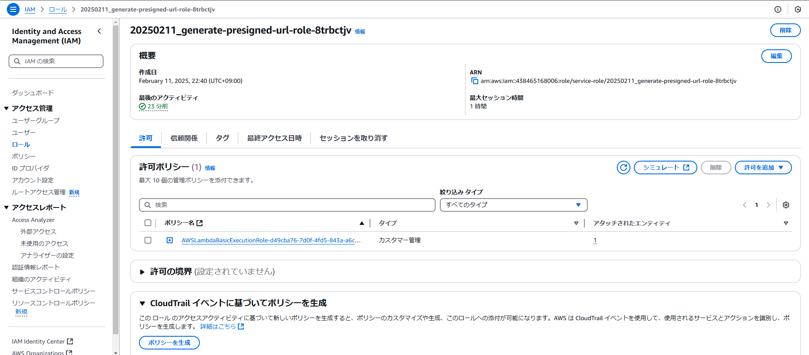
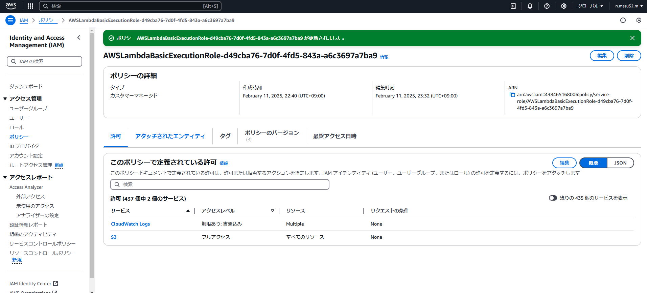
S3 - Lambdaの権限（IAM > ロール）について

【参考】各種設定
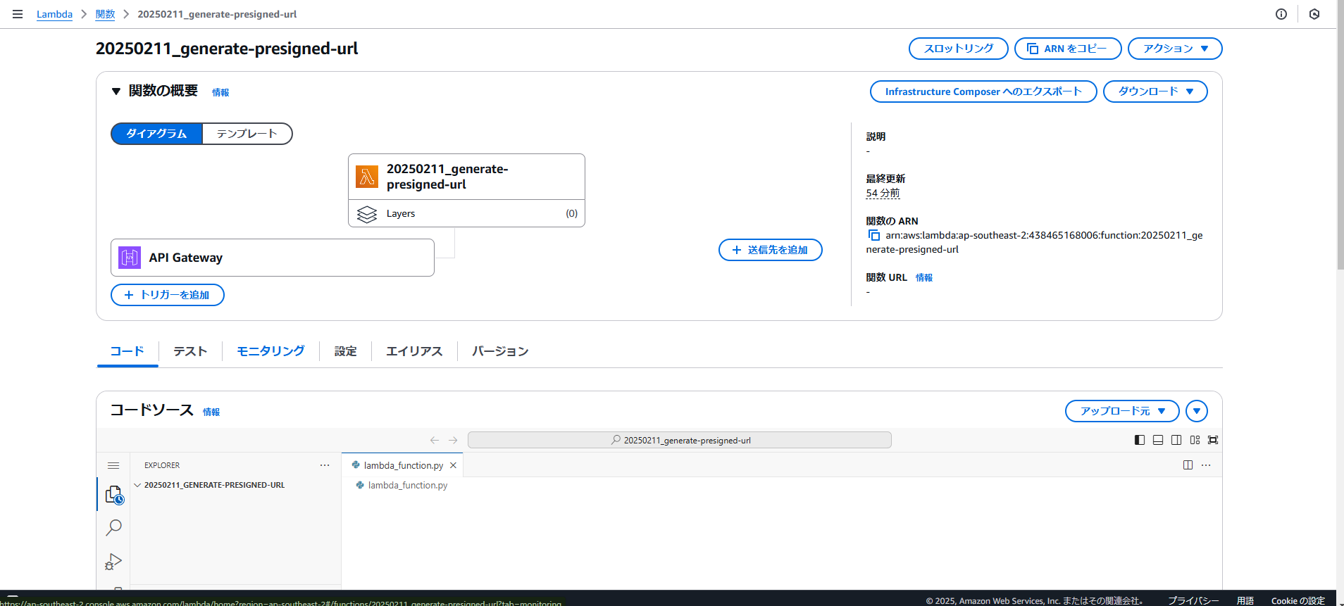
【S3バケットの作成】
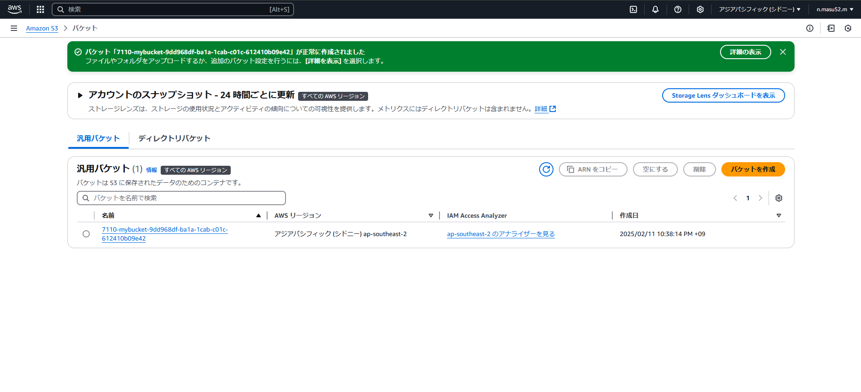

【API Gatewayの設定】http経由でLambda関数にアクセスできるようにする設定

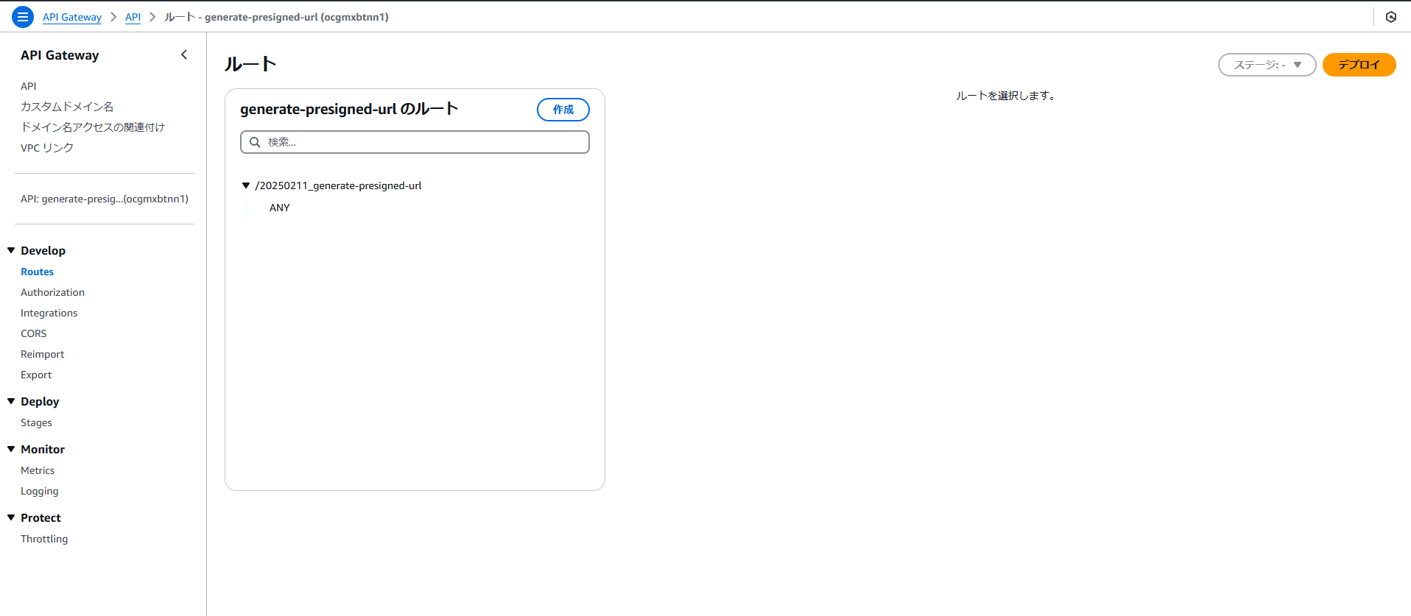

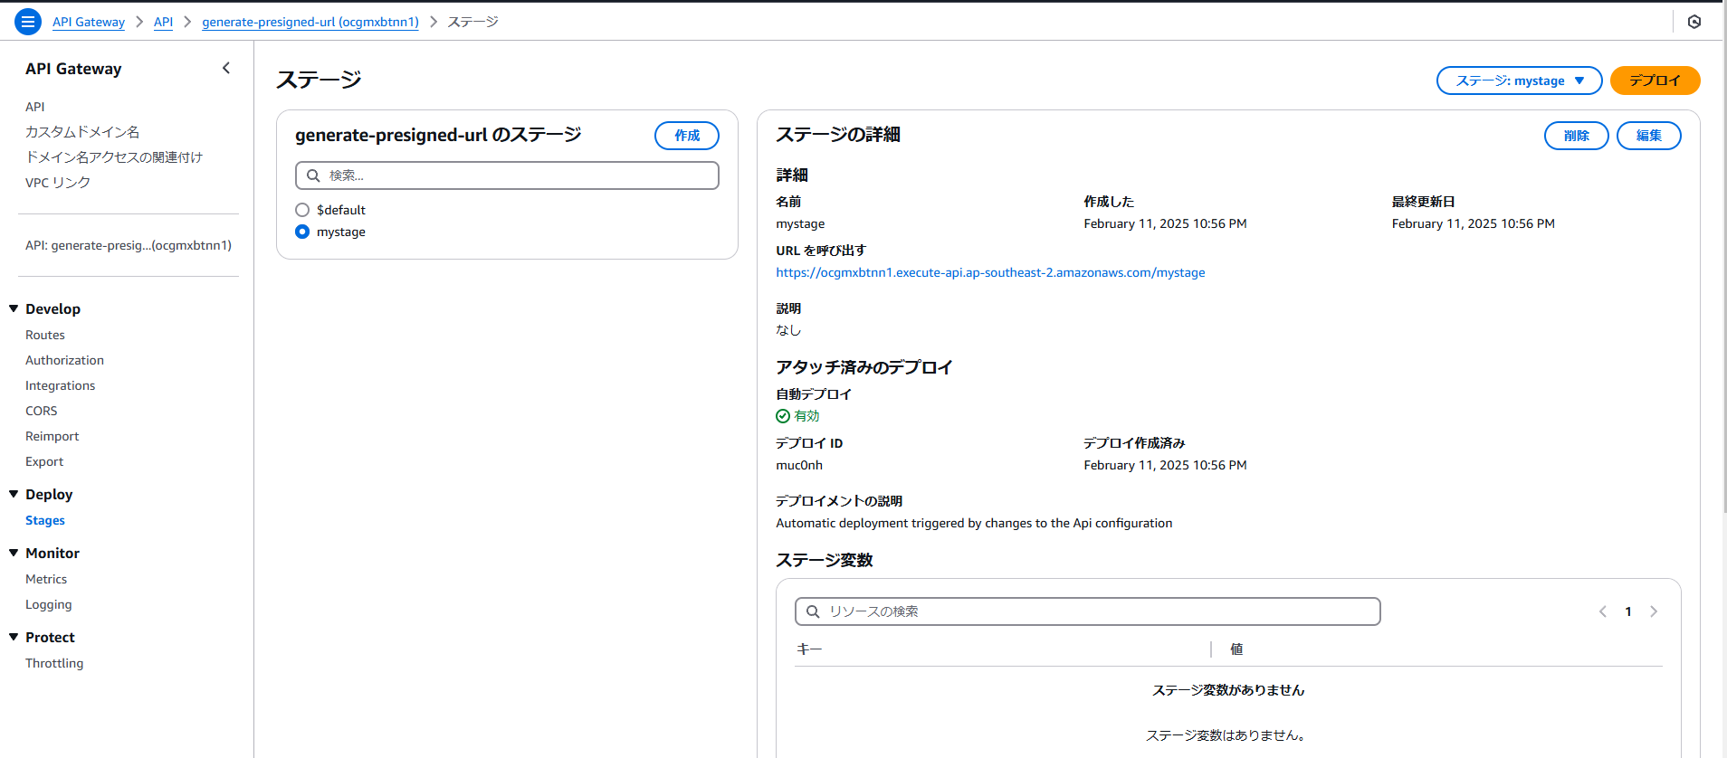

【Lambdaの設定】

【参考】結果
