Sheet1
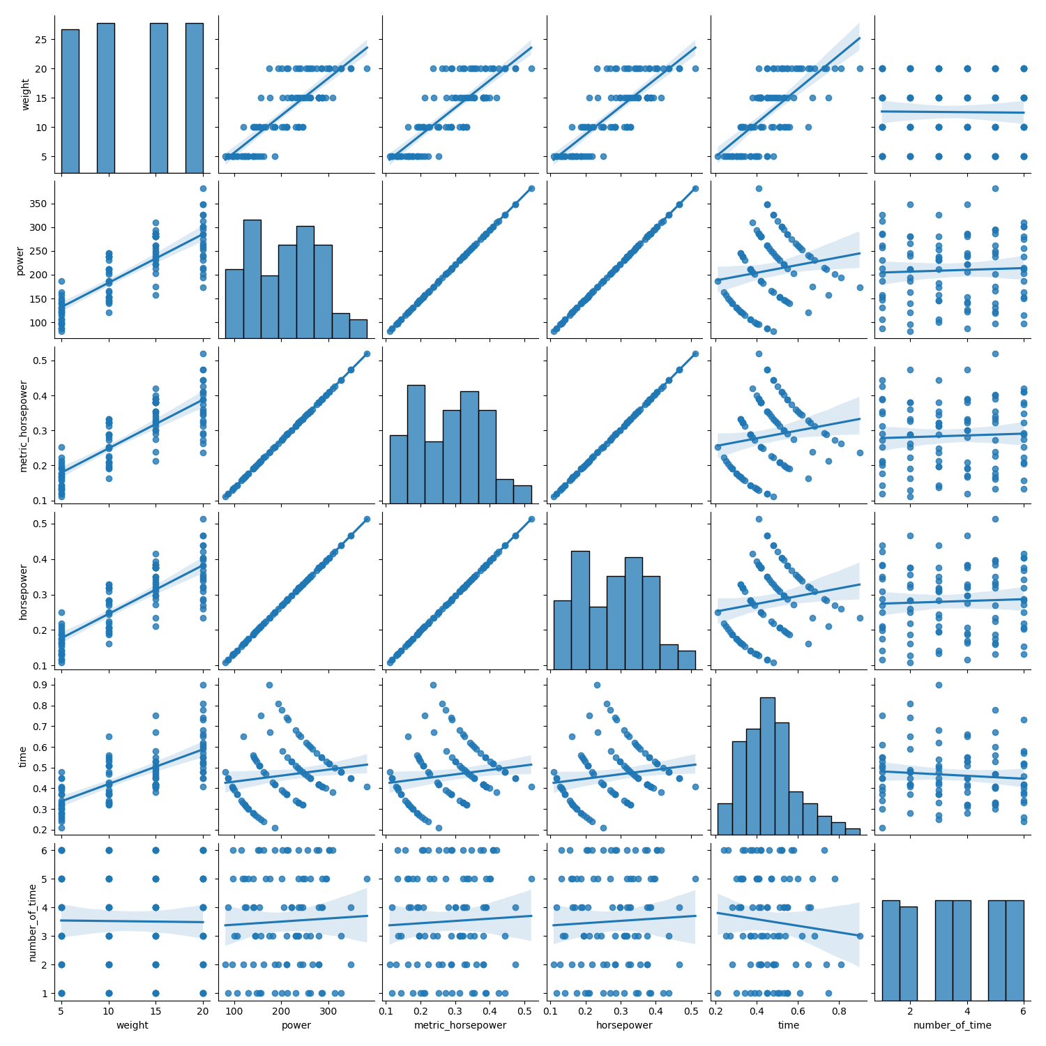
 | index | name | weight | power | metric_horsepower | horsepower | time | number_of_time | last_name
0 | name | 傾き:1.0 切片:2.2e-16 | 傾き:-0.097 切片:13.0 | 傾き:4.0 切片:200.0 | 傾き:0.0055 切片:0.28 | 傾き:0.0054 切片:0.27 | 傾き:-0.014 切片:0.49 | 傾き:-0.019 切片:3.5 | 傾き:-0.5 切片:2.0
1 | weight | 傾き:-0.0039 切片:1.6 | 傾き:1.0 切片:-2.9e-15 | 傾き:10.0 切片:81.0 | 傾き:0.014 切片:0.11 | 傾き:0.014 切片:0.11 | 傾き:0.017 切片:0.25 | 傾き:-0.0039 切片:3.6 | 傾き:-0.036 切片:1.7
2 | power | 傾き:0.001 切片:1.3 | 傾き:0.064 切片:-0.72 | 傾き:1.0 切片:1.8e-14 | 傾き:0.0014 切片:1.7e-18 | 傾き:0.0013 切片:4.3e-17 | 傾き:0.00029 切片:0.4 | 傾き:0.0011 切片:3.3 | 傾き:-0.003 切片:1.8
3 | metric_horsepower | 傾き:0.73 切片:1.3 | 傾き:47.0 切片:-0.72 | 傾き:740.0 切片:-4.9e-15 | 傾き:1.0 切片:1.7e-18 | 傾き:0.99 切片:-3.1e-18 | 傾き:0.21 切片:0.4 | 傾き:0.8 切片:3.3 | 傾き:-2.2 切片:1.8
4 | horsepower | 傾き:0.74 切片:1.3 | 傾き:47.0 切片:-0.72 | 傾き:750.0 切片:1.8e-14 | 傾き:1.0 切片:1.7e-18 | 傾き:1.0 切片:4.3e-17 | 傾き:0.22 切片:0.4 | 傾き:0.81 切片:3.3 | 傾き:-2.3 切片:1.8
5 | time | 傾き:-0.99 切片:2.0 | 傾き:29.0 切片:-0.8 | 傾き:81.0 切片:170.0 | 傾き:0.11 切片:0.23 | 傾き:0.11 切片:0.23 | 傾き:1.0 切片:3e-18 | 傾き:-1.1 切片:4.0 | 傾き:-0.61 切片:1.5
6 | number_of_time | 傾き:-0.0082 切片:1.5 | 傾き:-0.041 切片:13.0 | 傾き:1.9 切片:200.0 | 傾き:0.0025 切片:0.28 | 傾き:0.0025 切片:0.27 | 傾き:-0.007 切片:0.49 | 傾き:1.0 切片:-7.5e-16 | 傾き:-0.019 切片:1.3
7 | last_name | 傾き:-1.4 切片:3.2 | 傾き:-2.6 切片:16.0 | 傾き:-34.0 切片:250.0 | 傾き:-0.047 切片:0.34 | 傾き:-0.046 切片:0.34 | 傾き:-0.025 切片:0.49 | 傾き:-0.13 切片:3.7 | 傾き:1.0 切片:-4.8e-17

