sites-set-1
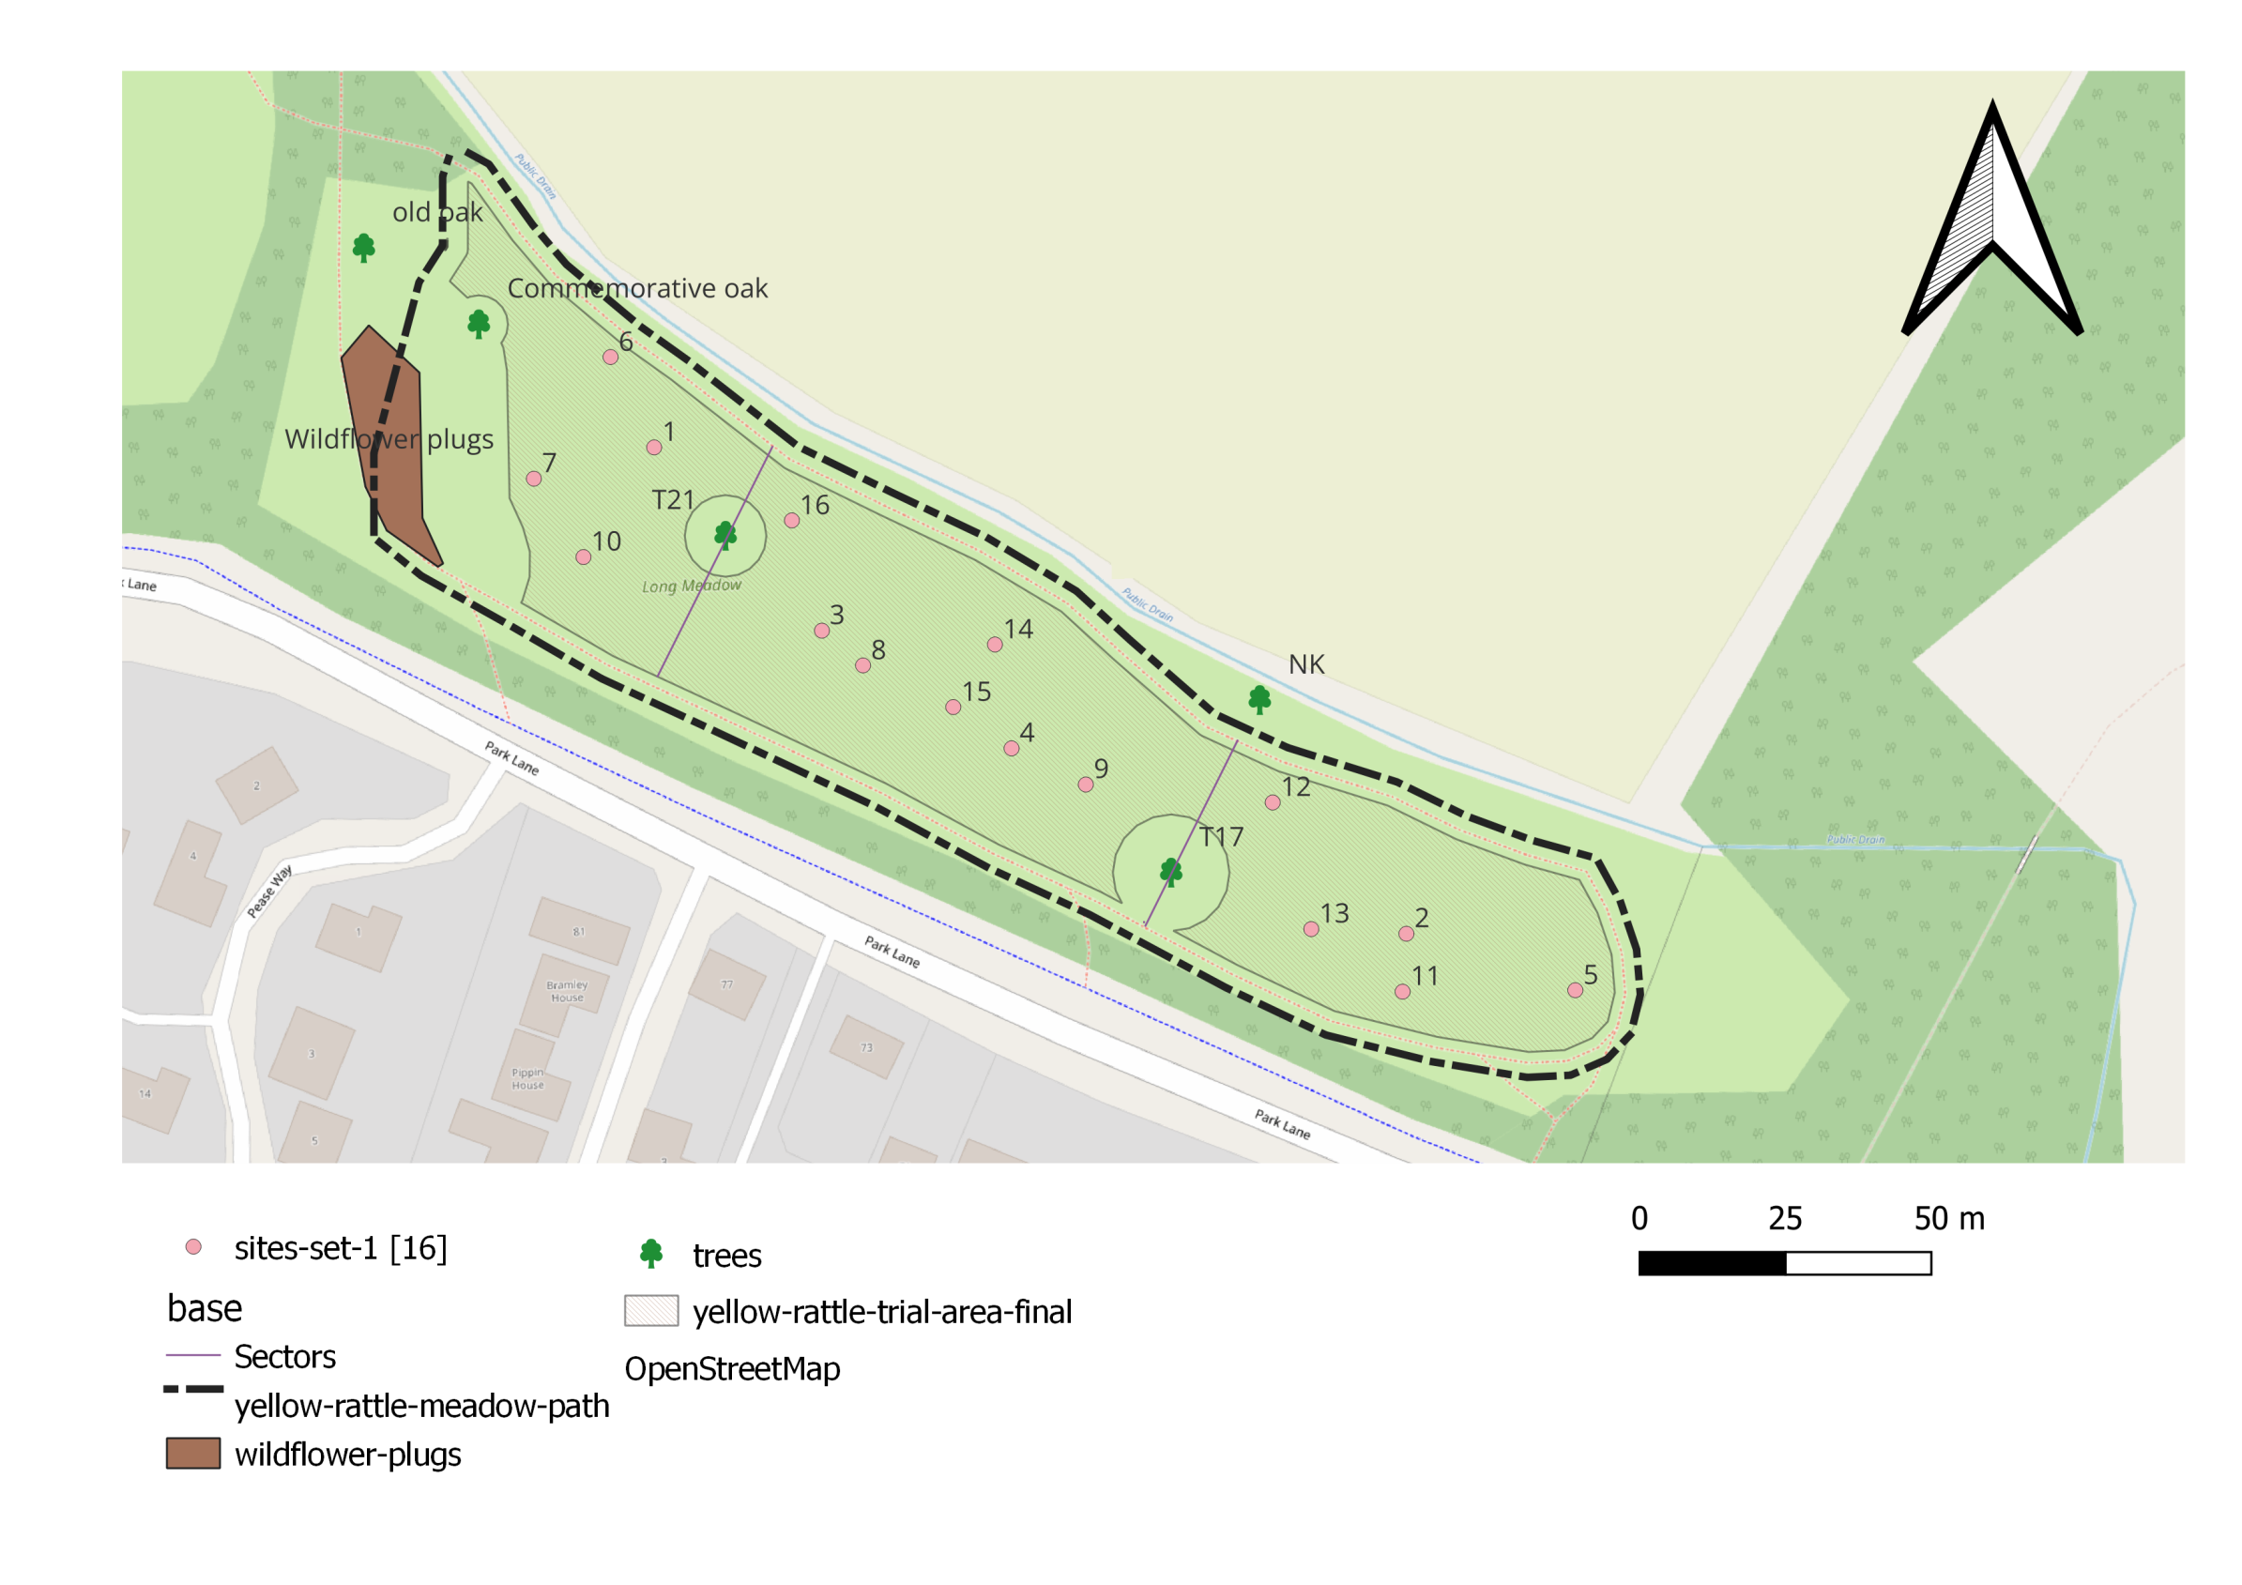
id | Zone | OS_x | OS_y | GPS_lat | GPS_long | w3w | comment | yes?
1 | A | 543047.03 | 263973.21 | 52.255353 | 0.094305 | mainland.visitors.unusable
2 | C | 543175.99 | 263889.81 | 52.254570 | 0.096158 | craters.firewall.regarding
3 | B | 543075.79 | 263941.78 | 52.255063 | 0.094713 | smothered.silly.button
4 | B | 543108.30 | 263921.59 | 52.254873 | 0.095180 | national.hopefully.infants
5 | C | 543204.95 | 263880.12 | 52.254475 | 0.096578 | depravity.social.polite
6 | A | 543039.56 | 263988.70 | 52.255494 | 0.094202 | jazzy.thinnest.sharpness
7 | A | 543026.41 | 263967.84 | 52.255310 | 0.094001 | salaried.truth.shut
8 | B | 543082.84 | 263935.82 | 52.255008 | 0.094814 | airfields.comments.imported
9 | B | 543121.03 | 263915.39 | 52.254814 | 0.095364 | sooner.purist.tweezers
10 | A | 543034.91 | 263954.40 | 52.255187 | 0.094120 | riches.upper.extremely
11 | C | 543175.34 | 263879.87 | 52.254481 | 0.096144 | pushover.refrain.reference
12 | C | 543153.06 | 263912.31 | 52.254778 | 0.095832 | scaffold.tumble.careful
13 | C | 543159.68 | 263890.61 | 52.254581 | 0.095919 | cookie.zeal.amps
14 | B | 543105.45 | 263939.41 | 52.255034 | 0.095146 | outdone.multiples.songbook
15 | B | 543098.31 | 263928.68 | 52.254939 | 0.095037 | disbanded.photos.currently
16 | B | 543070.64 | 263960.69 | 52.255234 | 0.094646 | cherry.situates.sprays

sites-set-2

id | Zone | OS_x | OS_y | GPS_lat | GPS_long | w3w | comment | yes?
1 | B | 543095.03 | 263949.19 | 52.255124 | 0.094998 | neckline.tingled.order
2 | C | 543177.95 | 263903.45 | 52.254692 | 0.096192 | presented.promotes.letter
3 | C | 543159.28 | 263890.00 | 52.254576 | 0.095913 | cookie.zeal.amps
4 | C | 543186.35 | 263886.15 | 52.254534 | 0.096308 | overt.dashes.pricier
5 | C | 543201.75 | 263891.73 | 52.254581 | 0.096536 | quickly.mash.buggy
6 | B | 543122.27 | 263936.74 | 52.255006 | 0.095391 | intrigued.jogging.tapers
7 | B | 543090.50 | 263925.84 | 52.254916 | 0.094922 | teardrop.masking.projects
8 | B | 543102.97 | 263932.50 | 52.254972 | 0.095107 | warbler.ringside.thinker
9 | A | 543031.33 | 263980.25 | 52.255420 | 0.094078 | lightly.thinks.lavished
10 | A | 543051.30 | 263949.78 | 52.255141 | 0.094358 | cringe.rewriting.tomb
11 | B | 543139.80 | 263920.48 | 52.254855 | 0.095641 | giraffes.gamer.deaf
12 | C | 543186.02 | 263895.42 | 52.254618 | 0.096307 | lyricism.overgrown.puddles
13 | A | 543033.75 | 263993.48 | 52.255538 | 0.094119 | discrepancy.dwarf.quaking
14 | B | 543075.25 | 263922.93 | 52.254894 | 0.094697 | monorail.expired.sour
15 | A | 543034.44 | 263944.03 | 52.255094 | 0.094109 | cosmic.taped.giants
16 | C | 543147.79 | 263895.30 | 52.254627 | 0.095747 | excavated.sliders.animate

sites-set-3

id | Zone | OS_x | OS_y | GPS_lat | GPS_long | w3w | comment | yes?
1 | B | 543065.24 | 263949.63 | 52.255136 | 0.094562 | blotting.wiser.presenter
2 | A | 543046.26 | 263956.67 | 52.255204 | 0.094287 | curving.workflow.crucially
3 | C | 543174.99 | 263880.93 | 52.254490 | 0.096139 | pushover.refrain.reference
4 | B | 543105.45 | 263948.87 | 52.255119 | 0.095150 | inch.narrating.rate
5 | C | 543198.33 | 263887.84 | 52.254546 | 0.096484 | snug.grumbling.similar
6 | B | 543102.46 | 263931.64 | 52.254965 | 0.095099 | warbler.ringside.thinker
7 | B | 543086.12 | 263928.22 | 52.254938 | 0.094859 | surfacing.decades.marshes
8 | B | 543122.39 | 263908.73 | 52.254754 | 0.095381 | leathers.ankle.skin
9 | A | 543017.12 | 264004.16 | 52.255639 | 0.093880 | recruited.reader.footballers
10 | A | 543028.05 | 263953.45 | 52.255180 | 0.094019 | episode.derailed.shout
11 | C | 543164.72 | 263908.85 | 52.254744 | 0.096001 | blindfold.miss.agency
12 | A | 543027.49 | 263973.61 | 52.255361 | 0.094019 | missions.quench.birthdays
13 | B | 543078.40 | 263955.67 | 52.255187 | 0.094757 | brilliant.revised.talking
14 | B | 543125.77 | 263926.93 | 52.254917 | 0.095438 | eyeful.portfolio.earful
15 | C | 543160.90 | 263879.49 | 52.254481 | 0.095933 | tractor.fixed.depth
16 | A | 543041.43 | 263941.75 | 52.255072 | 0.094210 | restores.melts.crypt

