DramConfig_LPDDR4
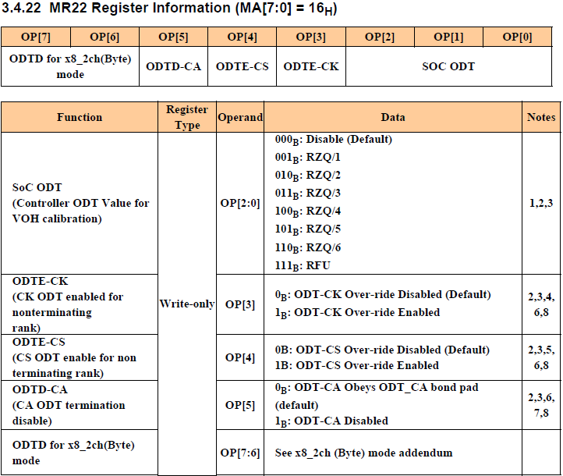
 | User | Freq (MHz) | tCK(ps) | Dram Size (Gb) | DQ Bus Width (bit) | Total Page Size (KB) | High Skew mode | Chip
 |  | 1392 | 718.3908046 | 16 | 32 | 4 | Enable | CV2x

 | Pos | Name | Refernce Timing Micron MT53D512M32D2 | User | timing/tck | RU | Offset | T_ |  | Timing1 | Dram Setting :
 | 0 | tRRD | 10000 | 10000 | 13.92 | 14 | -2 | 12 | 12 |  | DRAM_CtrlParam: .word 0x6d801a80
 | 5 | tRCD | 18000 | 18000 | 25.056 | 26 | -2 | 24 | 768 |  | DRAM_ConfigParam: .word 0x702842d8
 | 11 | tRP | 21000 | 21000 | 29.232 | 30 | -2 | 28 | 57344 |  | DRAM_Timing1Param: .word 0x76ace30c
 | 17 | tRC | 63000 | 63000 | 87.696 | 88 | -2 | 86 | 11272192 |  | DRAM_Timing2Param: .word 0x1ce30d89
 | 25 | tRAS | 42000 | 42000 | 58.464 | 59 | 0 | 59 | 1979711488 | 76ACE30C | DRAM_Timing3Param: .word 0x00000153
 |  |  |  |  |  |  |  |  |  | Timing2 | DRAM_Timing4Param: .word 0x12d90d36
 | 0 | tRTP | 7500 | 7500 | 10.44 | 11 | -2 | 9 | 9
 | 4 | tWR | 18000 | 18000 | 25.056 | 26 | -2 | 24 | 384 |  | DLL_CtrlSelMiscParam: .word 0x00188000
 | 10 | tRFC | 280000 | 280000 | 389.76 | 390 | /2 | 195 | 199680
 | 19 | tCL | 28 |  |  |  |  |  | 14680064
 | 25 | tWL | 14 |  |  |  |  |  | 469762048 | 1CE30D89
 |  |  |  |  |  |  |  |  |  | Timing3 | LPDDR4_ModeReg1ParamFsp0: .word 0x01010054
 | 0 | tREFI | 3904000 | 3904000 | 5434.368 | 5435 | /16 | 339.6875 | 339 |  | LPDDR4_ModeReg1ParamFsp1: .word 0x01010054
 |  |  |  |  |  |  |  |  |  | 00000153 | LPDDR4_ModeReg2ParamFsp0: .word 0x0102002d
 |  |  |  |  |  |  |  |  |  | Timing4 | LPDDR4_ModeReg2ParamFsp1: .word 0x0102002d
 | 0 | tFAW | 40000 | 40000 | 55.68 | 56 | -2 | 54 | 54
 | 7 | tXSR | 287500 | 387500 | 539.4 | 540 | -2 | 538 | 68864
 | 17 | tWTR | 10000 | 10000 | 13.92 | 14 | -2 | 12 | 1572864
 | 22 | PoweUpCount | 11 |  |  |  |  |  | 46137344
 | 27 | T_OSCO | 2 |  |  |  |  |  | 268435456
 | 29 | HighSpeed | 0 |  |  |  |  |  | 0 | 12D90D36

 | Pos | IO PHY of DRAM Controller |  | Selection (ohm) | Register bits | Remark
DQ | 12 | Pull-down DS of DQ[15:0] |  | 30 | padterm3[14:12] |  |  |  |  | 7 | DRAM_PadTermParam: .word 0x000200bc
 | 20 | Pull-up DS of DQ[15:0] |  | 80 | padterm3[22:20] |  |  |  |  | 2 | DRAM_PadTerm2Param: .word 0x0a0faa0f
 | 2 | Pull-down DS of DQ[31:16] |  | 30 | padterm[4:2] |  |  |  |  | 7 | DRAM_PadTerm3Param: .word 0x00aa7000
 | 8 | Pull-up DS of DQ[31:16] |  | 80 | padterm2[10:8] |  |  |  |  | 2
 | 15 | ODT switch of DQ[15:0] |  | Enable | padterm3[15] |  |  |  |  | 0
 | 17 | ODT Level of DQ[15:0] |  | 48 | padterm3[19:17] |  |  |  |  | 5
 | 0 | ODT Switch of DQ[31:16] |  | Enable | padterm[0] |  |  |  |  | 0
 | 5 | ODT Level of DQ[31:16] |  | 48 | padterm[7:5] |  |  |  |  | 5
CA | 0 | Pull-down DS of CA_B |  | 30 | padterm2[2:0] | Typically we don't need to modify CA settings |  |  |  | 7
 | 12 | Pull-up DS of CA_B |  | 80 | padterm2[14:12] | Typically we don't need to modify CA settings |  |  |  | 2
 | 16 | Pull-down DS of CA_A |  | 30 | padterm2[18:16] | Typically we don't need to modify CA settings |  |  |  | 7
 | 24 | Pull-up DS of CA_A |  | 80 | padterm2[26:24] | Typically we don't need to modify CA settings |  |  |  | 2
 | 3 | ODT switch of CA_B |  | Disable | padterm2[3] | CA is uni-direction output, ODT is useless |  |  |  | 1
 | 5 | ODT Level of CA_B |  | Disable | padterm2[7:5] | CA is uni-direction output, ODT is useless |  |  |  | 0
 | 19 | ODT switch of CA_A |  | Disable | padterm2[19] | CA is uni-direction output, ODT is useless |  |  |  | 1
 | 21 | ODT Level of CA_A |  | Disable | padterm2[23:21] | CA is uni-direction output, ODT is useless |  |  |  | 0 | LPDDR4_ModeReg3ParamFsp0: .word 0x01030033
 |  |  |  |  |  |  |  |  |  |  | LPDDR4_ModeReg3ParamFsp1: .word 0x01030033
 | Pos | IO PHY of DRAM Device |  | Selection (ohm) |  |  |  |  |  |  | LPDDR4_ModeReg11ParamFsp0: .word 0x010b0024
 | 3 | Pull Down Drive Strength of MR3 |  | RZQ/6 |  |  |  |  |  | 6 | LPDDR4_ModeReg11ParamFsp1: .word 0x010b0024
 | 0 | DQ ODT of MR11 |  | RZQ/4 |  |  |  |  |  | 4 | LPDDR4_ModeReg22ParamFsp0: .word 0x01160005
 | 4 | CA ODT of MR11 |  | RZQ/2 |  |  |  |  |  | 2 | LPDDR4_ModeReg22ParamFsp1: .word 0x01160005

 | JEDEC LPDDR4 ModeRegister

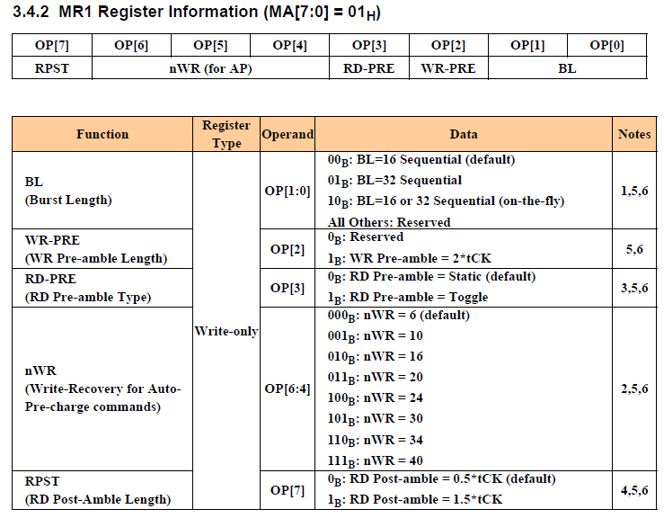

 |  |  |  |  |  |  |  | Note

 |  |  |  |  |  |  |  | [1:0] Support BL=16 only

 |  |  |  |  |  |  |  | [2] Select 1

 |  |  |  |  |  |  |  | [3] Selet 0 : default value

 |  |  |  |  |  |  |  | [6:4] nWR = RU(tWR/tCK)

 |  |  |  |  |  |  |  | [7] High Skew Mode : select 0
 |  |  |  |  |  |  |  | [7] Sync and Sync tracking : select 1

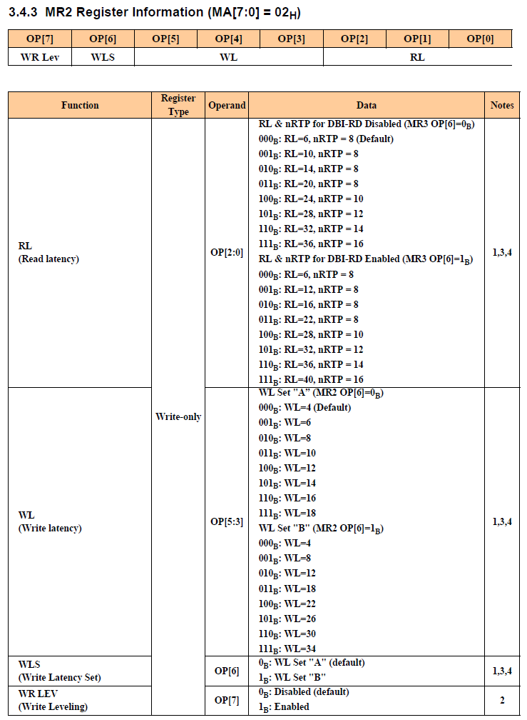

 |  |  |  |  |  |  |  |  | According to DRAM frequency to select RL and WL
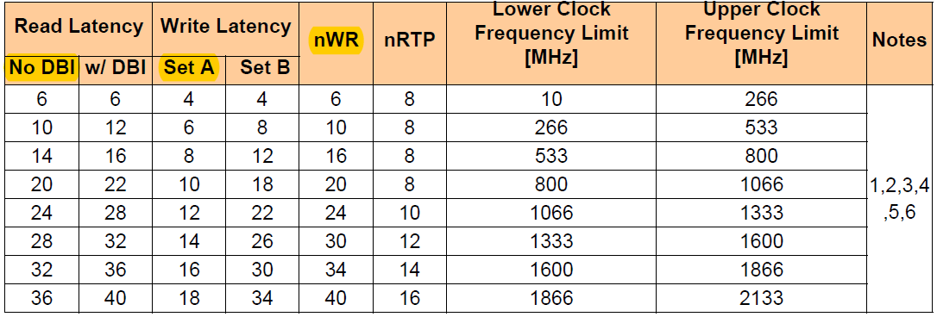

 |  |  |  |  |  |  |  | [5:2] RL and WL >>

 |  |  |  |  |  |  |  | [6] Set A : default value

 |  |  |  |  |  |  |  | [7] Disable

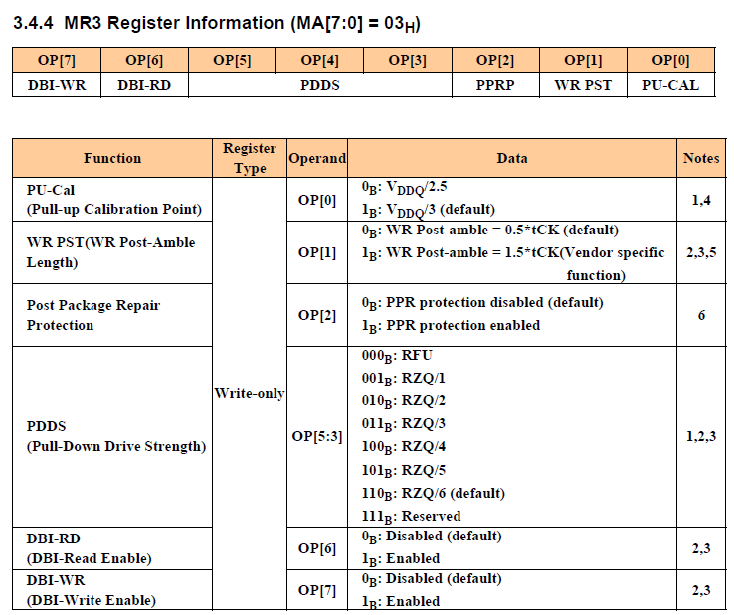

 |  |  |  |  |  |  |  | [0] Set 1 : default value

 |  |  |  |  |  |  |  | [1] Set 0 : default value

 |  |  |  |  |  |  |  | [2] Select 0 : default value

 |  |  |  |  |  |  |  | [5:3] Dram side driving strength

 |  |  |  |  |  |  |  | [6] Disable

 |  |  |  |  |  |  |  | [7] Disable

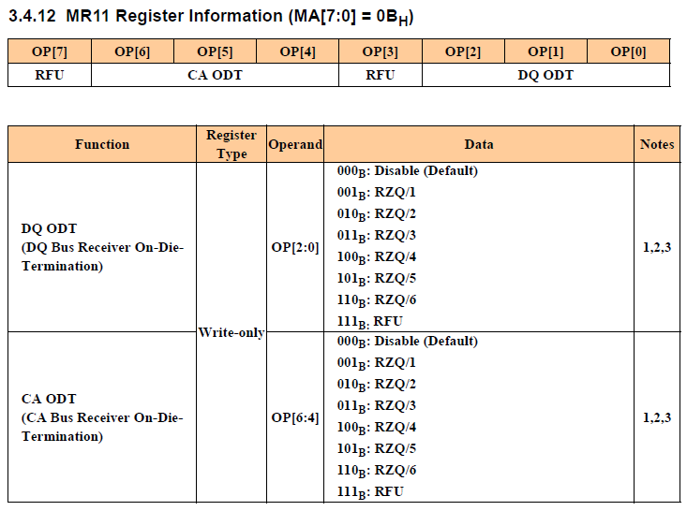

 |  |  |  |  |  |  |  | [2:0] Dram side DQ ODT

 |  |  |  |  |  |  |  | [6:4] Dram side CA ODT

