Structure_Results
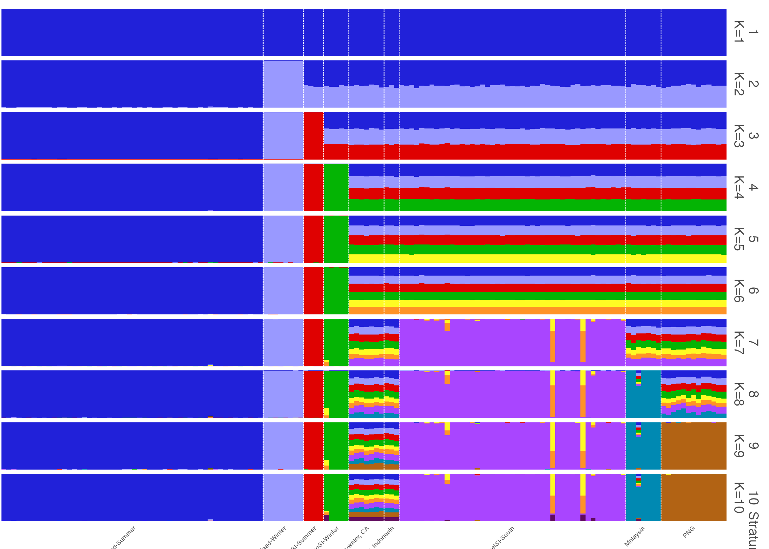
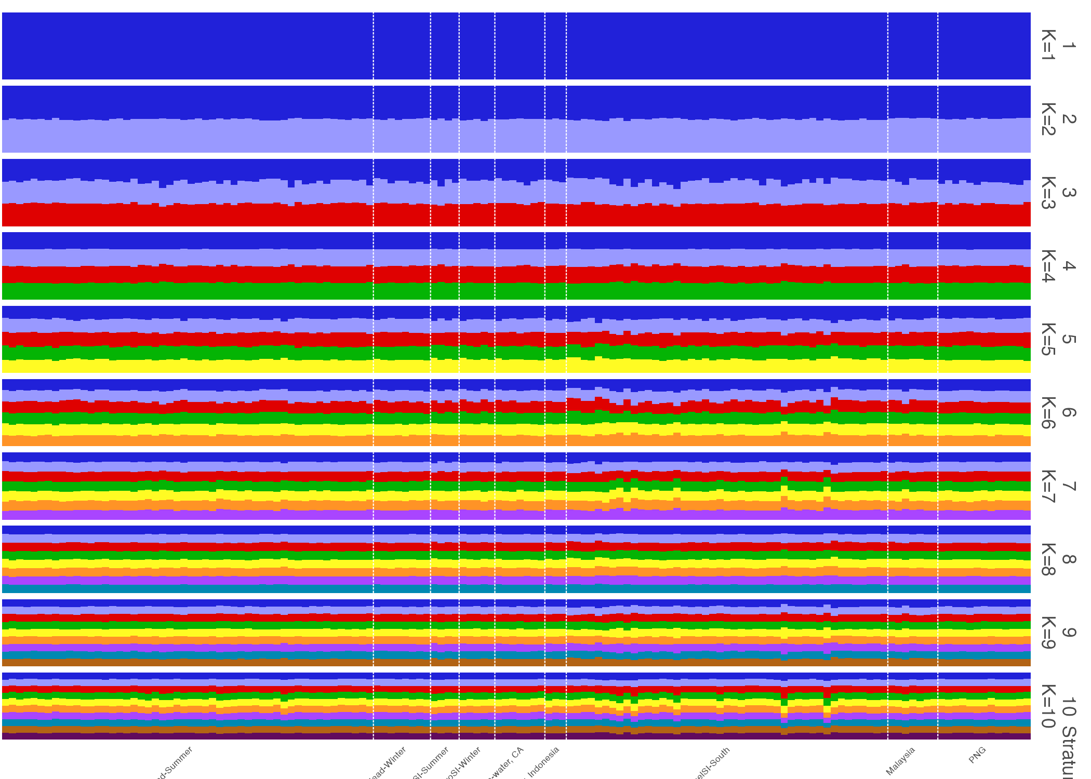
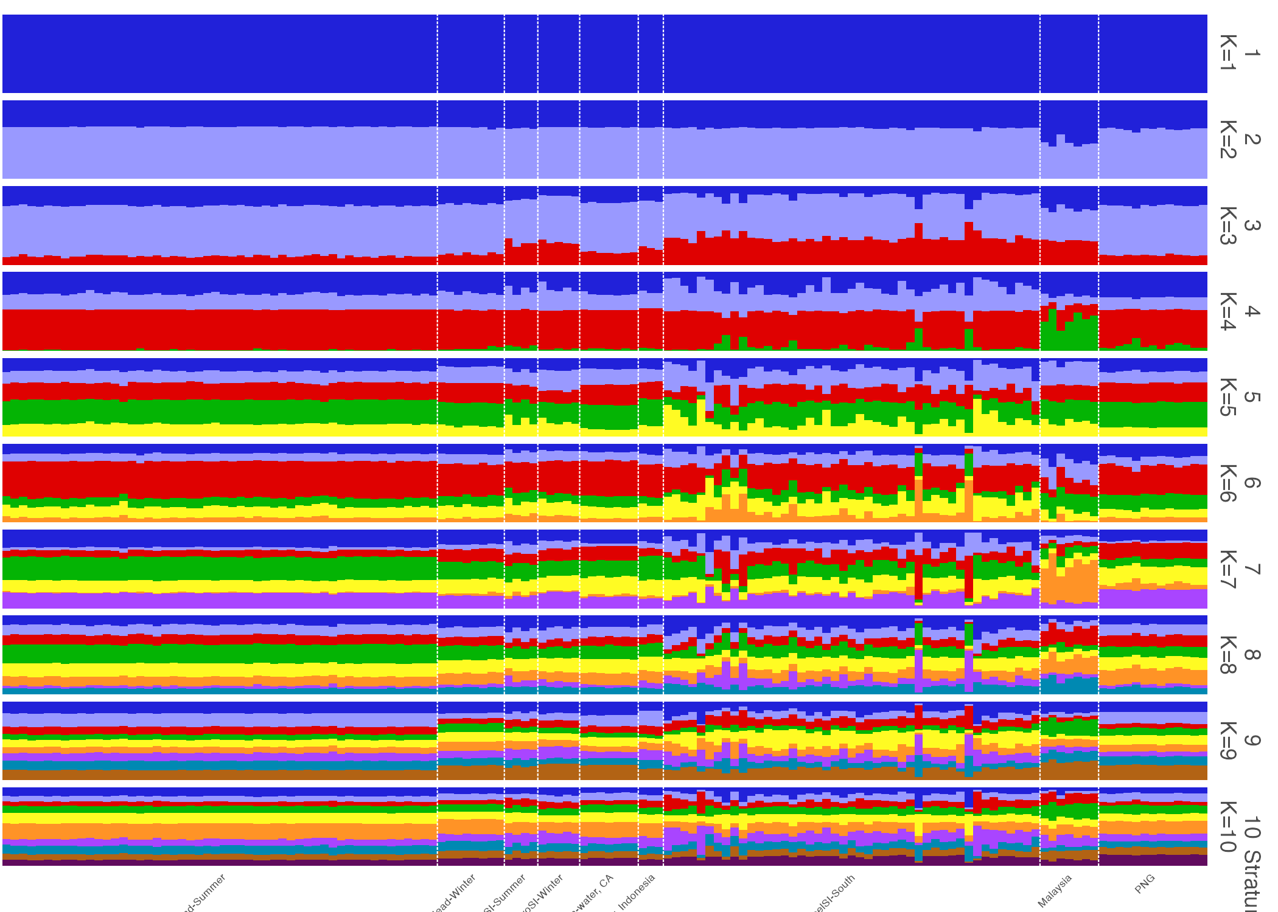
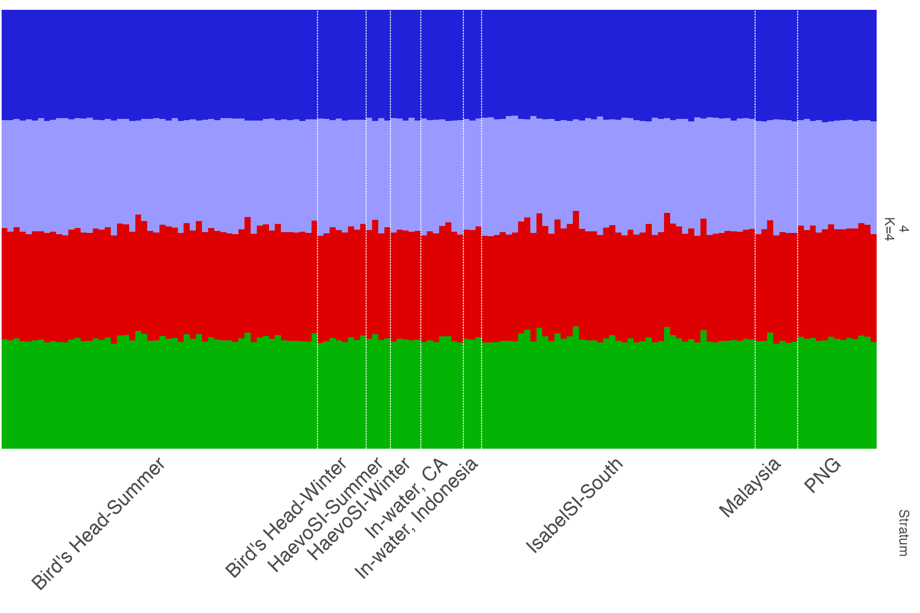
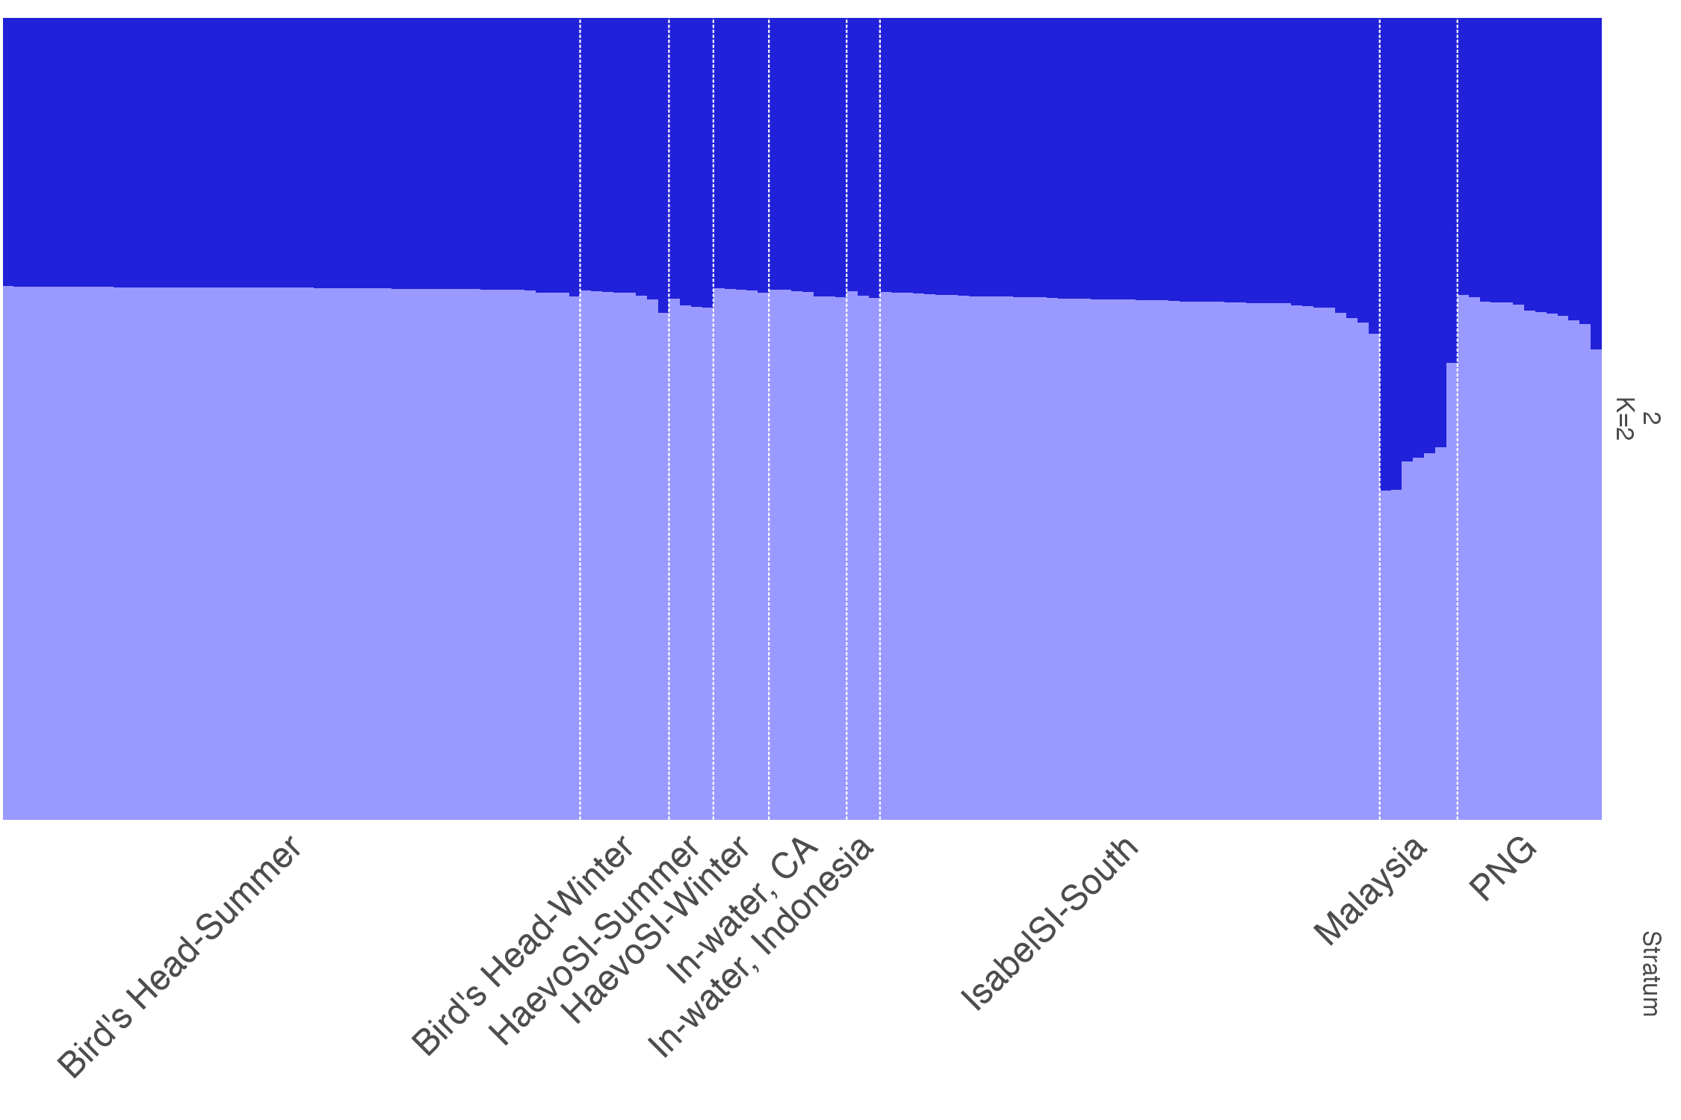
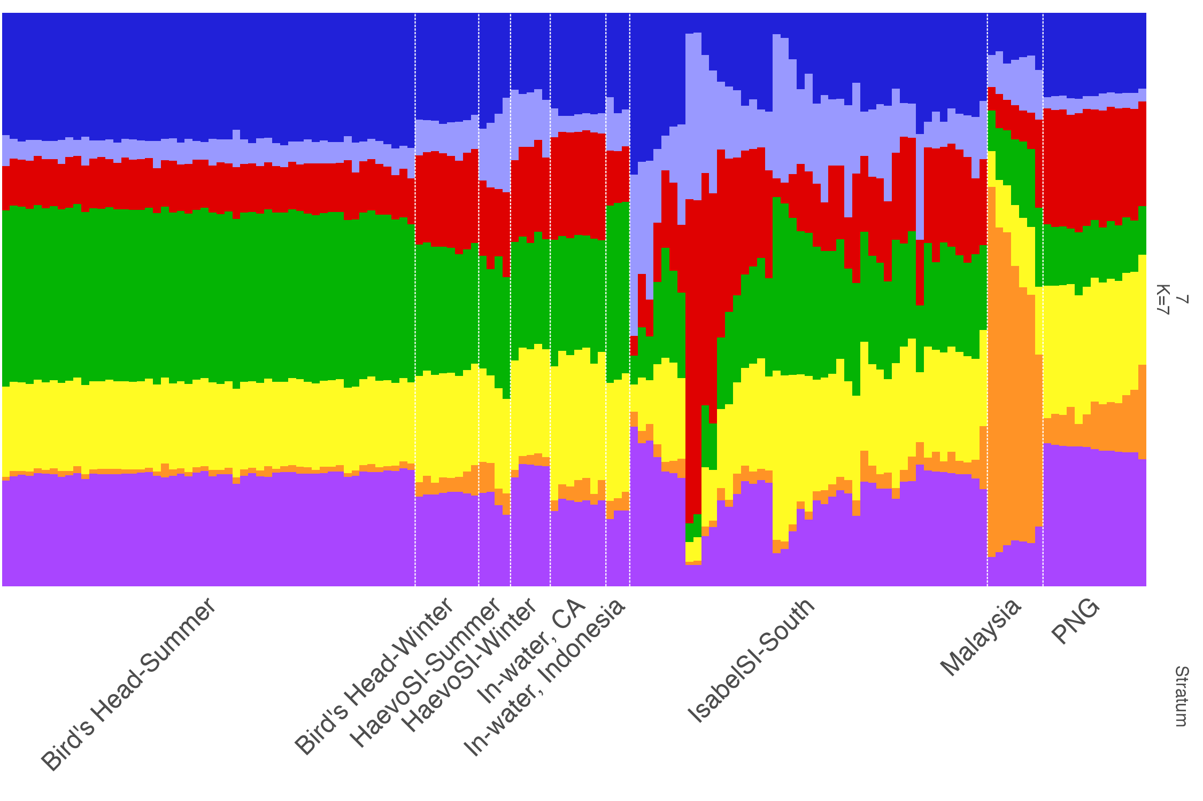
No Location Prior | With locaiton prior

DAPC_Results
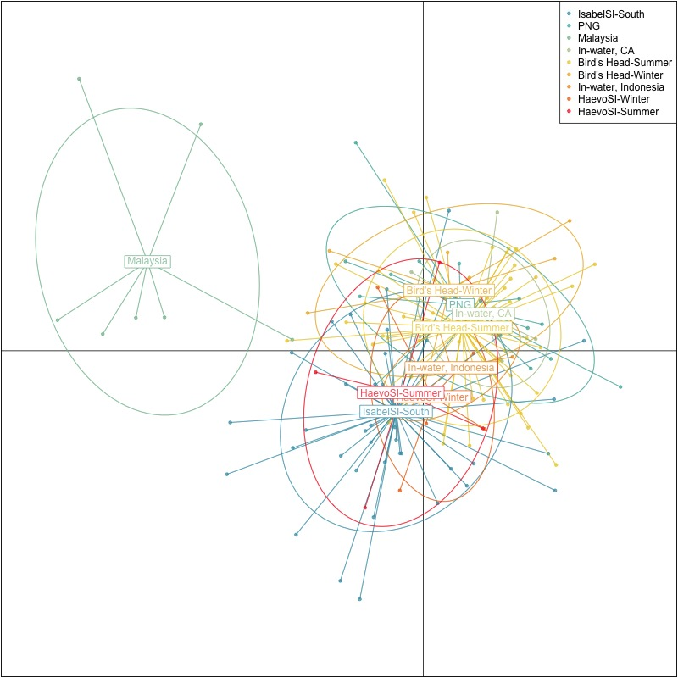

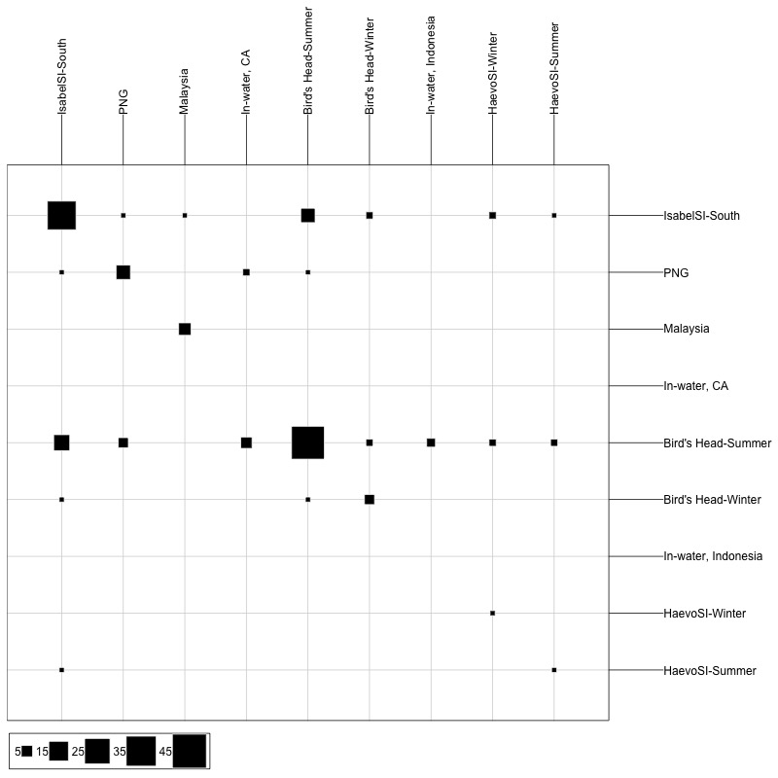

Rubias_Results
 |  | Inferred |  |  |  |  | indiv | mixture_collection | assigned_population | assignment_probability | indiv | mixture_collection | assigned_population | assignment_probability
 |  | Bird's Head-Summer | HaevoSI-Winter | IsabelSI-South | Malaysia | PNG | z0035352 | In-water, CA | Bird's Head-Summer | 0.9981 | z0035352 | In-water, CA | Bird's Head-Summer | 0.9981
Observed | Bird's Head-Summer | 38 | 0 | 12 | 0 | 2 | z0035352 | In-water, CA | IsabelSI-South | 0.001122 | z0035352 | In-water, CA | IsabelSI-South | 0.001122 |  |  |  |  | n Assigned | Bird's Head-Summer | Bird's Head-Winter | HaevoSI-Summer | HaevoSI-Winter | IsabelSI-South | Malaysia | PNG
 | Bird's Head-Winter | 5 | 0 | 3 | 0 | 0 | z0035352 | In-water, CA | HaevoSI-Winter | 0.0007779 | z0035352 | In-water, CA | HaevoSI-Winter | 0.0007779 |  |  |  |  | Bird's Head-Summer | 38 | 0 | 0 | 0 | 12 | 0 | 2
 | HaevoSI-Summer | 1 | 0 | 2 | 0 | 1 | z0035352 | In-water, CA | Bird's Head-Winter | 4.51E-06 | z0035352 | In-water, CA | Bird's Head-Winter | 4.51E-06 |  |  |  |  | Bird's Head-Winter | 5 | 0 | 0 | 0 | 3 | 0 | 0
 | HaevoSI-Winter | 2 | 0 | 3 | 0 | 0 | z0035352 | In-water, CA | PNG | 3.07E-06 | z0035352 | In-water, CA | PNG | 3.07E-06 |  |  |  |  | HaevoSI-Summer | 1 | 0 | 0 | 0 | 2 | 0 | 1
 | IsabelSI-South | 14 | 1 | 27 | 0 | 3 | z0035352 | In-water, CA | HaevoSI-Summer | 1.55E-11 | z0035352 | In-water, CA | HaevoSI-Summer | 1.55E-11 |  |  |  |  | HaevoSI-Winter | 2 | 0 | 0 | 0 | 3 | 0 | 0
 | Malaysia | 1 | 0 | 3 | 3 | 0 | z0035352 | In-water, CA | Malaysia | 6.36E-17 | z0035352 | In-water, CA | Malaysia | 6.36E-17 |  |  |  |  | IsabelSI-South | 14 | 0 | 0 | 1 | 27 | 0 | 3
 | PNG | 8 | 0 | 3 | 0 | 2 | z0117088 | In-water, Indonesia | Bird's Head-Summer | 0.7984 | z0117088 | In-water, Indonesia | Bird's Head-Summer | 0.7984 |  |  |  |  | Malaysia | 1 | 0 | 0 | 0 | 3 | 3 | 0
 |  |  |  |  |  |  | z0117088 | In-water, Indonesia | IsabelSI-South | 0.1989 | z0117088 | In-water, Indonesia | IsabelSI-South | 0.1989 |  |  |  |  | PNG | 8 | 0 | 0 | 0 | 3 | 0 | 2
 |  |  |  |  |  |  | z0117088 | In-water, Indonesia | HaevoSI-Winter | 0.002695 | z0117088 | In-water, Indonesia | HaevoSI-Winter | 0.002695
 | mixture_collection | repunit | mixing_proportion |  |  |  | z0117088 | In-water, Indonesia | HaevoSI-Summer | 5.23E-05 | z0117088 | In-water, Indonesia | HaevoSI-Summer | 5.23E-05
 | In-water, CA | Bird's Head-Summer | 0.75664800738 |  |  |  | z0117088 | In-water, Indonesia | PNG | 1.27E-05 | z0117088 | In-water, Indonesia | PNG | 1.27E-05
 | In-water, CA | Bird's Head-Winter | 0.017521326424 |  |  |  | z0117088 | In-water, Indonesia | Bird's Head-Winter | 2.15E-06 | z0117088 | In-water, Indonesia | Bird's Head-Winter | 2.15E-06
 | In-water, CA | HaevoSI-Summer | 0.016753456225 |  |  |  | z0117088 | In-water, Indonesia | Malaysia | 6.27E-09 | z0117088 | In-water, Indonesia | Malaysia | 6.27E-09
 | In-water, CA | HaevoSI-Winter | 0.017917468924 |  |  |  | z0117094 | In-water, Indonesia | Bird's Head-Summer | 0.85 | z0117094 | In-water, Indonesia | Bird's Head-Summer | 0.85
 | In-water, CA | IsabelSI-South | 0.081478824768 |  |  |  | z0117094 | In-water, Indonesia | IsabelSI-South | 0.1493 | z0117094 | In-water, Indonesia | IsabelSI-South | 0.1493
 | In-water, CA | Malaysia | 0.01857442025 |  |  |  | z0117094 | In-water, Indonesia | Bird's Head-Winter | 0.000639 | z0117094 | In-water, Indonesia | Bird's Head-Winter | 0.000639 | Sum of assignment_probability | Column Labels
 | In-water, CA | PNG | 0.091106496034 |  |  |  | z0117094 | In-water, Indonesia | PNG | 1.78E-05 | z0117094 | In-water, Indonesia | PNG | 1.78E-05 | Row Labels | Bird's Head-Summer | Bird's Head-Winter | HaevoSI-Summer | HaevoSI-Winter | IsabelSI-South | Malaysia | PNG | (blank) | Grand Total
 | In-water, Indonesia | Bird's Head-Summer | 0.70621066137 |  |  |  | z0117094 | In-water, Indonesia | HaevoSI-Winter | 4.92E-06 | z0117094 | In-water, Indonesia | HaevoSI-Winter | 4.92E-06 | In-water, CA | 585.76% | 0.41% | 0.00% | 0.08% | 54.16% | 0.00% | 59.58% |  | 699.99%
 | In-water, Indonesia | Bird's Head-Winter | 0.036567784503 |  |  |  | z0117094 | In-water, Indonesia | HaevoSI-Summer | 7.23E-12 | z0117094 | In-water, Indonesia | HaevoSI-Summer | 7.23E-12 | z0035352 | 99.81% | 0.00% | 0.00% | 0.08% | 0.11% | 0.00% | 0.00% |  | 100.00%
 | In-water, Indonesia | HaevoSI-Summer | 0.038126144305 |  |  |  | z0117094 | In-water, Indonesia | Malaysia | 3.28E-13 | z0117094 | In-water, Indonesia | Malaysia | 3.28E-13 | z0178009 | 64.32% | 0.02% | 0.00% | 0.00% | 35.62% | 0.00% | 0.04% |  | 100.00%
 | In-water, Indonesia | HaevoSI-Winter | 0.037024351533 |  |  |  | z0117103 | In-water, Indonesia | Bird's Head-Summer | 0.9997 | z0117103 | In-water, Indonesia | Bird's Head-Summer | 0.9997 | z0178011 | 94.29% | 0.00% | 0.00% | 0.00% | 3.53% | 0.00% | 2.18% |  | 100.00%
 | In-water, Indonesia | IsabelSI-South | 0.11709349249 |  |  |  | z0117103 | In-water, Indonesia | IsabelSI-South | 0.000314 | z0117103 | In-water, Indonesia | IsabelSI-South | 0.000314 | z0178014 | 99.63% | 0.00% | 0.00% | 0.00% | 0.37% | 0.00% | 0.00% |  | 100.00%
 | In-water, Indonesia | Malaysia | 0.030131493932 |  |  |  | z0117103 | In-water, Indonesia | PNG | 1.30E-09 | z0117103 | In-water, Indonesia | PNG | 1.30E-09 | z0207730 | 99.09% | 0.24% | 0.00% | 0.00% | 0.50% | 0.00% | 0.18% |  | 100.00%
 | In-water, Indonesia | PNG | 0.034846071864 |  |  |  | z0117103 | In-water, Indonesia | HaevoSI-Summer | 5.74E-10 | z0117103 | In-water, Indonesia | HaevoSI-Summer | 5.74E-10 | z0207745 | 79.26% | 0.15% | 0.00% | 0.00% | 6.70% | 0.00% | 13.88% |  | 99.99%
 |  |  |  |  |  |  | z0117103 | In-water, Indonesia | Bird's Head-Winter | 1.92E-10 | z0117103 | In-water, Indonesia | Bird's Head-Winter | 1.92E-10 | z0210588 | 49.36% | 0.00% | 0.00% | 0.00% | 7.33% | 0.00% | 43.31% |  | 100.00%
 |  |  |  |  |  |  | z0117103 | In-water, Indonesia | HaevoSI-Winter | 3.61E-12 | z0117103 | In-water, Indonesia | HaevoSI-Winter | 3.61E-12 | In-water, Indonesia | 264.81% | 0.06% | 0.01% | 0.27% | 34.85% | 0.00% | 0.00% |  | 300.00%
 |  |  |  |  |  |  | z0117103 | In-water, Indonesia | Malaysia | 1.07E-17 | z0117103 | In-water, Indonesia | Malaysia | 1.07E-17 | z0117088 | 79.84% | 0.00% | 0.01% | 0.27% | 19.89% | 0.00% | 0.00% |  | 100.01%
 |  |  |  |  |  |  | z0178009 | In-water, CA | Bird's Head-Summer | 0.6432 | z0178009 | In-water, CA | Bird's Head-Summer | 0.6432 | z0117094 | 85.00% | 0.06% | 0.00% | 0.00% | 14.93% | 0.00% | 0.00% |  | 100.00%
 |  |  |  |  |  |  | z0178009 | In-water, CA | IsabelSI-South | 0.3562 | z0178009 | In-water, CA | IsabelSI-South | 0.3562 | z0117103 | 99.97% | 0.00% | 0.00% | 0.00% | 0.03% | 0.00% | 0.00% |  | 100.00%
 |  |  |  |  |  |  | z0178009 | In-water, CA | PNG | 0.0003744 | z0178009 | In-water, CA | PNG | 0.0003744 | (blank)
 |  |  |  |  |  |  | z0178009 | In-water, CA | Bird's Head-Winter | 0.0002219 | z0178009 | In-water, CA | Bird's Head-Winter | 0.0002219 | (blank)
 |  |  |  |  |  |  | z0178009 | In-water, CA | HaevoSI-Winter | 1.27E-05 | z0178009 | In-water, CA | HaevoSI-Winter | 1.27E-05 | Grand Total | 850.57% | 0.48% | 0.01% | 0.35% | 89.01% | 0.00% | 59.58% |  | 1000.00%
 |  |  |  |  |  |  | z0178009 | In-water, CA | Malaysia | 1.02E-10 | z0178009 | In-water, CA | Malaysia | 1.02E-10
 |  |  |  |  |  |  | z0178009 | In-water, CA | HaevoSI-Summer | 5.07E-11 | z0178009 | In-water, CA | HaevoSI-Summer | 5.07E-11
 |  |  |  |  |  |  | z0178011 | In-water, CA | Bird's Head-Summer | 0.9429 | z0178011 | In-water, CA | Bird's Head-Summer | 0.9429
 |  |  |  |  |  |  | z0178011 | In-water, CA | IsabelSI-South | 0.03533 | z0178011 | In-water, CA | IsabelSI-South | 0.03533
 |  |  |  |  |  |  | z0178011 | In-water, CA | PNG | 0.02177 | z0178011 | In-water, CA | PNG | 0.02177 | Row Labels | Population | Bird's Head-Summer | Bird's Head-Winter | HaevoSI-Summer | HaevoSI-Winter | IsabelSI-South | PNG
 |  |  |  |  |  |  | z0178011 | In-water, CA | Bird's Head-Winter | 6.72E-07 | z0178011 | In-water, CA | Bird's Head-Winter | 6.72E-07 | z0035352 | In-water, CA | 0.9981 | 0.000004512 | 1.547E-11 | 0.0007779 | 0.001122 | 0.000003067
 |  |  |  |  |  |  | z0178011 | In-water, CA | HaevoSI-Summer | 2.05E-07 | z0178011 | In-water, CA | HaevoSI-Summer | 2.05E-07 | z0178009 | In-water, CA | 0.6432 | 0.0002219 | 5.068E-11 | 0.00001268 | 0.3562 | 0.0003744
 |  |  |  |  |  |  | z0178011 | In-water, CA | HaevoSI-Winter | 2.43E-08 | z0178011 | In-water, CA | HaevoSI-Winter | 2.43E-08 | z0178011 | In-water, CA | 0.9429 | 6.719E-07 | 2.049E-07 | 2.429E-08 | 0.03533 | 0.02177
 |  |  |  |  |  |  | z0178011 | In-water, CA | Malaysia | 8.13E-11 | z0178011 | In-water, CA | Malaysia | 8.13E-11 | z0178014 | In-water, CA | 0.9963 | 0.000002333 | 4.98E-17 | 2.526E-08 | 0.003731 | 9.226E-10
 |  |  |  |  |  |  | z0178014 | In-water, CA | Bird's Head-Summer | 0.9963 | z0178014 | In-water, CA | Bird's Head-Summer | 0.9963 | z0207730 | In-water, CA | 0.9909 | 0.002374 | 1.8E-09 | 0.000003706 | 0.00495 | 0.001764
 |  |  |  |  |  |  | z0178014 | In-water, CA | IsabelSI-South | 0.003731 | z0178014 | In-water, CA | IsabelSI-South | 0.003731 | z0207745 | In-water, CA | 0.7926 | 0.001534 | 1.872E-07 | 3.854E-11 | 0.06699 | 0.1388
 |  |  |  |  |  |  | z0178014 | In-water, CA | Bird's Head-Winter | 2.33E-06 | z0178014 | In-water, CA | Bird's Head-Winter | 2.33E-06 | z0210588 | In-water, CA | 0.4936 | 2.483E-10 | 1.183E-10 | 1.814E-08 | 0.07325 | 0.4331
 |  |  |  |  |  |  | z0178014 | In-water, CA | HaevoSI-Winter | 2.53E-08 | z0178014 | In-water, CA | HaevoSI-Winter | 2.53E-08 | z0117088 | In-water, Indonesia | 0.7984 | 0.000002151 | 0.00005235 | 0.002695 | 0.1989 | 0.00001272
 |  |  |  |  |  |  | z0178014 | In-water, CA | PNG | 9.23E-10 | z0178014 | In-water, CA | PNG | 9.23E-10 | z0117094 | In-water, Indonesia | 0.85 | 0.000639 | 7.228E-12 | 0.000004924 | 0.1493 | 0.00001782
 |  |  |  |  |  |  | z0178014 | In-water, CA | Malaysia | 4.82E-15 | z0178014 | In-water, CA | Malaysia | 4.82E-15 | z0117103 | In-water, Indonesia | 0.9997 | 1.924E-10 | 5.737E-10 | 3.61E-12 | 0.000314 | 1.296E-09
 |  |  |  |  |  |  | z0178014 | In-water, CA | HaevoSI-Summer | 4.98E-17 | z0178014 | In-water, CA | HaevoSI-Summer | 4.98E-17
 |  |  |  |  |  |  | z0207730 | In-water, CA | Bird's Head-Summer | 0.9909 | z0207730 | In-water, CA | Bird's Head-Summer | 0.9909
 |  |  |  |  |  |  | z0207730 | In-water, CA | IsabelSI-South | 0.00495 | z0207730 | In-water, CA | IsabelSI-South | 0.00495
 |  |  |  |  |  |  | z0207730 | In-water, CA | Bird's Head-Winter | 0.002374 | z0207730 | In-water, CA | Bird's Head-Winter | 0.002374
 |  |  |  |  |  |  | z0207730 | In-water, CA | PNG | 0.001764 | z0207730 | In-water, CA | PNG | 0.001764
 |  |  |  |  |  |  | z0207730 | In-water, CA | HaevoSI-Winter | 3.71E-06 | z0207730 | In-water, CA | HaevoSI-Winter | 3.71E-06
 |  |  |  |  |  |  | z0207730 | In-water, CA | HaevoSI-Summer | 1.80E-09 | z0207730 | In-water, CA | HaevoSI-Summer | 1.80E-09
 |  |  |  |  |  |  | z0207730 | In-water, CA | Malaysia | 1.79E-16 | z0207730 | In-water, CA | Malaysia | 1.79E-16
 |  |  |  |  |  |  | z0207745 | In-water, CA | Bird's Head-Summer | 0.7926 | z0207745 | In-water, CA | Bird's Head-Summer | 0.7926
 |  |  |  |  |  |  | z0207745 | In-water, CA | PNG | 0.1388 | z0207745 | In-water, CA | PNG | 0.1388
 |  |  |  |  |  |  | z0207745 | In-water, CA | IsabelSI-South | 0.06699 | z0207745 | In-water, CA | IsabelSI-South | 0.06699
 |  |  |  |  |  |  | z0207745 | In-water, CA | Bird's Head-Winter | 0.001534 | z0207745 | In-water, CA | Bird's Head-Winter | 0.001534
 |  |  |  |  |  |  | z0207745 | In-water, CA | HaevoSI-Summer | 1.87E-07 | z0207745 | In-water, CA | HaevoSI-Summer | 1.87E-07
 |  |  |  |  |  |  | z0207745 | In-water, CA | HaevoSI-Winter | 3.85E-11 | z0207745 | In-water, CA | HaevoSI-Winter | 3.85E-11
 |  |  |  |  |  |  | z0207745 | In-water, CA | Malaysia | 2.51E-12 | z0207745 | In-water, CA | Malaysia | 2.51E-12
 |  |  |  |  |  |  | z0210588 | In-water, CA | Bird's Head-Summer | 0.4936 | z0210588 | In-water, CA | Bird's Head-Summer | 0.4936
 |  |  |  |  |  |  | z0210588 | In-water, CA | PNG | 0.4331 | z0210588 | In-water, CA | PNG | 0.4331
 |  |  |  |  |  |  | z0210588 | In-water, CA | IsabelSI-South | 0.07325 | z0210588 | In-water, CA | IsabelSI-South | 0.07325
 |  |  |  |  |  |  | z0210588 | In-water, CA | HaevoSI-Winter | 1.81E-08 | z0210588 | In-water, CA | HaevoSI-Winter | 1.81E-08
 |  |  |  |  |  |  | z0210588 | In-water, CA | Bird's Head-Winter | 2.48E-10 | z0210588 | In-water, CA | Bird's Head-Winter | 2.48E-10
 |  |  |  |  |  |  | z0210588 | In-water, CA | HaevoSI-Summer | 1.18E-10 | z0210588 | In-water, CA | HaevoSI-Summer | 1.18E-10
 |  |  |  |  |  |  | z0210588 | In-water, CA | Malaysia | 1.06E-14 | z0210588 | In-water, CA | Malaysia | 1.06E-14

