change.issue.log
To do:
Loci to remove: ✅ 5/21/25
Locus019 (flagged in "questional.haplotypes" in both my samples and Sue's, 67 individuals had Ns in haplotype)
locus111 locus155 locus201 locus271 (genotyped in <10% individuals)
Inds to remove: ✅ 5/21/25
12526 216912 216919 216911 216922 216917 (>90% missing data)
Check duplicates: check if one is super good/one is super bad (keep good), if both ok can they be merged? Merge sam files if OK ✅ 5/28/25
Check if lower allele 2 ratio in sample z0012510 at locus165 is OK
Check how well those individuals genotyped in general
Come up with locus cut off after removing bad samples
ex) keep loci that have been genoyped in >50% individuals
Find out about swapped samples for z0012509 from Amy Frey
-Do the genotypes for z0012509 match any other individual?✅
Check if individuals removed in filter 1 were duplicates prior to merging sam files ✅ 5/27/25
Merge duplicate files✅ 5/28/25
Date | Changes made/Notes
2025-05-21 | Removed individuals: 12526 216912 216919 216911 216922 216917 (>90% missing data)
 | Removed loci: locus111 locus155 locus201 locus271 (genotyped in <10% individuals); Locus019 (flagged in "questional.haplotypes" in both my samples and Sue's, 67 individuals had Ns in haplotype)
 | Updated mismatch, geno to check, loc and indivdiual summaries saved with ".filter1"
 | Individual 12509 and it's replicates may be swapped samples
 | replicates b and c have consistenly similar genoypes in the mismatch file but the original is different
 | Emailed Amy Frey to ask if there was potential for any swaps in the steps prior
2025-05-22 | Spoke to Amy about individual 12509, 12509 has different DID than 12509b and 12509c
 | Could be mix up at some point in the lab, she will check lab notebooks
 | Other replicates: Likely OK to merge and genotype again
 | When genotypes are merged for ind z0012519 at locus 165, the percentage of the second allele is still slightly lower than 30% (28.7%)

2025-05-27 | Will merge the duplicated individuals
 | only four instances of mismatched loci and the mismatch is due to low MAF in one replicate
 | across the rest of the genoypes, many are shared (>70% all genotypes shared between replicates)
 | Will merge duplicates after figuring out the 12509 sample issue
 | Checking if removed indivdiuals were duplicates
 |  | 12526
 |  | 216912
 |  | 216919
 |  | 216911
 |  | 216922
Workflow overview
Round 1:
Microhaplot genotyping, qa/qc, filter 1, compare sequencing replicates
Merge replicate sam files
Round 2:
Microhaploty genotyping, qa/qc, filter 2, gtypes, look for duplicate genoypes
Merge duplicate samples based on genotypes
Round 3:
Microhaploty genotyping, qz/qc, filter 3, gtypes, look for duplicate genotypes, HWE
 |  | 216917
 | NONE were duplicates, OK to merge all remaining duplicates

2025-05-28 | Merged all duplicate files EXCEPT 12509
 | Re-ran all genotyping and filtering steps
 | Individuals that shared 100% of their genotypes:
 |  | ids.1 | ids.2
 |  | z0012509 | z0012520
 |  | z0012509b | z0012509c
 |  | z0012504 | z0012514
 |  | z0026457 | z0040945
 |  | z0012496 | z0061464
 |  | z0026450 | z0040943

2025-06-04 | Based on conversation with Amy (see "Notes" worksheet")

 | To delete: | 12509, 12514, 12496
 | To merge: | 12509b and 12509c ("12509")
 |  | 26457 and 40945 ("26457")
 |  | 26450 and 40943 ("26450"
 | To keep: | 12504, 61464
 | To delete after merging: 40945, 40943

 | Code to merge
 | samtools merge 26457_merged2.sam 26457_merged.sam 40945_mapped2ref.sam
 | samtools merge 26450_merged2.sam 26450_merged.sam 40943_mapped2ref.sam
 | samtools merge 12509_merged.sam 12509b_mapped2ref.sam 12509c_mapped2ref.sam

 | New mplot labels in "mplot.bales-nodup.norep"

 | Rerunning all scripts and saving things under "nodup.norep." and then "Filter3"
 | Ind to remove: | z0012526 | z0216912 | z0216919 | z0216911 | z0216922 | z0216917
 | Loc to remove: | locus155 | locus111 | locus201 | locus271 | locus019

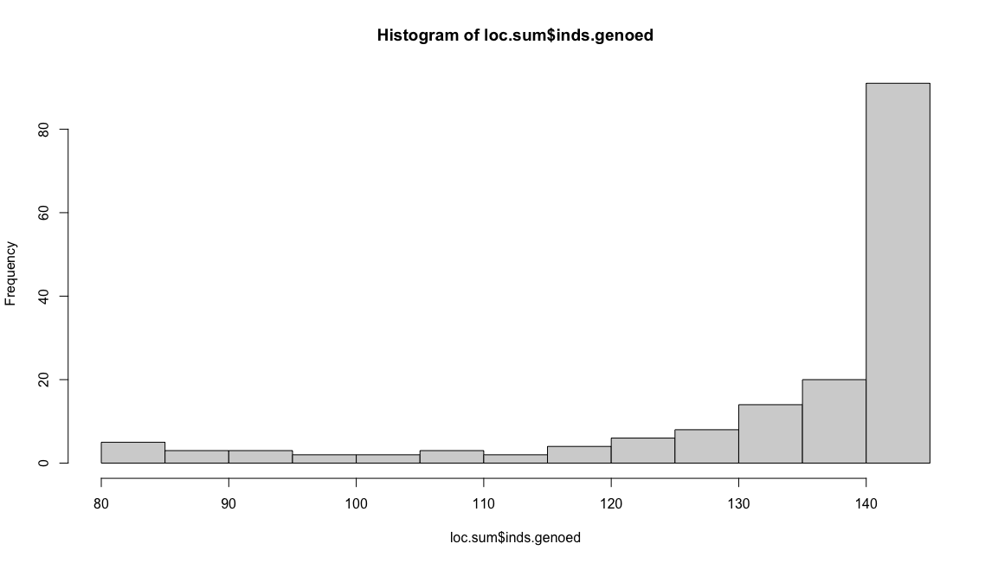
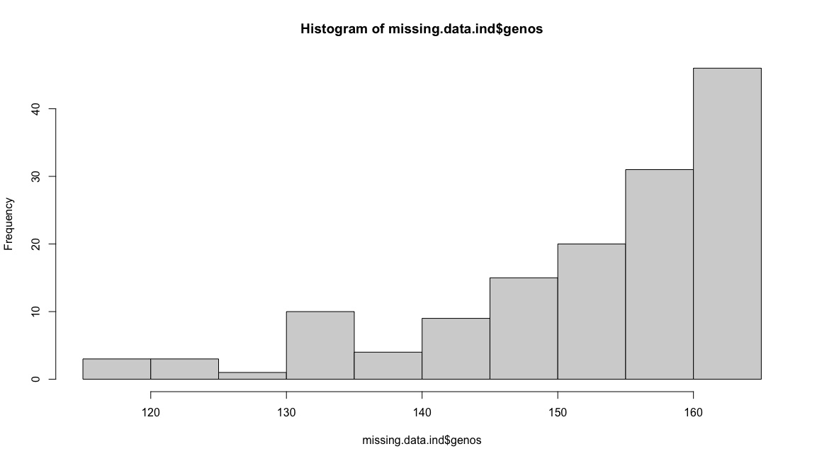
 | After all steps, final dataset:
 | Max % Missing (locus)= 44.4%
 | Max % Missing (ind)=27.6%

 | No duplicate genotypes found at 80% threshold
 | Max prop shared genotypes 65.1%

2025-06-05 | Modified Karen's code to estimate if loci are out of HWE to incorporate a sequential bonferroni correction
 | Need to re-run all scripts and get a clean gtypes file to figure out the cutoff for homozygous data
 | My SNPs all aseem to have a cutoff at 70% homozygosity in the histogram. I am unsure if this is a filter that is done at another place in the workflow?

2025-06-09 | I made a clean repository to re-run all the scripts again from the merged/original sam files
 | I made it all the way through checking for homozygous loci (from above) and still ended up with a cutoff at 70%
 | Unsure where this threshold has been defined, but I will keep on from here
 | I measured for divergence from HWE in each population, and after bonferrroni and sequential bonferroni correction, there were 5 loci out of HWE but only in one population
 | Dc46984 in Solomon Islands
 | Dc58248 in Malaysia
 | locus061 in Papua New Guinea
 | locus119 in Solomon Islands
 | locus314 in Indonesia
 | As the divergence from HWE is not systemic across pops, it may be a result of pop strcuture so I will keep these loci in the analysis

DAPC
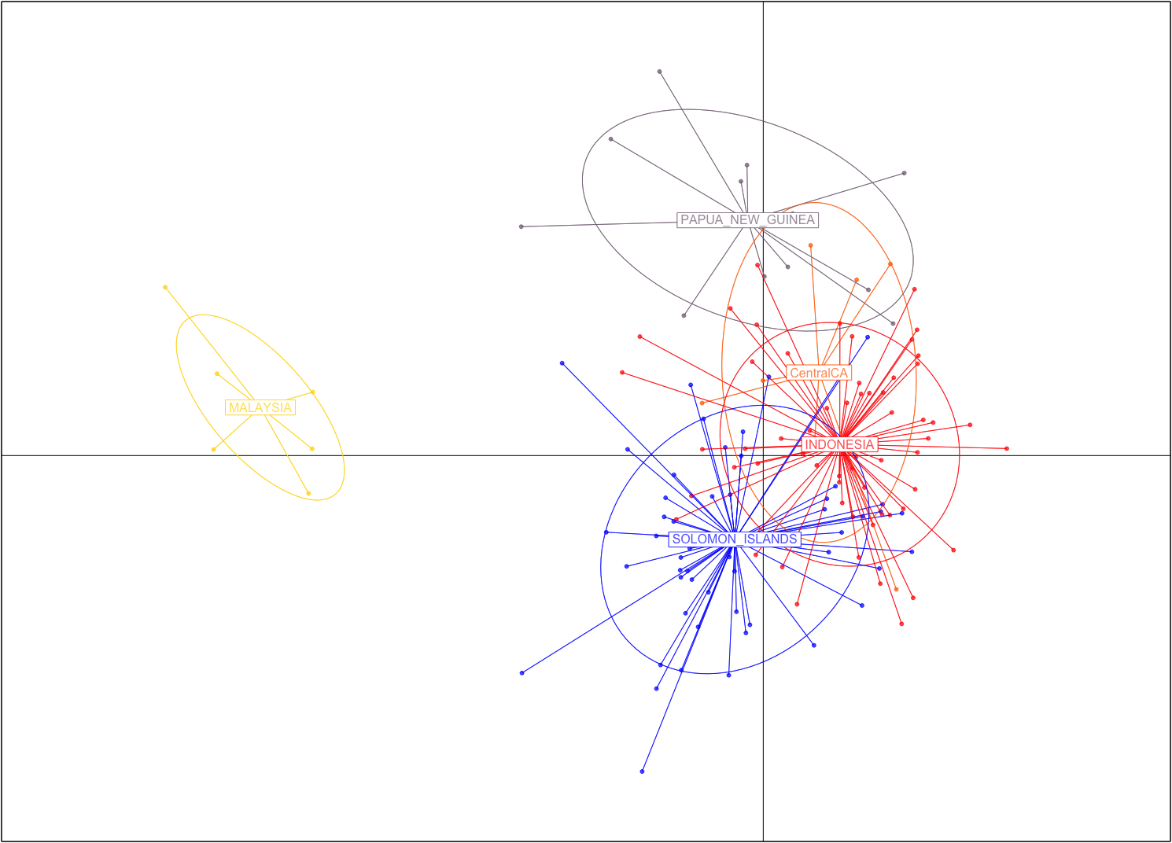
 | #################################################
 | # Discriminant Analysis of Principal Components #
 | #################################################
class: dapc
$call: dapc.data.frame(x = as.data.frame(x), grp = ..1, n.pca = ..2,
n.da = ..3)

$n.pca: 40 first PCs of PCA used
$n.da: 4 discriminant functions saved
$var (proportion of conserved variance): 0.661

$eig (eigenvalues): 73.86 37.2 26.37 8.29 vector length content
1 $eig 4 eigenvalues
2 $grp 142 prior group assignment
3 $prior 5 prior group probabilities
4 $assign 142 posterior group assignment
5 $pca.cent 344 centring vector of PCA
6 $pca.norm 344 scaling vector of PCA
7 $pca.eig 141 eigenvalues of PCA

data.frame nrow ncol content
1 $tab 142 40 retained PCs of PCA
2 $means 5 40 group means
3 $loadings 40 4 loadings of variables
4 $ind.coord 142 4 coordinates of individuals (principal components)
5 $grp.coord 5 4 coordinates of groups
6 $posterior 142 5 posterior membership probabilities
7 $pca.loadings 344 40 PCA loadings of original variables
8 $var.contr 344 4 contribution of original variables

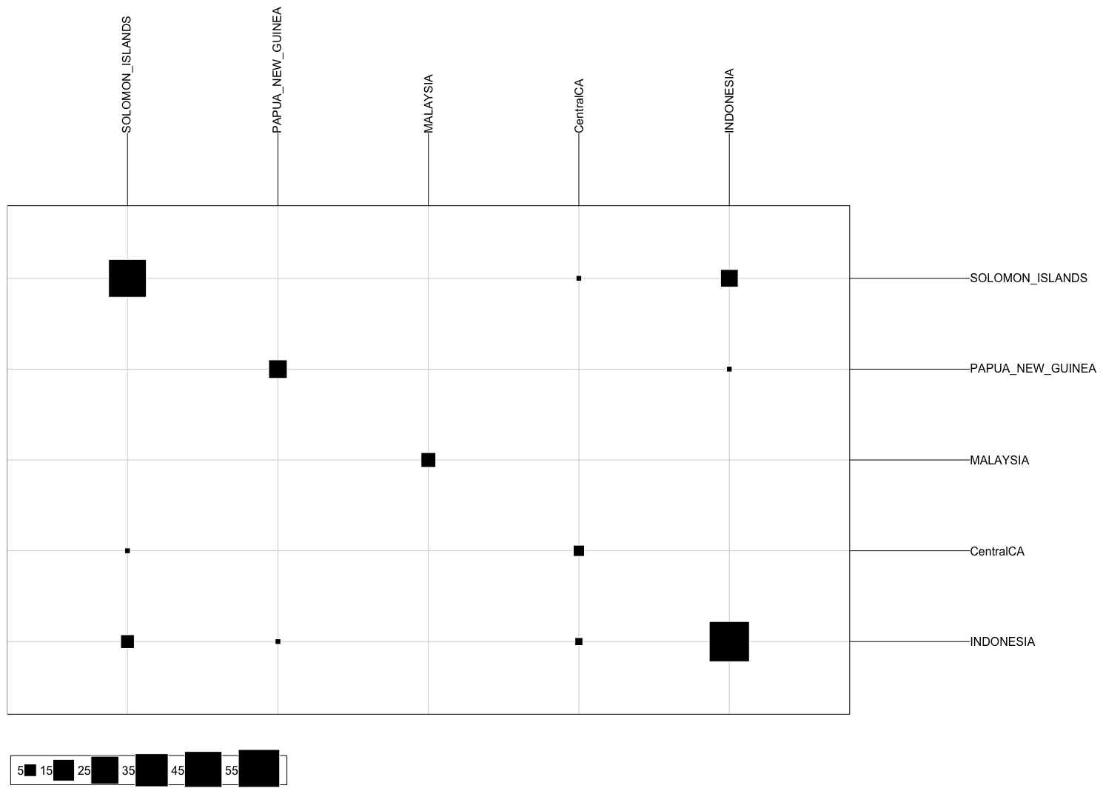
 | swfsc.id | obs.stratum | pred.stratum
1 | z0006796 | SOLOMON_ISLANDS | INDONESIA
2 | z0006798 | SOLOMON_ISLANDS | SOLOMON_ISLANDS
3 | z0006799 | SOLOMON_ISLANDS | SOLOMON_ISLANDS
4 | z0006800 | SOLOMON_ISLANDS | INDONESIA
5 | z0006801 | SOLOMON_ISLANDS | SOLOMON_ISLANDS
6 | z0006802 | SOLOMON_ISLANDS | SOLOMON_ISLANDS
7 | z0006803 | SOLOMON_ISLANDS | SOLOMON_ISLANDS
8 | z0006805 | PAPUA_NEW_GUINEA | INDONESIA
9 | z0012480 | SOLOMON_ISLANDS | SOLOMON_ISLANDS
10 | z0012481 | SOLOMON_ISLANDS | SOLOMON_ISLANDS
11 | z0012482 | SOLOMON_ISLANDS | SOLOMON_ISLANDS
12 | z0012483 | SOLOMON_ISLANDS | SOLOMON_ISLANDS
13 | z0012484 | SOLOMON_ISLANDS | INDONESIA
14 | z0012485 | SOLOMON_ISLANDS | SOLOMON_ISLANDS
15 | z0012486 | SOLOMON_ISLANDS | INDONESIA
16 | z0012488 | SOLOMON_ISLANDS | SOLOMON_ISLANDS
17 | z0012489 | SOLOMON_ISLANDS | INDONESIA
18 | z0012490 | SOLOMON_ISLANDS | INDONESIA
19 | z0012491 | SOLOMON_ISLANDS | SOLOMON_ISLANDS
20 | z0012492 | SOLOMON_ISLANDS | INDONESIA
21 | z0012493 | SOLOMON_ISLANDS | SOLOMON_ISLANDS
22 | z0012494 | SOLOMON_ISLANDS | INDONESIA
23 | z0012497 | SOLOMON_ISLANDS | INDONESIA
24 | z0012499 | SOLOMON_ISLANDS | INDONESIA
25 | z0012500 | SOLOMON_ISLANDS | INDONESIA
26 | z0012503 | SOLOMON_ISLANDS | SOLOMON_ISLANDS
27 | z0012504 | SOLOMON_ISLANDS | INDONESIA
28 | z0012505 | SOLOMON_ISLANDS | INDONESIA
29 | z0012511 | SOLOMON_ISLANDS | SOLOMON_ISLANDS
30 | z0012515 | SOLOMON_ISLANDS | SOLOMON_ISLANDS
31 | z0012517 | SOLOMON_ISLANDS | SOLOMON_ISLANDS
32 | z0012519 | SOLOMON_ISLANDS | SOLOMON_ISLANDS
33 | z0012520 | SOLOMON_ISLANDS | SOLOMON_ISLANDS
34 | z0012521 | SOLOMON_ISLANDS | SOLOMON_ISLANDS
35 | z0012522 | SOLOMON_ISLANDS | SOLOMON_ISLANDS
36 | z0012523 | SOLOMON_ISLANDS | SOLOMON_ISLANDS
37 | z0012524 | SOLOMON_ISLANDS | SOLOMON_ISLANDS
38 | z0012525 | SOLOMON_ISLANDS | SOLOMON_ISLANDS
39 | z0012527 | SOLOMON_ISLANDS | INDONESIA
40 | z0012528 | SOLOMON_ISLANDS | SOLOMON_ISLANDS
41 | z0016882 | MALAYSIA | SOLOMON_ISLANDS
42 | z0016883 | MALAYSIA | MALAYSIA
43 | z0016884 | MALAYSIA | SOLOMON_ISLANDS
44 | z0016885 | MALAYSIA | SOLOMON_ISLANDS
45 | z0016886 | MALAYSIA | MALAYSIA
46 | z0016887 | MALAYSIA | SOLOMON_ISLANDS
47 | z0016888 | MALAYSIA | INDONESIA
48 | z0026450 | PAPUA_NEW_GUINEA | INDONESIA
49 | z0026451 | PAPUA_NEW_GUINEA | INDONESIA
50 | z0026452 | PAPUA_NEW_GUINEA | SOLOMON_ISLANDS
51 | z0026456 | PAPUA_NEW_GUINEA | PAPUA_NEW_GUINEA
52 | z0026457 | PAPUA_NEW_GUINEA | INDONESIA
53 | z0026458 | PAPUA_NEW_GUINEA | INDONESIA
54 | z0032021 | PAPUA_NEW_GUINEA | SOLOMON_ISLANDS
55 | z0032023 | PAPUA_NEW_GUINEA | SOLOMON_ISLANDS
56 | z0032024 | PAPUA_NEW_GUINEA | SOLOMON_ISLANDS
57 | z0032031 | PAPUA_NEW_GUINEA | INDONESIA
58 | z0035352 | CentralCA | INDONESIA
59 | z0037412 | INDONESIA | INDONESIA
60 | z0037417 | INDONESIA | INDONESIA
61 | z0037418 | INDONESIA | SOLOMON_ISLANDS
62 | z0037419 | INDONESIA | INDONESIA
63 | z0037422 | INDONESIA | INDONESIA
64 | z0037463 | INDONESIA | INDONESIA
65 | z0037464 | INDONESIA | SOLOMON_ISLANDS
66 | z0037466 | INDONESIA | INDONESIA
67 | z0037467 | INDONESIA | INDONESIA
68 | z0037468 | INDONESIA | INDONESIA
69 | z0037471 | INDONESIA | INDONESIA
70 | z0040942 | PAPUA_NEW_GUINEA | INDONESIA
71 | z0061457 | SOLOMON_ISLANDS | SOLOMON_ISLANDS
72 | z0061464 | SOLOMON_ISLANDS | INDONESIA
73 | z0061467 | SOLOMON_ISLANDS | SOLOMON_ISLANDS
74 | z0061468 | SOLOMON_ISLANDS | INDONESIA
75 | z0062622 | INDONESIA | SOLOMON_ISLANDS
76 | z0062627 | INDONESIA | SOLOMON_ISLANDS
77 | z0062630 | INDONESIA | SOLOMON_ISLANDS
78 | z0062634 | INDONESIA | SOLOMON_ISLANDS
79 | z0062636 | INDONESIA | INDONESIA
80 | z0062680 | INDONESIA | INDONESIA
81 | z0062681 | INDONESIA | INDONESIA
82 | z0062687 | INDONESIA | INDONESIA
83 | z0062737 | INDONESIA | SOLOMON_ISLANDS
84 | z0062742 | INDONESIA | INDONESIA
85 | z0062743 | INDONESIA | SOLOMON_ISLANDS
86 | z0062752 | INDONESIA | INDONESIA
87 | z0062761 | INDONESIA | INDONESIA
88 | z0062766 | INDONESIA | SOLOMON_ISLANDS
89 | z0062787 | INDONESIA | SOLOMON_ISLANDS
90 | z0076691 | INDONESIA | INDONESIA
91 | z0076693 | INDONESIA | INDONESIA
92 | z0076695 | INDONESIA | INDONESIA
93 | z0076697 | INDONESIA | INDONESIA
94 | z0076699 | INDONESIA | INDONESIA
95 | z0076701 | INDONESIA | INDONESIA
96 | z0076703 | INDONESIA | INDONESIA
97 | z0076705 | INDONESIA | SOLOMON_ISLANDS
98 | z0076707 | INDONESIA | SOLOMON_ISLANDS
99 | z0076709 | INDONESIA | SOLOMON_ISLANDS
100 | z0076711 | INDONESIA | SOLOMON_ISLANDS
101 | z0076713 | INDONESIA | INDONESIA
102 | z0076715 | INDONESIA | INDONESIA
103 | z0102589 | INDONESIA | SOLOMON_ISLANDS
104 | z0102605 | INDONESIA | INDONESIA
105 | z0102610 | INDONESIA | INDONESIA
106 | z0102616 | INDONESIA | INDONESIA
107 | z0102682 | INDONESIA | INDONESIA
108 | z0117088 | INDONESIA | INDONESIA
109 | z0117094 | INDONESIA | INDONESIA
110 | z0117103 | INDONESIA | INDONESIA
111 | z0134055 | INDONESIA | SOLOMON_ISLANDS
112 | z0134059 | INDONESIA | SOLOMON_ISLANDS
113 | z0134061 | INDONESIA | INDONESIA
114 | z0134066 | INDONESIA | SOLOMON_ISLANDS
115 | z0134070 | INDONESIA | INDONESIA
116 | z0134074 | INDONESIA | SOLOMON_ISLANDS
117 | z0134087 | INDONESIA | INDONESIA
118 | z0134095 | INDONESIA | INDONESIA
119 | z0134097 | INDONESIA | INDONESIA
120 | z0134098 | INDONESIA | INDONESIA
121 | z0134101 | INDONESIA | SOLOMON_ISLANDS
122 | z0134108 | INDONESIA | INDONESIA
123 | z0134109 | INDONESIA | INDONESIA
124 | z0134111 | INDONESIA | INDONESIA
125 | z0134112 | INDONESIA | INDONESIA
126 | z0134113 | INDONESIA | INDONESIA
127 | z0178009 | CentralCA | SOLOMON_ISLANDS
128 | z0178011 | CentralCA | INDONESIA
129 | z0178014 | CentralCA | INDONESIA
130 | z0207730 | CentralCA | INDONESIA
131 | z0207745 | CentralCA | INDONESIA
132 | z0210588 | CentralCA | INDONESIA
133 | z0216904 | SOLOMON_ISLANDS | SOLOMON_ISLANDS
134 | z0216906 | SOLOMON_ISLANDS | INDONESIA
135 | z0216907 | SOLOMON_ISLANDS | SOLOMON_ISLANDS
136 | z0216913 | SOLOMON_ISLANDS | INDONESIA
137 | z0216918 | SOLOMON_ISLANDS | INDONESIA
138 | z0216926 | SOLOMON_ISLANDS | SOLOMON_ISLANDS
139 | z0216927 | SOLOMON_ISLANDS | INDONESIA
140 | z0216928 | SOLOMON_ISLANDS | SOLOMON_ISLANDS
141 | z0216930 | SOLOMON_ISLANDS | SOLOMON_ISLANDS
142 | z0216931 | SOLOMON_ISLANDS | INDONESIA

