change.issue.log
Date | Changes made/Notes
2025-05-21 | Removed individuals: 12526 216912 216919 216911 216922 216917 (>90% missing data)
 | Removed loci: locus111 locus155 locus201 locus271 (genotyped in <10% individuals); Locus019 (flagged in "questional.haplotypes" in both my samples and Sue's, 67 individuals had Ns in haplotype)
To do:
Discuss what resolution should be used for calculating LD and HWE ✅
Beach (super fine scale)? Larger
Remove bad loci from strata-specific gtypes and rerun strata-specific LD
DONE
Loci to remove: ✅ 5/21/25
Locus019 (flagged in "questional.haplotypes" in both my samples and Sue's, 67 individuals had Ns in haplotype)
locus111 locus155 locus201 locus271 (genotyped in <10% individuals)
Inds to remove: ✅ 5/21/25
12526 216912 216919 216911 216922 216917 (>90% missing data)
Check duplicates: check if one is super good/one is super bad (keep good), if both ok can they be merged? Merge sam files if OK ✅ 5/28/25
Check if lower allele 2 ratio in sample z0012510 at locus165 is OK
Check how well those individuals genotyped in general
Come up with locus cut off after removing bad samples ✅
ex) keep loci that have been genoyped in >50% individuals
Keep individuals with >60% loci
Keep loci with >50% individuals
Not an issue, i didn't need to drop any loci/inds at this point
Find out about swapped samples for z0012509 from Amy Frey
-Do the genotypes for z0012509 match any other individual?✅
Check if individuals removed in filter 1 were duplicates prior to merging sam files ✅ 5/27/25
Merge duplicate files✅ 5/28/25
 | Updated mismatch, geno to check, loc and indivdiual summaries saved with ".filter1"
 | Individual 12509 and it's replicates may be swapped samples
 | replicates b and c have consistenly similar genoypes in the mismatch file but the original is different
 | Emailed Amy Frey to ask if there was potential for any swaps in the steps prior
2025-05-22 | Spoke to Amy about individual 12509, 12509 has different DID than 12509b and 12509c
 | Could be mix up at some point in the lab, she will check lab notebooks
 | Other replicates: Likely OK to merge and genotype again
 | When genotypes are merged for ind z0012519 at locus 165, the percentage of the second allele is still slightly lower than 30% (28.7%)

2025-05-27 | Will merge the duplicated individuals
 | only four instances of mismatched loci and the mismatch is due to low MAF in one replicate
 | across the rest of the genoypes, many are shared (>70% all genotypes shared between replicates)
 | Will merge duplicates after figuring out the 12509 sample issue
 | Checking if removed indivdiuals were duplicates
 |  | 12526
 |  | 216912
 |  | 216919
 |  | 216911
 |  | 216922
 |  | 216917
 | NONE were duplicates, OK to merge all remaining duplicates

2025-05-28 | Merged all duplicate files EXCEPT 12509
 | Re-ran all genotyping and filtering steps
 | Individuals that shared 100% of their genotypes:
 |  | ids.1 | ids.2
Workflow overview
Round 1:
Microhaplot genotyping, qa/qc, filter 1, compare sequencing replicates
Merge replicate sam files
Round 2:
Microhaploty genotyping, qa/qc, filter 2, gtypes, look for duplicate genoypes
Merge duplicate samples based on genotypes
Round 3:
Microhaploty genotyping, qz/qc, filter 3, gtypes, look for duplicate genotypes, HWE/LD/homozygosity
Analysis!
 |  | z0012509 | z0012520
 |  | z0012509b | z0012509c
 |  | z0012504 | z0012514
 |  | z0026457 | z0040945
 |  | z0012496 | z0061464
 |  | z0026450 | z0040943

2025-06-04 | Based on conversation with Amy (see "Notes" worksheet")

 | To delete: | 12509, 12514, 12496
 | To merge: | 12509b and 12509c ("12509")
 |  | 26457 and 40945 ("26457")
 |  | 26450 and 40943 ("26450"
 | To keep: | 12504, 61464
 | To delete after merging: 40945, 40943

 | Code to merge
 | samtools merge 26457_merged2.sam 26457_merged.sam 40945_mapped2ref.sam
 | samtools merge 26450_merged2.sam 26450_merged.sam 40943_mapped2ref.sam
 | samtools merge 12509_merged.sam 12509b_mapped2ref.sam 12509c_mapped2ref.sam

 | New mplot labels in "mplot.bales-nodup.norep"

 | Rerunning all scripts and saving things under "nodup.norep." and then "Filter3"
 | Ind to remove: | z0012526 | z0216912 | z0216919 | z0216911 | z0216922 | z0216917
 | Loc to remove: | locus155 | locus111 | locus201 | locus271 | locus019

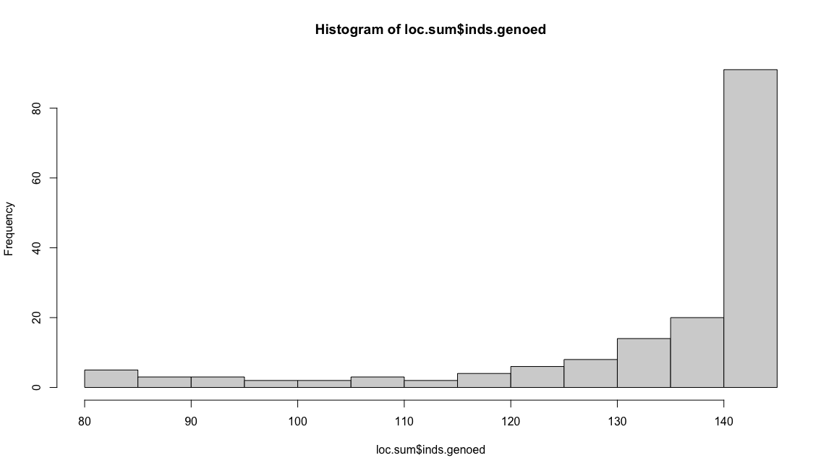
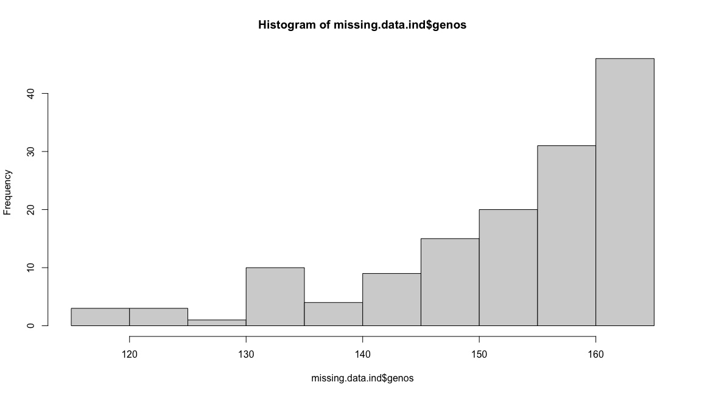
 | After all steps, final dataset:
 | Max % Missing (locus)= 44.4%
 | Max % Missing (ind)=27.6%

 | No duplicate genotypes found at 80% threshold
 | Max prop shared genotypes 65.1%

2025-06-05 | Modified Karen's code to estimate if loci are out of HWE to incorporate a sequential bonferroni correction
 | Need to re-run all scripts and get a clean gtypes file to figure out the cutoff for homozygous data
 | My SNPs all aseem to have a cutoff at 70% homozygosity in the histogram. I am unsure if this is a filter that is done at another place in the workflow?
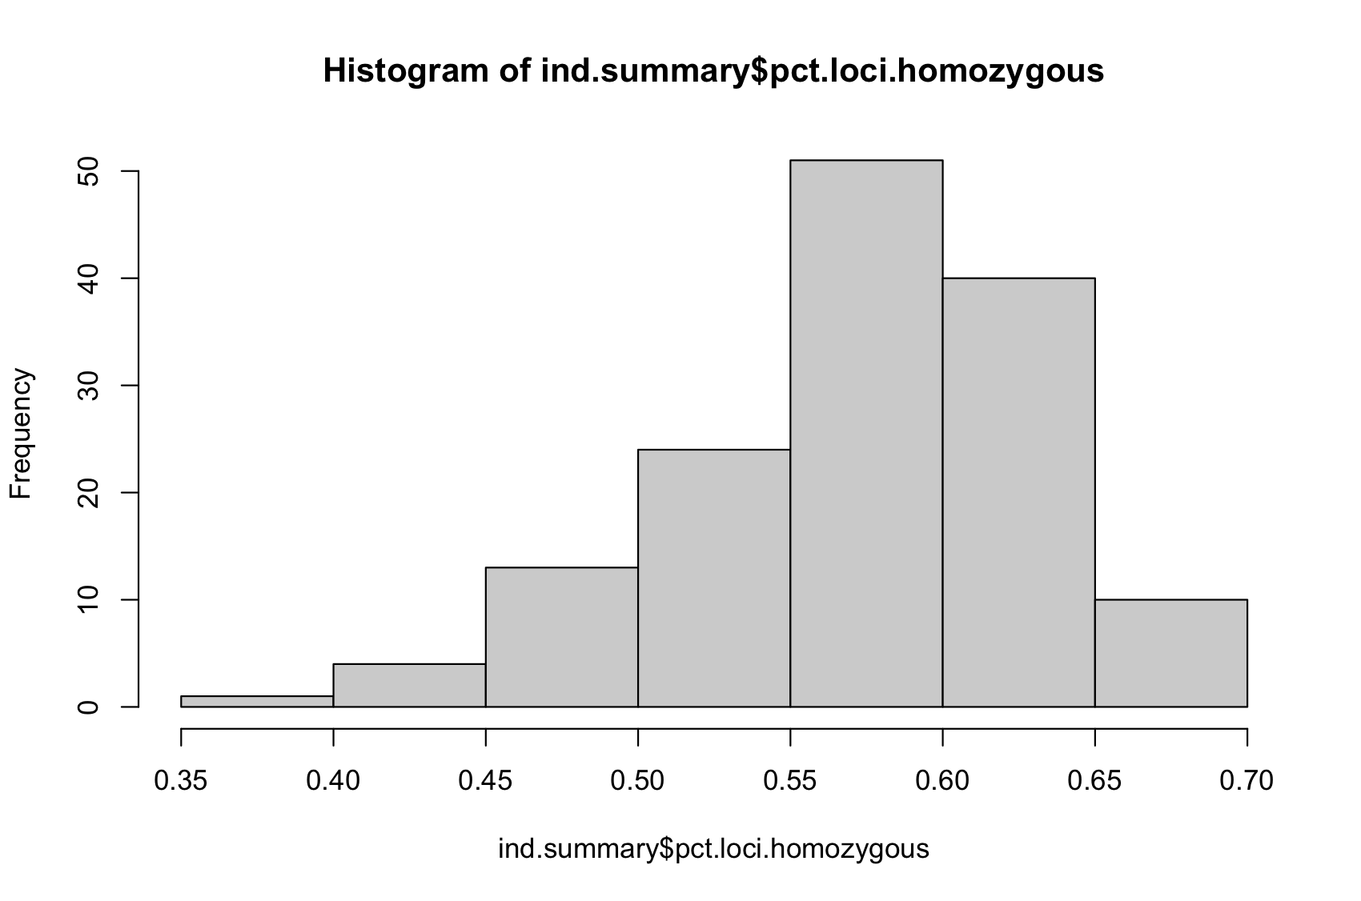
2025-06-09 | I made a clean repository to re-run all the scripts again from the merged/original sam files
 | I made it all the way through checking for homozygous loci (from above) and still ended up with a cutoff at 70%
 | Unsure where this threshold has been defined, but I will keep on from here
 | I measured for divergence from HWE in each population, and after bonferrroni and sequential bonferroni correction, there were 5 loci out of HWE but only in one population
 | Dc46984 in Solomon Islands
 | Dc58248 in Malaysia
 | locus061 in Papua New Guinea
 | locus119 in Solomon Islands
 | locus314 in Indonesia
 | As the divergence from HWE is not systemic across pops, it may be a result of pop strcuture so I will keep these loci in the analysis

2025-06-17 | Running LD per Amy's suggestion
 | Karen says when she ran it, all of her loci were deemed to be in linkage (even if on different chromosomes)
 | Need to decide on populations and rerun HWE and LD based on these new assignments
 | Note: HWE and LD can only be calculated on a population that you assume to be panmictic
 | Can calucalate before and after subdividing and may get an indication of structure
 | Analysis idea: calculate HWE and LD without population info and at population level

2025-06-18 | When calculating LD, the strata with smaller population sizes have NA's in the locus columns
 | Per convo with karen, will split gtypes files into strata-specific ones, remove any poor performing loci, then re-run LD calculations

2025-06-26 | Aligned the fasta files with gtseq snp positions to the D.cor reference genome to get the chromosomes theyre located on
 | I looked at the chromosomes for the loci pairs that had significant LD
 | Some loci from the fasta file didn't align to the reference genome and didn’t have any blast hits
 | 25 primer pairs with significant LD had unknown chromosomes
 | 17 pairs of loci were located on the same chromosome
 | 219 pairs of loci were located on different chromosomes.
 | Need to work out final population list and make sure the populations don’t have any structure within.

2025-07-01 | Confirmed with Peter and Alaina the final strata list
 | Re-ran LD and HWE within strata
 | Am not including the two in-water strata in the HWE and LD calculations becase we don't know their population of origin
 | Stratum_ABO | Description
 | Bird's Head-Summer | Jeen Yessa (Summer), Jeen Syuab (Summer)
 | Bird's Head-Winter | Jeen Syuab (Winter)
 | HaevoSI-Summer | Haevo, Isabel Island (Summer)
 | HaevoSI-Winter | Haevo, Isabel Island (Winter
 | In-water, CA | In-water foraging indivdiuals from CA, USA
 | In-water, Indonesia | In-water foraging individuals from Maluku, Indonesia
 | IsabelSI-South | Litoghahira (Isabel Island, Solomon Islands), Sasakolo (Isabel Island, Solomon Islands)
 | Malaysia | Malaysia
 | PNG | Papua New Guinea

2025-07-17 | Yesterday and today have been testing out some optimised code (Gemini)
 | Testing side by side with original code to see if results are the same.
 | As of 11:41, have gone through to the first individual summary and am finding that in the updated code, there is 1 extra genotype for about half of the individuals.
 | For now, am unsure whether this will get dropped later

2025-07-28 | Going through the questionable genotypes that persist in the updated script.
 | Locus016, sample 216918
 | Locus016, sample 216927
 | These two sample/pairs remained in the "genos.to.check" file through to the final dataset.
 |  | locus | Indiv | gt | haplo.1 | haplo.2 | haplo.3 | haplo.4 | depth.1 | depth.2 | depth.3 | depth.4 | num.haps
 |  | locus016 | z0216918 | C/N | C | N | NA | NA | 103 | 65 | 0 | 0 | 2
 |  | locus016 | z0216927 | C/N | C | N | NA | NA | 55 | 38 | 0 | 0 | 2
 | I opened up the files in geneious with the SNP location and looks like loads of reads are greyed out, hence the "N" calls
 | Need to confirm if I can still use the remaining reads since there are no other bases than C in them.
 | Guess could change the Ns to NAs and see what happens

DAPC
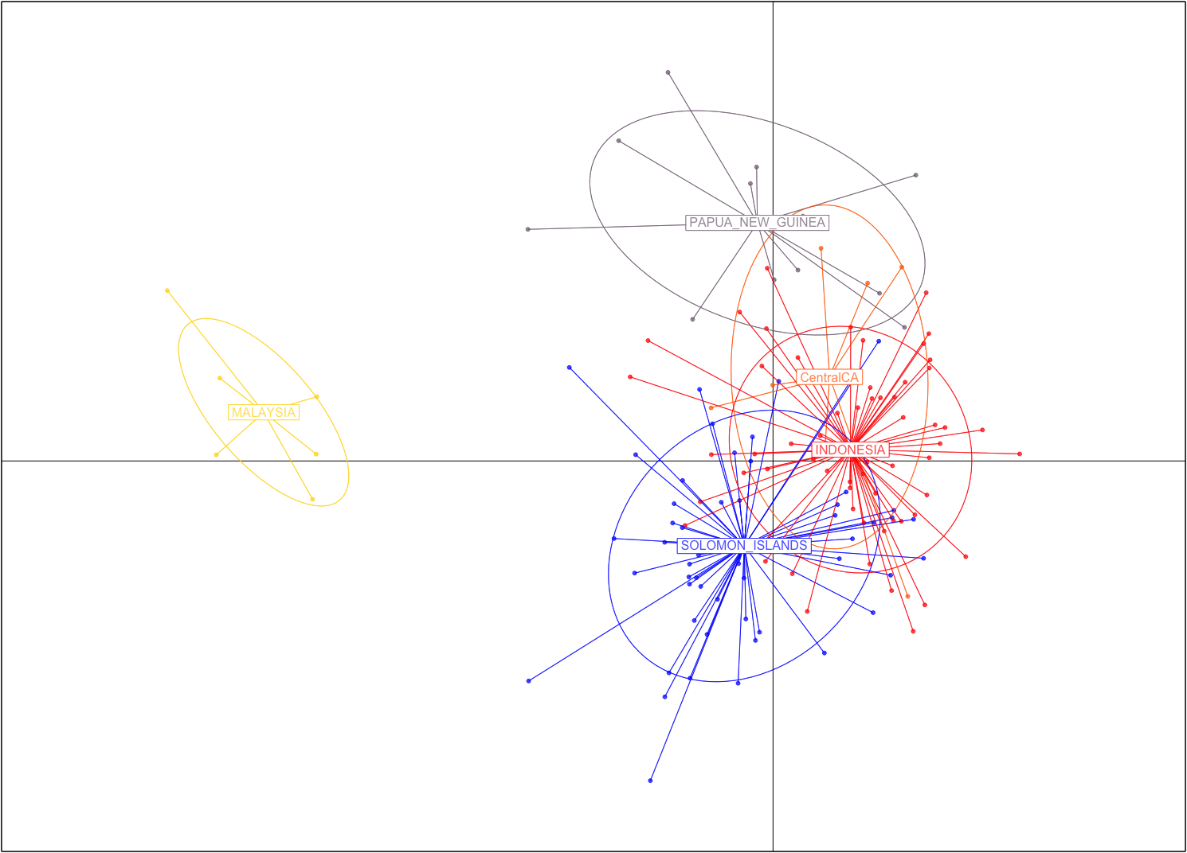
 | #################################################
 | # Discriminant Analysis of Principal Components #
 | #################################################
class: dapc
$call: dapc.data.frame(x = as.data.frame(x), grp = ..1, n.pca = ..2,
n.da = ..3)

$n.pca: 40 first PCs of PCA used
$n.da: 4 discriminant functions saved
$var (proportion of conserved variance): 0.661

$eig (eigenvalues): 73.86 37.2 26.37 8.29 vector length content
1 $eig 4 eigenvalues
2 $grp 142 prior group assignment
3 $prior 5 prior group probabilities
4 $assign 142 posterior group assignment
5 $pca.cent 344 centring vector of PCA
6 $pca.norm 344 scaling vector of PCA
7 $pca.eig 141 eigenvalues of PCA

data.frame nrow ncol content
1 $tab 142 40 retained PCs of PCA
2 $means 5 40 group means
3 $loadings 40 4 loadings of variables
4 $ind.coord 142 4 coordinates of individuals (principal components)
5 $grp.coord 5 4 coordinates of groups
6 $posterior 142 5 posterior membership probabilities
7 $pca.loadings 344 40 PCA loadings of original variables
8 $var.contr 344 4 contribution of original variables

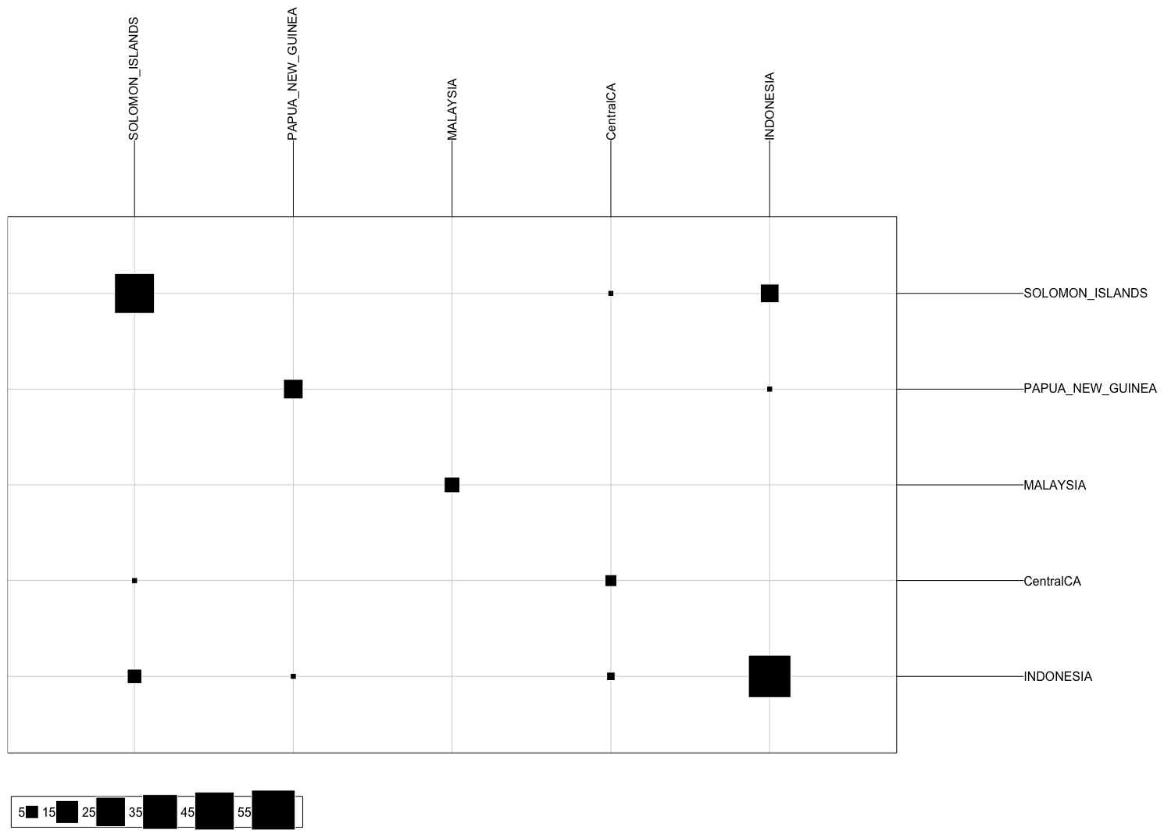
 | swfsc.id | obs.stratum | pred.stratum
1 | z0006796 | SOLOMON_ISLANDS | INDONESIA
2 | z0006798 | SOLOMON_ISLANDS | SOLOMON_ISLANDS
3 | z0006799 | SOLOMON_ISLANDS | SOLOMON_ISLANDS
4 | z0006800 | SOLOMON_ISLANDS | INDONESIA
5 | z0006801 | SOLOMON_ISLANDS | SOLOMON_ISLANDS
6 | z0006802 | SOLOMON_ISLANDS | SOLOMON_ISLANDS
7 | z0006803 | SOLOMON_ISLANDS | SOLOMON_ISLANDS
8 | z0006805 | PAPUA_NEW_GUINEA | INDONESIA
9 | z0012480 | SOLOMON_ISLANDS | SOLOMON_ISLANDS
10 | z0012481 | SOLOMON_ISLANDS | SOLOMON_ISLANDS
11 | z0012482 | SOLOMON_ISLANDS | SOLOMON_ISLANDS
12 | z0012483 | SOLOMON_ISLANDS | SOLOMON_ISLANDS
13 | z0012484 | SOLOMON_ISLANDS | INDONESIA
14 | z0012485 | SOLOMON_ISLANDS | SOLOMON_ISLANDS
15 | z0012486 | SOLOMON_ISLANDS | INDONESIA
16 | z0012488 | SOLOMON_ISLANDS | SOLOMON_ISLANDS
17 | z0012489 | SOLOMON_ISLANDS | INDONESIA
18 | z0012490 | SOLOMON_ISLANDS | INDONESIA
19 | z0012491 | SOLOMON_ISLANDS | SOLOMON_ISLANDS
20 | z0012492 | SOLOMON_ISLANDS | INDONESIA
21 | z0012493 | SOLOMON_ISLANDS | SOLOMON_ISLANDS
22 | z0012494 | SOLOMON_ISLANDS | INDONESIA
23 | z0012497 | SOLOMON_ISLANDS | INDONESIA
24 | z0012499 | SOLOMON_ISLANDS | INDONESIA
25 | z0012500 | SOLOMON_ISLANDS | INDONESIA
26 | z0012503 | SOLOMON_ISLANDS | SOLOMON_ISLANDS
27 | z0012504 | SOLOMON_ISLANDS | INDONESIA
28 | z0012505 | SOLOMON_ISLANDS | INDONESIA
29 | z0012511 | SOLOMON_ISLANDS | SOLOMON_ISLANDS
30 | z0012515 | SOLOMON_ISLANDS | SOLOMON_ISLANDS
31 | z0012517 | SOLOMON_ISLANDS | SOLOMON_ISLANDS
32 | z0012519 | SOLOMON_ISLANDS | SOLOMON_ISLANDS
33 | z0012520 | SOLOMON_ISLANDS | SOLOMON_ISLANDS
34 | z0012521 | SOLOMON_ISLANDS | SOLOMON_ISLANDS
35 | z0012522 | SOLOMON_ISLANDS | SOLOMON_ISLANDS
36 | z0012523 | SOLOMON_ISLANDS | SOLOMON_ISLANDS
37 | z0012524 | SOLOMON_ISLANDS | SOLOMON_ISLANDS
38 | z0012525 | SOLOMON_ISLANDS | SOLOMON_ISLANDS
39 | z0012527 | SOLOMON_ISLANDS | INDONESIA
40 | z0012528 | SOLOMON_ISLANDS | SOLOMON_ISLANDS
41 | z0016882 | MALAYSIA | SOLOMON_ISLANDS
42 | z0016883 | MALAYSIA | MALAYSIA
43 | z0016884 | MALAYSIA | SOLOMON_ISLANDS
44 | z0016885 | MALAYSIA | SOLOMON_ISLANDS
45 | z0016886 | MALAYSIA | MALAYSIA
46 | z0016887 | MALAYSIA | SOLOMON_ISLANDS
47 | z0016888 | MALAYSIA | INDONESIA
48 | z0026450 | PAPUA_NEW_GUINEA | INDONESIA
49 | z0026451 | PAPUA_NEW_GUINEA | INDONESIA
50 | z0026452 | PAPUA_NEW_GUINEA | SOLOMON_ISLANDS
51 | z0026456 | PAPUA_NEW_GUINEA | PAPUA_NEW_GUINEA
52 | z0026457 | PAPUA_NEW_GUINEA | INDONESIA
53 | z0026458 | PAPUA_NEW_GUINEA | INDONESIA
54 | z0032021 | PAPUA_NEW_GUINEA | SOLOMON_ISLANDS
55 | z0032023 | PAPUA_NEW_GUINEA | SOLOMON_ISLANDS
56 | z0032024 | PAPUA_NEW_GUINEA | SOLOMON_ISLANDS
57 | z0032031 | PAPUA_NEW_GUINEA | INDONESIA
58 | z0035352 | CentralCA | INDONESIA
59 | z0037412 | INDONESIA | INDONESIA
60 | z0037417 | INDONESIA | INDONESIA
61 | z0037418 | INDONESIA | SOLOMON_ISLANDS
62 | z0037419 | INDONESIA | INDONESIA
63 | z0037422 | INDONESIA | INDONESIA
64 | z0037463 | INDONESIA | INDONESIA
65 | z0037464 | INDONESIA | SOLOMON_ISLANDS
66 | z0037466 | INDONESIA | INDONESIA
67 | z0037467 | INDONESIA | INDONESIA
68 | z0037468 | INDONESIA | INDONESIA
69 | z0037471 | INDONESIA | INDONESIA
70 | z0040942 | PAPUA_NEW_GUINEA | INDONESIA
71 | z0061457 | SOLOMON_ISLANDS | SOLOMON_ISLANDS
72 | z0061464 | SOLOMON_ISLANDS | INDONESIA
73 | z0061467 | SOLOMON_ISLANDS | SOLOMON_ISLANDS
74 | z0061468 | SOLOMON_ISLANDS | INDONESIA
75 | z0062622 | INDONESIA | SOLOMON_ISLANDS
76 | z0062627 | INDONESIA | SOLOMON_ISLANDS
77 | z0062630 | INDONESIA | SOLOMON_ISLANDS
78 | z0062634 | INDONESIA | SOLOMON_ISLANDS
79 | z0062636 | INDONESIA | INDONESIA
80 | z0062680 | INDONESIA | INDONESIA
81 | z0062681 | INDONESIA | INDONESIA
82 | z0062687 | INDONESIA | INDONESIA
83 | z0062737 | INDONESIA | SOLOMON_ISLANDS
84 | z0062742 | INDONESIA | INDONESIA
85 | z0062743 | INDONESIA | SOLOMON_ISLANDS
86 | z0062752 | INDONESIA | INDONESIA
87 | z0062761 | INDONESIA | INDONESIA
88 | z0062766 | INDONESIA | SOLOMON_ISLANDS
89 | z0062787 | INDONESIA | SOLOMON_ISLANDS
90 | z0076691 | INDONESIA | INDONESIA
91 | z0076693 | INDONESIA | INDONESIA
92 | z0076695 | INDONESIA | INDONESIA
93 | z0076697 | INDONESIA | INDONESIA
94 | z0076699 | INDONESIA | INDONESIA
95 | z0076701 | INDONESIA | INDONESIA
96 | z0076703 | INDONESIA | INDONESIA
97 | z0076705 | INDONESIA | SOLOMON_ISLANDS
98 | z0076707 | INDONESIA | SOLOMON_ISLANDS
99 | z0076709 | INDONESIA | SOLOMON_ISLANDS
100 | z0076711 | INDONESIA | SOLOMON_ISLANDS
101 | z0076713 | INDONESIA | INDONESIA
102 | z0076715 | INDONESIA | INDONESIA
103 | z0102589 | INDONESIA | SOLOMON_ISLANDS
104 | z0102605 | INDONESIA | INDONESIA
105 | z0102610 | INDONESIA | INDONESIA
106 | z0102616 | INDONESIA | INDONESIA
107 | z0102682 | INDONESIA | INDONESIA
108 | z0117088 | INDONESIA | INDONESIA
109 | z0117094 | INDONESIA | INDONESIA
110 | z0117103 | INDONESIA | INDONESIA
111 | z0134055 | INDONESIA | SOLOMON_ISLANDS
112 | z0134059 | INDONESIA | SOLOMON_ISLANDS
113 | z0134061 | INDONESIA | INDONESIA
114 | z0134066 | INDONESIA | SOLOMON_ISLANDS
115 | z0134070 | INDONESIA | INDONESIA
116 | z0134074 | INDONESIA | SOLOMON_ISLANDS
117 | z0134087 | INDONESIA | INDONESIA
118 | z0134095 | INDONESIA | INDONESIA
119 | z0134097 | INDONESIA | INDONESIA
120 | z0134098 | INDONESIA | INDONESIA
121 | z0134101 | INDONESIA | SOLOMON_ISLANDS
122 | z0134108 | INDONESIA | INDONESIA
123 | z0134109 | INDONESIA | INDONESIA
124 | z0134111 | INDONESIA | INDONESIA
125 | z0134112 | INDONESIA | INDONESIA
126 | z0134113 | INDONESIA | INDONESIA
127 | z0178009 | CentralCA | SOLOMON_ISLANDS
128 | z0178011 | CentralCA | INDONESIA
129 | z0178014 | CentralCA | INDONESIA
130 | z0207730 | CentralCA | INDONESIA
131 | z0207745 | CentralCA | INDONESIA
132 | z0210588 | CentralCA | INDONESIA
133 | z0216904 | SOLOMON_ISLANDS | SOLOMON_ISLANDS
134 | z0216906 | SOLOMON_ISLANDS | INDONESIA
135 | z0216907 | SOLOMON_ISLANDS | SOLOMON_ISLANDS
136 | z0216913 | SOLOMON_ISLANDS | INDONESIA
137 | z0216918 | SOLOMON_ISLANDS | INDONESIA
138 | z0216926 | SOLOMON_ISLANDS | SOLOMON_ISLANDS
139 | z0216927 | SOLOMON_ISLANDS | INDONESIA
140 | z0216928 | SOLOMON_ISLANDS | SOLOMON_ISLANDS
141 | z0216930 | SOLOMON_ISLANDS | SOLOMON_ISLANDS
142 | z0216931 | SOLOMON_ISLANDS | INDONESIA

